Illustration
 | Illustration
1 | No 5 includes No 1,2,3. Order No 5 only if you need the complete set.
2 | A part with a serial number (No 1,2,3,4,5) indicates that the specific part can be ordered as spare part.
3 | A part without a serial number indicates that the part cannot be ordered separately as spare part.
 | 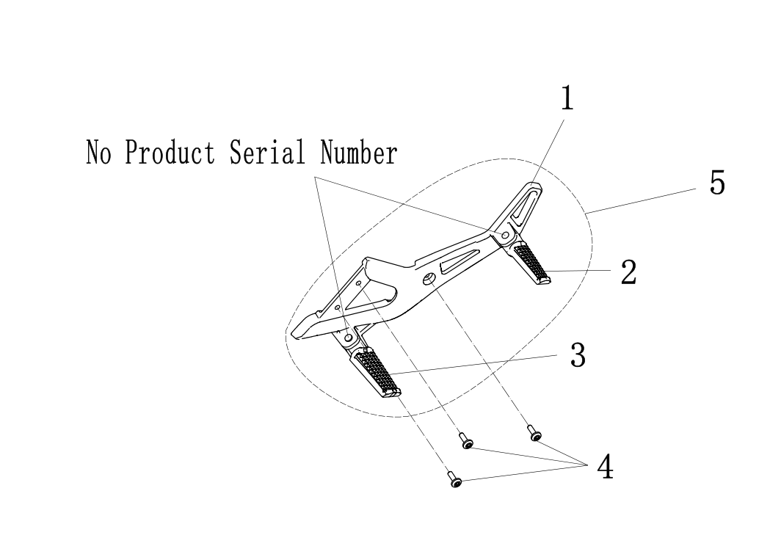

F01-1
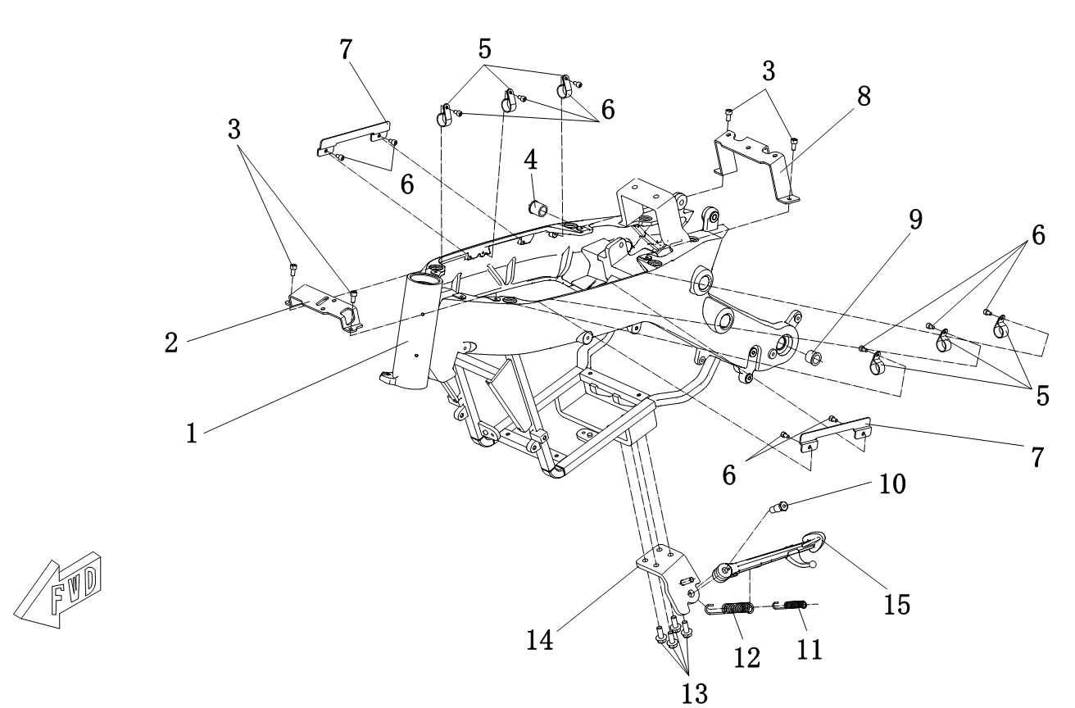
F01-1 Frame | F01-1 Frame
 | Callout | Part Number | Material Code | Part Description | Qty per Bike | Note

 | 1 | MS4000D-01010000 | MS01DE-01010000-0000 | Frame | 1
 | 2 | MS4000D-01000013 | MS01DE-01000013-0000 | Flap Lock Fixing Plate | 1
 | 3 | GB/T70.1 M6X12 | GBT701-060012R1 | Hexagon Socket Cap Screw M6X12 | 4
 | 4 | MS4000D-01010002 | MS01DE-01010002-0000 | Embedded Right Shaft Sleeve | 1 | Pressed into the frame
 | 5 | MS4000D-01000017 | MS01DE-01000017-0000 | Cable Clamp | 6
 | 6 | GB/T70.1 M5X8 | GBT701-050008R1 | Hexagon Socket Cap Screw M5X8 | 10
 | 7 | MS4000D-01000002 | MS01DE-01000002-0000 | Side Cover Baffle | 2
 | 8 | MS4000D-01000003 | MS01DE-01000003-0000 | Air Switch Fixing Plate | 1
 | 9 | MS4000D-01010001 | MS01DE-01010001-0000 | Embedded Left Shaft Sleeve | 1 | Pressed into the frame
 | 10 | MS1200DQ-01000003 | MS01DQ-01000003-0000 | Side Bracket Bolt | 1
 | 11 | MS1200DQ-01000002 | MS01DQ-01000002-0000 | Side Bracket Spring (small) | 1
 | 12 | MS1200DQ-01000001 | MS01DQ-01000001-0000 | Side Bracket Spring (big) | 1
 | 13 | GB/T5789 M8X20 | GBT5789-080020R4 | Hexagon Flange Bolts M8X20 | 4 | Black
 | 14 | MS4000D-01000014 | MS01DE-01000014-0000 | Single Side Stand Mounting Plate | 1 | 13-Inch
 |  | MS4000D-01000020 | MS01DE-01000020-0000 | Single Side Stand Mounting Plate |  | 14-Inch
 | 15 | MS4000D-01020000 | MS01DE-01020000-0000 | Single Side Stand Component | 1

P1 | P2

F01-2
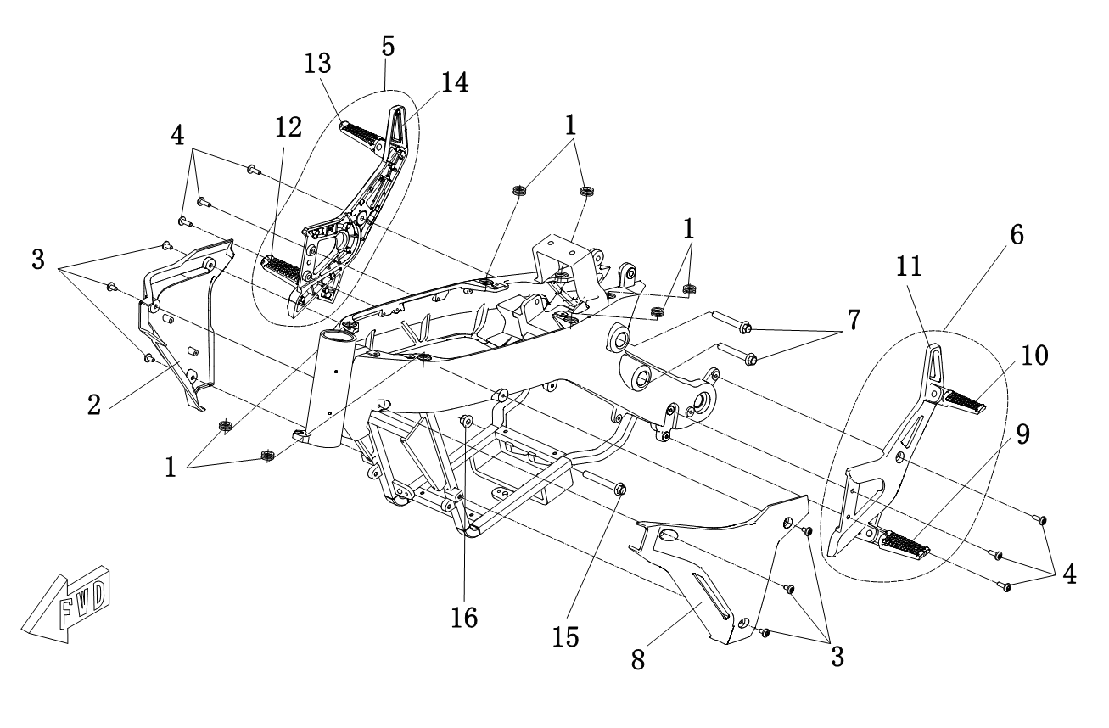
F01-2 Frame | F01-2 Frame
 | Callout | Part Number | Material Code | Part Description | Qty per Bike | Note

 | 1 | MS1200DQ-07000018 | MS01DQ-07000018-0000 | Round Rubber Bearing（big） | 6
 | 2 | MS4000D-01000016 | MS01DE-01000016-00V1 | Controller Right Guard Plate | 1 | Silver White
 | 3 | MS1200DQ-05000005 | MS01DQ-05000005-0000 | Hexagon Socket Cap Screw M6×12 | 6
 | 4 | MS4000D-01000018 | MS01DE-01000018-0000 | Hexagon Socket Cap Screw M6×20 | 6
 | 5 | MS4000D-01040000 | MS01DE-01040000-0000 | Right Foot Pedal Assey | 1
 | 6 | MS4000D-01030000 | MS01DE-01030000-0000 | Left Foot Pedal Assey | 1
 | 7 | GB/T5787 M10X1.25X70 | GBT5787-106070R1 | Hexagon Flange Bolts M10X1.25X70 | 2
 | 8 | MS4000D-01000015 | MS01DE-01000015-00V1 | Controller Left Guard Plate | 1 | Silver White
 | 9 | MS4000D-01030002 | MS01DE-01030002-0000 | Front Left Pedal | 1
 | 10 | MS4000D-01030003 | MS01DE-01030003-0000 | Rear Left Pedal | 1
 | 11 | MS4000D-01030001 | MS01DE-01030001-0000 | Left pedal bracket | 1
 | 12 | MS4000D-01040002 | MS01DE-01040002-0000 | Front right pedal | 1
 | 13 | MS4000D-01040003 | MS01DE-01040003-0000 | Rear right pedal | 1
 | 14 | MS4000D-01040001 | MS01DE-01040001-0000 | Right pedal bracket | 1
 | 15 | GB/T5787 M10X1.25X80 | GBT5787-106080R1 | Hexagon Flange Bolts M10X1.25X80 | 1
 | 16 | GB/T6187.2 M10X1.25 | GBT61872-106R1 | Hexagon Flange Lock Nut M10X1.25 | 1

P1 | P2

F01 -3
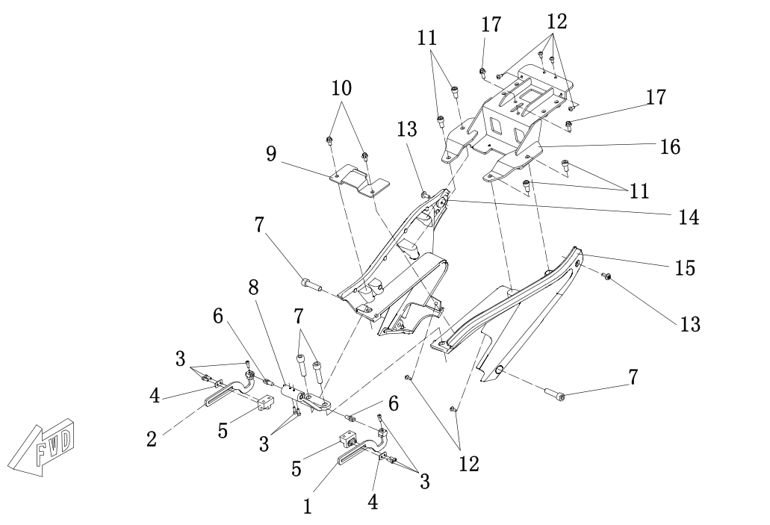
F01-3 Frame | F01-3 Frame
 | Callout | Part Number | Material Code | Part Description | Qty per Bike | Note

 | 1 | MS4000D-01000005 | MS01DE-01000005-0000 | Flip Cover Left Bracket | 1
 | 2 | MS4000D-01000006 | MS01DE-01000006-0000 | Flip Cover Right Bracket | 1
 | 3 | GB/T70.1 M4X12 | GBT701-040012R1 | Hexagon Socket Cap Screw M4X12 | 8
 | 4 | MS4000D-01000008 | MS01DE-01000008-0000 | Slide block | 2
 | 5 | MS4000D-01000007 | MS01DE-01000007-0000 | Flip Slider | 2
 | 6 | MS4000D-01000019 | MS01DE-01000019-0000 | Damping Shaft1N.M | 2
 | 7 | GB/T70.1 M10X1.25X40 | GBT701-106040R1 | Hexagon Socket Cap Screw M10X1.25X40 | 4
 | 8 | MS4000D-01000004 | MS01DE-01000004-0000 | Flip support | 1
 | 9 | MS4000D-01000012 | MS01DE-01000012-0000 | Seat Cushion Fixed Plate | 1
 | 10 | GB/T5789 M6X12 | GBT5789-060012R1 | Hexagon Flange Bolts M6X12 | 2
 | 11 | GB/T5789 M8X16 | GBT5789-080016R1 | Hexagon Flange Bolts M8X16 | 4
 | 12 | GB/T845 ST4.2×13-C-H | GBT845-42013R2 | Self-Tapping Screw | 6
 | 13 | MS1200DQ-09000001 | MS01DQ-09000001-0000 | Hexagon Socket Cap Screw M6×16 | 2
 | 14 | MS4000D-01000010 | MS01DE-01000010-00H2 | Right Support Frame | 1 | Black
 |  |  | MS01DE-01000010-00V1 |  |  | Silver White
 | 15 | MS4000D-01000009 | MS01DE-01000009-00H2 | Left Support Frame | 1 | Black
 |  |  | MS01DE-01000009-00V1 |  |  | Silver White
 | 16 | MS4000D-01000011 | MS01DE-01000011-0000 | Rear Support Frame | 1
 | 17 | GB/T5789 M6X16 | GBT5789-060016R1 | Hexagon Flange Bolts M6X16 | 2

P1 | P2

F02
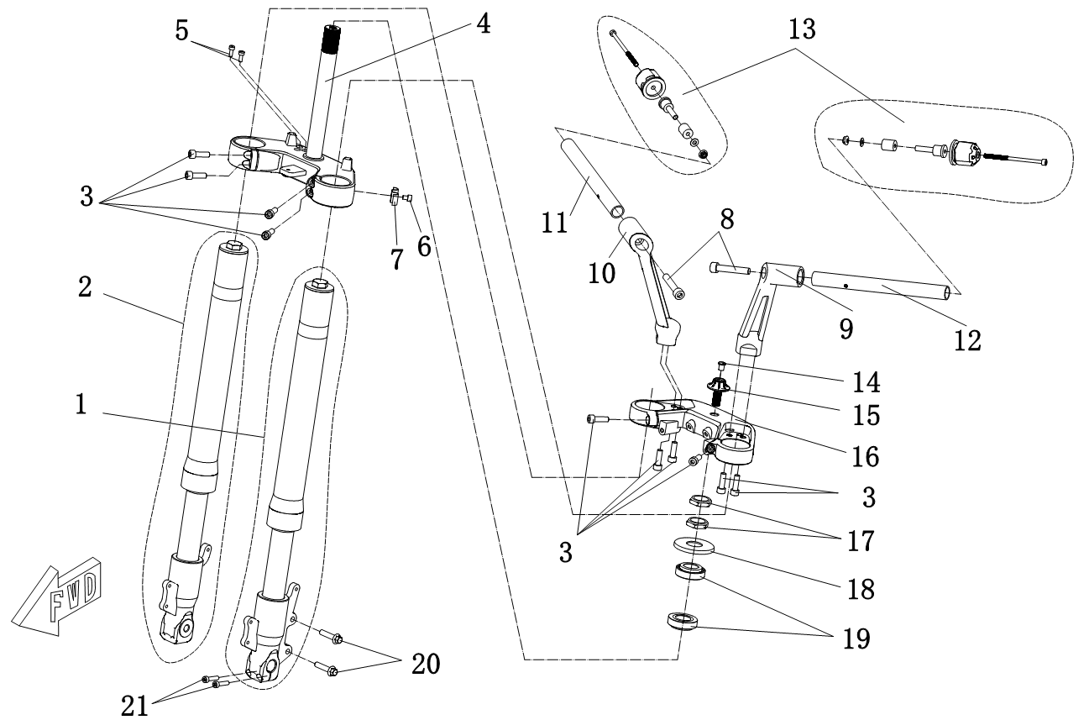
F02 Front Suspension | F02 Front Suspension
 | Callout | Part Number | Material Code | Part Description | Qty per Bike | Note

 | 1 | MS4000D-02010000 | MS01DE-02010000-0000 | Front Left Suspension | 1 | 13-Inch
 |  | MS4000D-02080000 | MS01DE-02080000-0000 | Front Left Suspension |  | 14-Inch
 | 2 | MS4000D-02020000 | MS01DE-02020000-0000 | Front Right Suspension | 1 | 13-Inch
 |  | MS4000D-02090000 | MS01DE-02090000-0000 | Front Right Suspension |  | 14-Inch
 | 3 | GB/T70.1 M8X25 | GBT701-080025R4 | Hexagon Socket Cap Screw M8X25 | 10 | Black
 | 4 | MS4000D-02030000 | MS01DE-02030000-0000 | Lower Clamp Assey | 1
 | 5 | GB/T70.1 M5X12 | GBT701-050012R4 | Hexagon Socket Cap Screw M5X12 | 2 | Black
 | 6 | GB/T70.1 M6X8 | GBT701-060008R4 | Hexagon Socket Cap Screw M6X8 | 1 | Black
 | 7 | MS4000D-02000006 | MS01DE-02000006-0000 | M-Type tubing clamp | 1
 | 8 | GB/T70.1 M10X1.25X55 | GBT701-106055R4 | Hexagon Socket Cap Screw M10X1.25X55 | 2 | Black
 | 9 | MS4000D-02000004 | MS01DE-02000004-0000 | Left Handlebar Riser | 1
 | 10 | MS4000D-02000005 | MS01DE-02000005-0000 | Right Handlebar Riser | 1
 | 11 | MS4000D-02070000 | MS01DE-02070000-0000 | Right Handlebar Iron Tube | 1
 | 12 | MS4000D-02040000 | MS01DE-02040000-0000 | Left Handlebar Iron Tube | 1
 | 13 | MS4000D-02060000 | MS01DE-02060000-0000 | Balance Block Assembly | 2
 | 14 | MS1200DQ-02000011 | MS01DQ-02000011-0000 | Bolt stopper | 1 | Black
 | 15 | MS1200DQ-02000007 | MS01DQ-02000007-0000 | Upper Clamp Locking Bolt | 1 | Black

P1 | P2
F02 Front Suspension | F02 Front Suspension
 | Callout | Part Number | Material Code | Part Description | Qty per Bike | Note

 | 16 | MS4000D-02000001 | MS01DE-02000001-0000 | Upper Clamp | 1
 | 17 | MS4000D-02000002 | MS01DE-02000002-0000 | Hexagon Nut M25×1 | 2 | Black
 | 18 | MS4000D-02000003 | MS01DE-02000003-0000 | Dust Seal | 1
 | 19 | GB/T297 32005 | GBT297-32005 | Tapered Roller Bearings | 2
 | 20 | GB/T5789 M8X35 | GBT5789-080035R4 | Hexagon Flange Bolts M8X35 | 2 | Black
 | 21 | GB/T70.1 M6X25 | GBT701-060025R4 | Hexagon Socket Cap Screw M6X25 | 2 | Black

P3 | P4

F03-1
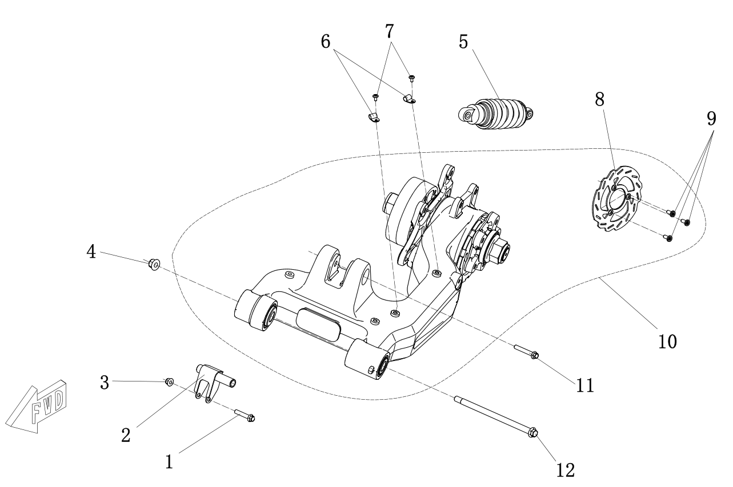
F03-1 Rear Suspension | F03-1 Rear Suspension
 | Callout | Part Number | Material Code | Part Description | Qty per Bike | Note

 | 1 | GB/T5787 M10X1.25X55 | GBT5787-106055R1 | Hexagon Flange Bolts M10X1.25X55 | 1
 | 2 | MS4000D-03000001 | MS01DE-03000001-0000 | Rear Flat Fork Liner | 1
 | 3 | GB/T6187.2 M10X1.25 | GBT61872-106R1 | Hexagon Flange Lock Nut M10X1.25 | 1
 | 4 | GB/T6187.2 M14X1.5 | GBT61872-147R1 | Hexagon Flange Lock Nut M14X1.5 | 1
 | 5 | MS4000D-03010000 | MS01DE-03010000-0000 | Rear Shock Absorber (Airbag-Free Version) | 1 | Black
 |  | MS4000D-03030000 | MS01DE-03030000-0000 | Rear Shock Absorber (Integrated Airbag Version) |  | Black
 |  | MS4000D-03040000 | MS01DE-03040000-0000 | Rear Shock Absorber (External Airbag Version) |  | Black
 | 6 | MS1200DQ-05000004 | MS01DQ-05000004-0000 | Brake Tube Clamp | 2
 | 7 | MS1200DQ-05000005 | MS01DQ-05000005-0000 | Hexagon Socket Cap Screw M6×12 | 2
 | 8 | MS4000D-03020001 | MS01DE-03020001-0000 | Rear Brake Disc | 1
 | 9 | MS4000D-03000003 | MS01DE-03000003-0000 | Brake Disc Screw M8×18 | 3
 | 10 | MS4000D-03020000 | MS01DE-03020000-0000 | Single Rocker Arm Assembly | 1
 | 11 | GB/T5787 M10X1.25X70 | GBT5787-106070R1 | Hexagon Flange Bolts M10X1.25X70 | 1
 | 12 | MS4000D-03000002 | MS01DE-03000002-0000 | Rear Axle | 1

P1 | P2

F03-2
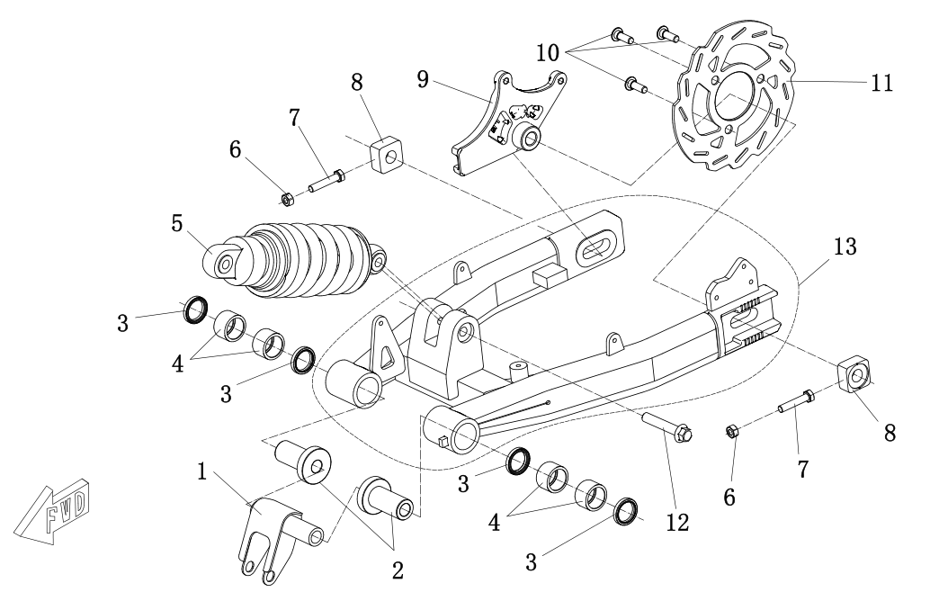
F03-2 Rear Suspension | F03-2 Rear Suspension
 | Callout | Part Number | Material Code | Part Description | Qty per Bike | Note

 | 1 | MS4000D-03000020 | MS01DE-03000020-0000 | Rear Fork Liner | 1 | Double rear arm version
 | 2 | MS4000D-03000021 | MS01DE-03000021-0000 | Double-Rocker Axle Sleeve | 2
 | 3 | TC 32X25X5 | GBT138711-TC03202505 | Oil Seal | 4
 | 4 | GB/T290 HK2520 | GBT290-HK2520 | Open-Type Needle Roller Bearing | 4
 | 5 | MS4000D-03010000 | MS01DE-03010000-0000 | Rear Shock Absorber (Non airbag version) | 1
 | 6 | GB/T6170 M8 | GBT6170-080R1 | Hexagon Nut | 2
 | 7 | GB/T5783 M8×40 | GBT5783-080040R1 | Hexagon Bolt | 2
 | 8 | MS1200DQ-03000002 | MS01DQ-03000002-0000 | Chain Regulating Block | 2
 | 9 | MS1200DQ-05000003 | MS01DQ-05000003-0000 | Bracket Connecting Plate | 1
 | 10 | MS1200DQ-05000002 | MS01DQ-05000002-0000 | Brake Disc Screw M8×25 | 3
 | 11 | MS4000D-03000022 | MS01DE-03000022-0000 | Rear Brake Disc | 1 | Double rear arm version
 | 12 | GB/T5787 M10X1.25X55 | GBT5787-106055R1 | Hexagon Flange Bolts M10X1.25X55 | 1 | Double rear arm version
 | 13 | MS4000D-03050000 | MS01DE-03050000-0000 | Double-Rocker Module | 1 | Double rear arm version

P1 | P2

F04-1
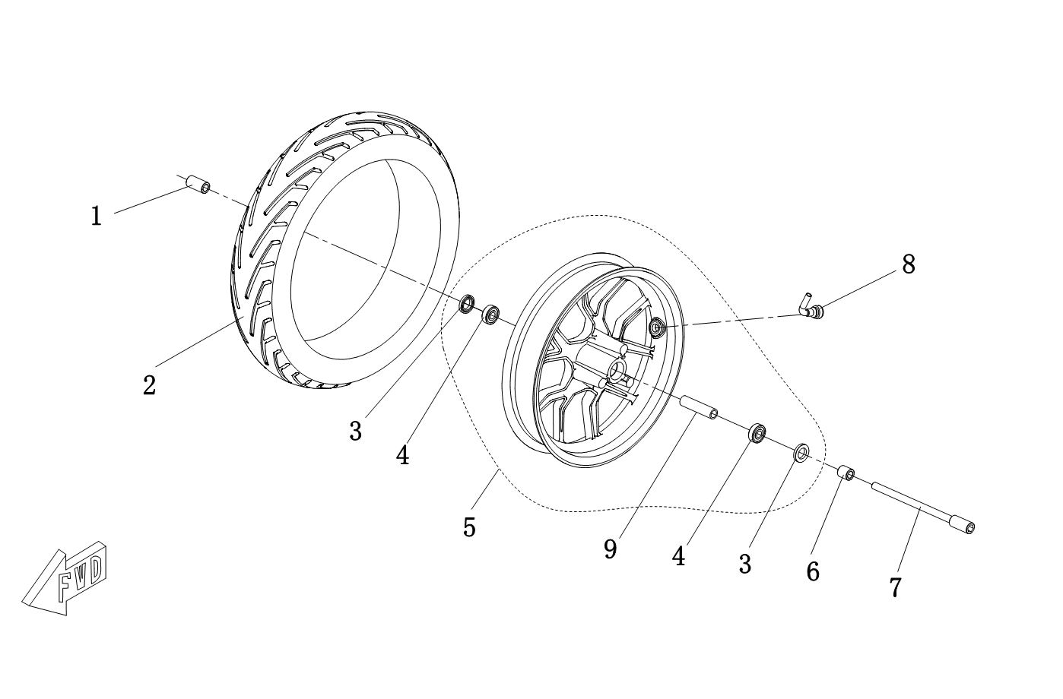
F04-1 Front Wheel | F04-1 Front Wheel
 | Callout | Part Number | Material Code | Part Description | Qty per Bike | Note

 | 1 | MS4000D-04000001 | MS01DE-04000001-0000 | Front Right Axle Tube | 1
 | 2 | GB/T2983 100/80-13 | GBT2983-100-80-13 | Front Tire | 1 | 13-Inch
 |  | GB/T2983 100/80-14 | GBT2983-100-80-14 | Front Tire |  | 14-Inch
 | 3 | GB/T13871.1 FB20 32 5 | GBT138711-FB02003205 | Bearing Seal | 2
 | 4 | GB/T276 6201-2RS | GBT276-6201-2RS | Bearing | 2
 | 5 | MS4000D-04010000 | MS01DE-04010000-0000 | Front Rim Assey | 1 | 13-Inch
 |  | MS4000D-04020000 | MS01DE-04020000-0000 | Front Rim Assey |  | 14-Inch
 | 6 | MS1200DQ-04000001 | MS01DQ-04000001-0000 | Front Wheel Bearing Tube | 1
 | 7 | MS4000D-04000002 | MS01DE-04000002-0000 | Hollow Axle Front | 1
 | 8 | GB/T3900 | GBT3900-01 | Elbow Valve | 1
 | 9 | MS4000D-04000008 | MS01DE-04000008-0000 | Front Wheel Spacer Bush | 1

P1 | P2

F04-2
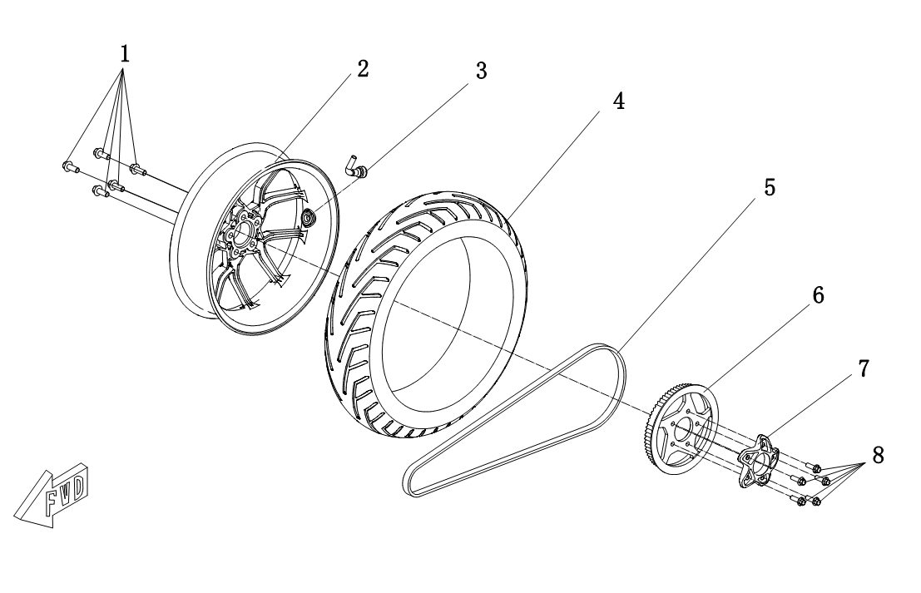
F04-2 Rear Wheel | F04-2 Rear Wheel
 | Callout | Part Number | Material Code | Part Description | Qty per Bike | Note

 | 1 | GB/T5787 M10X1.25X25 | GBT5787-106025R4 | Hexagon Flange Bolts M10X1.25X25 | 5 | Black
 | 2 | MS4000D-04000003 | MS01DE-04000003-0000 | Rear Rim | 1 | 13-Inch
 |  | MS4000D-04000006 | MS01DE-04000006-0000 | Rear Rim |  | 14-Inch
 | 3 | GB/T3900 | GBT3900-01 | Elbow Valve | 1
 | 4 | GB/T2983 120/70-13 | GBT2983-120-70-13 | Rear Tire | 1 | 13-Inch
 |  | GB/T2983 120/70-14 | GBT2983-120-70-14 | Rear Tire |  | 14-Inch
 | 5 | 8M-15W-168T | 8M-15W-168T | Belt | 1
 |  | 8M-14W-160T | 8M-14W-160T | Belt
 | 6 | MS4000D-04000004 | MS01DE-04000004-0000 | Belt Drive Wheel Sprocket | 1
 |  | MS4000D-04000004-02 | MS01DE-04000004-0200 | Belt Drive Wheel Sprocket
 | 7 | MS4000D-04000005 | MS01DE-04000005-0000 | Wheel Cover | 1
 | 8 | GB/T5789 M8X25 | GBT5789-080025R4 | Hexagon Flange Bolts M8X25 | 5 | Black

P1 | P2

F04-3
F04-3 Rear Wheel | F04-3 Rear Wheel
 | Callout | Part Number | Material Code | Part Description | Qty per Bike | Note
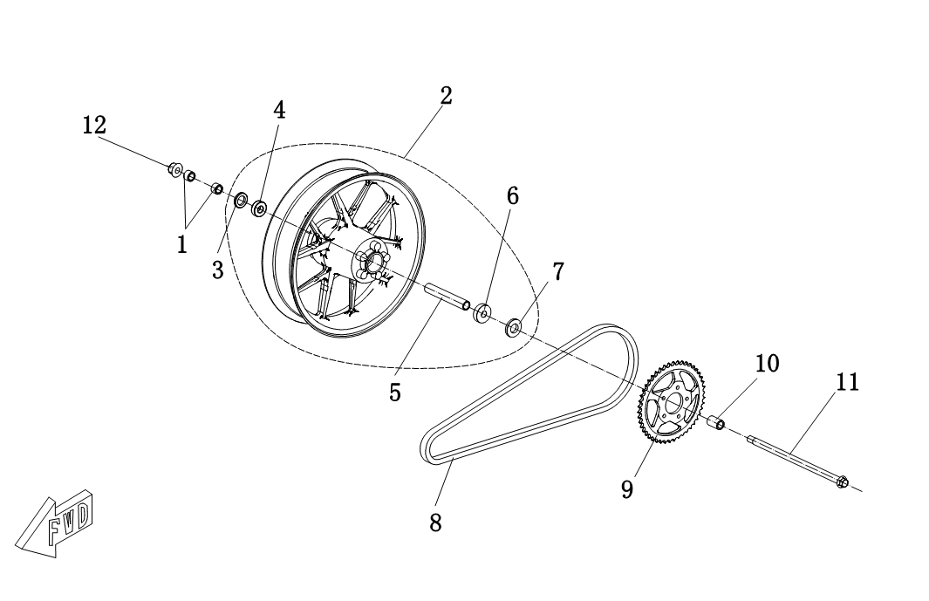
 | 1 | MS1200DQ-04000005 | MS01DQ-04000005-0000 | Rear Right Axle Tube | 2
 | 2 | MS4000D-04030000 | MS01DE-04030000-0000 | Rear Rim Module | 1 | Double rear arm version
 | 3 | GB/T13871.1 FB22 35 5 | GBT138711-FB02203505 | Oil Seal | 1
 | 4 | GB/T276 6202-2RS | GBT276-6202-2RS | Rolling Bearing | 1
 | 5 | MS4000D-04000009 | MS01DE-04000009-0000 | Rear Wheel Spacer Bush | 1
 | 6 | GB/T276 6302-2RS | GBT276-6302-2RS | Oil Seal | 1
 | 7 | GB/T13871.1 FB22 42 7 | GBT138711-FB02204207 | Rolling Bearing | 1
 | 8 | GB/T14212 428MH-104 | GBT14212-428MH-104 | Chain | 1
 | 9 | MS4000D-04000100 | MS01DE-04000100-0000 | Chain Wheel Sprockets | 1
 | 10 | MS1200DQ-04000004 | MS01DQ-04000004-0000 | Rear Left Axle Tube | 1
 | 11 | MS4000D-04000007 | MS01DE-04000007-0000 | Rear Bearing | 1
 | 12 | GB/T6187.2 M14×1.5 | GBT61872-147R1 | Hexagon Flange Lock Nut | 1

75

P1 | P2

F05-1
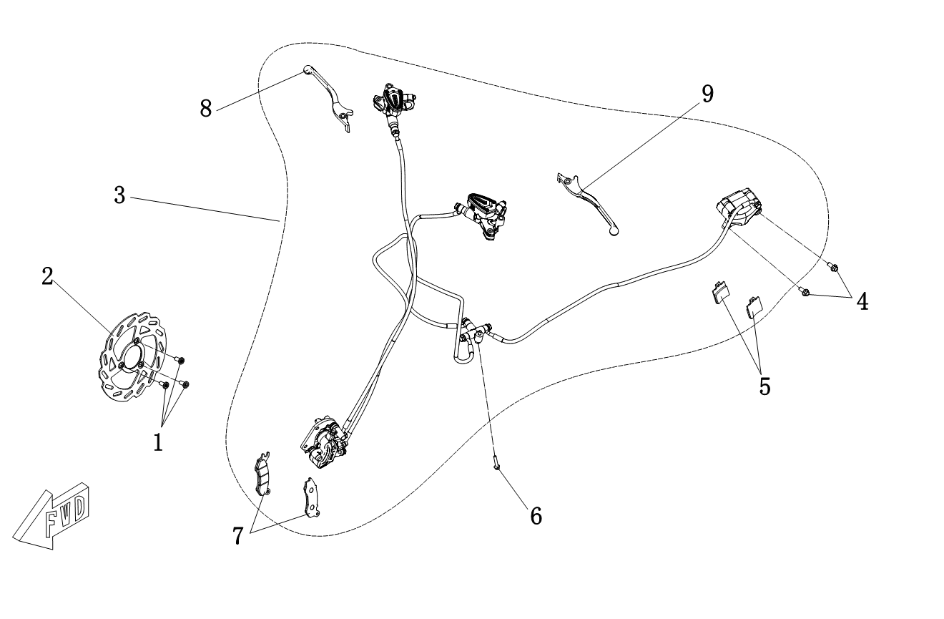
F05-1 Braking | F05-1 Braking
 | Callout | Part Number | Material Code | Part Description | Qty per Bike | Note

 | 1 | MS1200DQ-05000002 | MS01DQ-05000002-0000 | Brake Disc Screw M8×25 | 3
 | 2 | MS4000D-05000001 | MS01DE-05000001-0000 | Front Brake Disc | 1
 | 3 | MS4000D-05010000 | MS01DE-05010000-0300 | CBS Brake Assembly | 1 | Black
 |  |  | MS01DE-05010000-0200 |  |  | Matte Blue
 |  |  | MS01DE-05010000-0100 |  |  | Matte Orange
 | 4 | GB/T5787 M8X20 | GBT5787-080020R4 | Hexagon Flange Bolts M8X20 | 2 | Black
 | 5 | MS1200DQ-05020100 | MS01DQ-05020100-0000 | Rear Brake Pad | 2
 | 6 | GB/T5789 M6X30 | GBT5789-060030R1 | Hexagon Flange Bolts M6X30 | 1
 | 7 | MS4000D-05000003 | MS01DE-05000003-0000 | Front Brake Pad | 2
 | 8 | MS4000D-05000008 | MS01DE-05000008-0000 | Front Brake Handle | 1
 | 9 | MS4000D-05000015 | MS01DE-05000015-0000 | Linked Brake Handle | 1

P1 | P2

F05-2
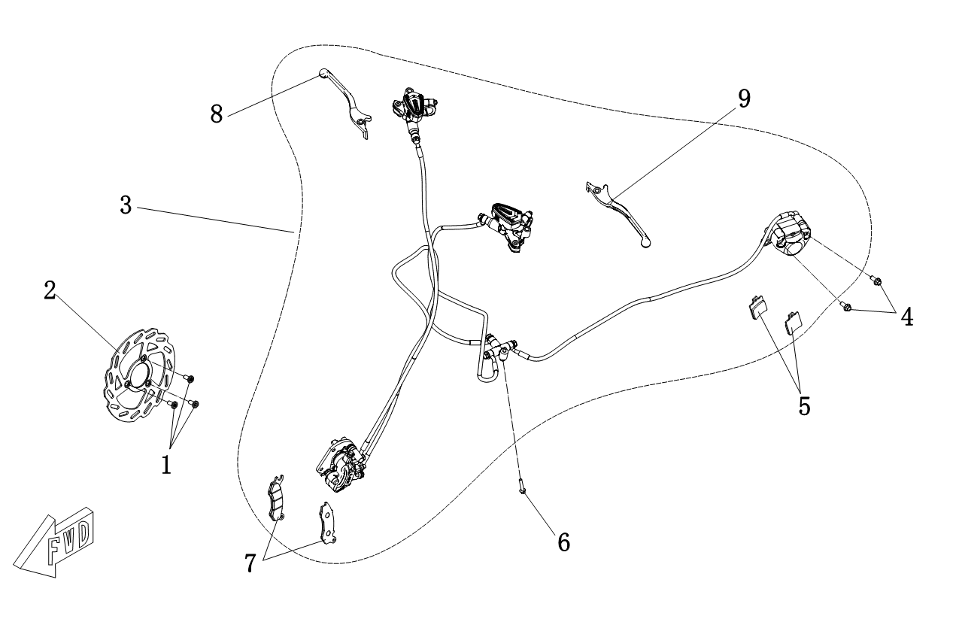
F05-2 Braking | F05-2 Braking
 | Callout | Part Number | Material Code | Part Description | Qty per Bike | Note

 | 1 | MS1200DQ-05000002 | MS01DQ-05000002-0000 | Brake Disc Screw M8×25 | 3
 | 2 | MS4000D-05000001 | MS01DE-05000001-0000 | Front Brake Disc | 1
 | 3 | MS4000D-05020000 | MS01DE-05020000-0300 | CBS Brake Assembly | 1 | Black, Double rear arm version
 |  |  | MS01DE-05020000-0200 |  |  | Matte Blue, Double rear arm version
 |  |  | MS01DE-05020000-0100 |  |  | Matte Orange, Double rear arm version
 | 4 | GB/T5787 M8X20 | GBT5787-080020R4 | Hexagon Flange Bolts M8X20 | 2 | Black
 | 5 | MS1200DQ-05020100 | MS01DQ-05020100-0000 | Rear Brake Pad | 2
 | 6 | GB/T5789 M6X30 | GBT5789-060030R1 | Hexagon Flange Bolts M6X30 | 1
 | 7 | MS4000D-05000003 | MS01DE-05000003-0000 | Front Brake Pad | 2
 | 8 | MS4000D-05000008 | MS01DE-05000008-0000 | Front Brake Handle | 1
 | 9 | MS4000D-05000015 | MS01DE-05000015-0000 | Linked Brake Handle | 1

P1 | P2

F06

F06 Seat | F06 Seat
 | Callout | Part Number | Material Code | Part Description | Qty per Bike | Note

 | 1 | MS4000D-06010000 | MS01DE-06010000-0100 | Seat Cushion | 1 | Black
 |  |  | MS01DE-06010000-0200 |  |  | Orange

P1 | P2

F07-1
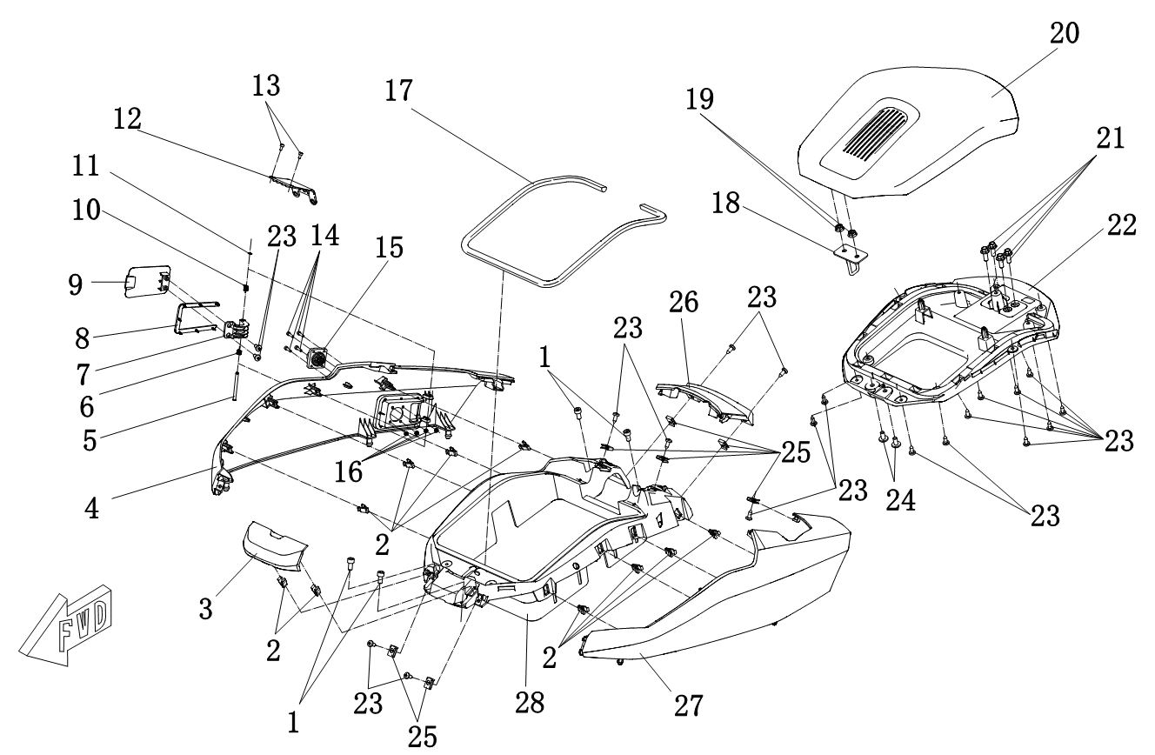
F07-1 Body Trim | F07-1 Body Trim
 | Callout | Part Number | Material Code | Part Description | Qty per Bike | Note

 | 1 | GB/T70.1 M6X12 | GBT701-060012R1 | Hexagon Socket Cap Screw M6X12 | 4
 | 2 | MS4000D-07000010 | MS01DE-07000010-0000 | Plastic Buckle | 10
 | 3 | MS4000D-07000007 | MS01DE-07000007-00MP | Upper Housing (Small） | 1 | ABS，Spray paint
 |  |  | MS01DE-07000007-00H4 |  |  | Black
 |  |  | MS01DE-07000007-00G2 |  |  | Matte Titanium Gray
 |  |  | MS01DE-07000007-00B1 |  |  | Youth blue
 |  |  | MS01DE-07000007-00W1 |  |  | White
 | 4 | MS4000D-07000006 | MS01DE-07000006-00MP | Right-Sided Cover | 1 | ABS，Spray paint
 |  |  | MS01DE-07000006-ZHH4 |  |  | Black
 |  |  | MS01DE-07000006-ZHG2 |  |  | Matte Titanium Gray
 |  |  | MS01DE-07000006-ZHB1 |  |  | Youth blue
 |  |  | MS01DE-07000006-ZHC1 |  |  | White
 | 5 | MS4000D-07000014 | MS01DE-07000014-0000 | Charging Cover Rotating Shaft | 1
 | 6 | MS4000D-07000015 | MS01DE-07000015-0000 | Torsion Spring 1 | 1
 | 7 | MS4000D-07000012 | MS01DE-07000012-0000 | Charging Cover Bracket | 1
 | 8 | MS4000D-07000013 | MS01DE-07000013-0000 | Charging Cover Rubber Pad | 1
 | 9 | MS4000D-07000011 | MS01DE-07000011-00MP | Charging Cover | 1 | ABS，Spray paint
 |  |  | MS01DE-07000011-00H4 |  |  | Black
 |  |  | MS01DE-07000011-00G2 |  |  | Matte Titanium Gray
 |  |  | MS01DE-07000011-00B1 |  |  | Youth blue
 |  |  | MS01DE-07000011-00W1 |  |  | White

P1 | P2
F07-1 Body Trim | F07-1 Body Trim
 | Callout | Part Number | Material Code | Part Description | Qty per Bike | Note

 | 10 | MS4000D-07000016 | MS01DE-07000016-0000 | Torsion Spring 2 | 1
 | 11 | GB/T894.1 4 | GBT8941-041 | Shaft Elastic Retaining Ring - A | 1
 | 12 | MS4000D-08090002 | MS01DE-08090002-0000 | Horizontal Dashboard Seat Cover | 1
 | 13 | GB/T70.1 M3X6 | GBT701-030006R1 | Hexagon Socket Cap Screw M3X6 | 2
 | 14 | GB/T70.1 M3X12 | GBT701-030012R1 | Hexagon Socket Cap Screw M3X12 | 4
 | 15 | MS4000D-09140000 | MS01DE-09140000-0000 | Charging Stand | 1
 | 16 | GB/T6170 M3 | GBT6170-030R1 | Hexagon Nut M3 | 4
 | 17 | MS4000D-07000009 | MS01DE-07000009-0000 | Sealing Strip | 1
 | 18 | MS4000D-07000004 | MS01DE-07000004-0000 | Upper Cover Hook Lock | 1
 | 19 | GB/T6177.1 M6 | GBT61771-060R1 | Hexagon Flange Nut M6 | 2
 | 20 | MS4000D-07000002 | MS01DE-07000002-00MP | Upper Housing (Big） | 1 | ABS，Spray paint
 |  |  | MS01DE-07000002-00H4 |  |  | Black
 |  |  | MS01DE-07000002-00G2 |  |  | Matte Titanium Gray
 |  |  | MS01DE-07000002-00B1 |  |  | Youth blue
 |  |  | MS01DE-07000002-00W1 |  |  | White
 | 21 | GB/T5789 M6X16 | GBT5789-060016R1 | Hexagon Flange Bolts M6X16 | 4
 | 22 | MS4000D-07000003 | MS01DE-07000003-0000 | Upper Cover Bottom Plate | 1
 | 23 | GB/T845 ST4.2×13-C-H | GBT845-42013R2 | Self-Tapping Screw | 20
 | 24 | MS1200DQ-05000005 | MS01DQ-05000005-0000 | Hexagon Socket Cap Screw M6×12 | 2

P3 | P4
F07-1 Body Trim | F07-1 Body Trim
 | Callout | Part Number | Material Code | Part Description | Qty per Bike | Note

 | 25 | MS1200DQ-07000005 | MS01DQ-07000005-0000 | ST4.2 Fastener | 7
 | 26 | MS4000D-07000042 | MS01DE-07000042-00MP | Side Plate Connecting Plate | 1 | ABS，Spray paint
 |  |  | MS01DE-07000042-00H2 |  |  | Black
 |  |  | MS01DE-07000042-00G2 |  |  | Matte Titanium Gray
 |  |  | MS01DE-07000042-00B1 |  |  | Youth blue
 |  |  | MS01DE-07000042-00W1 |  |  | White
 | 27 | MS4000D-07000005 | MS01DE-07000005-00MP | Cover Left-Sided | 1 | ABS，Spray paint
 |  |  | MS01DE-07000005-ZHH2 |  |  | Black
 |  |  | MS01DE-07000005-ZHG2 |  |  | Matte Titanium Gray
 |  |  | MS01DE-07000005-ZHB1 |  |  | Youth blue
 |  |  | MS01DE-07000005-ZHC1 |  |  | White
 | 28 | MS4000D-07000008 | MS01DE-07000008-0000 | Middle Cover | 1

P5 | P6

F07-2
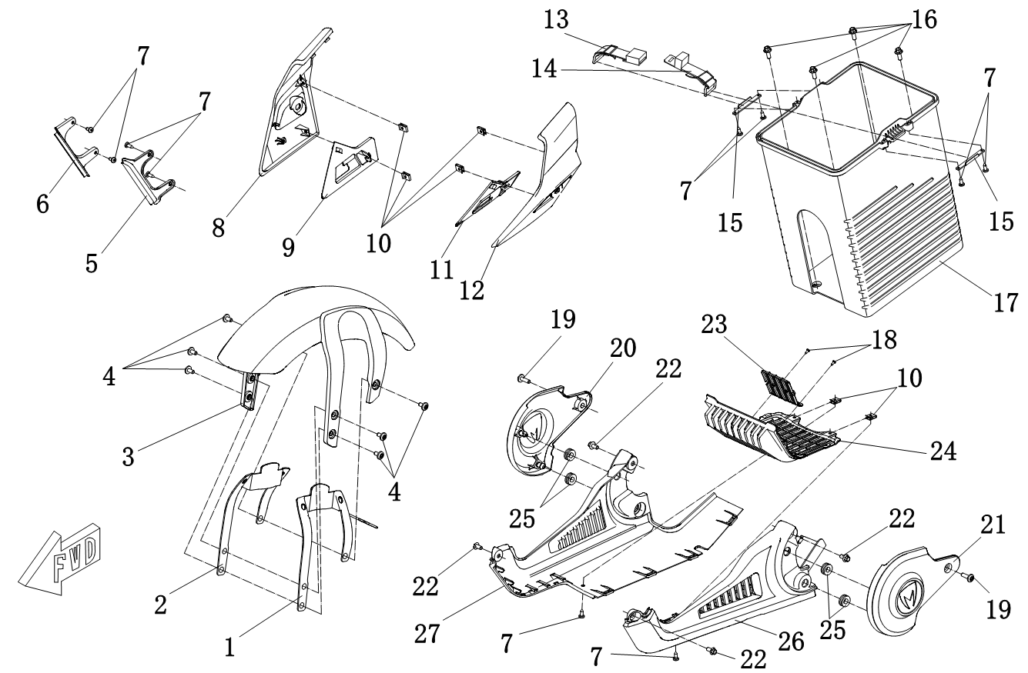
F07-2 Body Trim | F07-2 Body Trim
 | Callout | Part Number | Material Code | Part Description | Qty per Bike | Note

 | 1 | MS4000D-07000040 | MS01DE-07000040-0000 | Front Fender Bracket Left Side | 1
 | 2 | MS4000D-07000041 | MS01DE-07000041-0000 | Front Fender Bracket Right Side | 1
 | 3 | MS4000D-07000001 | MS01DE-07000001-00MP | Front Wheel Fender | 1 | ABS，Spray paint
 |  |  | MS01DE-07000001-00H2 |  |  | Black
 | 4 | MS1200DQ-05000005 | MS01DQ-05000005-0000 | Hexagon Socket Cap Screw M6×12 | 6
 | 5 | MS4000D-07000038 | MS01DE-07000038-0000 | Left Decorative Lamp Cover | 1
 | 6 | MS4000D-07000039 | MS01DE-07000039-0000 | Right Decorative Lamp Cover | 1
 | 7 | GB/T845 ST4.2×13-C-H | GBT845-42013R2 | Self-Tapping Screw | 10
 | 8 | MS4000D-07000035 | MS01DE-07000035-00MP | Headlight Cover Right Side | 1 | ABS，Spray paint
 |  |  | MS01DE-07000035-ZHB1 |  |  | Blue + Yellow Green
 |  |  | MS01DE-07000035-ZHC1 |  |  | White + Orange
 |  |  | MS01DE-07000035-ZHG2 |  |  | Titanium Gray + Black
 |  |  | MS01DE-07000035-ZHH4 |  |  | Black + Silver
 | 9 | MS4000D-07000036 | MS01DE-07000036-00MP | Headlight Inner Cover Right Side | 1 | ABS，Spray paint
 |  |  | MS01DE-07000036-00H4 |  |  | Black
 |  |  | MS01DE-07000036-00G2 |  |  | Matte Titanium Gray
 |  |  | MS01DE-07000036-00B1 |  |  | Youth blue
 |  |  | MS01DE-07000036-00W1 |  |  | White
 | 10 | MS1200DQ-07000005 | MS01DQ-07000005-0000 | ST4.2 Fastener | 6
 | 11 | MS4000D-07000034 | MS01DE-07000034-00MP | Headlight Inner Cover Left Side | 1 | ABS，Spray paint
 |  |  | MS01DE-07000034-00H4 |  |  | Black
 |  |  | MS01DE-07000034-00G2 |  |  | Matte Titanium Gray
 |  |  | MS01DE-07000034-00B1 |  |  | Youth blue
 |  |  | MS01DE-07000034-00W1 |  |  | White

P1 | P2
F07-2 Body Trim | F07-2 Body Trim
 | Callout | Part Number | Material Code | Part Description | Qty per Bike | Note

 | 12 | MS4000D-07000033 | MS01DE-07000033-00MP | Headlight Cover Left Side | 1 | ABS，Spray paint
 |  |  | MS01DE-07000033-ZHB1 |  |  | Blue + Yellow Green
 |  |  | MS01DE-07000033-ZHC1 |  |  | White + Orange
 |  |  | MS01DE-07000033-ZHG2 |  |  | Titanium Gray + Black
 |  |  | MS01DE-07000033-ZHH4 |  |  | Black + Silver
 | 13 | MS4000D-09210000 | MS01DE-09210000-0000 | Battery pull strap lock | 1
 | 14 | MS4000D-09200000 | MS01DE-09200000-0000 | Battery pull tab | 1
 | 15 | MS4000D-07000045 | MS01DE-07000045-0000 | Battery pull strap baffle | 2
 | 16 | GB/T5789 M6X16 | GBT5787-060016R1 | Hexagon Flange Bolts M6X16 | 4
 | 17 | MS4000D-07000020 | MS01DE-07000020-00MP | Battery Case | 1 | ABS，Spray paint
 |  |  | MS01DE-07000020-00V1 |  |  | Silver White
 |  |  | MS01DE-07000020-00H2 |  |  | Black
 | 18 | GB/T845 ST2.9X9.5-C-H | GBT845-29009R2 | Self-Tapping Screw | 2
 | 19 | MS1200DQ-09000001 | MS01DQ-09000001-0000 | Hexagon Socket Cap Screw M6×16 | 2
 | 20 | MS4000D-07000026 | MS01DE-07000026-0000 | Right Side Motor Cover | 1
 | 21 | MS4000D-07000025 | MS01DE-07000025-0000 | Left Side Motor Cover | 1
 | 22 | GB/T5789 M6X12 | GBT5789-060012R1 | Hexagon Flange Bolts M6X12 | 4
 | 23 | MS4000D-07000043 | MS01DE-07000043-0000 | Lower Protection Inner Panel | 1
 | 24 | MS4000D-07000024 | MS01DE-07000024-0000 | lower guard plate air inlet plate | 1
 | 25 | MS1200DQ-07000018 | MS01DQ-07000018-0000 | Round Rubber Bearing | 4
 | 26 | MS4000D-07000022 | MS01DE-07000022-0000 | Left Lower Guard Plate | 1
 | 27 | MS4000D-07000023 | MS01DE-07000023-0000 | Right Lower Guard Plate | 1

P3 | P4

F07-3
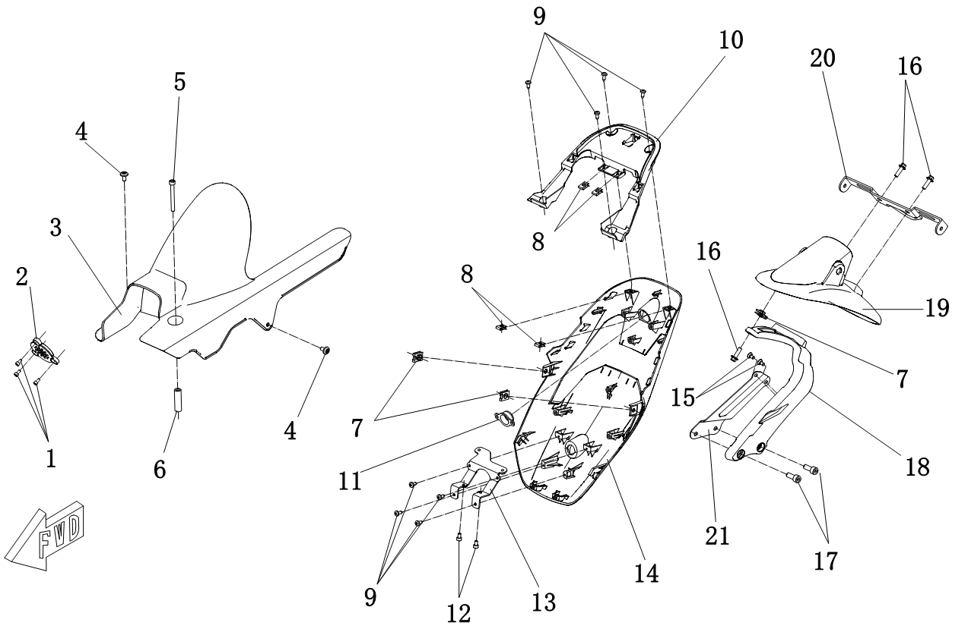
F07-3 Body Trim | F07-3 Body Trim
 | Callout | Part Number | Material Code | Part Description | Qty per Bike | Note

 | 1 | GB/T70.1 M4X8 | GBT701-040008R1 | Hexagon Socket Cap Screw M4X8 | 3
 | 2 | MS4000D-07000021 | MS01DE-07000021-0000 | Stereo Cover | 1
 | 3 | MS4000D-07000027 | MS01DE-07000027-0000 | Rear Wheel Fender | 1
 | 4 | MS1200DQ-05000005 | MS01DQ-05000005-0000 | Hexagon Socket Cap Screw M6×12 | 2
 | 5 | GB/T70.1 M6X55 | GBT701-060055R1 | Hexagon Socket Cap Screw M6X55 | 1
 | 6 | MS4000D-07000028 | MS01DE-07000028-0000 | Rear Mud Plate Bushing | 1
 | 7 | MS1200DQ-07000021 | MS01DQ-07000021-0000 | M6 Nut | 3
 | 8 | MS1200DQ-07000005 | MS01DQ-07000005-0000 | ST4.2 Fastener | 4
 | 9 | GB/T845 ST4.2×13-C-H | GBT845-42013R2 | Self-Tapping Screw | 8
 | 10 | MS4000D-07000018 | MS01DE-07000018-0000 | Rear Tail Plate Inner Cover | 1
 | 11 | MS4000D-07000044 | MS01DE-07000044-0000 | Plug | 1 | Use when driving recorder is mot applicable
 | 12 | GB/T70.1 M5X8 | GBT701-050008R1 | Hexagon Socket Cap Screw M5X8 | 2
 | 13 | MS4000D-07000019 | MS01DE-07000019-0000 | Converter Fixing Plate | 1
 | 14 | MS4000D-07000017 | MS01DE-07000017-00MP | Rear tailgate | 1 | ABS，Spray paint
 |  |  | MS01DE-07000017-00H2 |  |  | Black
 |  |  | MS01DE-07000017-00G2 |  |  | Matte Titanium Gray
 |  |  | MS01DE-07000017-00C1 |  |  | Tango Orange
 | 15 | GB/T819.1 M6X10 | GBT8191-060010R4 | Cross recessed countersunk head screws | 2 | Black
 | 16 | GB/T5789 M6X20 | GBT5789-060020R1 | Hexagon Flange Bolts M6X20 | 3
 | 17 | GB/T5787 M8X30 | GBT5787-080030R1 | Hexagon Flange Bolts M8X30 | 2
 | 18 | MS4000D-07000030 | MS01DE-07000030-0000 | Rear Cover Bracket | 1
 | 19 | MS4000D-07000029 | MS01DE-07000029-0000 | Rear Cover | 1
 | 20 | MS4000D-07000031 | MS01DE-07000031-0000 | License Plate Bracket | 1
 | 21 | MS4000D-07000050 | MS01DE-07000050-0000 | Backing Bracket Iron Plate | 1
P1 | P2

F07-4
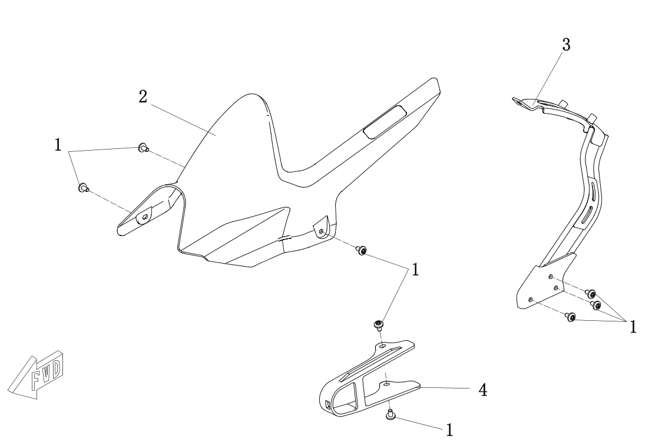
F07-4 Body Trim | F07-4 Body Trim
 | Callout | Part Number | Material Code | Part Description | Qty per Bike | Note

 | 1 | MS1200DQ-05000005 | MS01DQ-05000005-0000 | Hexagon Socket Cap Screw M6×12 | 8
 | 2 | MS4000D-07000051 | MS01DE-07000051-0000 | Rear Wheel Fender | 1 | Double-Rocker Version
 | 3 | MS4000D-07010000 | MS01DE-07010000-0000 | Rear Cover Bracket | 1 | Double-Rocker Version
 | 4 | MS4000D-07000052 | MS01DE-07000052-0000 | Chain Cushion | 1 | Double-Rocker Version

P1 | P2

F08
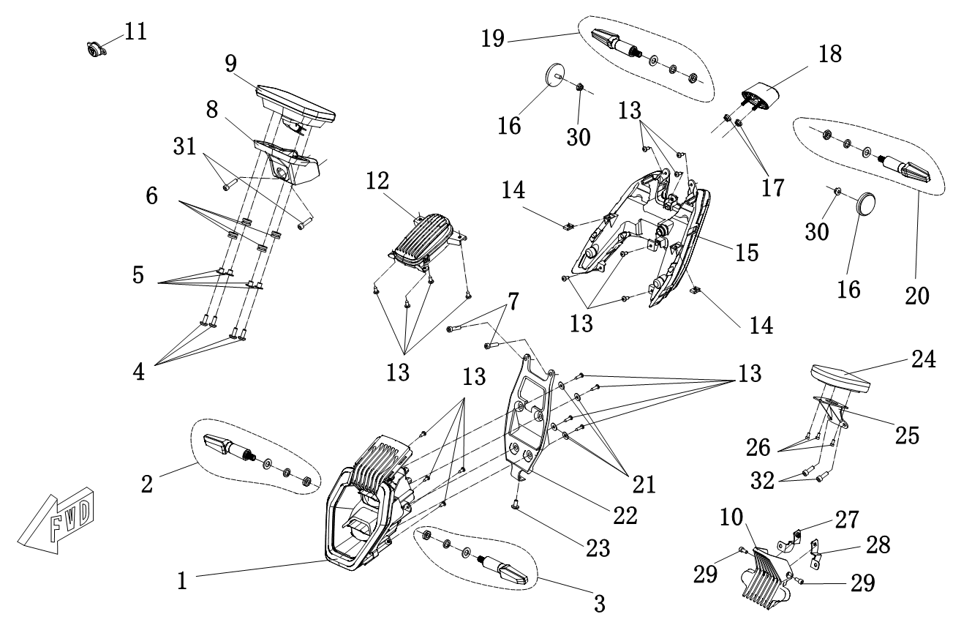
F08 Dashboard, Lighting and Signals | F08 Dashboard, Lighting and Signals
 | Callout | Part Number | Material Code | Part Description | Qty per Bike | Note

 | 1 | MS4000D-08020000 | MS01DE-08020000-0000 | Headlight | 1
 | 2 | MS4000D-08060000 | MS01DE-08060000-0000 | Front Right Turn Signal | 1
 | 3 | MS4000D-08050000 | MS01DE-08050000-0000 | Front Left Turn Signal | 1
 | 4 | GB/T70.2 M6X16 | GBT702-060016R4 | Hexagon socket flat head screws M6X16 | 4 | Black
 | 5 | MS4000D-08090004 | MS01DE-08090004-0000 | T-Shaped Bushing | 4
 | 6 | MS4000D-08090003 | MS01DE-08090003-0000 | Round Rubber Bearing（small） | 4
 | 7 | GB/T70.2 M6X25 | GBT702-060025R4 | Hexagon socket flat head screws M6X25 | 2 | Black
 | 8 | MS4000D-08090001 | MS01DE-08090001-0000 | Horizontal Dashboard Seat | 1
 | 9 | MS4000D-08090000-01 | MS01DE-08090000-0100 | Horizontal Dashboard Combination | 1 | With navigation,13-Inch
 |  | MS4000D-08090000-02 | MS01DE-08090000-0200 |  |  | Without navigation,13-Inch
 |  | MS4000D-08090000-03 | MS01DE-08090000-0300 |  |  | With navigation,14-Inch
 |  | MS4000D-08090000-04 | MS01DE-08090000-0400 |  |  | Without navigation,14-Inch
 |  | MS4000D-08090000-05 | MS01DE-08090000-0500 |  |  | Blue tooth version,14-Inch
 | 10 | MS4000D-07000047 | MS01DE-07000047-0000 | Vertical Dashboard Decorative Cover | 1 | Used when installing the vertical dashboard
 | 11 | MS4000D-07000044 | MS01DE-07000044-0000 | Plug | 1 | Use when driving recorder is mot applicable
 | 12 | MS4000D-08030000 | MS01DE-08030000-0000 | Breathing Light | 1
 | 13 | GB/T845 ST4.2×13-C-H | GBT845-42013R2 | Self-Tapping Screw | 18
 | 14 | MS1200DQ-07000005 | MS01DQ-07000005-0000 | ST4.2 Fastener | 2
 | 15 | MS4000D-08040000 | MS01DE-08040000-0000 | Rear Light | 1
 | 16 | MS1200DQ-08090000 | MS01DQ-08090000-0000 | Side Reflector | 2
 | 17 | GB/T6177.1 M5 | GBT61771-050R1 | Hexagon Flange Nut M5 | 2
 | 18 | MS1200DQ-08080000 | MS01DQ-08080000-0000 | Rear Licence Plate Light | 1
P1 | P2
F08 Dashboard, Lighting and Signals | F08 Dashboard, Lighting and Signals
 | Callout | Part Number | Material Code | Part Description | Qty per Bike | Note

 | 19 | MS4000D-08080000 | MS01DE-08080000-0000 | Rear Right Turn Signal | 1
 | 20 | MS4000D-08070000 | MS01DE-08070000-0000 | Rear Left Turn Signal | 1
 | 21 | GB/T96.1 5 | GBT961-051 | Washer | 4
 | 22 | MS4000D-08000001 | MS01DE-08000001-0000 | Headlight Bracket | 1
 | 23 | MS1200DQ-05000005 | MS01DQ-05000005-0000 | Hexagon Socket Cap Screw M6×12 | 1
 | 24 | MS4000D-08010000 | MS01DE-08010000-0000 | Vertical Dashboard Combination | 1 | Used when installing the vertical dashboard,13-Inch
 |  | MS4000D-08010000-02 | MS01DE-08010000-0200 | Vertical Dashboard Combination |  | Used when installing the vertical dashboard,14-Inch
 | 25 | MS4000D-08010001 | MS01DE-08010001-0000 | Vertical Dashboard Bracket | 1 | Used when installing the vertical dashboard
 | 26 | GB/T819.1 M4X8 | GBT8191-040008R4 | Cross recessed countersunk head screws | 3 | Used when installing the vertical dashboard, black
 | 27 | MS4000D-07000049 | MS01DE-07000049-0000 | Decorative Cover Right Bracket | 1 | Used when installing the vertical dashboard
 | 28 | MS4000D-07000048 | MS01DE-07000048-0000 | Decorative Cover Left Bracket | 1 | Used when installing the vertical dashboard
 | 29 | GB/T70.1 M5X10 | GBT701-050010R4 | Hexagon Socket Cap Screw M5X12 | 2 | Used when installing the vertical dashboard, black
 | 30 | GB/T6177.1 M6 | GBT61771-060R1 | Hexagon Flange Nut M6 | 2
 | 31 | GB/T70.2 M6X25 | GBT702-060025R4 | Hexagon socket flat head screws M6X25 | 2 | Used when installing the level dashboard, black
 | 32 | GB/T70.2 M6X16 | GBT702-060016R4 | Hexagon socket flat head screws M6X16 | 2 | Used when installing the vertical dashboard, black

P3 | P4

F09-1
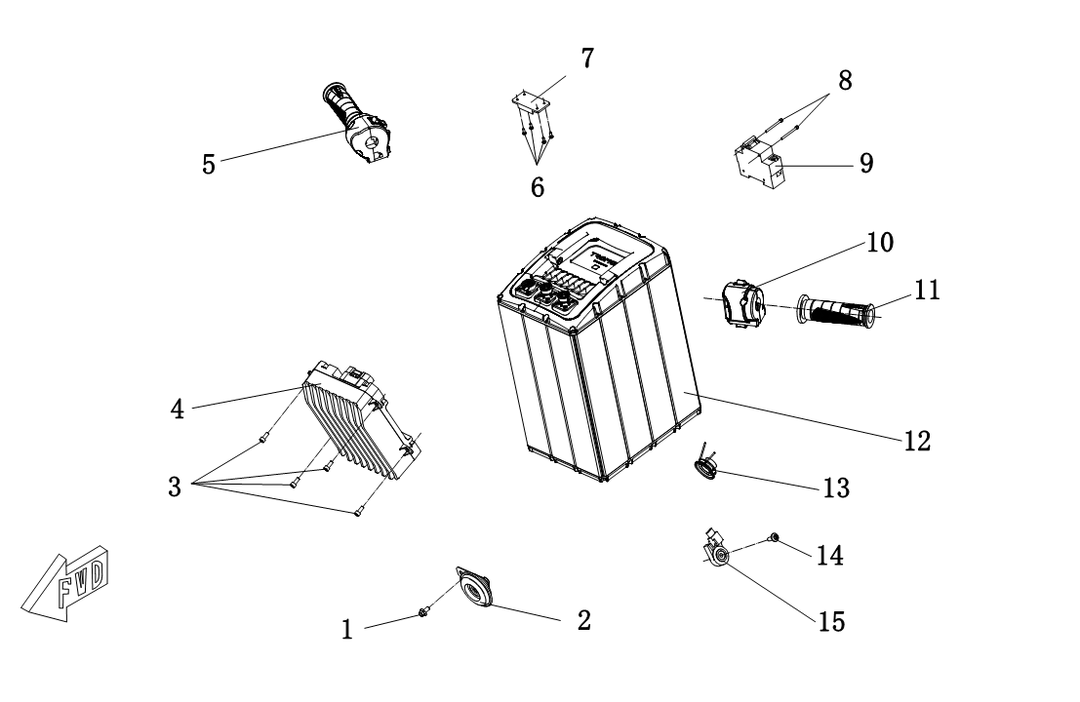
F09-1 Electronics | F09-1 Electronics
 | Callout | Part Number | Material Code | Part Description | Qty per Bike | Note

 | 1 | GB/T5789 M6X8 | GBT5789-060008R1 | Hexagon Flange Bolts | 1
 | 2 | MS1200DQ-09100000 | MS01DQ-09100000-0000 | Horn | 1
 | 3 | GB/T70.1 M5X12 | GBT701-050012R4 | Hexagon Socket Cap Screw M5X12 | 4 | Black
 | 4 | MS3500D-YCK072110A | YCK072110A | Motor Controll | 1
 | 5 | MS4000D-09110000-02 | MS01DE-09110000-0200 | Right Speed Controller Handle Switch(Light-Sensitive Headlight) | 1 | Large Instrument Only
 |  | MS4000D-09110000-03 | MS01DE-09110000-0300 | Right speed control switch (headlight is always on) |  | Export Only
 | 6 | GB/T845 ST2.9X9.5-C-H | GBT845-29009R2 | Self-Tapping Screw | 4
 | 7 | MS4000D-09080000 | MS01DE-09080000-0000 | NFC Motherboard | 1
 | 8 | GB/T70.1 M3X35 | GBT701-030035R1 | Hexagon Socket Cap Screw M3X35 | 2
 | 9 | MS4000D-09060000 | MS01DE-09060000-0000 | Air Switch | 1
 | 10 | MS4000D-09100000 | MS01DE-09100000-0000 | Left Switch | 1
 | 11 | MS4000D-09100001 | MS01DE-09100001-0000 | Left Handle Cover | 1
 | 12 | MS4000D-09015500 | MS01DE-09015500-0000 | Lithium Battery 7255 | 1
 |  | MS4000D-09014500-01 | MS01DE-09014500-0100 | Lithium Battery 7245
 | 13 | MS4000D-09070000 | MS01DE-09070000-0000 | Audio Horn | 1
 | 14 | MS1200DQ-09000001 | MS01DQ-09000001-0000 | Hexagon Socket Cap Screw M6×16 | 1
 | 15 | MS4000D-09190000 | MS01DE-09190000-0000 | Side Bracket Shut-off Switch | 1

P1 | P2

F09-2
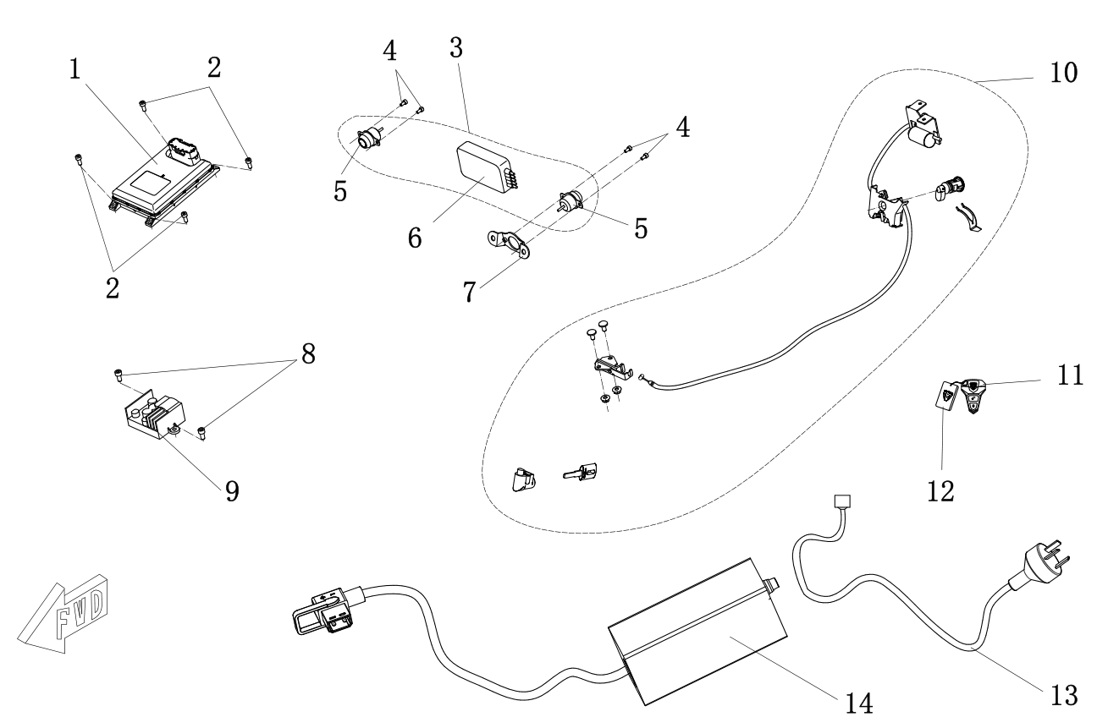
F09-2 Electronics | F09-2 Electronics
 | Callout | Part Number | Material Code | Part Description | Qty per Bike | Note

 | 1 | MS4000D-09020000-01 | MS01DE-09020000-0100 | Intelligent Central Control（Domestic and European Union） | 1
 |  | MS4000D-09020000-02 | MS01DE-09020000-0200 | Intelligent Central Control（Global Edition）
 |  | MS4000D-09020000-03 | MS01DE-09020000-0300 | Intelligent Central Control（Blue tooth version）
 | 2 | GB/T70.1 M5X8 | GBT701-050008R1 | Hexagon Socket Cap Screw M5X12 | 4
 | 3 | MS4000D-09160000 | MS01DE-09160000-0000 | Driving Record Assembly | 1
 | 4 | GB/T70.1 M4X8 | GBT701-040008R1 | Hexagon Socket Cap Screw M4X8 | 4
 | 5 | MS4000D-09160002 | MS01DE-09160002-0000 | Camera | 2
 | 6 | MS4000D-09160001 | MS01DE-09160001-0000 | Driving Recorder Host | 1
 | 7 | MS4000D-09000004 | MS01DE-09000004-0000 | Rear Camera Mounting | 1
 | 8 | GB/T70.1 M6X12 | GBT701-060012R1 | Hexagon Socket Cap Screw M6X12 | 2
 | 9 | MS1200DQ-09050000 | MS01DQ-09050000-0000 | Converter | 1
 | 10 | MS4000D-09090000 | MS01DE-09090000-0000 | Lock Assey | 1
 | 11 | MS4000D-09020001 | MS01DE-09020001-0000 | Remote Key | 2
 | 12 | MS4000D-09020002 | MS01DE-09020002-0000 | NFC Card | 2
 | 13 | MS1200DQ-09040200 | MS01DQ-09040200-0000 | Charger cable | 1
 | 14 | MS4000D-09030100 | MS01DE-09030100-0000 | Charger body | 1

P1 | P2

F09-3
F09-3 Electronics | F09-3 Electronics
 | Callout | Part Number | Material Code | Part Description | Qty per Bike | Note
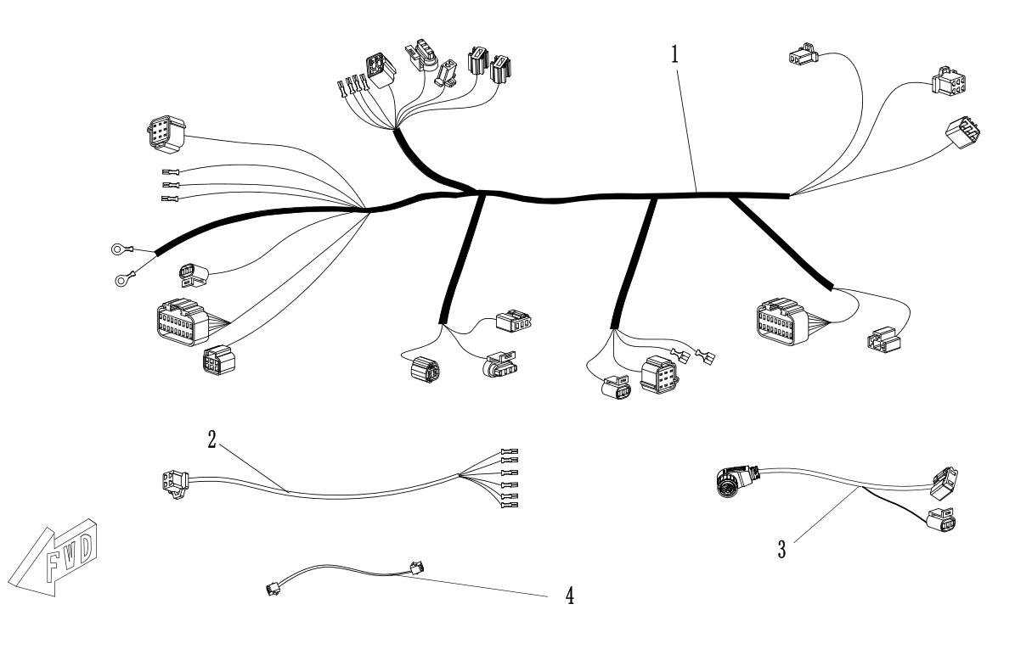
 | 1 | MS4000D-09120000 | MS01DE-09120000-0000 | Main Cable | 1
 | 2 | MS4000D-09130000 | MS01DE-09130000-0000 | Backing Cable | 1
 | 3 | MS4000D-09150000 | MS01DE-09150000-0000 | Power Cord | 1
 | 3 | MS4000D-09180000 | MS01DE-09180000-0000 | NFC Adapter Cable | 1

P1 | P2

F10-1
F10-1 Motor | F10-1 Motor
 | Callout | Part Number | Material Code | Part Description | Qty per Bike | Note
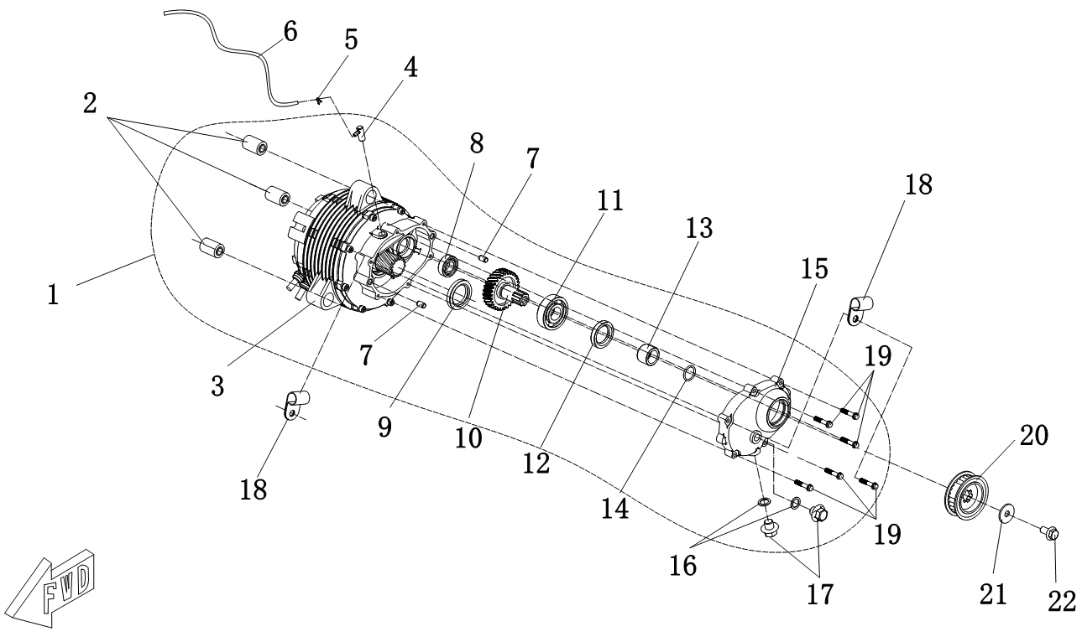
 | 1 | 180YC-J7238409NA | 180YC-J7238409NA | Motor Assembly | 1
 | 2 | MS4000D-10000100 | MS01DE-10000100-0000 | Lifting Lug Buffer Sleeve | 3 | Pressed into the motor
 | 3 | MS4000D-10100000 | MS01DE-10100000-0000 | Motor System | 1 | Export sales
 |  | MS4000D-10100000-01 | MS01DE-10100000-0100 |  |  | Domestic sales
 | 4 | MS4000D-10000001 | MS01DE-10000001-0000 | Ventilation Joint | 1 | Pressed into the motor
 | 5 | MS4000D-10000006 | MS01DE-10000006-0000 | Steel Wire Hoop | 1
 | 6 | MS4000D-10000007 | MS01DE-10000007-0000 | Ventilation Rubber Tube | 1
 | 7 | MS4000D-10000004 | MS01DE-10000004-0000 | Locating pin sleeve | 2 | Pressed into the motor
 | 8 | GB/T276 6003 | GBT276-6003 | Deep Groove Ball Bearing 6003 | 1 | Pressed into the motor
 | 9 | MS4000D-10000200 | MS01DE-10000200-0000 | Motor Shaft Oil Seal | 1 | Pressed into the motor
 | 10 | MS4000D-10200002 | MS01DE-10200002-0000 | Deceleration shaft | 1
 | 11 | GB/T276 63/22 | GBT276-63-22 | Deep Groove Ball Bearing 63/22 | 1
 | 12 | MS4000D-10000300 | MS01DE-10000300-0000 | Reduction Shaft Oil Seal | 1
 | 13 | MS4000D-10000005 | MS01DE-10000005-0000 | Reduction Shaft Bushing | 1
 | 14 | GB/T3452.1 20×2.65 | GBT34521-0202 | O Shaped Ring | 1
 | 15 | MS4000D-10200001 | MS01DE-10200001-0000 | Recelerator Cover | 1
 | 16 | MS4000D-10000003 | MS01DE-10000003-0000 | Sealing Copper Gasket | 2

P1 | P2
F10-1 Motor | F10-1 Motor
 | Callout | Part Number | Material Code | Part Description | Qty per Bike | Note

 | 17 | MS4000D-10000002 | MS01DE-10000002-0000 | Screw plug | 2
 | 18 | MS1200DQ-05000004 | MS01DQ-05000004-0000 | Brake Tube Clamp | 2
 | 19 | GB/T5789 M6×30 | GBT5789-080030R1 | Hexagon Flange Bolts M6×30 | 6
 | 20 | MS4000D-10000500 | MS01DE-10000500-0000 | Belt wheel Sprokect | 1
 |  | MS4000D-10000500-02 | MS01DE-10000500-0200 | Belt wheel Sprokect
 | 21 | GB/T96.1 10 | GBT961-101 | Washer | 1
 | 22 | GB/T5787 M10×1.25×20 | GBT5787-106020R1 | Hexagon Flange Bolts M10×1.25×20 | 1

P1 | P2

F10-2
F10-2 Motor | F10-2 Motor
 | Callout | Part Number | Material Code | Part Description | Qty per Bike | Note

 | 1 | MS4000D-10000600 | MS01DE-10000600-0000 | Minor Sprocket | 1 | Double rear arm version
 | 2 | MS1200DQ-05000004 | MS01DQ-05000004-0000 | Brake Tube Clamp | 1 | Double rear arm version

P1 | P2

F11
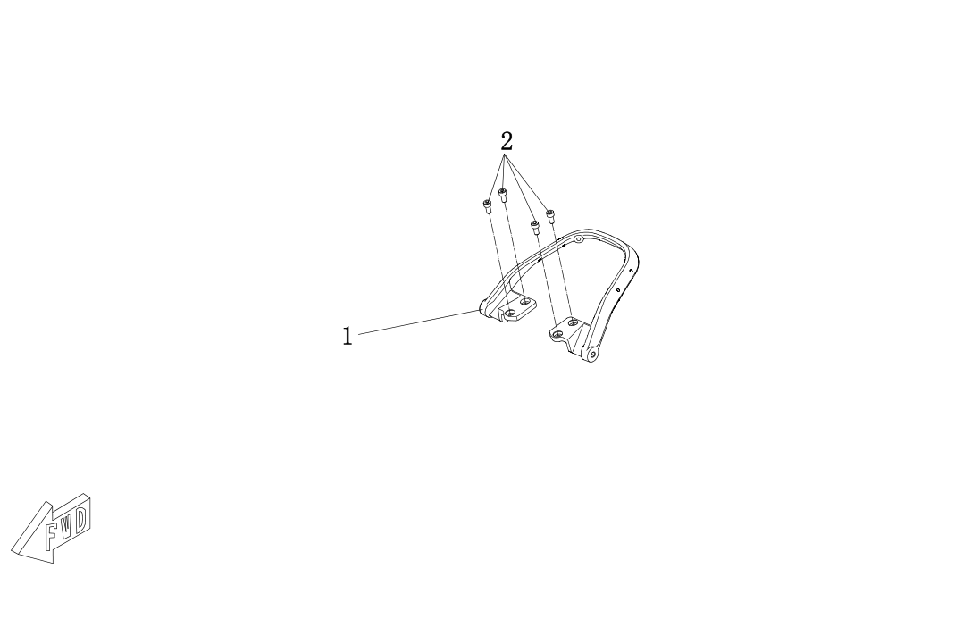
F11 Handrail, Rear Rack | F11 Handrail, Rear Rack
 | Callout | Part Number | Material Code | Part Description | Qty per Bike | Note

 | 1 | MS4000D-11000001 | MS01DE-11000001-0000 | Rear Handrail | 1
 | 2 | GB/T70.1 M8X20 | GBT701-080020R4 | Hexagon Socket Cap Screw M8X20 | 4 | Black

P1 | P2

F12
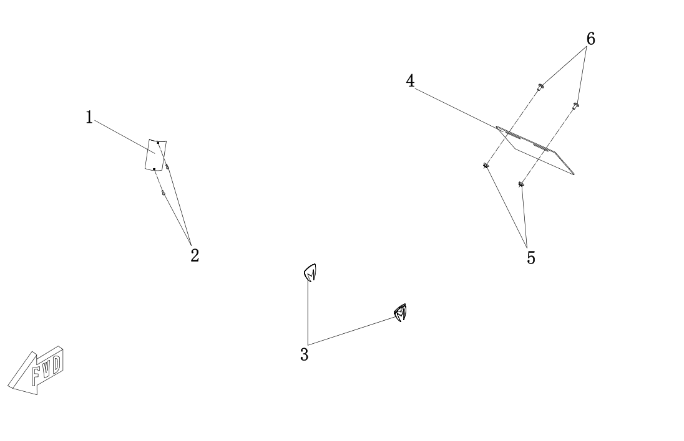
F12 Decal,Nameplate | F12 Decal,Nameplate
 | Callout | Part Number | Material Code | Part Description | Qty per Bike | Note

 | 1 | MS1200DQ-12000001 | MS01DQ-12000001-0000 | Vehicle Nameplate(3C Version) | 1
 |  | MS4000D-12000009 | MS01DE-12000009-0000 | Vehicle Nameplate(Emark Version)
 |  | MS4000D-12000016 | MS01DE-12000016-0000 | Vehicle Nameplate (Emark Version)
 |  | MS2500DQ-12000001 | MS01DD-12000001-0000 | Vehicle Nameplate(Emark Version)
 | 2 | GB/T12618.1 4×12 | GBT126181-0400121 | Blind Rivets | 2
 | 3 | MS1200DQ-12000005 | MS01DQ-12000005-0000 | M Hard Label | 2
 | 4 | MS1200DQ-12000016 | MS01DQ-12000016-0000 | Rear License Plate | 1
 | 5 | GB/T6177.1 M6 | GBT61771-060R1 | Hexagon Flange Nut M6 | 2
 | 6 | MS1200DQ-05000005 | MS01DQ-05000005-0000 | Hexagon Socket Cap Screw M6×12 | 2

P1 | P2

F13
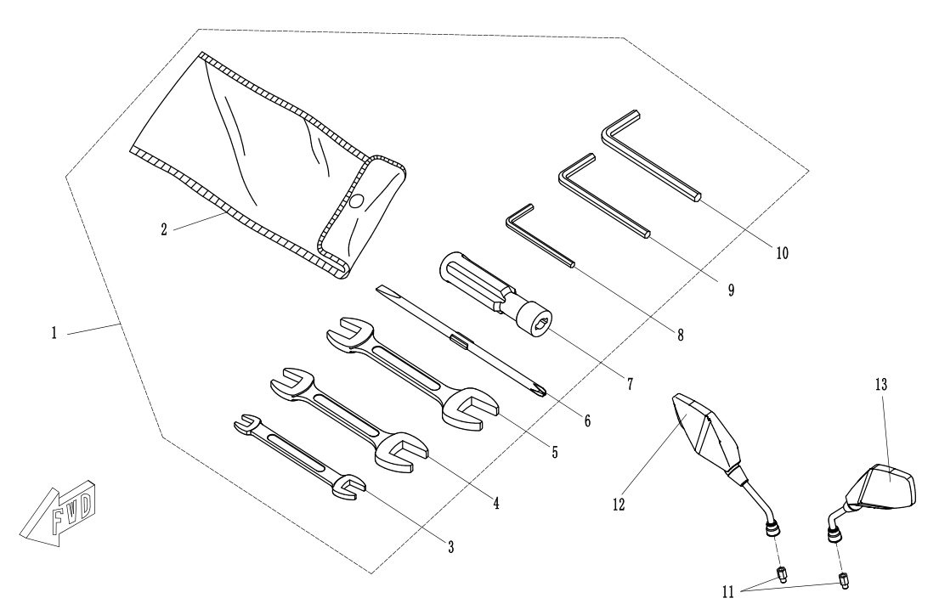
F12 Hand Tools | F12 Hand Tools
 | Callout | Part Number | Material Code | Part Description | Qty per Bike | Note

 | 1 | MS1200DQ-13030000 | MS01DQ-13030000-0000 | Hand Tools | 1
 | 2 | MS1200DQ-13030001 | MS01DQ-13030001-0000 | Hand Tool Kit Bag | 1
 | 3 | GB/T4391 8x10 | GBT4391-08-10 | 8x10 Double-headed spanner | 1
 | 4 | GB/T4391 12x14 | GBT4391-12-14 | 12x14 Double-headed Spanner | 1
 | 5 | GB/T4391 13x16 | GBT4391-13-16 | 13x16 Double-headed Spanner | 1
 | 6 | MS1200DQ-13030002 | MS01DQ-13030002-0000 | Double-head screwdriver | 1
 | 7 | MS1200DQ-13030100 | MS01DQ-13030100-0000 | Screwdriver Handle | 1
 | 8 | GB/T5356 4L | GBT5356-4L | Allen wrench 4L | 1
 | 9 | GB/T5356 5L | GBT5356-5L | Allen wrench 5L | 1
 | 10 | GB/T5356 6L | GBT5356-6L | Allen wrench 6L | 1
 | 11 | MS4000D-13000001 | MS01DE-13000001-0000 | Rearview Mirror Adaptor | 2
 | 12 | MS4000D-13020000 | MS01DE-13020000-0000 | Right Rearview Mirror | 1
 | 13 | MS4000D-13010000 | MS01DE-13010000-0000 | Left Rearview Mirror | 1

P1 | P2

