超市版
CAOFEN F80 Parts Catalogue
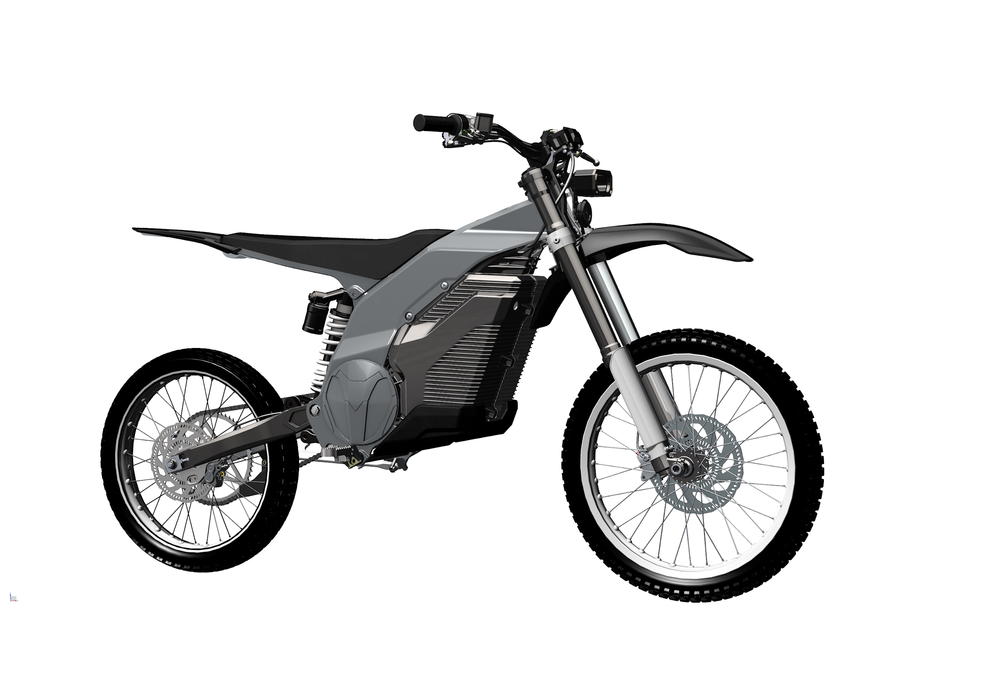
Frame, Seat bracket | NO. | Code | Part Name | Qty | Description
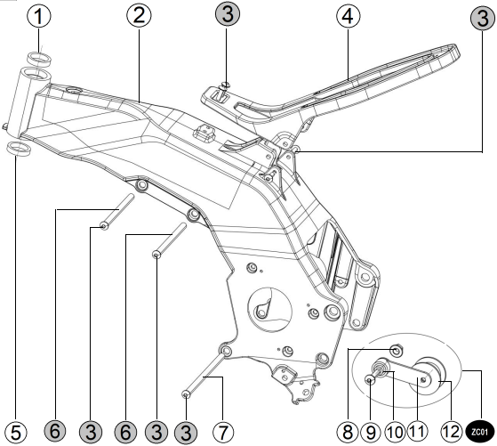 | 1 | 01600001 | steering upper bearing | 1 | 329/28
 | Optional*2 | 01700001 | frame(black) | 1 | aluminum alloy
 | Optional*2 | 01700002 | frame(Gray) | 1 | aluminum alloy
 | Optional*2 | 01700003 | frame(Red) | 1 | aluminum alloy
 | Optional*2 | 01700029 | frame(Camouflage) | 1 | aluminum alloy
 | 3 | 011-0013 | bolt M8×20 | 2 | bolt，zinc-nickel alloy
 | 4 | 00500008 | seat bracket | 1 | aluminum alloy-T6; matte black
 | 5 | 01600018 | Steering lower bearing | 1 | 32906
 | 6 | 01600005 | battery upper installing shaft | 2 | hollow shaft outer diameter Ø12mm,
 | 7 | 01600006 | battery lower installing shaft | 1 | hollow shaft outer diameter Ø12mm,
 | ZC01 | 00700015 | Tensioner wheel assembly | 1 | Contains parts 10,11，and 12
 | 8 | 011-0029 | self-locking nut M10 | 1 | GB6187.2-2000 lock nut ,zinc-nickel alloy；
 | 9 | 011-0014 | bolt M10×35 | 1 | bolt M10×35, zinc-nickel alloy
 | 10 | 01600010 | Bushing | 1 | Inner diameter of bushing ø 10 * 21.5
 | 10--1 | 00700016 | Tension wheel torsion spring | 1 | Army green, ø2.6, valid lap: 3
 | 11 | 007-0001 | Tensioner pulley bracket | 1 | black, fixing axle Ø8, with card, spring 1 pc
 | 12 | 012-0008 | Tensioner pulley | 1 | rubber with 2 bearings
Front shocks, Front hydraulic brakes, Front fenders | NO. | Code | Part Name | Qty | Description
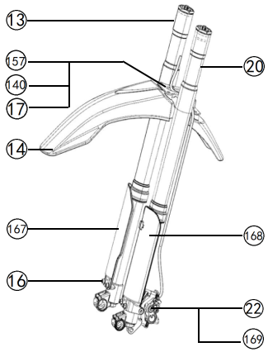 | 13 | 00800002 | Front right shock absorber | 1 | Aluminum alloy cylinder anodized black, fork tube ø38
 | 14 | 02200006 | Offroad front mud guard(black) | 1 | PP material, black pearl powder paint
 | Optional*14 | 02200007 | Offroad front mud guard(Red) | 1 | PP material, black pearl powder paint
 | Optional*14 | 02200008 | Offroad front mud guard(Camouflage) | 1 | PP material, black pearl powder paint
 | 16 | 011-0005 | bolt M6×12 | 6 | bolt M6×12, stainless steel, with flat washer Ø6*18
 | 17 | 011-0037 | Flat mat ø6 * 18 | 4 | GB6178 stainless steel
 | 20 | 00800001 | front left shock absorber | 1 | black, fork tube Ø38, stroke 200mm
 | 22 | 02100007 | front hydraulic brake | 1 | 4 large pistons, tube length 970mm
 | 140 | 011-0034 | Non-slip hexagon nut M 6 | 4 | GB6178 stainless steel
 | 157 | 00700024 | Off-road front fender bracket | 1 | 2mm arc shaped tube, black electrophoretic spray
 | Optional*167 | 02200022 | Front fork Left decorative cover(Black) | 1
 | Optional*167 | 02200024 | Front fork Left decorative cover(Red) | 1
 | Optional*167 | 02200026 | Front fork Left decorative cover(Camouflage) | 1
 | Optional*168 | 02200023 | Front fork Right decorative cover(Black) | 1
 | Optional*167 | 02200025 | Front fork Right decorative cover(Red) | 1
 | Optional*168 | 02200027 | Front fork Right decorative cover(Camouflage) | 1
 | 169 | 021-0001 | Brake friction plate | 1

Front rim assembly | NO. | Code | Part Name | Qty | Description
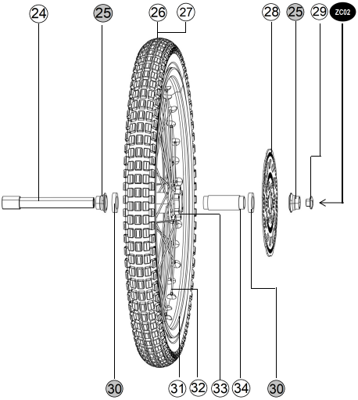 | 24 | 00500007 | front axle | 1 | aluminum alloy hollow shaft,
 | 25 | 01600012 | front wheel installing bush | 2 | aluminum alloy,
 | 26 | 01000008 | front outer tyre (offroad) | 1 | 70/100-19 offroad
 | 27 | 01000007 | front inner tube (offroad) | 1 | 2.75-19
 | 28 | 02100006 | Front brake disc | 1 | 230mm（2.7mm）brake disc - 6
 | 29 | 00500019 | front axle bolt | 1 | aluminum alloy, M14×1.5×15
 | ZC2 | 00900001 | front rim assembly | 1 | Contains components30,31,32,33 and 34
 | 30 | 009-0005 | front wheelbearing | 2 | 61805-RS
 | 31 | 009-0001 | Front wheel aluminum alloy rim | 1 | black, aluminum alloy rim1.6×19
 | 32 | 009-0007 | front wheelspoke and nut | 36 | spoke Ø2.6;
 | 33 | 009-0003 | front wheel rim | 1 | aluminum alloy wheel disc brake
 | 34 | 009-0009 | Front hub liner | 1 | Aluminum alloy, black

Drive controller, Anti-theft device, Handlebar lock, DCDC converter | NO. | Code | Part Name | Qty | Description
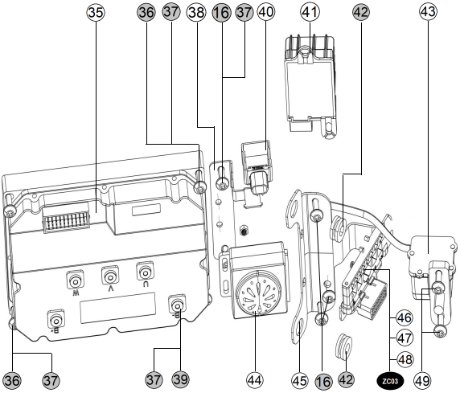 | 35 | 00100001 | Controller | 1 | 4KW, aluminum alloy base plate
 | 36 | 011-0011 | bolt M6×20 | 4 | Bolt M6×20, zinc-nickel alloy
 | 37 | 011-0035 | Bullet pad ø6 | 4 | GB93-1987，Stainless steel
 | 38 | 00700008 | Alarm bracket | 1 | bolt 2-M6*12
 | 16 | 011-0005 | bolt M6×12 | 2 | bolt M6×12, stainless steel
 | 39 | 011-0009 | bolt M6×12 | 2 | Inner plum head bolt M 6 × 12
 | 40 | 00400003 | flasher | 1 | model M11 LH10702
 | 41 | 00400002 | DCDC converter | 1 | model:：ZH17-OD-4 48/72V-12V
 | 42 | 012-0006 | I-shaped glue | 2 | rubber, outer circle 18,
 | 43 | 00400005 | direction lock | 1 | 4-pin stepper motor, waterproof plug;
 | 44 | 00400012 | Alarm controller | 1
 | 45 | 00700002 | Integrated wire fixing bracket | 1 | black
 | ZC03 |  | Electrical plug-in assembly | 1 | Contains parts 46,47，and 48
 | 49 | 011-0010 | bolt M6×16 | 2 | zinc nickel alloy

Motor, Pedal, Chain | NO. | Code | Part Name | Qty | Description
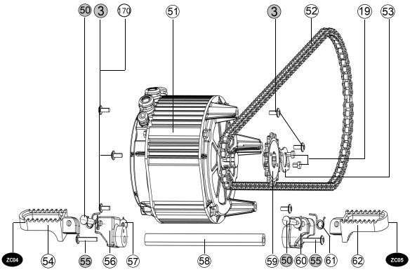 | 3 | 011-0013 | bolt M8×20 | 6 | bolt，zinc-nickel alloy
 | 19 | 011-0016 | bolt M6×9 | 2 | M6 × 9, zinc-nickel alloy
 | 50 | 011-0040 | pedal pin | 2 | Stainless steel Ø8×45,
 | 51 | 00200001 | Motor | 1 | model:DMA006-HH
 | 52 | 01900004 | chain | 1 | golden 420-130
 | 53 | 01900003 | front sprocket cleat | 1 | trivalent color, installing holes 2-Ø6.2
 | ZC04 |  | Front left pedal assembly | 1 | Contains components 50,54, 56，57and 61
 | 54 | 00500004 | left pedal | 1 | aluminum alloy, anodized
 | 55 | 011-0047 | bolt M10×50 | 2 | bolt M10×50 GB/T 70.1 -2000 zinc-nickel alloy
 | 56 | 00500017 | left pedal base | 1 | aluminum alloy
 | 57 | 011-0056 | Open retainer ring | 2 | Stainless steel
 | 58 | 01600008 | Pedal fixing shaft | 1 | outer diameter 16mm, shaft length 231
 | 59 | 01900001 | front sprocket | 1 | 420-15 teeth,
 | 60 | 00500018 | right pedal fixing bracket | 1 | aluminum alloy
 | 61 | 00700017 | pedal torsion spring | 2 | Ø2*3,
 | 62 | 00500005 | right pedal | 1 | aluminum alloy
 | ZC05 |  | Front right pedal assembly | 1 | Contains components 50, 57，60, 61 and 62
 | 170 | 011-0067 | Bullet pad ø6 | 6 | GB93-1987，Stainless steel
Battery | NO. |  | Part Name | Qty | Description
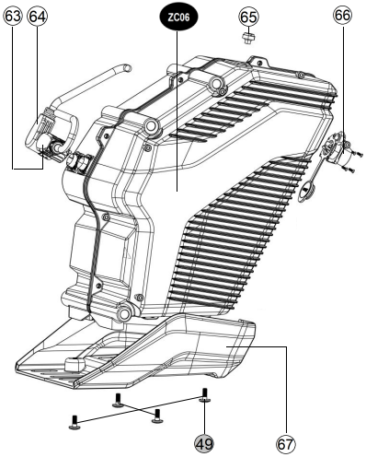 | 49 | 011-0010 | bolt M6×16 | 2 | zinc nickel alloy
 | 64 | 00300003 | positive discharge wire | 1 | M23 self-locking
 | 64 | 00300004 | negative discharge wire | 1 | M23 self-locking/2
 | 65 | 003-0001 | vent plug | 1 | alloy cover
 | 66 | 003-0002 | Charger interface | 1 | Special charging socket
 | 67 | 00500012 | Battery bottom protective cover | 1 | aluminum alloy-T6, matte black
 | Optional*ZC06 | 00300001 | lithium battery pack 48A | 1 | alloy cover, 72V48AH;Contains components 65,66
 | Optional*ZC06 | 00300002 | lithium battery pack 32A | 1 | alloy cover，72V32AH;Contains components 65,66
 | Optional*ZC06 | 00300006 | lithium battery pack 30A | 1 | alloy cover，72V30AH;Contains components 65,66

Rear fork,Front section of rear fender | NO. | Code | Part Name | Qty | Description
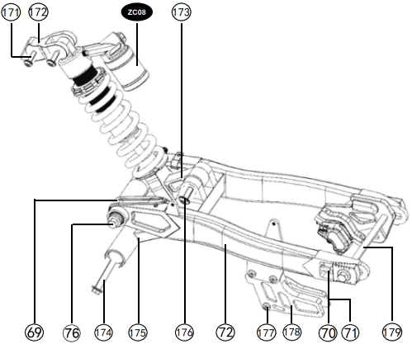 | ZC08 | 00800015 | rear shock absorber assy. | 1 | center distance 345mm,
 | 69 | 012-0007 | chain clip | 1 | rubber
 | 70 | 011-0062 | chain adjustment bolt | 2 | Chain adjusting bolt,
 | 71 | 011-0063 | Nut M 8 * 10 | 2 | Regulator bolts,
 | 72 | 008-0011 | fork assembly | 1 | Aluminum alloy
 | 76 | 01600007 | Fork shaft | 1 | shaft outer diameter 12mm
 | 171 | 011-0061 | Bolt M 8 × 50 | 1 | Inner plum head bol
 | 172 | 00800019 | Back subtracting mounting seat | 1 | Aluminum alloy
 | 173 | 00800016 | Triangle cradle | 1 | Aluminum alloy, natural color anodized
 | 174 | 00800018 | Rocker connecting rod shaft | 1 | 40 chrome steel, trivalent colored zinc
 | 175 | 00800017 | Rocker connecting arm | 1 | Aluminum alloy, t-shaped
 | 176 | 011-0068 | Bolt M10 × 70 | 2 | M10 × 70, half tooth
 | 177 | 011-0019 | Bolt M6 × 30 | 3 | Hexagon pan head bolt M 6 × 30
 | 178 | 01200003 | Chain Guide | 1 | Black, Ruifeng Code 5-548;
 | 179 | 01600017 | Rear wheel mounting shaft | 1 | 8mm inner hexagonal, 20mm diameter shaft head
Rear rim assembly | NO. | Code | Part Name | Qty | Description
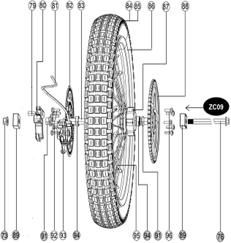 | 73 | 011-0030 | Self-locking nuts M12×1.25 | 1 | nut GB6187.2-2000 zinc-nickel alloy
 | 76 | 01600007 | Rear wheel mounting shaft | 1 | sh
 | 79 | 01600009 | Rear disc brake limit bolt | 1 | 45 steel quenched and tempered,
 | 80 | 00500006 | rear brake fixing bracket | 1 | aluminum alloy, anodized
 | 81 | 02100003 | rear hydraulic brake | 1 | 4 counter-floating piston
 | 82 | 02100005 | Rrake disc | 1 | 203mm（2.7mm）
 | 83 | 009-0010 | Rear hub inner tube | 1
 | 84 | 01000013 | Rear inner tyre(offroad&Road) | 1 | Specification: 90/100 -16 t/TK783, off-road tire
 | 85 | 01000014 | Rear outer tyre (offroad) | 1 | Model: 3.25-16
 | 86 | 009-0020 | Rear aluminum alloy wheel rims | 1 | black, aluminum alloy ring 2.15×16
 | 87 | 009-0004 | rear wheel hub | 1 | aluminum alloy, anodized
 | 88 | 01900002 | rear sprocket | 1 | 420-62 teeth
 | 89 | 00500003 | chain adjustment lock | 2 | aluminum alloy,
 | 91 | 01600013 | rear wheel fixing bush | 2
 | 92 | 011-0069 | Bolt M6×12 | 6 | black zinc
 | 93 | 011-0018 | Rear brake mounting bolt M 6 × 25 | 2 | black zinc
 | 94 | 009-0006 | rear wheel bearing | 2 | 6001-2RS
 | 95 | 009-0008 | Rear wheel spokes and nuts | 1 | spoke Ø2.6;
 | 96 | 011-0022 | Step bolt M6×18 | 5 | screws GBT70.2, zinc-nickel alloy
 | ZC09 | 00900005 | the Rear rim assembly | 1 | Contains components 83, 86, 87, 94 and 95
Headlights, Steering pillar, Upper Link Board, Speedometer | NO. |  | Part Name | Qty | Description
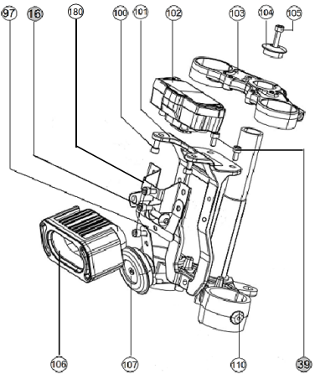 | 16 | 011-0005 | bolt M6×12 | 6 | bolt M6×12, stainless steel
 | 39 | 011-0009 | bolt M6×12 | 3 | Inner plum head bolt M 6 × 12
 | 97 | 00700011 | horn bracket | 1 | black
 | 100 | 011-0032 | nut | 2 | black zinc-nickel alloy M6
 | 101 | 00500009 | speedometer | 1 | aluminum alloy, surface coating color matte black：
 | 102 | 00400011 | speedometer assy. | 1 | digital LCD
 | 103 | 00800005 | upper link board | 1 | aluminum alloy forgings, anodized
 | 104 | 00800007 | steering lock cover | 1 | aluminum machined, anodized black
 | 105 | 011-0019 | bolt M6×30 | 1 | M6×30 zinc-nickel
 | 106 | 01800005 | Head light assy. | 1 | LED-45KM European standard；
 | 107 | 00400014 | horn | 1 | with cover black
 | 110 | 00800004 | steering assy. | 1 | aluminum alloy
 | 180 | 00700032 | Headlight turn signal bracket | 1 | electrophoretic primer, surface water transfer

Handlebars, front and rear hydraulic brakes, left and right brake switches | NO. | Code | Part Name | Qty | Description
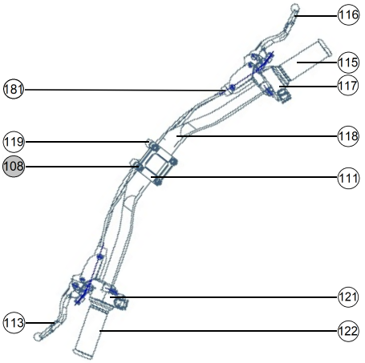 | 108 | 011-0017 | bolt M6×20 | 4 | Inner club head bolt M 6 × 20
 | 111 | 00500016 | handlebar lock cover | 1 | aluminum alloy , black anode;
 | 113 | 021-0003 | left brake lever | 1 | aluminum alloy, surface: black
 | 115 | 01200002 | right hand grip | 1 | rubber, big bore
 | 116 | 021-0004 | right brake lever | 1 | aluminum alloy, surface black
 | 117 | 00400009 | Right speed control switch | 1 | Entertainment mode, energy recovery, N/D gear, E/S button
 | 118 | 00500001 | handle bar | 1 | aluminum alloy variable
 | 119 | 00500002 | handlebar base | 1 | aluminum alloy
 | 121 | 00400008 | left switch assy. | 1 | Headlight, turn signal, horn switch
 | 122 | 01200001 | left hand grip | 1 | rubber, small bore
 | 135 | 021-0007 | brake switch | 2 | line length 700mm

Integrated terminal block, Maintenance compartment | NO. | Code | Part Name | Qty | Description
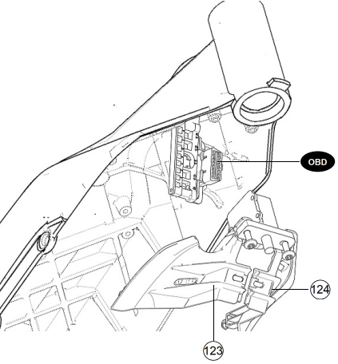 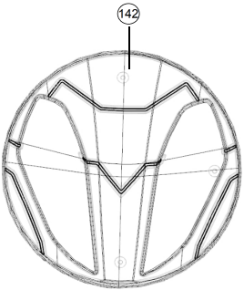 | 123 | 00600007 | Right Maintenance bin cover | 1 | PP , black matte
 | 124 | 00600006 | Left maintenance bin cover | 1 | PP , black matte
 | 142 | 00600028 | Off-road trim cover | 2 | PP , pearl powder black paint

Seat , Side stand | NO. | Code | Part Name | Qty | Description
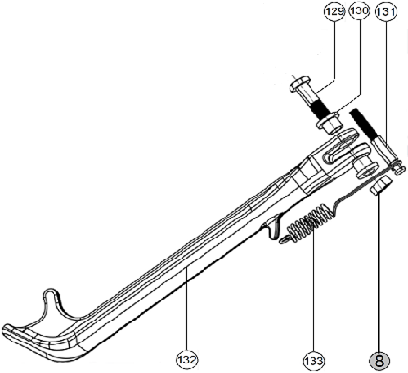 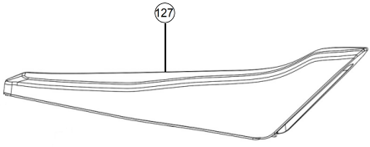 | 127 | 02000001 | seat | 1 | black base plate, white foam, Vientiane leather
 | 8 | 011-0029 | self-locking nut M10 | 1 | GB6187.2-2000 lock nut ,zinc-nickel alloy；
 | 129 | 011-0021 | bolt M10×40 | 1 | Special side bracket bolts M10×40
 | 130 | 01600015 | side stand bracket bush | 2 | Tube Round, Black
 | 131 | 01600011 | spring hook bolt | 1 | shaft diameter 10mm
 | 132 | 00500011 | side stand | 1 | aluminum alloy-T6,
 | 133 | 0700012 | Side stand spring | 1 | double spring,

Charger | NO. | Code | Part Name | Qty | Description
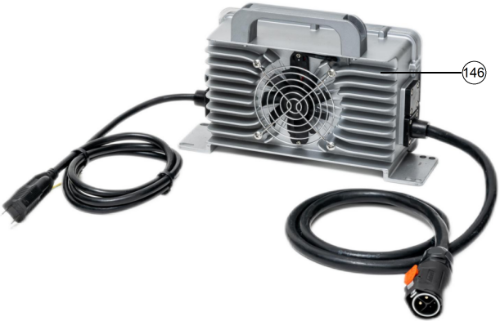 | 146 | 00400030 | The charger | 1 | Portable - 72 V10A（UL）

Wire Harness and Rear Fender | NO. | Code | Part Name | Qty | Description
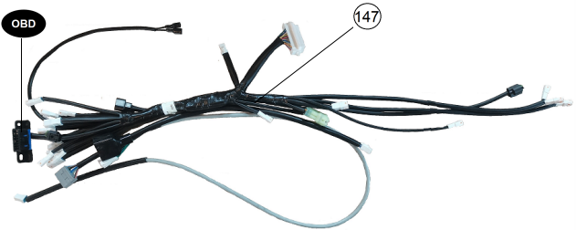 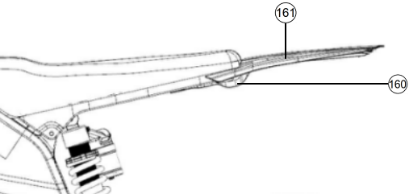 | 147 | 00400015 | Main wireharness | 1 | Special design - waterproof joint;
 | 160 | 00700026 | Rear Fender bracket for off-road vehicle | 1
 | 161 | 02200009 | Off-road rear fender | 1

