YQ-2A(off road)
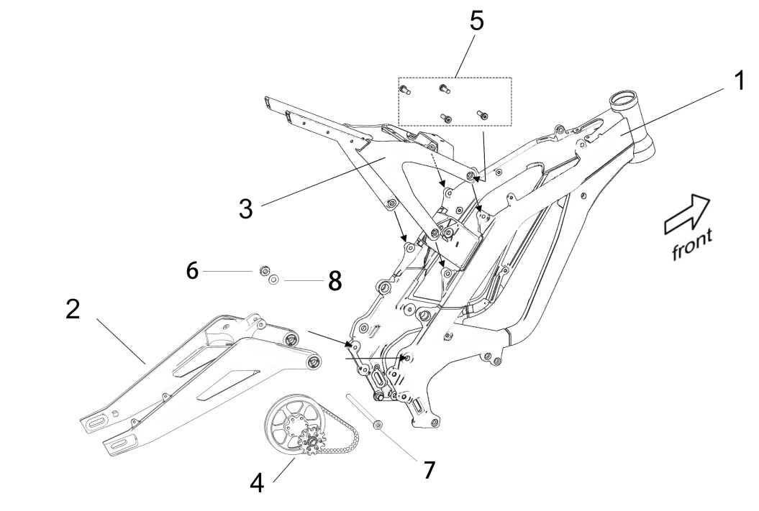
SPARE PARTS CATALOG OF LIGHT BEE & LIGHT BEE(X)
Illustration-01

ITEM | PARTS NO. | DESCRIPTION (EN) | QTY. | REMARKS
1_01 | 41100-YQ2A-0000 | Frame Assy. | 1
1_02 | 61000-YQ2A-0000 | Rear Fork Assy. | 1
1_03 | 41520-YQ2A-0000 | Seat Frame Assy. | 1
1_04 |  | Mid. Shaft Bush Assy. | 1
1_05 | B1-009-08-020-F0 | Screw (M8*20) | 4
1_06 | B4-008-10-F0 | Nut (M10*1.0) | 1
1_07 | 61260-YQ2A-0000 | Rear Fork Mid. Shaft | 1
1_08 | B4-001-10-F1 | Washer (Φ10-Φ20-2) | 1

 |  | Illustration-02
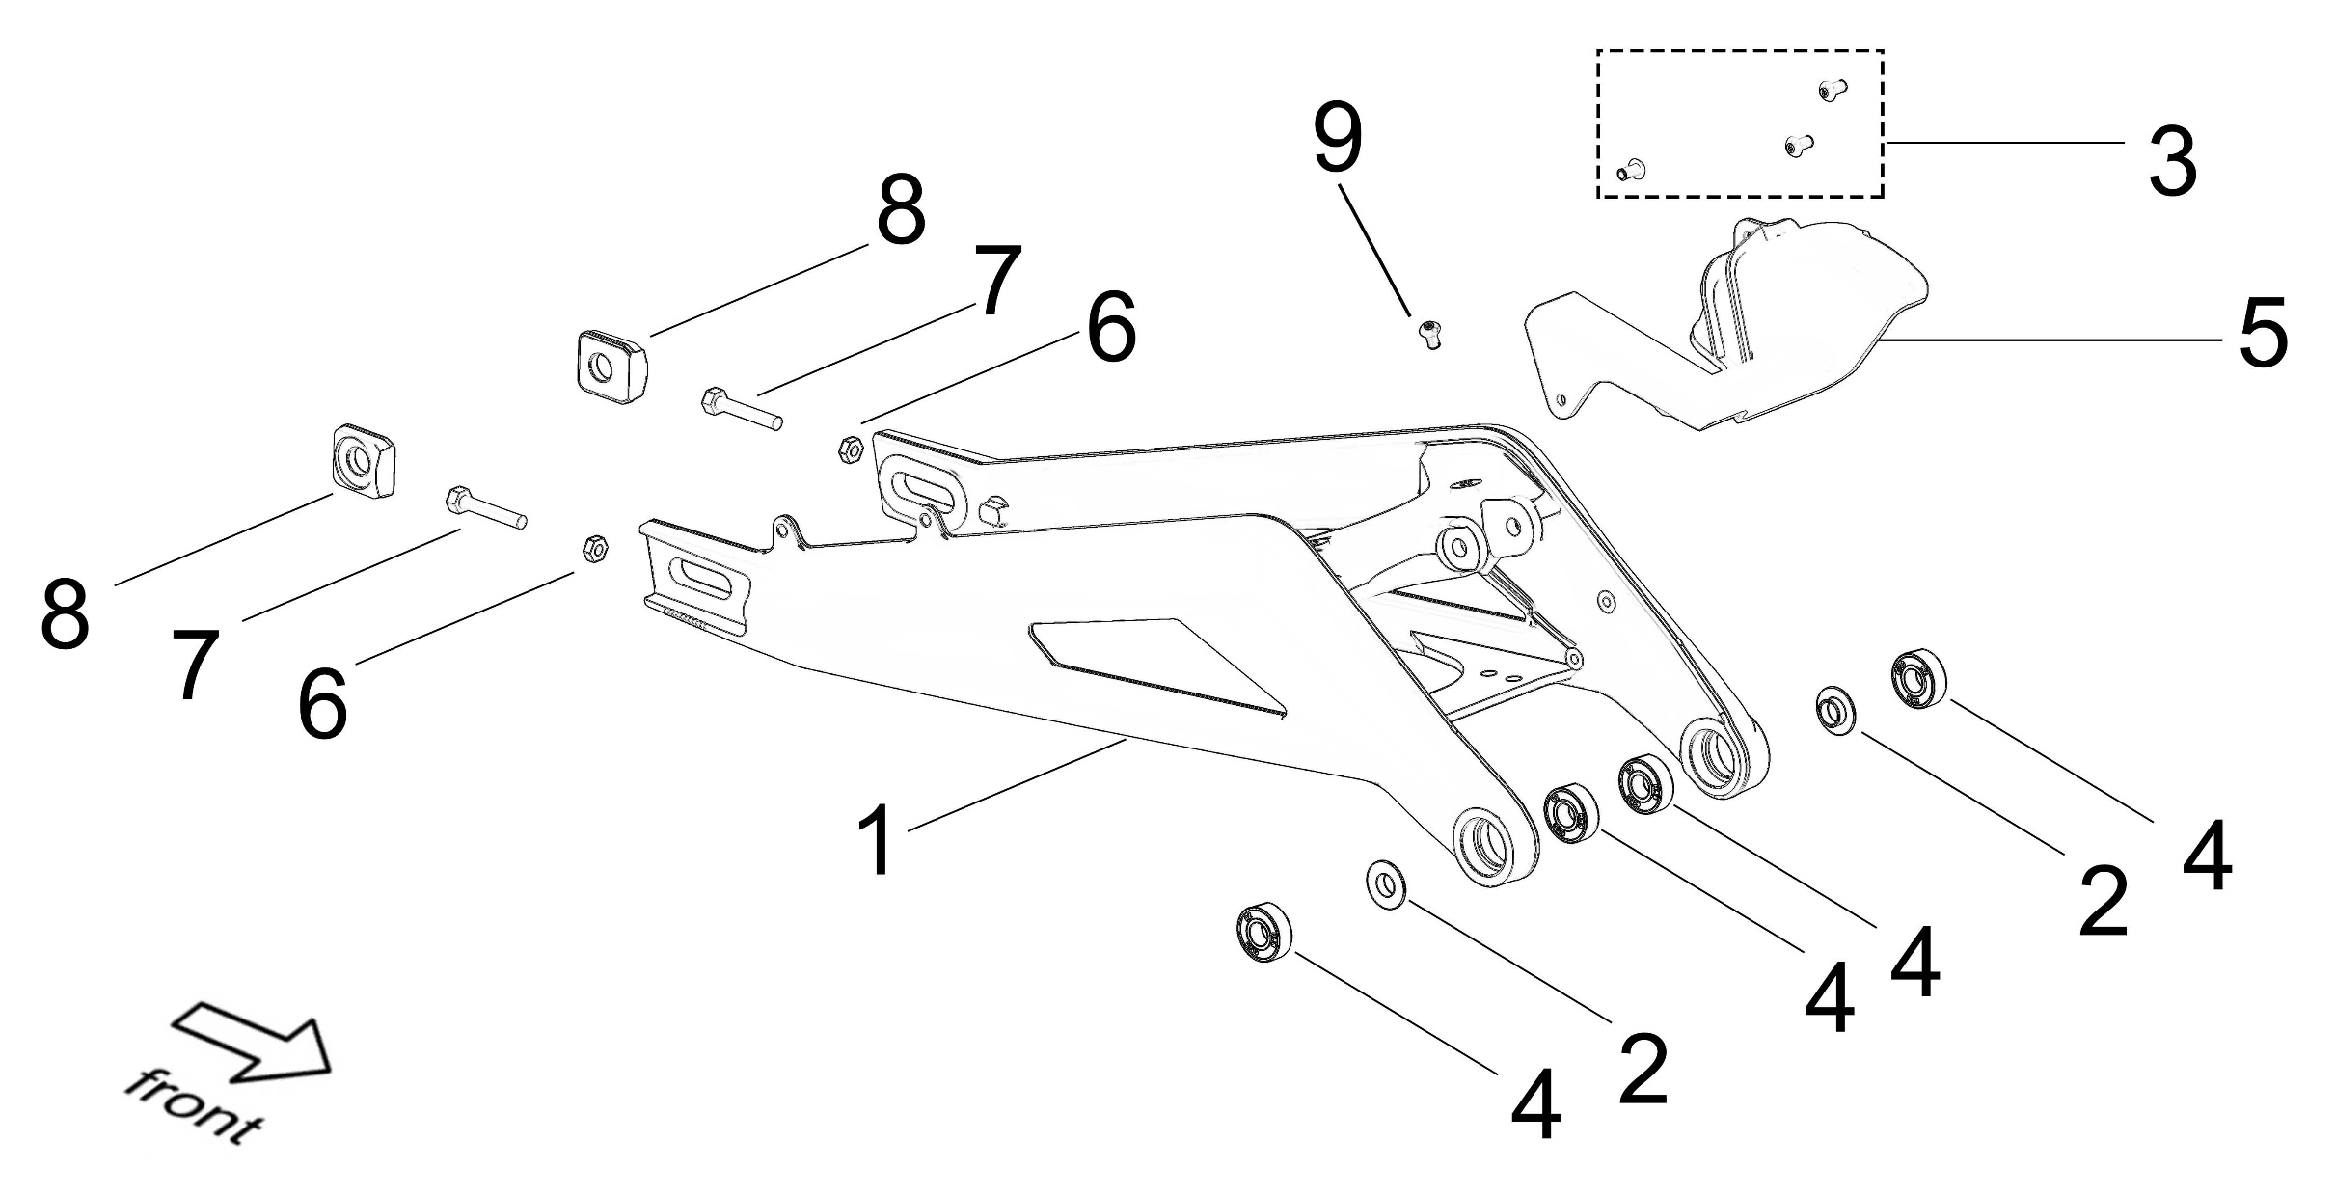

ITEM | PARTS NO. | DESCRIPTION (EN) | QTY. | REMARKS
2_01 | 61000-YQ2A-0000 | Rear Fork Assy. | 1
2_02 | FB05-005-10-15-22-2 | Washer (Φ10*Φ15*Φ22-2) | 2
2_03 | B3-002-05-010-F0 | Screw (M5*10) | 3
2_04 | Z-6000-2Z-26-10-08 | Rear Fork Bearing | 4
2_05 | 32120-YQ2A-0000 | Protection Cover, Mid. Shaft | 1
2_06 | B2-001-06-F2 | Tensioner Adjust Nut (M6) | 2
2_07 | B1-004-06-035-F0 | Tensioner Adjust Bolt (M6*35) | 2
2_08 | 61210-YQ2A-0000 | Tensioner | 2
2_09 | B3-002-05-010-F0 | Wire Clip Fixing Screw (M5*10) | 1

 |  | Illustration-03
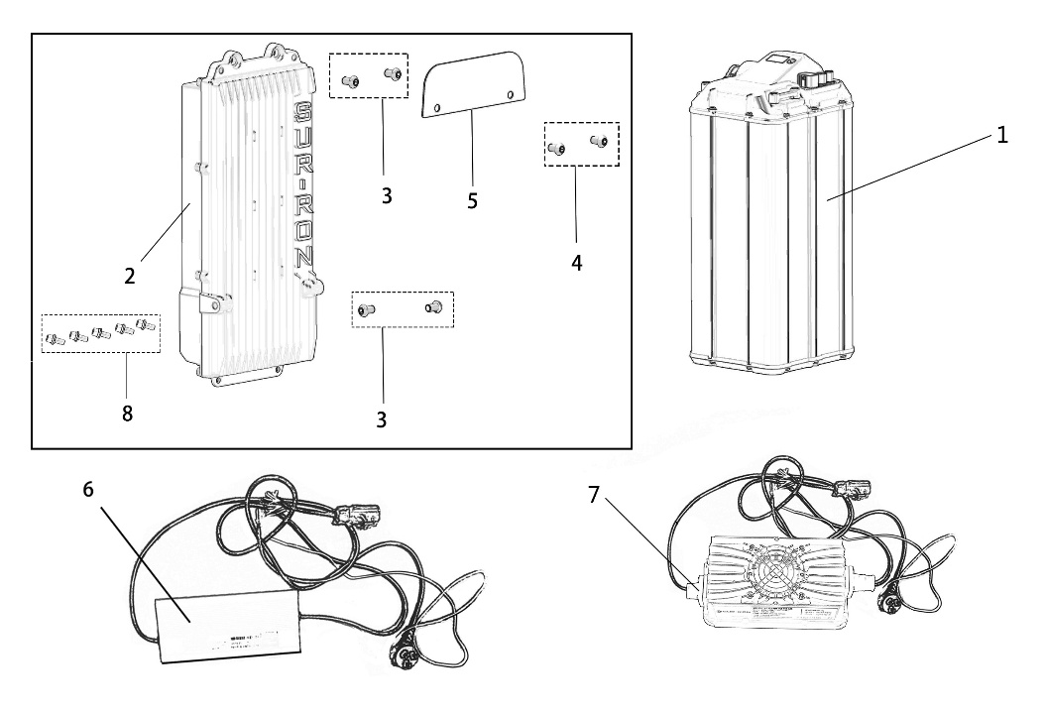

ITEM | PARTS NO. | DESCRIPTION (EN) | QTY. | REMARKS
3_01 | 26000-YQ2A-0300 | 60V/32Ah Battery | 1
3_02 | 21100-YQ2A-0100 | Controller | 1
 | 21100-YQ2A-0201 | X Controller (Sine Wave) | 1
3_03 | B3-002-06-012-F0 | Screw (M6*12) | 4
3_04 | B3-002-05-010-F0 | Screw (M5*10) | 2
3_05 | 21103-YQ2A-0000 | Controller Upper Decoration Plate | 1
3_07 | 21700-YQ2A-0800 | 220V 10Ah Charger | 1 | For Australia
3_07 | 21700-YQ2A-1000 | 110V 10Ah Charger | 1 | For America
3_07 | 21700-YQ2A-1200 | 220V 10Ah Charger | 1 | For Europe
3_07 | 21700-YQ2A-1400 | 220V 10Ah Charger | 1 | For UK
3_08 | B8-001-06-016-F2 | Screw (M6*16) | 5

 |  | Illustration-04
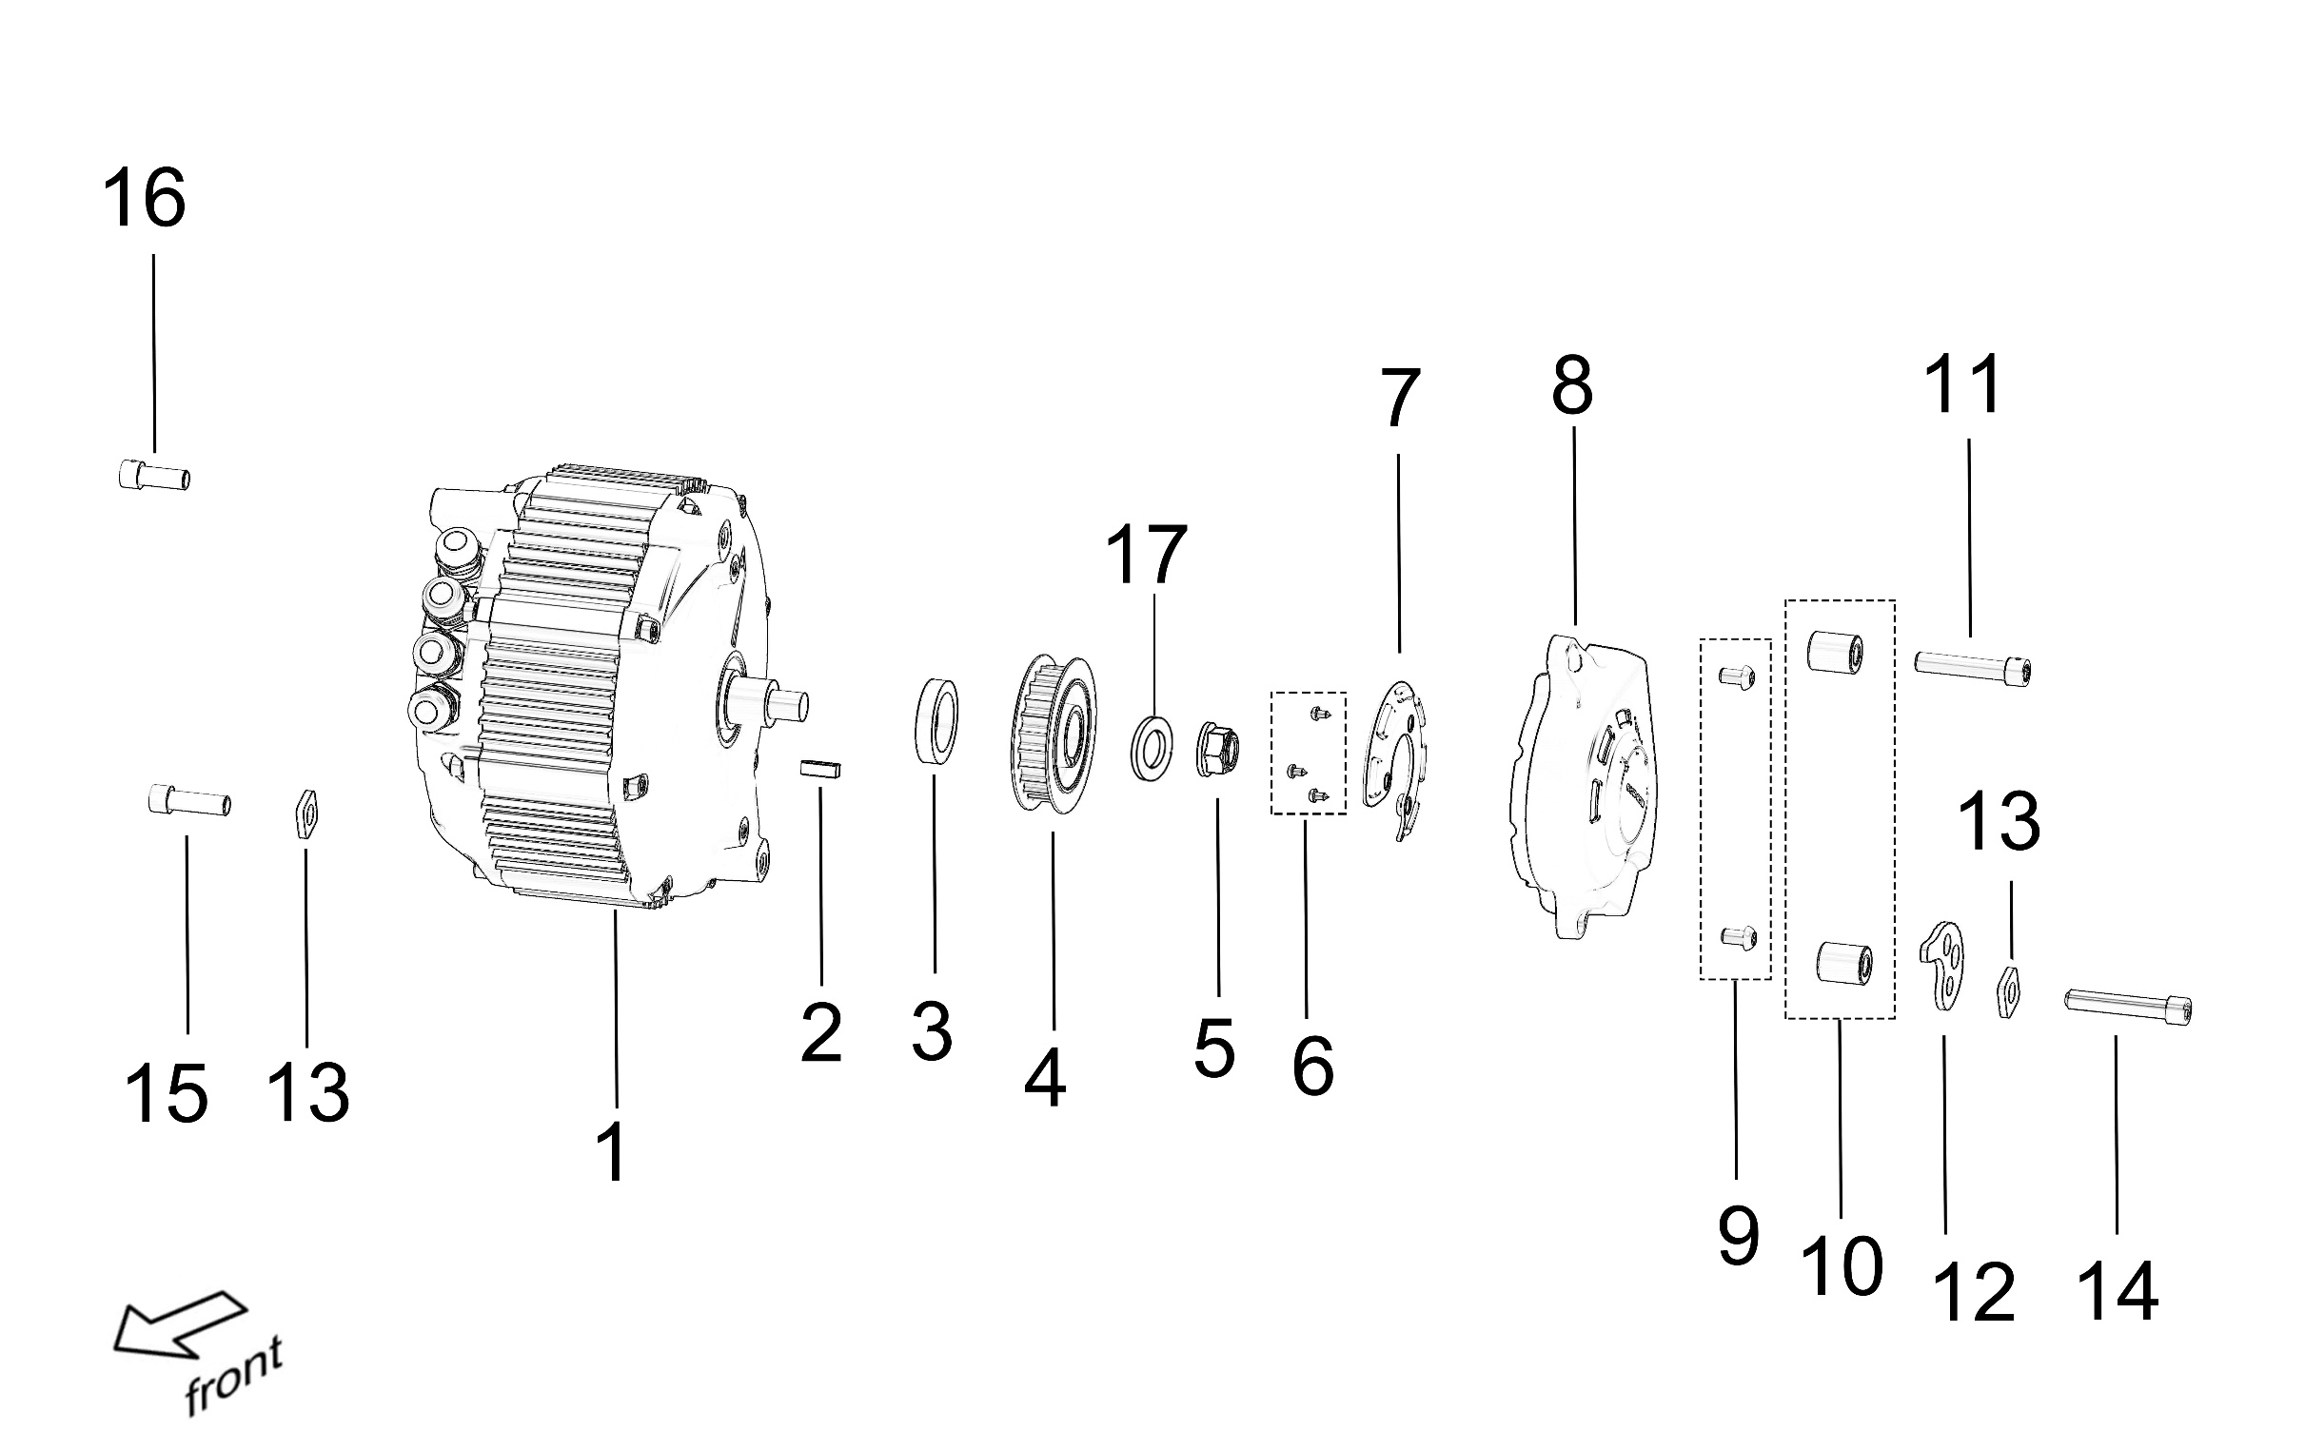

ITEM | PARTS NO. | DESCRIPTION (EN) | QTY. | REMARKS
4_01 | 11000-YQ2A-0200 | Motor Assy. | 1
 | 11000-YQ2A-0201 | Motor Assy. (X Version) | 1
4_02 | B7-001-25-35-7 | Oil Seal | 1
4_03 | B6-003-05-016 | Plain Circular Bond (5*5*16mm) | 1
4_04 | 13201-YQ2A-0100 | Fr. Belt Pulley | 1
 | 13211-YQ2A-0000 | 1st Transmission Sprocket 1 (13T) | 1 | Refitting Part
4_05 | B2-006-12-F2 | Locknut (M12*1.25) | 1
4_06 | FB03-004-006-F2 | Screw (PB3.5*6) | 3
4_07 | 32332-YQ2A-0000 | Bush, Fr. Belt Pulley Protection Cover | 1
4_08 | 32331-YQ2A-0000 | Protection Cover, Fr. Belt Pulley | 1
4_09 | B3-002-06-010-F0 | Bolt (M6*10) | 2
4_10 | 11216-YQ2A-0000 | Motor Left Mounting Bush | 2
4_11 | B3-001-08-040-F0 | Bolt (M8*40) | 1
4_12 | 11171-YQ2A-0000 | Motor Position Adjuster | 1
4_13 | 11172-YQ2A-0000 | Motor Position Adjuster Pressure Plate | 2
4_14 | B3-001-08-045-F0 | Bolt (M8*45) | 1
4_15 | B3-001-08-020-F0 | Bolt (M8*20) | 1
4_16 | B3-001-08-025-F0 | Bolt (M8*20) | 1
4_17 | FB05-002-23-12-1-F3 | Washer （Φ24*Φ10*1.6-3） | 1

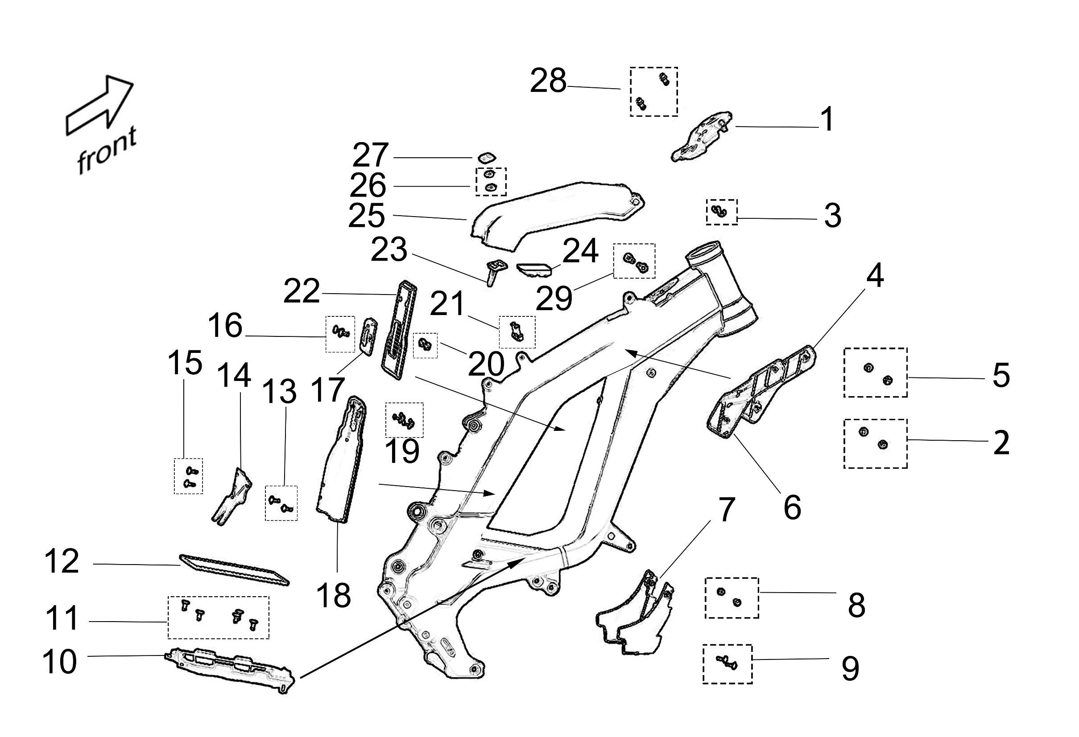
 |  | Illustration-05

ITEM | PARTS NO. | DESCRIPTION (EN) | QTY. | REMARKS
5_01 | 32340-YQ2A-0000 | Decoration Cover, Electric Lock | 1
5_02 | B3-003-05-010-F0 | Screw (M5*10) | 2
5_03 | B4-007-05-F1 | Split Damping Ring (Inner Dia. Φ5) | 2
5_04 | 32356-YQ2A-0000 | Battery Left Limitation Stop (Plastic) | 1
5_05 | B3-003-05-010-F0 | Screw (M5*10) | 2
5_06 | 32357-YQ2A-0000 | Battery Right Limitation Stop (Plastic) | 1
5_07 | 32361-YQ2A-0000 | Controller Lower Decoration Cover | 1
5_08 | B3-002-06-010-F0 | Screw A (M6*10) | 2
5_09 | FB3-003-04-013-F3 | Screw B (M4*13) | 2
5_10 | 32358-YQ2A-0000 | Battery Lower Limitation Stop (Plastic) | 1
5_11 | B3-003-05-012-F0 | Screw (M5*12) | 5
5_12 | 26343-YQ2A-0000 | Battery Lower Buffer Foam | 1
5_13 | FB3-003-04-013-F3 | Screw (M4*13) | 2
5_14 | 32365-YQ2A-0000 | Small Fender, Belt Pulley (Plastic) | 1
5_15 | FB3-003-04-013-F3 | Screw (M4*13) | 2
5_16 | B3-003-05-016-F0 | Screw (M5*16) | 2
5_17 | 32353-YQ2A-0000 | Back Up Block (Plastic) | 1
5_18 | 32355-YQ2A-0000 | Rear Fender, Battery (Plastic) | 1
5_19 | FB3-001-06-012-F0 | Screw (M6*12) | 2
5_20 | B2-006-05-F2 | Nut (M5) | 2
5_21 | B3-002-06-012-F0 | Screw (M6*12) | 2
5_22 | 26341-YQ2A-0000 | Fr. Damping Rubber Washer, Battery | 1
5_23 | 26290-YQ2A-0000 | Lock Bracket Hook, Battery | 1
5_24 | 32233-YQ2A-0000 | Buffer Rubber, Battery Compartment Cover | 1
5_25 | 32231-YQ2A-0000 | Battery Compartment Cover (Plastic) | 1
5_26 | B2-001-06-F2 | Nut (M6) | 2
5_27 | 82124-YQ2A-0000 | Decoration Label, Battery Compartment | 1
 | 82129-YQ2A-0000 | Decoration Label, Battery Compartment (X Version) | 1
5_28 | B3-002-06-012-F0 | Screw (M6*12) | 2
5_29 | 41762-YQ2A-0000 | Pin, Battery Compartment Cover | 2

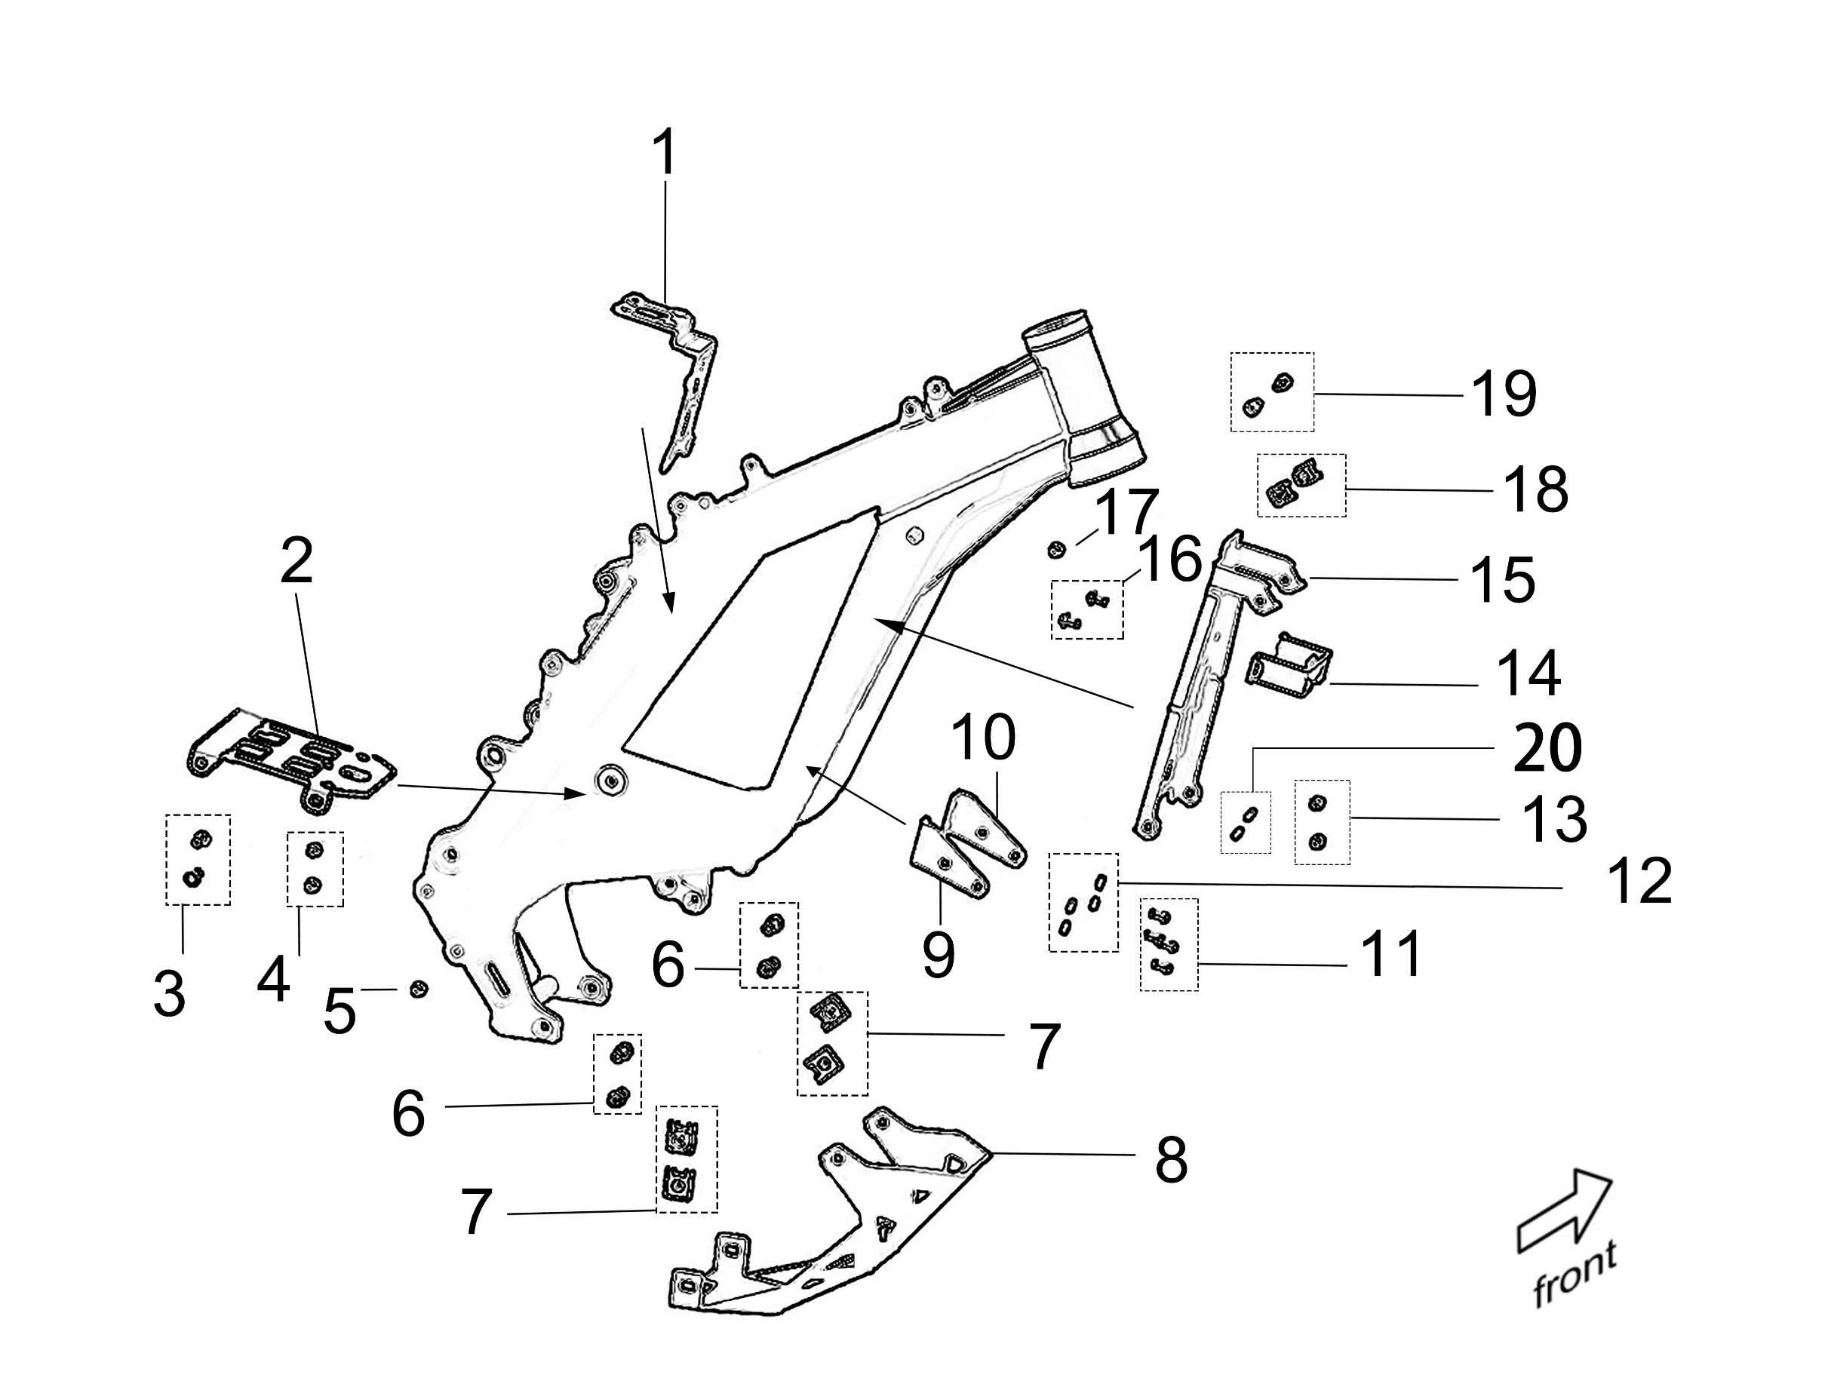
 |  | Illustration-06

ITEM | PARTS NO. | DESCRIPTION (EN) | QTY. | REMARKS
6_01 | 32354-YQ2A-0000 | Rear Back Up Block, Battery | 1
6_02 | 41690-YQ2A-0000 | Lower Back Up Block, Battery | 1
6_03 | FB3-001-06-016-F0 | Screw A (M6*16) | 2
6_04 | B3-001-06-010-F0 | Screw B (M6*10) | 2
6_05 | B4-009-06-014-F0 | Motor Position Adjuster Limitation Pin (M6*14) | 1
6_06 | B3-009-08-020-F0 | Screw (M8*20) | 4
6_07 | FB02-003-08-F2 | Clip (M8) | 4
6_08 | 41750-YQ2A-0000 | Motor Protection Cover | 1
6_09 | 41740-YQ2A-0000 | Lower Right Mounting Bracket, Controller | 1
6_10 | 41730-YQ2A-0000 | Lower Left Mounting Bracket, Controller | 1
6_11 | B3-002-06-010-F0 | Screw (M6*10) | 4
6_12 | B4-002-06-F2 | Washer (Φ6) | 4
6_13 | B3-001-06-012-F0 | Screw (M6*12) | 2
6_14 | 41710-YQ2A-0000 | Upper Mounting Bracket, Controller | 1
6_15 | 41670-YQ2A-0000 | Front Fender, Battery | 1
6_16 | B3-002-06-012-F0 | Screw (M6*12) | 2
6_17 | B3-002-05-010-F0 | Screw (M5*10) | 1
6_18 | FB02-001-06-F2 | Clip (M6) | 2
6_19 | B3-001-06-016-F0 | Screw (M6*16) | 2
6_20 | B4-002-06-F2 | Spring Washer | 2

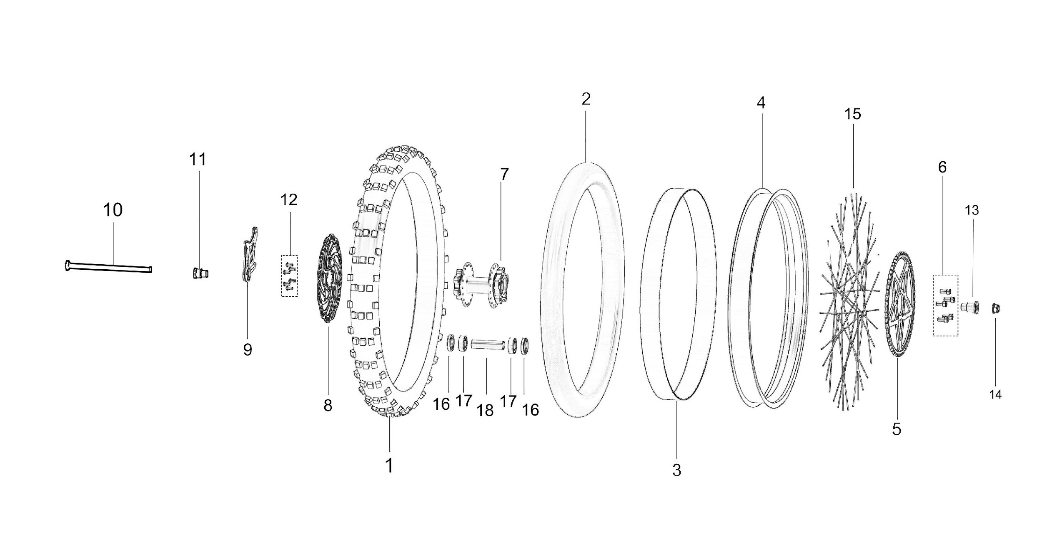
 |  | Illustration-07

ITEM | PARTS NO. | DESCRIPTION (EN) | QTY. | REMARKS
7_01 | 51231-YQ2A-0000 | Rear Tire | 1
 | 51231-YQ2A-0010 | Rear Tire (With E-Mark) | 1
7_02 | 51232-YQ2A-0000 | Rear Inner Tube | 1
 | 51232-YQ2A-0010 | Rear Inner Tube (With E-Mark) | 1
7_03 | 51266-YQ2A-0000 | Rim Band | 1
7_04 | 51271-YQ2A-0100 | Rear Rim | 1
7_05 | 13204-YQ2A-0000 | Sprocket (48T) | 1
 | 13204-YQ2A-0200 | Sprocket (58T) | 1 | Refitting Part
7_06 | B3-001-08-016-F0 | Screw (M8*16) | 5
7_07 | 51311-YQ2A-0000 | Rear Wheel Hub | 1
7_08 | 52271-YQ2A-0000 | Rear Brake Disc | 1
7_09 | 52280-YQ2A-0000 | Rear Brake Clip Bracket | 1
7_10 | 51350-YQ2A-0000 | Rear-Wheel Axle | 1
7_11 | 51362-YQ2A-0000 | Rear-Wheel Left Setback Bushing | 1
7_12 | FB3-006-06-013-F3 | Screw (M6*13) | 6
7_13 | 51361-YQ2A-0000 | Rear-Wheel Right Setback Bushing | 1
7_14 | B2-006-12-F2 | Nut (M12*1.25) | 1
7_15 | 51390-YQ2A-0000 | Spoke Assy. | 36
7_16 | B7-001-20-37-7 | Oil Seal (Φ20-Φ37-7) | 2
7_17 | Z-6202-35-15-11 | Bearing (Φ15*Φ35*11) | 2
7_18 | 51363-YQ2A-0000 | Rear-Whel Hub Inner Bushing | 1

 |  | Illustration-8
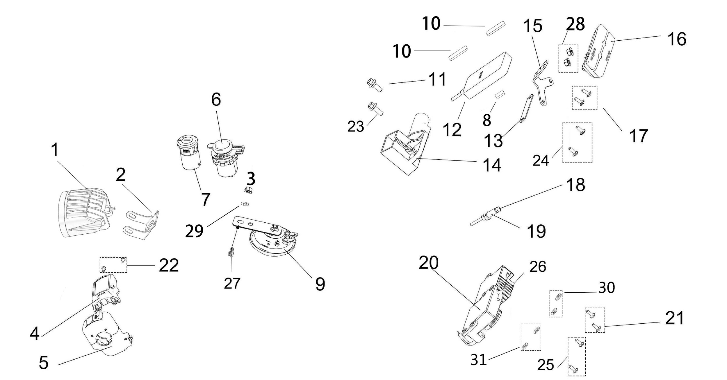

ITEM | PARTS NO. | DESCRIPTION (EN) | QTY. | REMARKS
8_01 | 22100-YQ2A-0100 | Headlight Assy. | 1
8_02 | 41330-YQ2A-0101 | Bracket Assy., Headlight | 1
8_03 | B2-006-06-F2 | Nut (M6) | 1
8_04 | 25100-YQ2A-0100 | Speedometer | 1
8_05 | 23200-YQ2A-0000 | Left Combination Switch | 1
8_06 | 24600-YQ2A-0000 | USB Interface | 1
8_07 | 27260-YQ2A-0000 | Electric Lock | 1
8_09 | 29310-NM1A-0000 | Horn | 1
8_11 | B1-008-06-016-F2 | Screw A (M6*16) | 1
8_14 | 27500-YQ2A-0000 | Battery Compartment Lock | 1
8_15 | 41660-YQ2A-0000 | Tail Lamp Mounting Bracket | 1
8_16 | 22200-YQ2A-0000 | Tail Lamp | 1
8_17 | FB3-003-04-013-F3 | Screw (M4*13) | 2
8_18 | 41571-YQ2A-0000 | Magneto Sensor, Side Stand Stop Switch | 1
8_19 | 23410-YQ2A-0000 | Side Stand Stop Switch | 1
8_20 | 23700-NM1A-0000 | Acceleration Controller | 1
8_21 | FB3-003-04-013-F3 | Converter Mounting Screw | 2
8_22 | B3-006-002-F1 | Screw (ST2.9*9.5) | 2
8_23 | FB01-003-06-016-F2 | Screw (M6*16) | 1
8_25 | FB3-003-04-013-F3 | Screw (M4*13) | 2
8_26 | 21300-YQ2A-0000 | Converter Assy. | 1
8_27 | B3-001-06-016-F0 | Screw (M6*16) | 1
8_28 | B2-006-05-F2 | Nut (M5) | 2
8_29 | B4-001-06-F1 | Plain Washer (Φ6) | 1
8_30 | B4-001-04-F1 | Plain Washer (Φ4) | 2
8_31 | B4-001-04-F1 | Plain Washer (Φ4) | 2

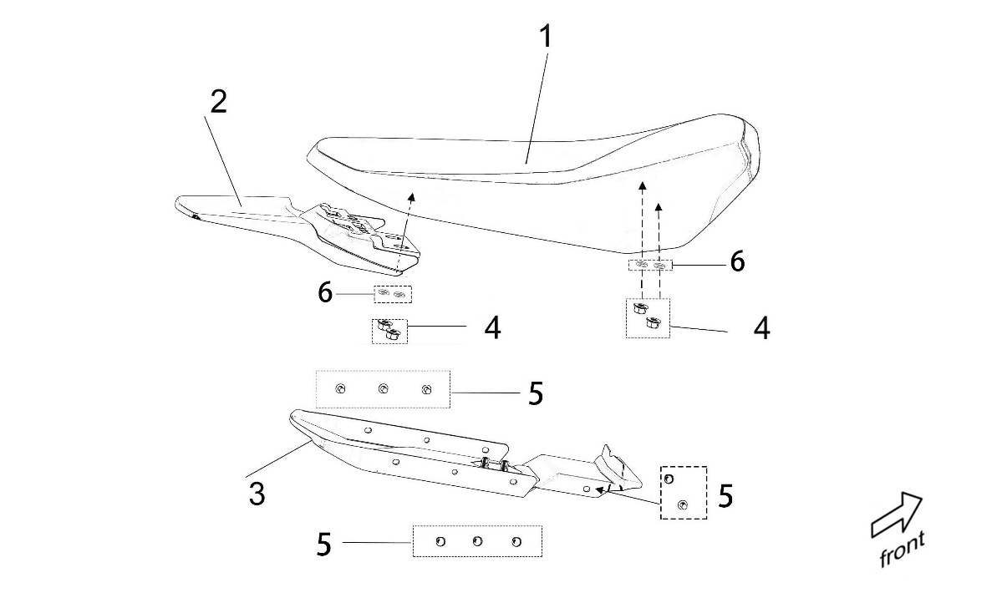
 |  | Illustration-9

 |  |  |  |  | .

ITEM | PARTS NO. | DESCRIPTION (EN) | QTY. | REMARKS
9_01 | 32300-YQ2A-0000 | Seat (Plastic) | 1
9_02 | 31321-YQ2A-0000 | Rear Fender (Plastic） | 1
9_03 | 31340-YQ2A-0000 | Rear Fender Inner Plate (Plastic) | 1
9_04 | B2-012-06-F2 | Nut (M6) | 4
9_05 | B5-004-R5075 | Screw, Rear Fender Inner Plate | 8
9_06 | B4-001-6-F1 | Plain Washer (Φ6) | 4

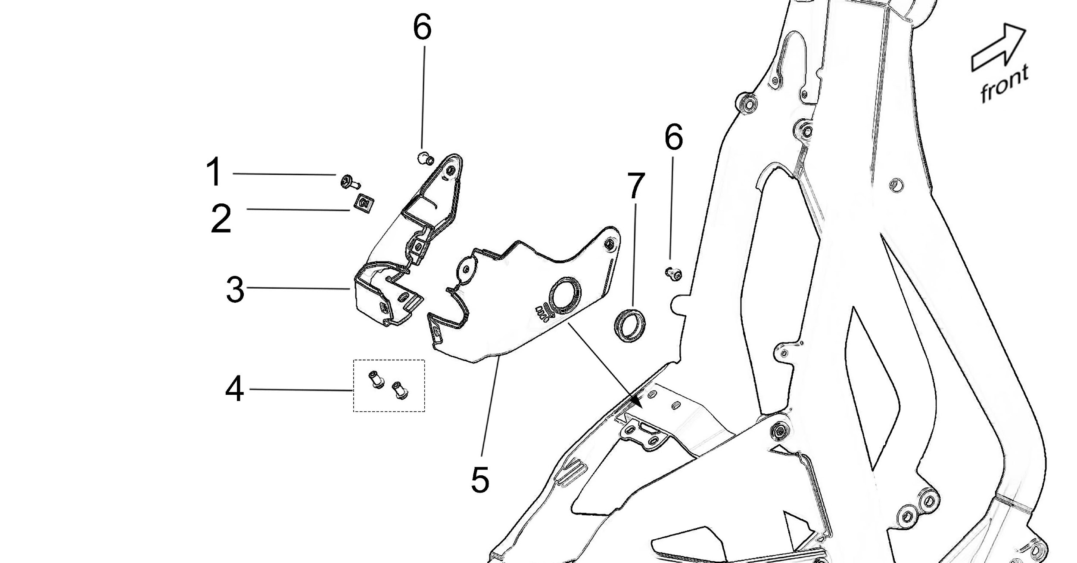
 |  | Illustration-10

 |  |  |  |  | .

ITEM | PARTS NO. | DESCRIPTION (EN) | QTY. | REMARKS
10_01 | B3-006-003-F1 | Screw (ST4.2*13) | 1
10_02 | FB04-001-04-F2 | Clip (M4) | 1
10_03 | 32351-YQ2A-0000 | Left Decoration Cover, Battery Lock Bracket (Plastic) | 1
10_04 | FB3-001-06-012-F0 | Screw B (M6*12) | 2
10_05 | 32352-YQ2A-0000 | Right Decoration Cover, Battery Lock Bracket (Plastic) | 1
10_06 | B3-002-06-010-F0 | Screw A (M6*10) | 2
10_07 | 27516-YQ2A-0000 | Decoration Ring, Battery Compartment Lock | 1

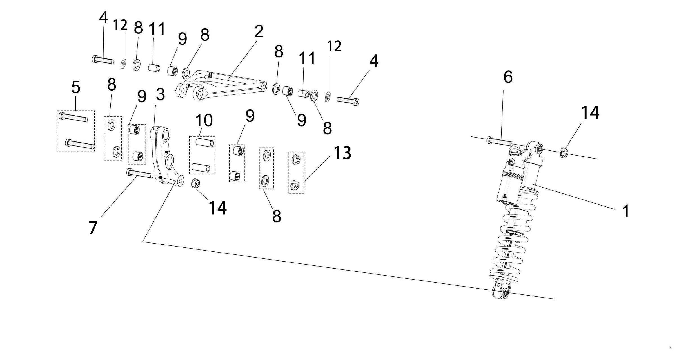
 |  | Illustration-11

ITEM | PARTS NO. | DESCRIPTION (EN) | QTY. | REMARKS
11_01 | 55110-YQ2A-0000 | Rear Absorber (FAST 350LB) | 1
 | 55110-YQ2A-0200 | Rear Absorber (DNM 350LB) | 1
 | 55110-YQ2A-0100 | Rear Absorber (FAST 450LB) | 1
 | 55110-YQ2A-0300 | Rear Absorber (DNM 450LB) | 1
11_02 | 55148-YQ2A-0000 | Rear Absorber Connection Rod | 1
11_03 | 55141-YQ2A-0000 | Rear Absorber Rock Arm | 1
11_04 | B3-001-08-035-F2 | Bolt (M8*35) | 2
11_05 | B3-001-08-055-F2 | Rear Absorber Rock Arm Mounting Axle (Half-Thread L55-M8) | 2
11_06 | B3-001-08-050-F2 | Screw (Half-Thread L50-M8) | 1
11_07 | B3-001-08-045-F2 | Screw (Half-Thread L45-M8) | 1
11_08 | 55163-YQ2A-0000 | Nylon Washer (Φ12-Φ20-2) | 8
11_09 | Z-HK1212-16-12-12 | Rock Arm Bearing | 6
11_10 | 55142-YQ2A-0000 | Rock Arm Bushing | 4
11_11 | 55162-YQ2A-0000 | Connection Rod Bushing | 2
11_12 | B4-001-08-F1 | Plain Washer (Φ8) | 2
11_13 | B2-006-08-F2 | Nut (M8) | 2
11_14 | B2-006-08-F2 | Nut (M8) | 2

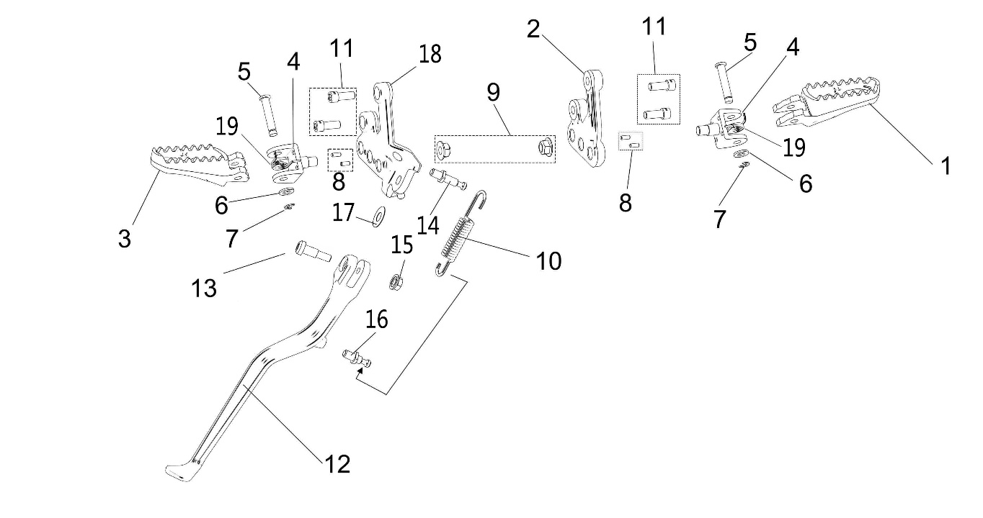
 |  | Illustration-12

ITEM | PARTS NO. | DESCRIPTION (EN) | QTY. | REMARKS
12_01 | 42211-YQ2A-0000 | Right Foot Peg | 1
12_02 | 42212-YQ2A-0000 | Right Foot Peg Bracket | 1
12_03 | 42111-YQ2A-0000 | Left Foot Peg | 1
12_04 | 42122-YQ2A-0001 | Left Foot Peg Bracket | 2
12_05 | 42116-YQ2A-0000 | Foot Peg Mounting Pin | 2
12_06 | B4-001-08-F1 | Foot Peg Plain Washer (Φ8) | 2
12_07 | B4-007-06-F1 | Foot Peg Clip Spring Reed (Inner Dia. Φ6） | 2
12_08 | B4-008-04-012-F0 | Position Pin (Φ4*12) | 4
12_09 | B2-006-10-F2 | Nut (M10*1.25) | 2
12_10 | 41556-YQ2A-0000 | Side Stand Bracket Spring | 1
12_11 | B3-001-08-020-F0 | Screw (M8*20) | 4
12_12 | 41550-YQ2A-0000 | Side Stand | 1
12_13 | 41559-YQ2A-0000 | Screw (M8*30) | 1
12_14 | 41554-YQ2A-0000 | Side Stand Spring Pin A | 1
12_15 | B2-006-08-F2 | Nut (M8) | 1
12_16 | 41555-YQ2A-0000 | Side Stand Spring Pin B | 1
12_17 | FB05-004-10-F0 | Washer (Φ24*Φ10-0.5) | 1
12_18 | 42112-YQ2A-0000 | Left Foot Peg Bracket | 1
12_19 | 42115-YQ2A-0000 | Foot Peg Return Spring | 2

 |  | Illustration-13
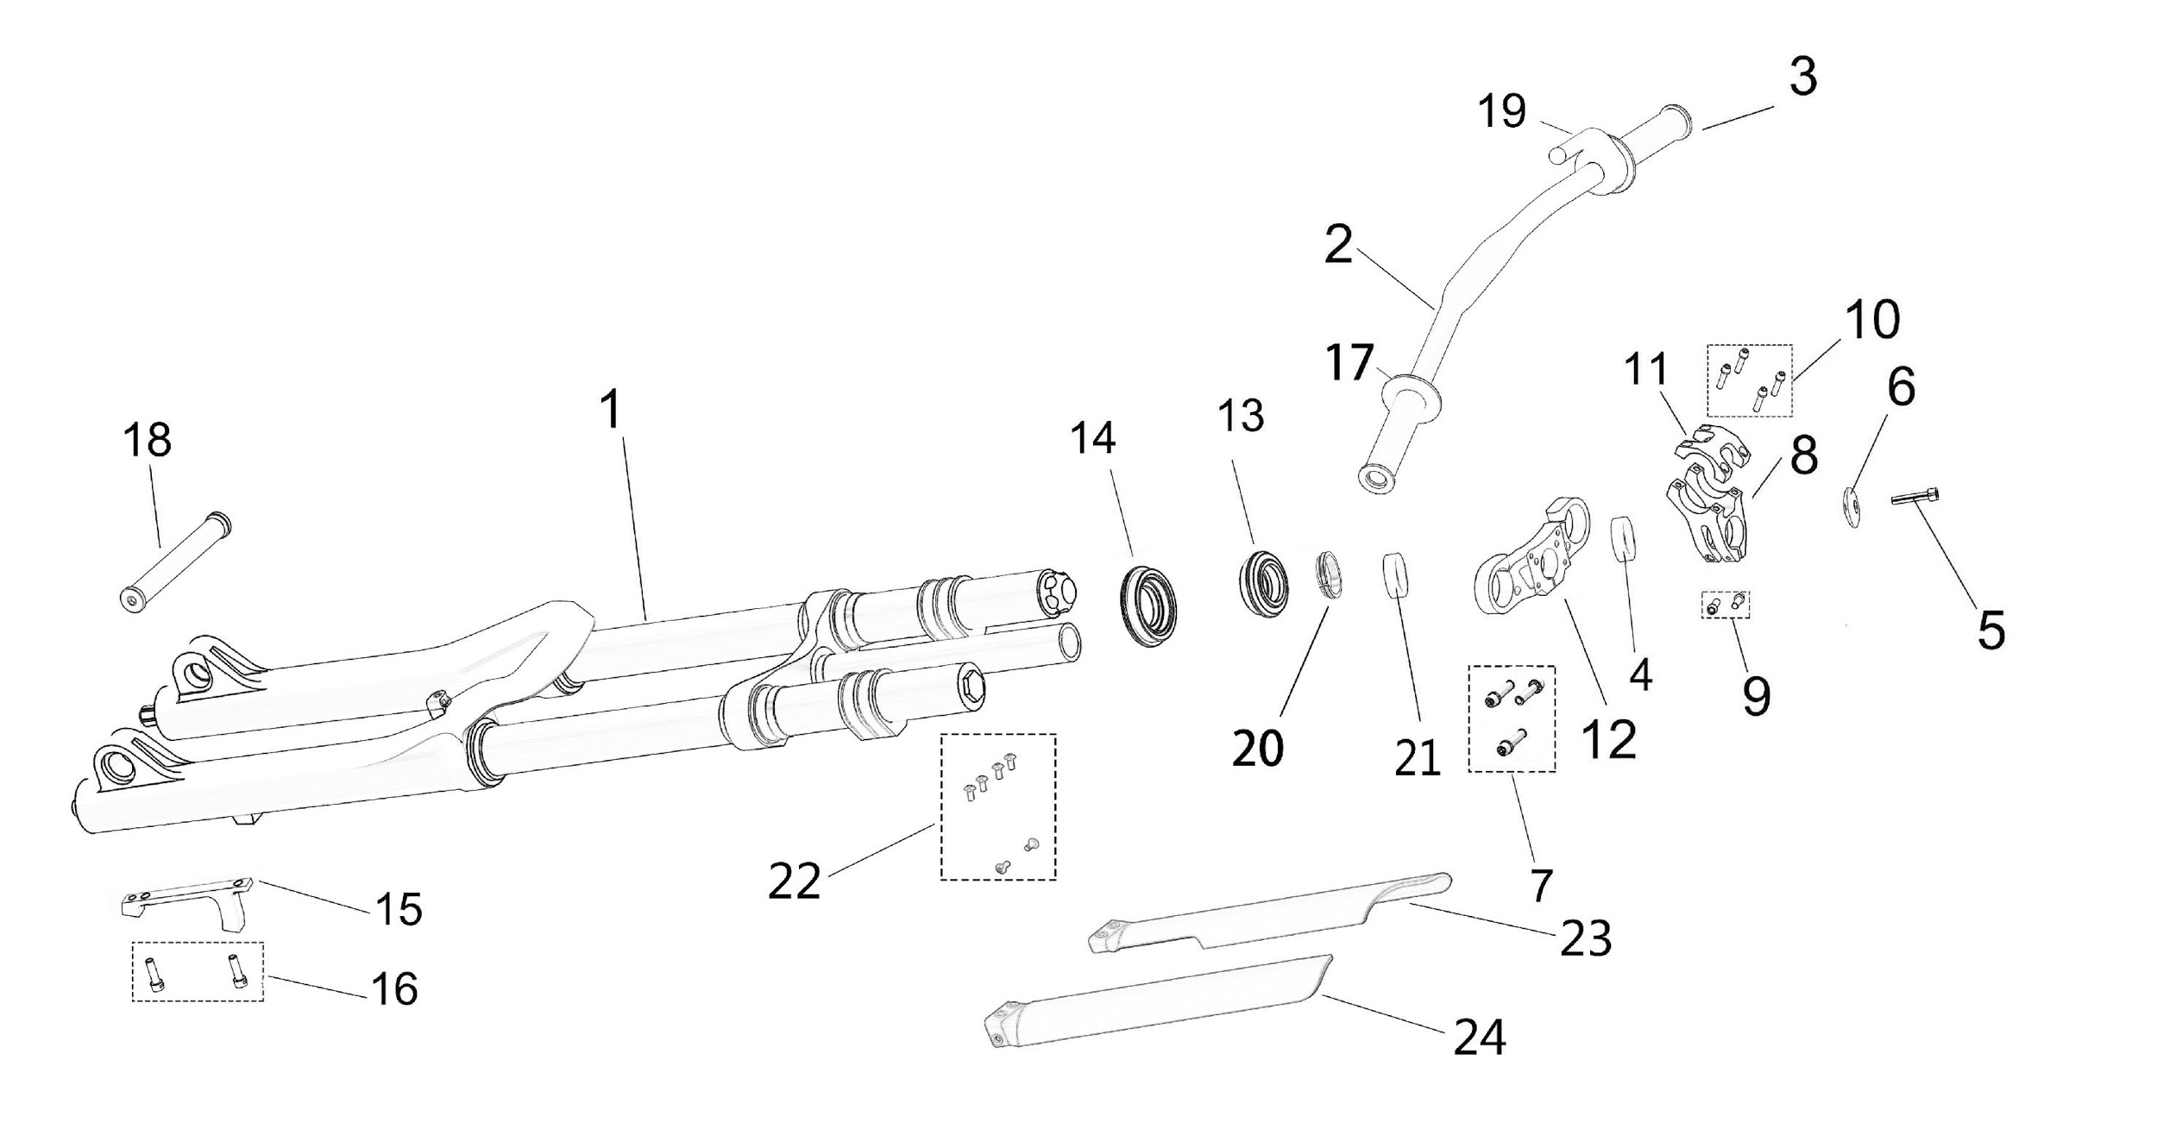

ITEM | PARTS NO. | DESCRIPTION (EN) | QTY. | REMARKS
13_01 | 51000-YQ2A-0000 | Fr. Absorber Assy. (RST) | 1
 | 51000-YQ2A-0200 | Fr. Absorber Assy. (FAST) | 1
 | 51000-YQ2A-0300 | Fr. Absorber Assy. (DNM) | 1
13_02 | 51150-YQ2A-0000 | Steering Bar | 1
 | 51150-YQ2A-0100 | Steering Bar (X Version) | 1
13_03 | 23820-YQ2A-0001 | Right Handle Grip | 1
 | 23820-YQ2A-0100 | Right Handle Grip (X Version) | 1
13_04 | 51195-YQ2A-0000 | Handle Bar Stem Washer (RST) | 2
 | 51195-YQ2A-0000 | Handle Bar Stem Washer (FAST) | 2
 | 51195-YQ2A-0000 | Handle Bar Stem Washer (DNM) | 1
13_05 | 51185-YQ2A-0100 | Decoration Screw Kit, Headset | 1
13_06 | 51183-YQ2A-0100 | Lock cap, Handle Bar Stem | 1
13_07 | B3-001-05-014-F0 | Lock Screw (RST-M5*14) | 3
 | B3-001-06-020-F0 | Lock Screw (FAST-M6*20) | 3
 | B3-001-05-014-F0 | Lock Screw (DNM-M5*14) | 3
13_08 | 51162-YQ2A-0000 | Bracket, Handle Bar Stem | 1
13_09 | B8-001-06-018-F0 | Handle Bar Stem Lock Screw (M6*18) | 2
13_10 | B8-001-05-018-F0 | Handle Bar Lock Screw (M5*18) | 4
13_11 | 51164-YQ2A-0000 | Cap, Handle Bar Stem | 1
13_12 | 51121-YQ2A-0000 | Upper Connecting Plate, Steering Stem (RST) | 1
 | 51121-YQ2A-0100 | Upper Connecting Plate, Steering Stem (FAST) | 1
 | 51121-YQ2A-0300 | Upper Connecting Plate, Steering Stem (DNM) | 1
13_13 | 51182-YQ2A-0100 | Upper Headset, Steering Stem | 1
13_14 | 51181-YQ2A-0100 | Lower Headset, Steering Stem | 1
13_15 | 52161-YQ2A-0000 | Front Brake Clip Bracket | 1
13_16 | B3-001-06-018-F0 | Screw (M6*18, only for RST front Absorber) | 2
13_17 | 23810-YQ2A-0001 | Left Handle Grip | 1
 | 23810-YQ2A-0100 | Left Handle Grip (X Version) | 1
13_18 | 51250-YQ2A-0000 | Front Wheel Axle Assy (RST) | 1
 | 51250-YQ2A-0100 | Front Wheel Axle Assy (FAST) | 1
 | 5250-YQ2A-0300 | Front Wheel Axle Assy (DNM) | 1
13_19 | 23900-YQ2A-0000 | Right Throttle Bracket | 1
13_20 | 51184-YQ2A-0000 | Split Snap Ring | 1
13_21 | 51196-YQ2A-0000 | Handle Bar Stem Washer | 1
13_22 |  | Mounting Screw, Absorber Protection Plate (DNM) | 6
 |  | Mounting Screw, Absorber Protection Plate (FAST) | 6
13_23 | 32280-YQ2A-0300 | Absorber R. Protection Plate (DNM) | 1
 | 32280-YQ2A-0200 | Absorber R. Protection Plate (FAST) | 1
13_24 | 32270-YQ2A-0300 | Absorber L. Protection Plate (DNM) | 1
 | 32270-YQ2A-0200 | Absorber L. Protection Plate (FAST) | 1

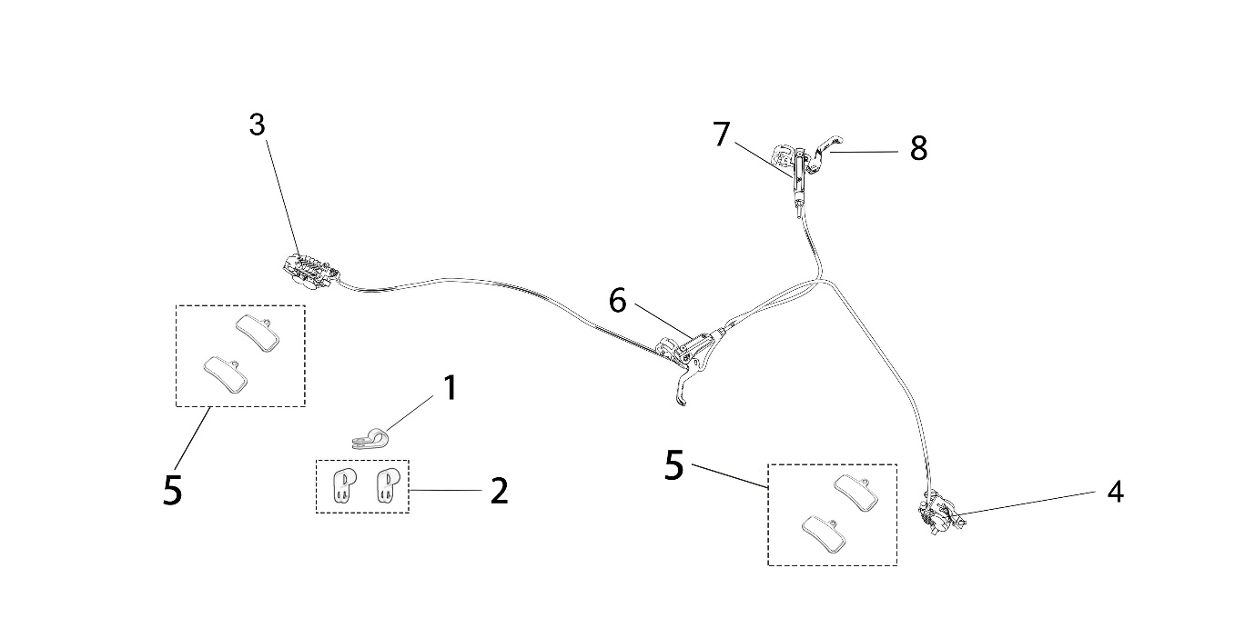
 |  | Illustration-14

ITEM | PARTS NO. | DESCRIPTION (EN) | QTY. | REMARKS
14_01 | 81138-YQ2A-0000 | Nylon Wire Clip 2 | 2
14_02 | 81137-YQ2A-0000 | Nylon Wire Clip 1 | 2
14_03 | 52190-YQ2A-0000 | Rear Brake Clip Assy. | 1
14_07 | 52210-YQ2A-0000 | Rear Brake Pump Assy. | 1
 | 52190-YQ2A-0100 | Rear Brake Clip Assy. (X Version) | 1
14_07 | 52210-YQ2A-0000 | Rear Brake Pump Assy. | 1
14_04 | 52190-YQ2A-0000 | Front Brake Clip Assy. | 1
14_06 | 52110-YQ2A-0000 | Front Brake Pump Assy. | 1
 | 52190-YQ2A-0100 | Front Brake Clip Assy. (X Version) | 1
14_06 | 52110-YQ2A-0000 | Front Brake Pump Assy. | 1
14_05 | 52191-YQ2A-0000 | Brake Shoe | 2
14_08 | 52111-YQ2A-0000 | Brake Lever | 2

 |  | Illustration-15
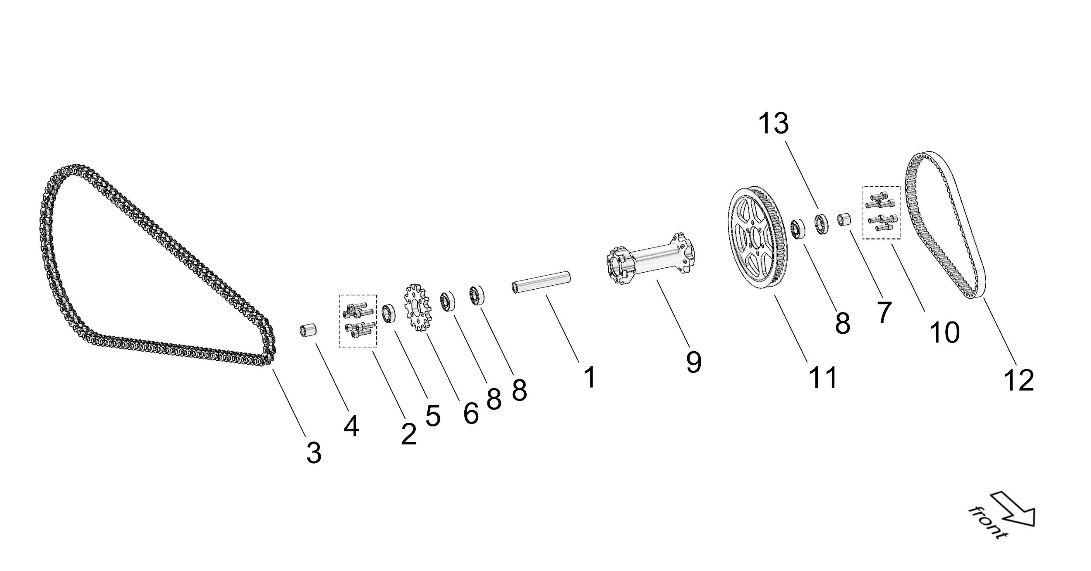

ITEM | PARTS NO. | DESCRIPTION (EN) | QTY. | REMARKS
15_01 | 61282-YQ2A-0000 | Mid. Bushing, Intermediate Shaft Sleeve | 1
15_02 | B3-003-06-025-F3 | Screw (M6*25) | 6
15_03 | 13114-YQ2A-0000 | Chain (106 connection for 48T Sprocket) | 1
 | 13114-YQ2A-0300 | O-Ring Chain (X Version)(106 connection for 48T Sprocket) | 1
 | 13114-YQ2A-0100 | Chain (112 connection for 58T Sprocket) | 1 | Refitting Part
 | 13114-YQ2A-0400 | O-Ring Chain (X Version)(112 connection for 58T Sprocket) | 1 | Refitting Part
15_04 | 61234-YQ2A-0000 | R. Bushing, Intermediate Shaft | 1
15_05 | B7-001-15-24-7 | R. Oil Seal, Intermediate Shaft Sleeve | 1
15_06 | 13105-YQ2A-0000 | Sprocket, Output Shaft | 1
15_07 | 61233-YQ2A-0000 | L. Bushing, Intermediate Shaft | 1
15_08 | Z-6000-2Z-26-10-08 | Bearing, Intermediate Shaft Sleeve | 1
15_09 | 61281-YQ2A-0000 | Intermediate Shaft Sleeve | 1
15_10 | B3-001-06-016-F0 | Screw (M6*16) | 6
15_11 | 13202-YQ2A-0100 | Rear Belt Pulley | 1
 | 13212-YQ2A-0000 | Primary transmission rear Sprocket (30T) | 1 | Refitting Part
15_12 | 13111-YQ2A-0100 | Belt | 1
 | 13117-YQ2A-0000 | Primary transmission chain | 1 | Refitting Part
15_13 | B7-001-15-26-6 | L. Oil Seal, Intermediate Shaft Sleeve | 1

 |  | Illustration-16
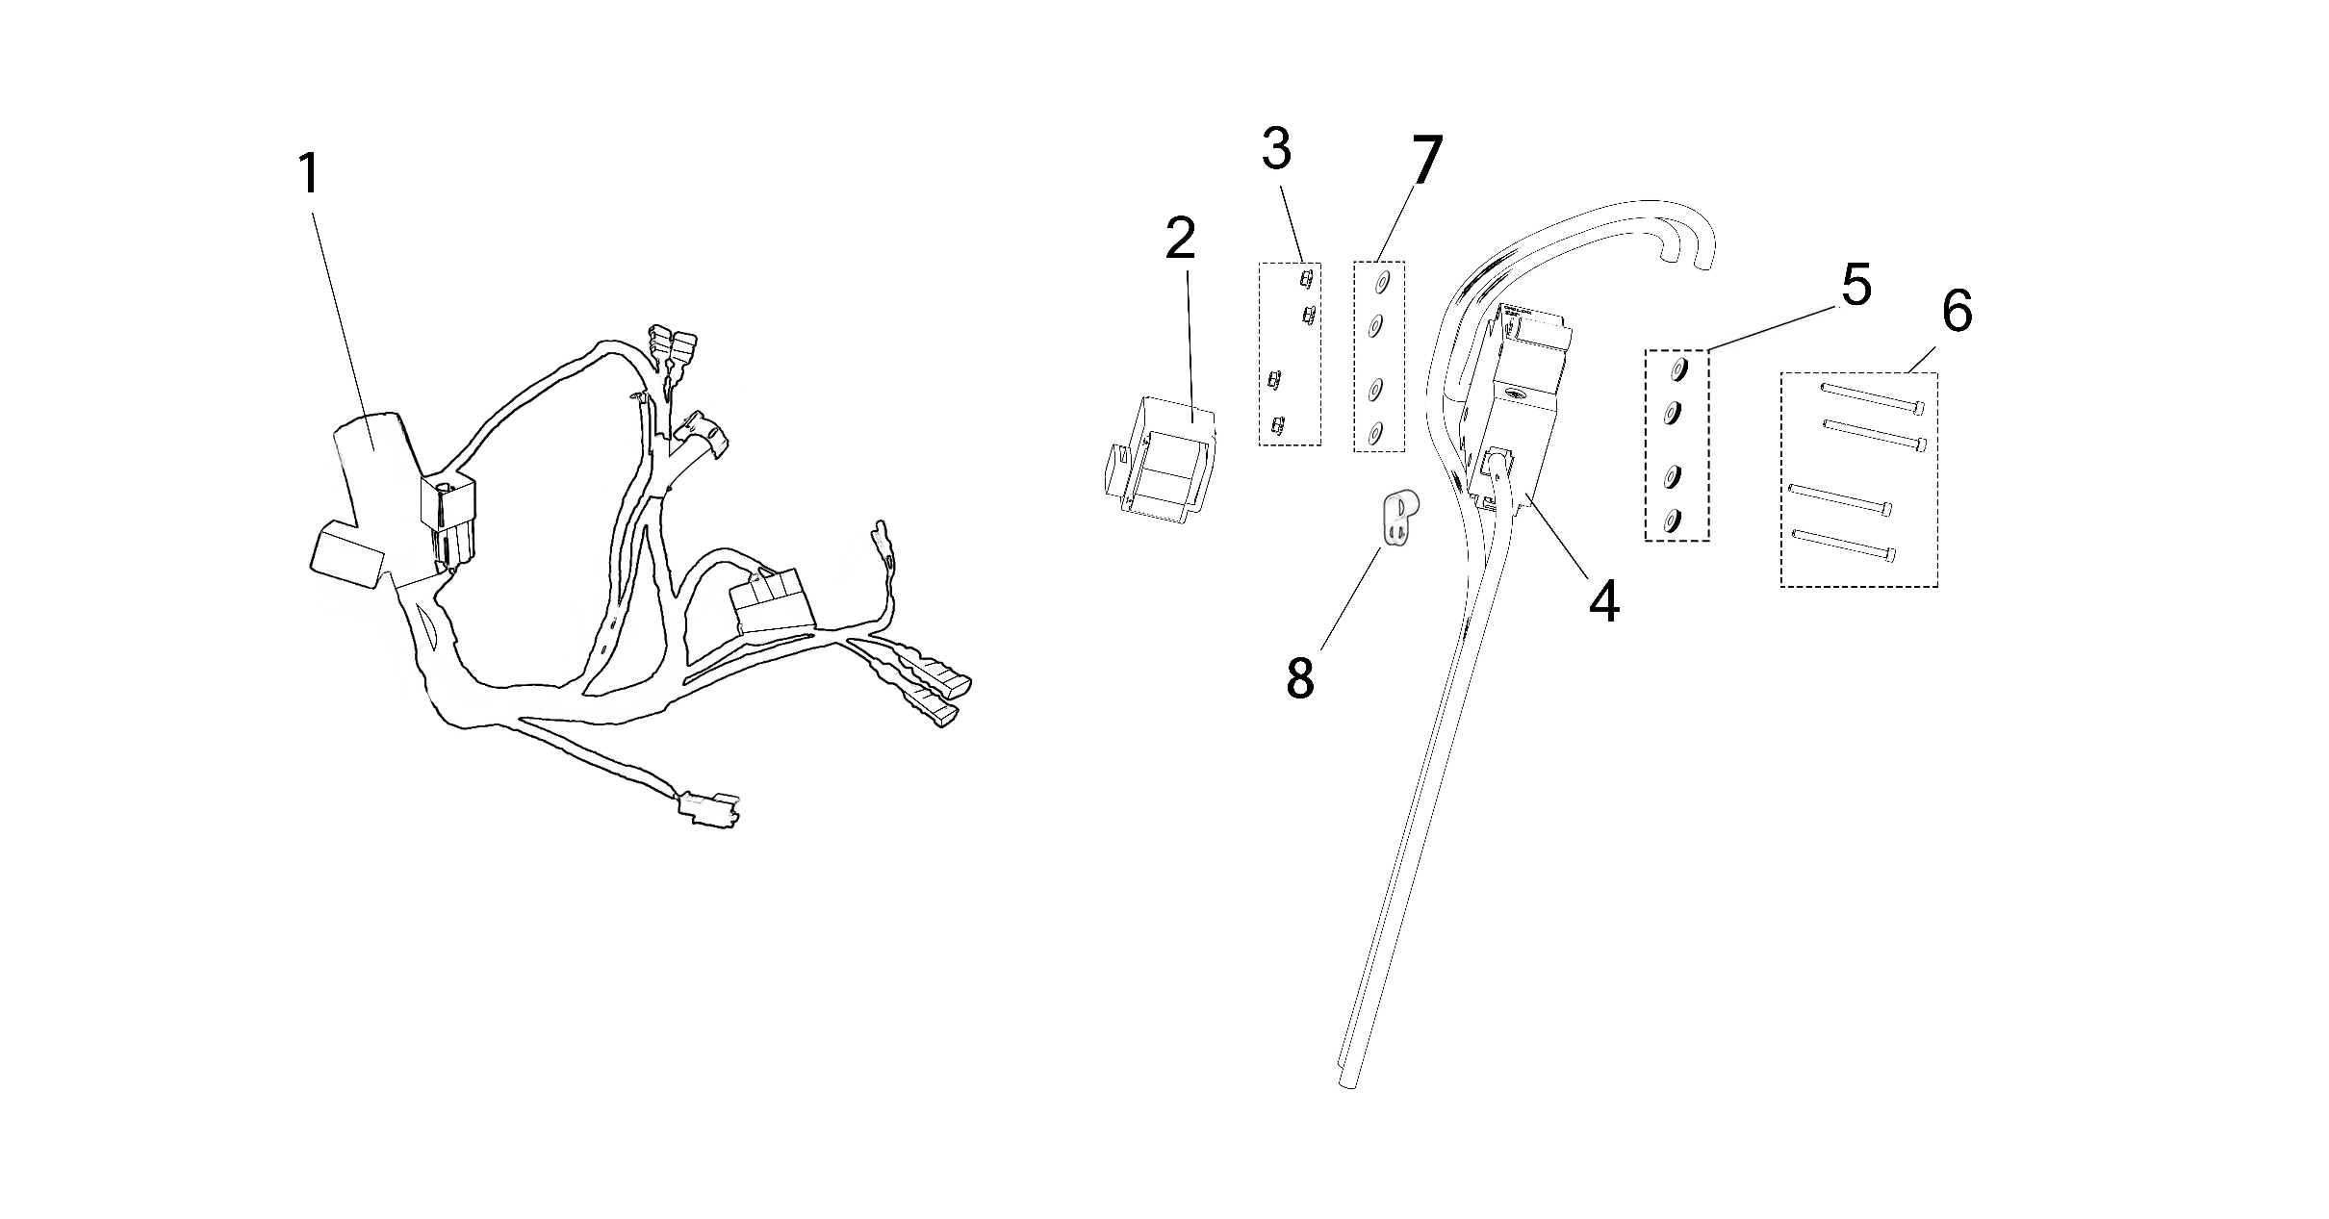

ITEM | PARTS NO. | DESCRIPTION (EN) | QTY. | REMARKS
16_01 | 24100-YQ2A-0100 | Main Wire Assy. | 1
 | 24100-YQ2A-0200 | Main Wire Assy. (X Version) | 1
16_02 | 21250-YQ2A-0000 | Dump Sensor | 1
16_03 | B2-012-03-F2 | Nut (M3) | 4
16_04 | 23500-YQ2A-0000 | Single - Phase Circuit Breaker | 1
16_05 | 81125-YQ2A-0000 | Isolation Washer (Φ7*Φ3.2*5) | 4
16_06 | B3-001-03-040-F2 | Screw (M3*40) | 4
16_07 | B4-001-04-F1 | Washer (Φ4) | 4
16_08 | 81153-NM1A-0000 | Nylon Clip 3 | 1

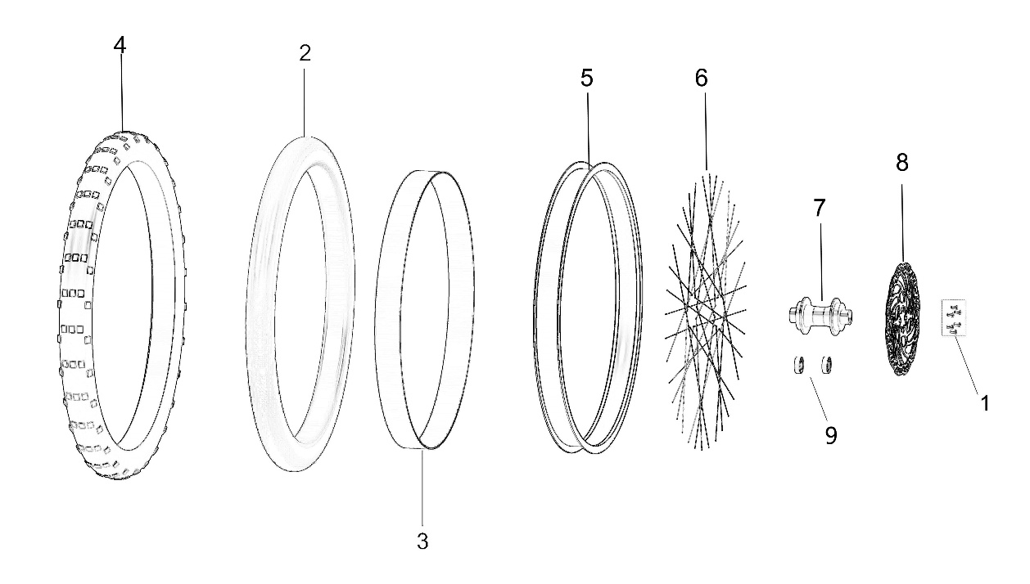
 |  | Illustration-17

ITEM | PARTS NO. | DESCRIPTION (EN) | QTY. | REMARKS
17_01 | FB03-006-05-010-F3 | Screw (M5*10) | 6
17_02 | 51232-YQ2A-0000 | Front Inner Tube | 1
 | 51232-YQ2A-0010 | Front Inner Tube (E-Mark) | 1
17_03 | 51266-YQ2A-0000 | Rim Band | 1
17_04 | 51231-YQ2A-0000 | Front Tire | 1
 | 51231-YQ2A-0010 | Front Tire (E-Mark) | 1
17_05 | 51271-YQ2A-0100 | Front Rim | 1
17_06 | 51290-YQ2A-0002 | Spoke Assy. | 36
17_07 | 51210-YQ2A-0000 | Front Wheel Hub Assy. | 1
17_08 | 52171-YQ2A-0000 | Front Brake Disc | 1
17_09 |  | Front Wheel Bearing (Φ20*Φ32*7) | 2

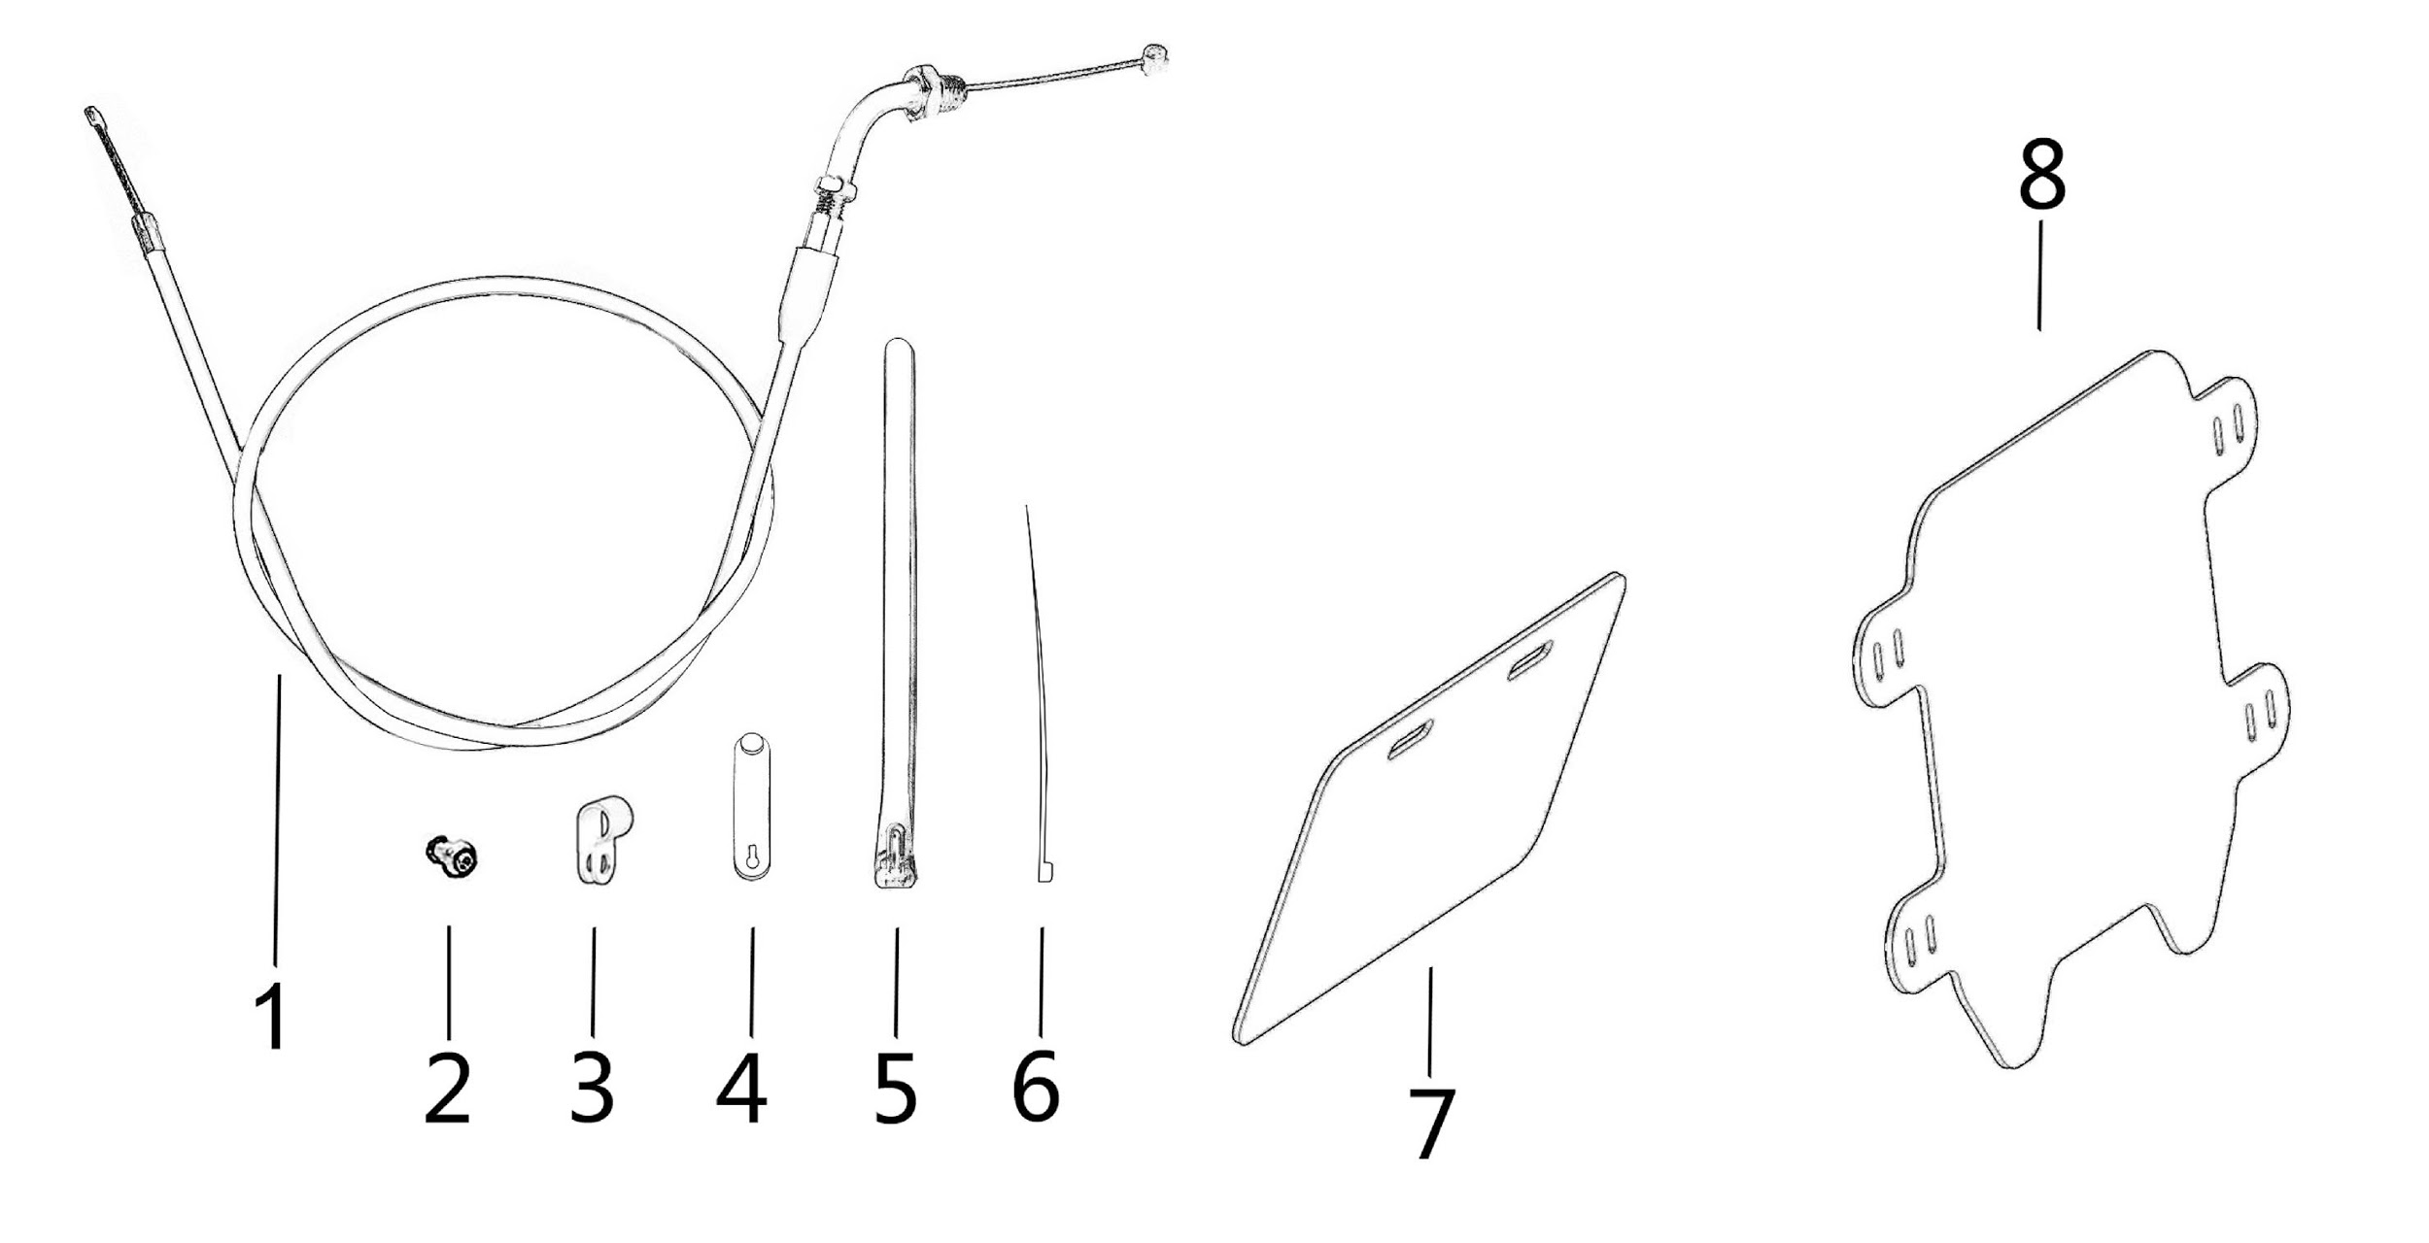
 |  | Illustration-18

ITEM | PARTS NO. | DESCRIPTION (EN) | QTY. | REMARKS
18_01 | 71110-YQ2A-0000 | Throttle Cable | 1
18_02 | FB03-004-008-F2 | Screw (M5*8) | 1
18_03 | 81138-YQ2A-0000 | Nylon Wire Clip 2 | 1
18_04 | 81135-NM1A-0000 | Rubber Strip | 2
18_05 | 81141-YQ2A-0000 | Nylon Strip | 4
18_06 | 81145-NM1A-0000 | Wire Fixing Strip | 7
18_07 | 81181-YQ2A-0000 | Rear Billboard (For Domestic Market) | 1
 | 81181-YQ2A-0001 | Rear Billboard (English Version) |  | English Version
 | 81181-YQ2A-0100 | Rear Billboard (X Version) | 1 | X Version
18_08 | 81182-YQ2A-0000 | Front Number Plate | 1

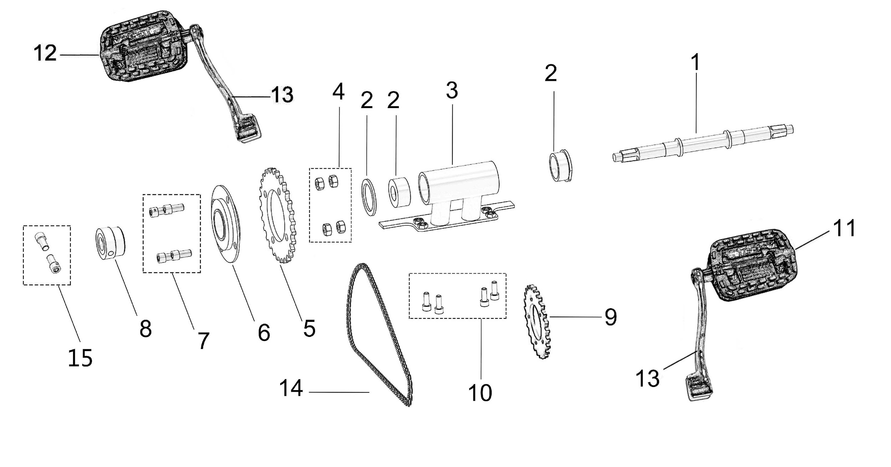
 |  | Illustration-19

ITEM | PARTS NO. | DESCRIPTION (EN) | QTY. | REMARKS
19_01 | 13311-YQ2A-0000 | Mid. Shaft, Kick Pedal System | 1 | Refitting Part
19_02 | 13330-YQ2A-0000 | Mid. Shaft Headset | 1 | Refitting Part
19_03 | 13320-YQ2A-0000 | Mid. Shaft Bracket | 1 | Refitting Part
19_04 | B2-001-08-F2 | Nut (M8) | 4 | Refitting Part
19_05 | 13313-YQ2A-0000 | Fr. Sprocket, Kick Pedal System | 1 | Refitting Part
19_06 | 13312-YQ2A-0000 | Toothless Sprocket | 1 | Refitting Part
19_07 | B3-001-08-016-F2 | Bolt (M8 * 16) | 4 | Refitting Part
19_08 | 13341-YQ2A-0000 | Mounting Housing, Toothless Sprocket | 1 | Refitting Part
19_09 | 13314-YQ2A-0000 | Rr. Sprocket, Kick Pedal System | 1 | Refitting Part
19_10 | B3-001-06-016-F2 | Bolt (M6 * 16) | 4 | Refitting Part
19_11 | 13317-YQ2A-0000 | Left Pedal | 1 | Refitting Part
19_12 | 13318-YQ2A-0000 | Right Pedal | 1 | Refitting Part
19_13 | 13315-YQ2A-0000 | crank | 2 | Refitting Part
19_14 | 13319-YQ2A-0000 | Chain, Kick Pedal System | 1 | Refitting Part
19_15 | B3-001-08-016-F2 | Bolt (M8 * 16) | 2 | Refitting Part

 |  | Illustration-20
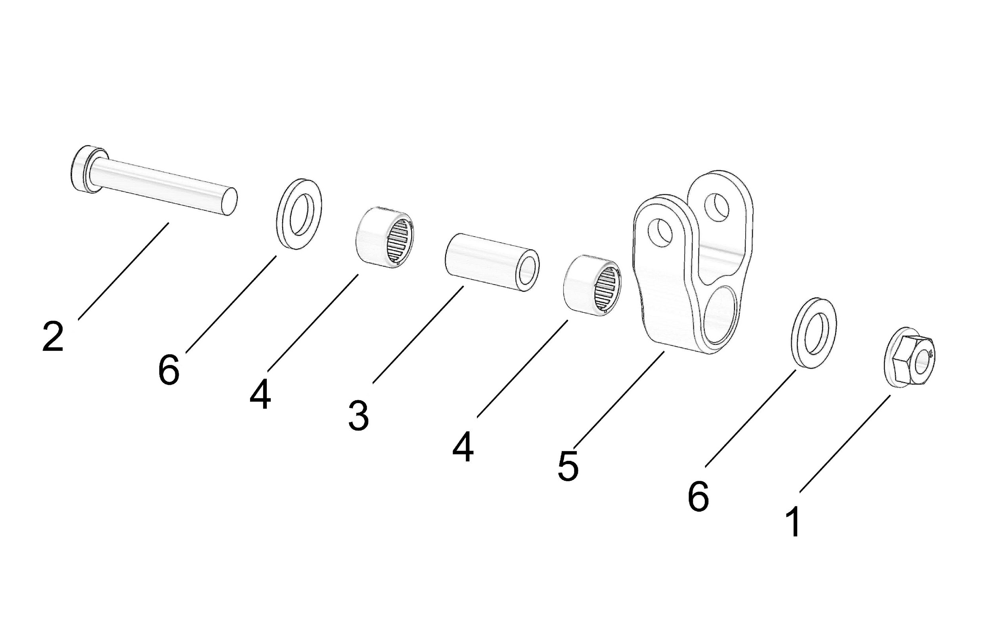

ITEM | PARTS NO. | DESCRIPTION (EN) | QTY. | REMARKS
20_01 | B2-006-08-F1 | Nut (M8) | 1 | Refitting Part
20_02 | B3-001-08-045-F1 | Bolt (Half-thread L45-M8*20) | 1 | Refitting Part
20_03 | 55172-YQ2A-0000 | Mounting bushing for Damping adapter | 1 | Refitting Part
20_04 | Z-HK1210-16-12-10 | Mounting bearing for Damping adapter | 2 | Refitting Part
20_05 | 55171-YQ2A-0000 | Damping adapter | 1 | Refitting Part
20_06 | 55163-YQ2A-0000 | Washer (Φ12-Φ20-2) | 2 | Refitting Part

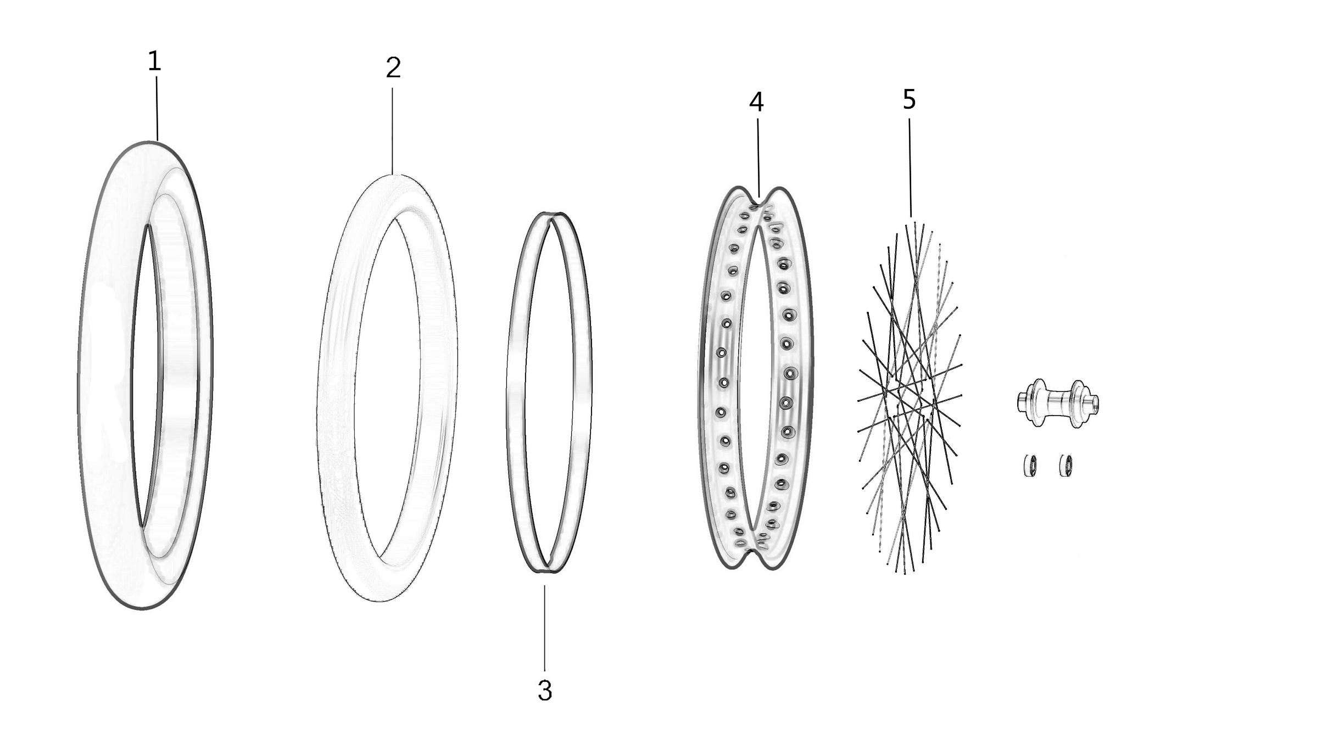
 |  | Illustration-21

ITEM | PARTS NO. | DESCRIPTION (EN) | QTY. | REMARKS
21_01 | 51231-YQ2A-0100 | Front Tire (Super Motor Tire Kit) | 1 | Refitting Part
21_02 | 51232-YQ2A-0100 | Front Inner Tube (Super Motor Tire Kit) | 1 | Refitting Part
21_03 | 51266-YQ2A-0100 | Rim Band (Super Motor Tire Kit) | 1 | Refitting Part
21_04 | 51271-YQ2A-0200 | Front Rims (Super Motor Tire Kit) | 1 | Refitting Part
21_05 | 51290-YQ2A-0004 | Spoke Assy. (Super Motor Tire Kit) | 36 | Refitting Part

 |  | Illustration-22
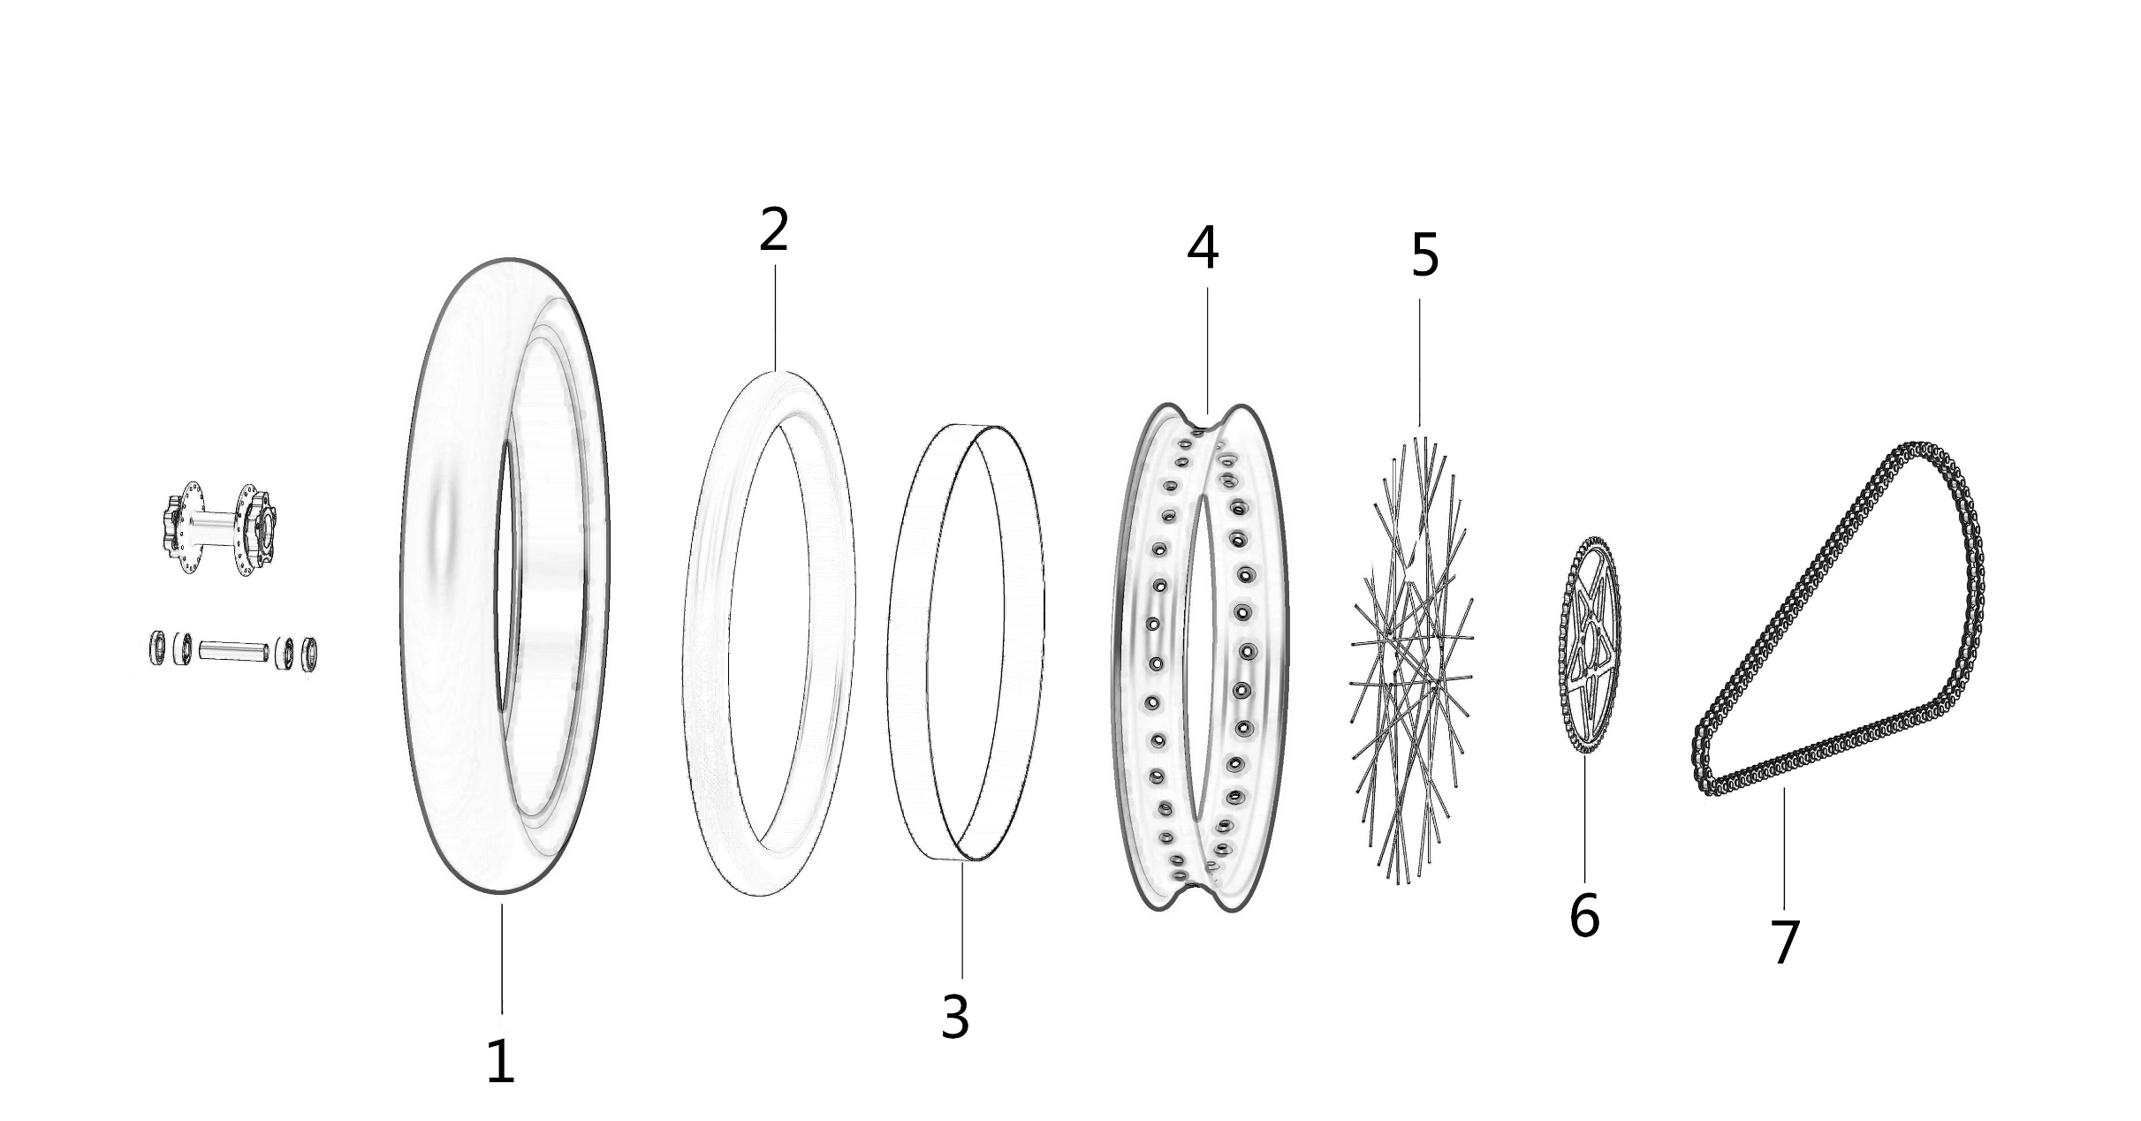

ITEM | PARTS NO. | DESCRIPTION (EN) | QTY. | REMARKS
22_01 | 51331-YQ2A-0000 | Rear Tire (Super Motor Tire Kit) | 1 | Refitting Part
22_02 | 51332-YQ2A-0000 | Rear Inner Tube (Super Motor Tire Kit) | 1 | Refitting Part
22_03 | 51266-YQ2A-0100 | Rim Band (Super Motor Tire Kit) | 1 | Refitting Part
22_04 | 51371-YQ2A-0000 | Rear Rim (Super Motor Tire Kit) | 1 | Refitting Part
22_05 | 51390-YQ2A-0002 | Spoke Assy. (Super Motor Tire Kit) | 36 | Refitting Part
22_06 | 13204-YQ2A-0100 | Sprocket (42T) | 1 | Refitting Part
22_07 | 13114-YQ2A-0200 | Chain (102 connection for 42T Sprocket) | 1 | Refitting Part

