Spare Parts List
F-1
D1
8
Head Light
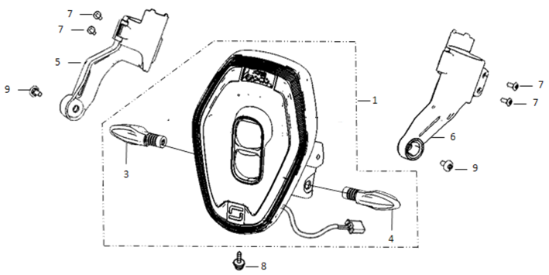
Ref. No. | Part No. | Description(EN) | Reqd.QTY | Remarks
1 | 33100-QSM-A000 | Light Assy, RR. Combination | 1
5 | 53250-QSM-A001 | Holder Assy,Right Headlight | 1
6 | 53260-QSM-A001 | Holder Assy,Left Headlight | 1
7 | 96704-QSM-A00 | Socket Screw 4x12 | 4
8 | 95701-06012-08 | Flange Bolt 6X12 | 1
9 | 95101-QSM-A00 | Socket Screw Special M6 | 2

F-2
F-2
D2
Speedometer
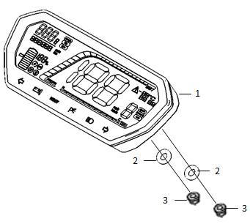
Ref. No. | Part No. | Description(EN) | Reqd.QTY | Remarks
1 | 37200-QSM-A310-M2 | Speedometer Assy. | 1
3 | 94050-06080 | Flange Nut 6 | 2

F-3
D3
Handle Lever/Switch/Back Mirror
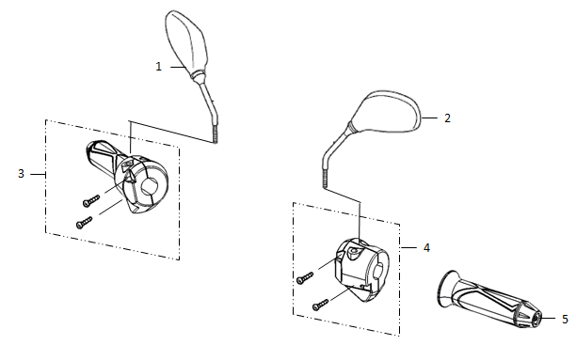
Ref. No. | Part No. | Description(EN) | Reqd.QTY | Remarks
1 | 88109-QSM-A000 | Mirror Assy,R Back | 1
2 |  | Mirror Assy,L Back | 1
3 | 35150-QSM-A00 | Switch Assy, Right | 1
4 | 35200-QSM-A700 | Switch Assy, Left | 1
5 | 30400-QSM-A00 | Grip Left,Handle | 1

F-4
D4
Front Brake
 | 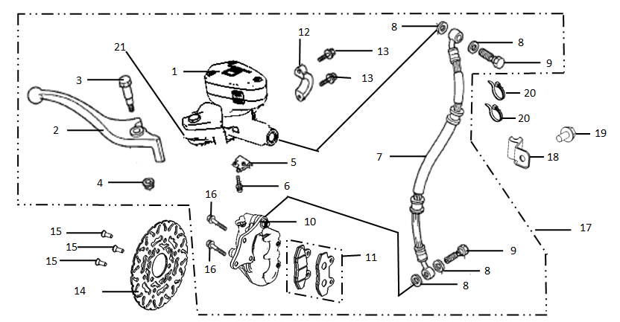
Ref. No. | Part No. | Description(EN) | Reqd.QTY | Remarks
2 | 53175-QSM-A00 | Lever,RR. Steering Handle | 1
6 | 93500-04012-1G | Screw Pan 4X12 | 1
11 | 45310-QSM-A00 | Pad Set, Front. | 1
14 | 45251-QSM-A100 | Disc,RR Brake | 1
15 | 90105-QSM-A00 | Bolt Brake Disc 8X22 | 3
17 | 45000-QSM-A10 | Brake Assy,FR（Set） | 1
19 | 95701-06012-08 | Flange Bolt 6X12 | 1
20 | 90620-QSM-A00 | Band Wire C 4*200(Black) | 2
21 | 35340-QSM-A000 | Front Brake Switch | 1
D5
F-5
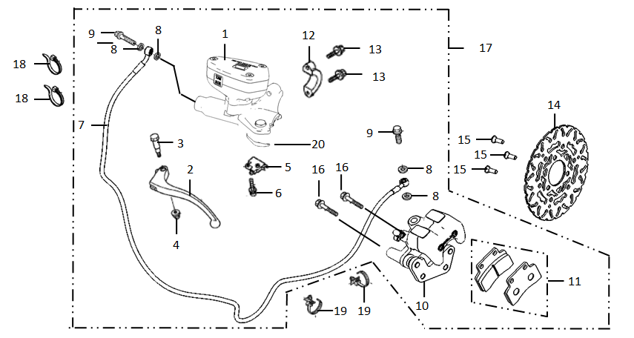
Rear Brake

Ref. No. | Part No. | Description(EN) | Reqd.QTY | Remarks
2 | 53176-QSM-A00 | Lever, L. Steering Handle | 1
6 | 93500-04012-1G | Screw Pan 4X12 | 1
11 | 43310-QSM-A00 | Pad Set, RR. | 1
13 | 95801-06022-08 | Bolt,Flange 6X22 | 2
14 | 41300-QSM-A10 | Disc,RR Brake | 1
15 | 90105-QSM-A00 | Bolt Brake Disc 8X22 | 3
17 | 43000-QSM-A10 | Brake Assy,RR（Set） | 1
18 | 90620-QSM-A00 | Band Wire C 4*200(Black) | 2
19 | 95140-KYV-C02 | Clip Wire | 2
20 | 35345-QSM-A000 | Rear Brake Switch | 1

F-6
D6
8
Handle Pipe/Top Bridge
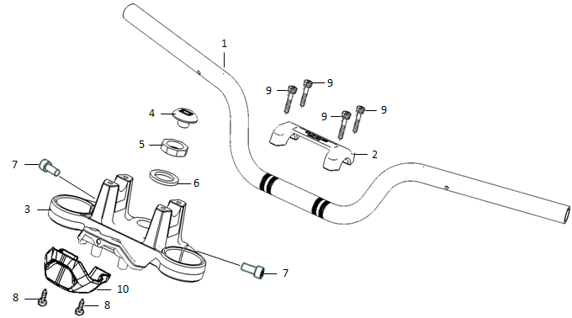
Ref. No. | Part No. | Description(EN) | Reqd.QTY | Remarks
1 | 53100-QSM-A00 | Pipe,Steering Handle | 1
2 | 53131-QSM-A00 | Holder,Handle Upper | 1
3 | 53230-QSM-A00 | Bridge,Fork Top | 1
4 | 53235-QSM-A00 | Cover ,Stem | 1
5 | 90304-QSM-A00 | Nut,Steering Stem | 1
6 | 90503-QSM-A00 | Washer,Steering Stem | 1
7 | 96708-QSM-A00 | Socket Bolt 8X20 | 2
8 | 93500-06012-0H | Screw Pan 6X12 | 2
9 | 96700-06016-08 | Socket Bolt 6x16 | 4
10 | 53132-QSM-A00 | Under Cover,Top Bridge | 1

F-7
D7
Steering Stem
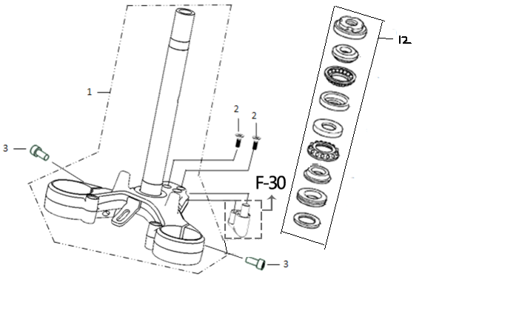
Ref. No. | Part No. | Description(EN) | Reqd.QTY | Remarks
1 | 53200-QSM-A001 | Stem Assy,STRG | 1
2 | 93600-05012-1H | Screw Flat 5X12 | 2
3 | 96708-QSM-A00 | Socket Bolt 8X20 | 2
12 | 53219-QSM-A000 | Suite For Eight Pieces of Steering Pressure Bearings | 1

F-8
F-8
D8
Front Fender
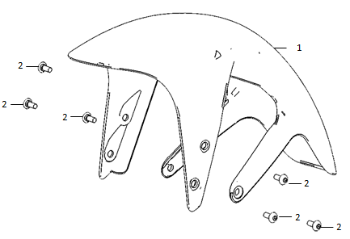
Ref. No. | Part No. | Description(EN) | Reqd.QTY | Remarks
1 | 61100-QSM-A000-S | Fender,Front | 1
 |  | *MB01N* …………King Kong Black | 1
 |  | *MS01M* …………Flash Silver | 1
 |  | *MW01P* …………Polar White | 1
 |  | *WA01P* …………Magical Orange | 1
 |  | *WR01N* …………Roaring Flame Red | 1
2 | 95101-QSM-A00 | Socket Screw Special M6 | 6
D9
F-9
Front Fork
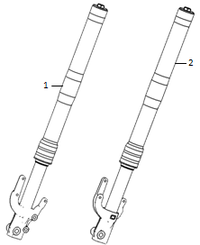
Ref. No. | Part No. | Description(EN) | Reqd.QTY | Remarks
1 | 51400-QSM-A011-M1 | Fork Assy,R FR *MS06A* ………………AOC Grey Silver | 1
2 | 51500-QSM-A011-M1 | Fork Assy,L FR *MS06A* ………………AOC Grey Silver | 1
F-10
F-10
D10
Front Wheel
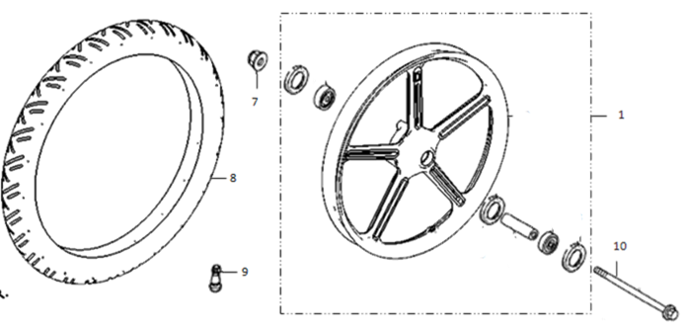
Ref. No. | Part No. | Description(EN) | Reqd.QTY | Remarks
1 | 44800-QSM-A000-M1 | Wheel Assy,Front | 1
7 | 90307-QSM-A00 | Nut,Special Flange M12 | 1
8 | 42701-QSM-A000-M1 | Tire(70/100-17) | 1
9 | 42702-QSM-A00 | Valve,Rim | 1

F-11
D11
Rear Wheel
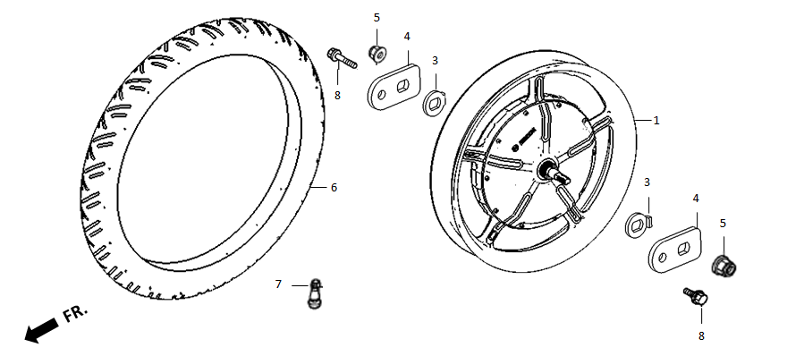
Ref. No. | Part No. | Description(EN) | Reqd.QTY | Remarks
1 | 31100-QSM-A100-M1 | Motor Assy,RR Wheel(1200W ) | 1
5 | 90305-QSM-A00 | Nut M16(SET) | 2
6 | 42701-QSM-A600-M1 | Tire,RR(100/70-17) | 1
7 | 42702-QSM-A00 | Valve,Rim | 1
8 | 95701-06012-08 | Flange Bolt 6X12 | 2

F-12
D12
Stand
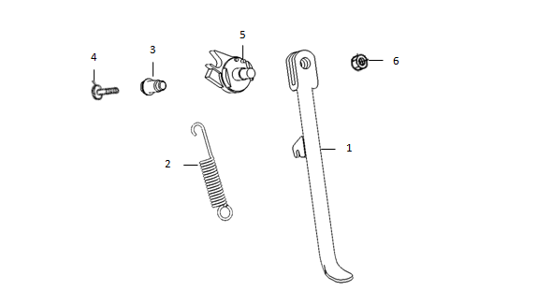
Ref. No. | Part No. | Description(EN) | Reqd.QTY | Remarks
1 | 50530-QSM-A00 | Bar Comp,Side Stand | 1
2 | 95014-72102 | SPG.A,Side Stand | 1
3 | 90110-QSM-A00 | Pivot,Side Stand | 1
4 | 90101-QSM-A00 | Screw,Side Stand SW. | 1
5 | 35160-QSM-A00 | SW.Set,Side Stand | 1
6 | 94031-10080 | Nut Hex 10MM | 1

F-13
D13
Step
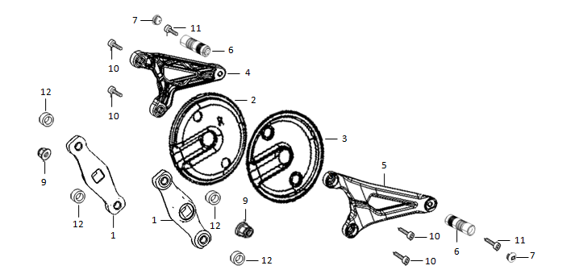
Ref. No. | Part No. | Description(EN) | Reqd.QTY | Remarks
1 | 50600-QSM-A00 | Link Stay,Step | 2
2 | 50615-QSM-A00 | R Cover,Pivot | 1
3 | 50625-QSM-A00 | L Cover,Pivot | 1
4 | 50701-QSM-A00 | Holder,Right Step | 1
5 | 50751-QSM-A00 | Holder,Left Step | 1
6 | 50702-QSM-A00 | Step | 2
7 | 50703-QSM-A00 | Cover,Step | 2
9 | 94050-10080 | Flange Nut 10 | 2
10 | 96800-QSM-A00 | Socket Bolt Special 10x26 | 4
11 | 96708-QSM-A00 | Socket Bolt 8x20 | 2
12 | 94104-QSM-A00 | Washer 10 | 2

F-14
D14
11
11
Frame Body
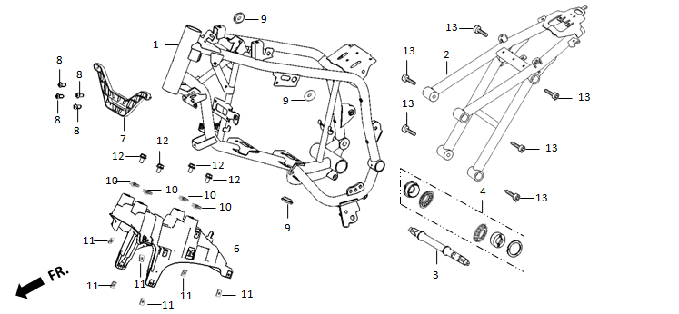
Ref. No. | Part No. | Description(EN) | Reqd.QTY | Remarks
1 | 50100-QSM-A001 | Prime Frame Body Comp | 1
2 | 50200-QSM-A101 | Sub Frame Body Comp | 1
 | 50200-QSM-A600 | Sub Frame Body Comp With Rear License Plate | 1
3 | 50300-QSM-A00 | Shaft,Pillion | 1
4 | 50301-QSM-A00 | Set,Pillion Shaft | 1
6 | 50501-QSM-A00 | Holder,Under Body Cover | 1
7 | 50500-QSM-A00 | Holder,FR Body Cover | 1
8 | 93500-05012-0H | Screw Pan 5X12 | 4
10 | 84601-QSM-A000 | Nut Spring M6 | 4
11 | 90303-GCC-000 | Nut Spring M4 | 6
12 | 95701-06012-08 | Flange Bolt 6X12 | 4
13 | 90108-QSM-A00 | Trox 8x25 | 6

F-15
D15
6
Swingarm
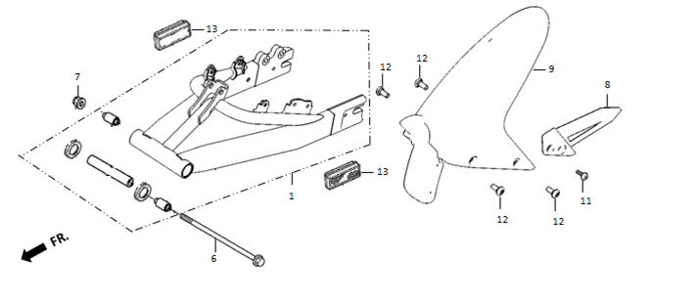
Ref. No. | Part No. | Description(EN) | Reqd.QTY | Remarks
1 | 52100-QSM-A000 | Swingarm Assy,RR | 1
6 | 52101-QSM-A00 | Bolt,Swingarm Pivot | 1
7 | 90307-QSM-A00 | Nut,FLlange M12(PT) | 1
9 | 80100-QSM-A00 | Lower,RR Fender | 1
11 | 93500-06012-0H | Screw Pan 6X12 | 1
12 | 95101-QSM-A00 | Socket Screw Special M6 | 4
13 | 33742-QSM-A001 | Reflector,Side, Emark | 2
D16
F-16
Rear Cushion
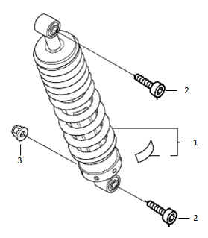
Ref. No. | Part No. | Description(EN) | Reqd.QTY | Remarks
1 | 52400-QSM-A010-M1 | Cushion Assy,RR | 1
2 | 90109-QSM-A00 | Trox 10x40 | 2
3 | 90306-QSM-A00 | Nut,Flange M10x1.5(PT) | 1

F-17
D17
Seat
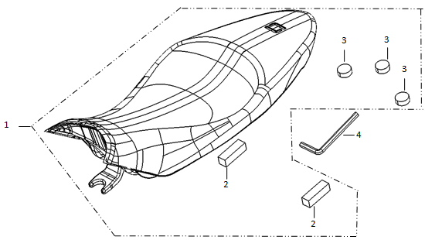
Ref. No. | Part No. | Description(EN) | Reqd.QTY | Remarks
1 | 77200-QSM-A001 | Seat Comp Double | 1
4 | 89101-QSM-A00 | Socket Wrench(M10) | 1

F-18
D18
Battery

Ref. No. | Part No. | Description(EN) | Reqd.QTY | Remarks
1 | 80150-QSM-A00 | Holder,Battery | 1
2 | 80148-QSM-A00 | R PCS,Cabin Battery. | 1
3 | 80149-QSM-A00 | L PCS,Cabin Battery. | 1
4 | 80146-QSM-A00 | FR PCS,Cabin Battery. | 1
5 | 80147-QSM-A00 | RR PCS,Cabin Battery. | 1
7 | 31500-QSM-A300 | Battery,Assy（60V 26Ah） | 1
8 | 90303-GCC-000 | Nut Spring M4 | 4
9 | 93606-QSM-A00 | Screw Flat 6X25 | 4
13 | 77272-QSM-A00 | Cover,Battery Lock | 1
14 | 93903-QSM-A00 | Tapping Screw 4X12 | 2

F-19
D19
4
20
21
Inner Box Cover
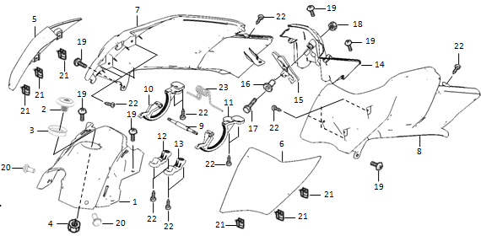
Ref. No. | Part No. | Description(EN) | Reqd.QTY | Remarks
1 | 80115-QSM-A000 | Front Cowl,Inner Box | 1
2 | 35040-QSM-A00 | Starter SW. Assy | 1
5 | 80135-QSM-A000-S | R Garnish Set,Inner Box Cover | 1
6 | 80136-QSM-A000-S | L Garnish Set,Inner Box Cover | 1
7 | 80155-QSM-A00 | R Cowl,Inner Box | 1
8 | 80165-QSM-A00 | L Cowl,Inner Box | 1
9 | 80127-QSM-A00 | Shaft,Inner Box Cover | 1
10 | 80128-QSM-A00 | R Gear,Inner Box Cover | 1
11 | 80129-QSM-A00 | L Gear,Inner Box Cover | 1
12 | 80124-QSM-A00 | Cover R,Inner Box Cover Shaft | 1
13 | 80125-QSM-A00 | Cover L,Inner Box Cover Shaft | 1
14 | 80175-QSM-A00 | RR Cowl,Inner Box | 1
15 | 77260-QSM-A00 | Catch Assy,Inner Box Cover | 1
17 | 93301-04025-0H | Bolt4X25 | 1
18 | 94001-QSM-A00 | Nut M4 | 1
19 | 93500-06012-0H | Screw Pan 6X12 | 6
20 | 91509-GE2-760 | Screw Pan 5X11.5 | 2
21 | 90303-GCC-000 | Nut Spring M4 | 6
22 | 93903-QSM-A00 | Tapping Screw 4X12 | 14
23 | 80140-QSM-A00 | Spring,Inner Box Cover | 1

F-20
D20
Inner Box
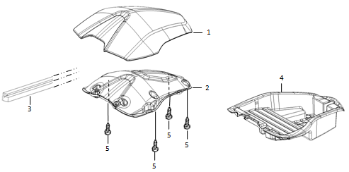
Ref. No. | Part No. | Description(EN) | Reqd.QTY | Remarks
1 | 80121-QSM-A000-S | Cover Set,Inner Box | 1
2 | 80126-QSM-A000 | Patch,Inner Box Cover | 1
3 | 80122-QSM-A00 | Seal,Inner Box Cover | 1
4 | 80145-QSM-A001 | Box,Inner | 1
5 | 93903-QSM-A10 | Tapping Screw 4X12 | 4

F-21
D21
7
Front Cover
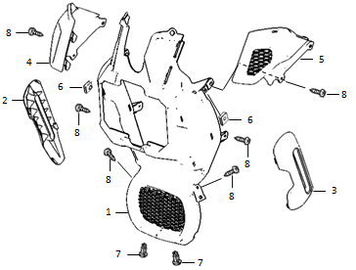
Ref. No. | Part No. | Description(EN) | Reqd.QTY | Remarks
1 | 83565-QSM-A00 | FR,Body Cover | 1
2 | 83575-QSM-A000-S | R Garnish Set,Body Cover *MS03M* | 1
3 | 83585-QSM-A000-S | L Garnish Set,Body Cover *MS03M* | 1
4 | 83400-QSM-A00 | Cover R,FR Body Cover Upper | 1
5 | 83405-QSM-A00 | Cover L,FR Body Cover Upper | 1
6 | 84601-QSM-A00 | Nut Spring M6 | 2
7 | 90683-GAZ-980 | Cllip,Trim | 2
8 | 93903-QSM-A00 | Tapping Screw 4X12 | 4

F-22
D22
Body Cover
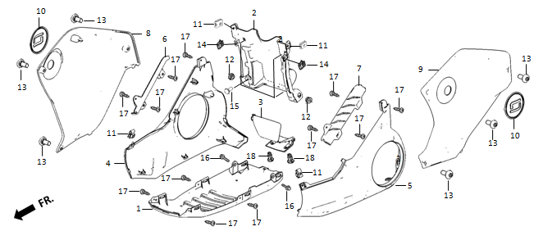
Ref. No. | Part No. | Description(EN) | Reqd.QTY | Remarks
1 | 83555-QSM-A00 | Under,Body Cover | 1
2 | 83595-QSM-A00 | RR Upper,Body Cover | 1
3 | 83596-QSM-A00 | RR LOWER,Body Cover | 1
4 | 83535-QSM-A000-S | R Lower Set,Body Cover *MS02M* ………………Dark Silver | 1
5 | 83545-QSM-A000-S | L Lower Set,Body Cover *MS02M* ………………Dark Silver | 1
6 | 83536-QSM-A00 | R Lower Garnish,Body Cover | 1
7 | 83546-QSM-A00 | L Lower Garnish,Body Cover | 1
8 | 83515-QSM-A000-S | R Upper Set,Body Cover | 1
9 | 83525-QSM-A000-S | L Upper Set,Body Cover | 1
10 | 83516-QSM-A001 | Logo | 2
11 | 84601-QSM-A00 | Nut Spring M6 | 4
12 | 83542-KPN-900 | Grommet,Elongated | 2
13 | 95101-QSM-A00 | Socket Screw Special M6 | 6
14 | 90303-GCC-000 | Nut Spring M4 | 2
15 | 91509-GE2-760 | Screw Pan 5X11.5 | 4
16 | 95701-06012-08 | Flange Bolt 6X12 | 2
17 | 93903-QSM-A00 | Tapping Screw 4X12 | 12
18 | 90683-GAZ-980 | Riveting Clip | 2

F-23
D23
Rear Cowl

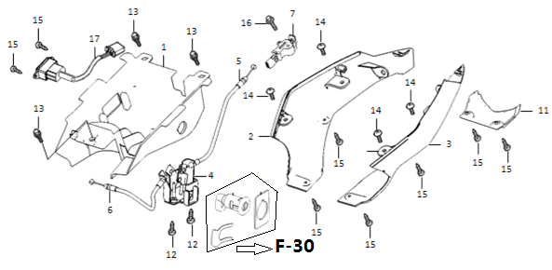
13
7
12
Ref. No. | Part No. | Description(EN) | Reqd.QTY | Remarks
1 | 80101-QSM-A00 | Under Cover,Seat | 1
2 | 77215-QSM-A00 | R,RR Cowl | 1
3 | 77225-QSM-A00 | L,RR Cowl | 1
5 | 77240-QSM-A00 | Cable,Seat Lock | 1
6 | 77250-QSM-A00 | Cable,Inner Box Cover | 1
7 | 77232-QSM-A00 | Catch Comp,Seat | 1
11 | 77230-QSM-A00 | Under Cover,T/L | 1
12 | 93500-05012-0H | Screw Pan 5X12 | 2
13 | 90111-QSM-A00 | Flange Special Bolt M6 | 3
14 | 93500-06012-0H | Screw Pan 6X12 | 4
15 | 93903-QSM-A10 | Tapping Screw 4X12 | 6
16 | 95701-06012-08 | Flange Bolt 6X12 | 1
17 | 35310-QSM-A00 | Socket,Charger | 1
D24
F-24
Rear Fender
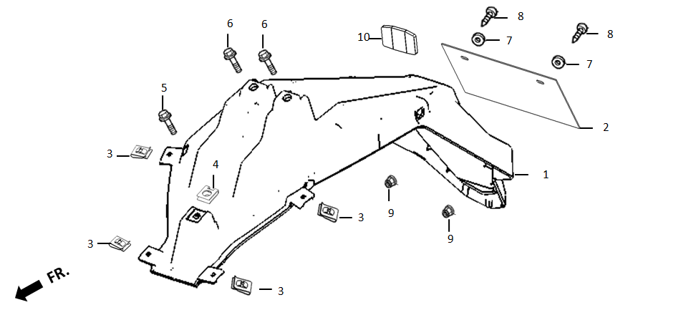
Ref. No. | Part No. | Description(EN) | Reqd.QTY | Remarks
1 | 80105-QSM-A00 | UPPER,RR FENDER | 1
2 | 80200-QSM-A00 | PLATE,AD. | 1
3 | 90303-GCC-000 | NUT SPRING M4 | 4
4 | 84601-QSM-A00 | NUT SPRING M6 | 1
5 | 95701-06012-08 | FLANG BOLT 6X12 | 1
6 | 90111-QSM-A00 | FLANG SPECIAL BOLT M6 | 2
7 | 94101-05000 | WASHER 5mm | 2
8 | 93500-05012-0H | SCREW PAN 5X12 | 2
9 | 94050-05080 | FLANG NUT M5 | 2
10 | 33741-QSM-A00 | REFLECTOR,RR | 1

F-25
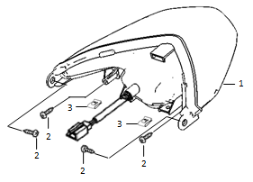
D25
Tail Light

Ref. No. | Part No. | Description(EN) | Reqd.QTY | Remarks
1 | 33700-QSM-A001 | Light Assy,Tail，Emark | 1
2 | 93903-QSM-A00 | Tapping Screw 4X12 | 4
3 | 90303-GCC-000 | Nut Spring M4 | 2

F-26
D26
Rear Winker
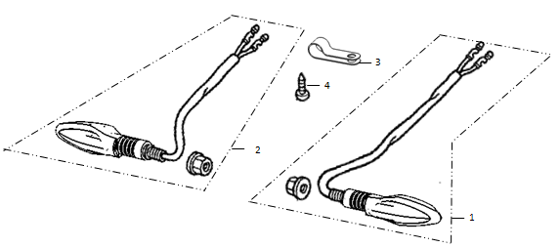
Ref. No. | Part No. | Description(EN) | Reqd.QTY | Remarks
1 | 33400-QSM-A00 | Winker,Right RR | 1
2 | 33450-QSM-A00 | Winker,Left RR | 1
4 | 93903-QSM-A00 | Tapping Screw 4X12 | 1

F-27
D27
Controller/ECU
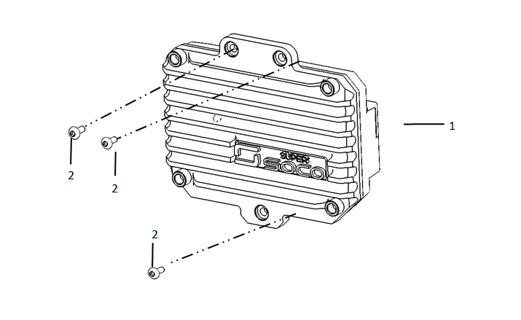
Ref. No. | Part No. | Description(EN) | Reqd.QTY | Remarks
1 | 30100-QSM-A710-M1 | Controller(1300W) | 1
2 | 90107-QSM-A00 | Special Trox 6x12 | 3

F-28
D28
Wire Harness
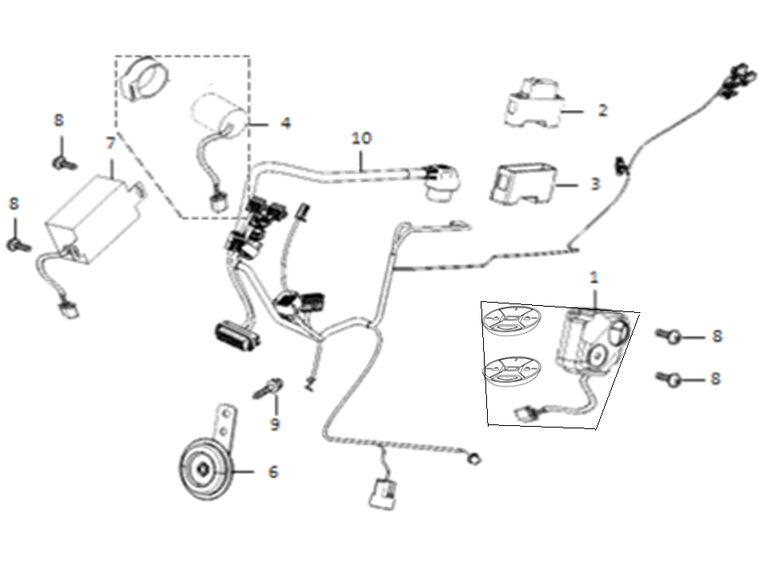
Ref. No. | Part No. | Description(EN) | Reqd.QTY | Remarks
1 | 35020-QSM-A000-K | Alarm(Including Two Remote Controllers) | 1
2 | 35050-QSM-A00 | Circuit Protector | 1
4 | 38300-QSM-A00 | Relay,Winker | 1
6 | 38110-QSM-A50 | Horn Assy,Emark | 1
7 | 32300-QSM-A00 | 12v Adapter | 1
8 | 93500-05012-0H | Screw Pan 5X12 | 4
9 | 95701-06012-08 | Flange Bolt 6X12 | 1
10 | 32100-QSM-A00 | Harness Wire | 1

F-29
D29
Charger
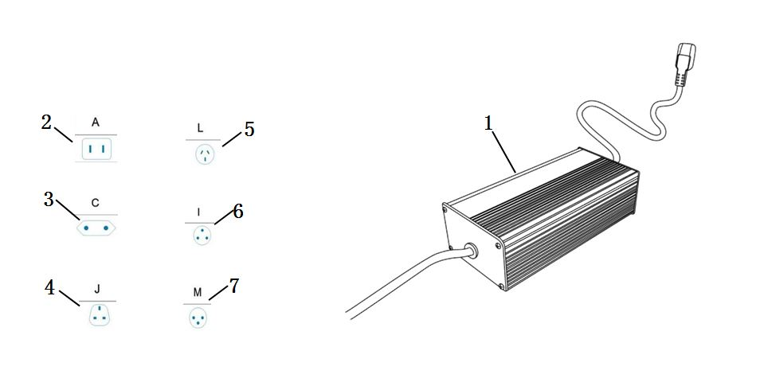
Ref. No. | Part No. | Description(EN) | Reqd.QTY | Remarks
1 | 35300-QSM-A510-M2 |  | 1
2 | 35320-QSM-A500-T1 | Power Cord Type A | 1
3 | 35320-QSM-A500-T2 | Power cord Type C | 1
4 | 35320-QSM-A500-T3 | Power Cord Type J | 1
5 | 35320-QSM-A500-T4 | Power Cord Type L | 1
6 | 35320-QSM-A500-T5 | Power Cord Type I | 1
7 | 35320-QSM-A500-T6 | Power Cord Type M | 1
D30
F-30
Key & Lock
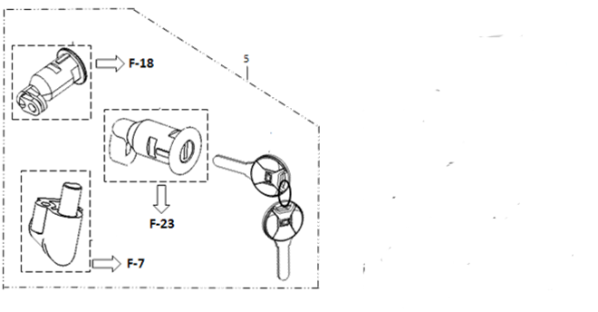
Ref. No. | Part No. | Description(EN) | Reqd.QTY | Remarks
5 | 77220-QSM-A00 | Lock,Kit | 1

F-31
D31
Foot Rest
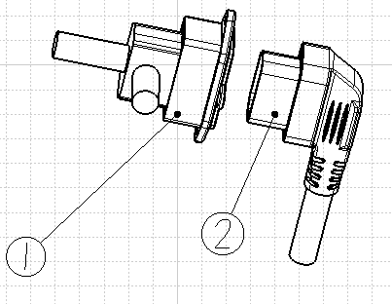 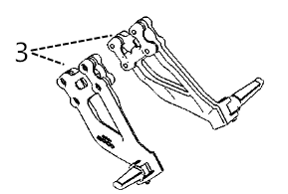
Ref. No | Part No. | Description(EN) | Reqd.QTY | Remarks
1 | 31514-QSM-A000 | Battery Charging/Discharging Socket | 1
2 | 20170505001 | Battery Connecting Cable | 1
3 | 50720-QSM-A600-K | Rear Foot Rest Assy.(Including Bracket,Foot Rest,Screw) | 1
F-33
F-32
Sticker
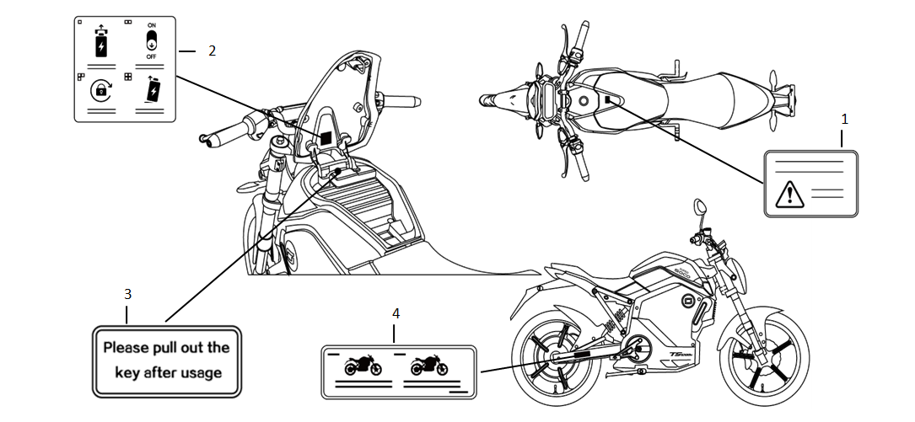
Ref. No. | Part No. | Description(EN) | Reqd.QTY | Remarks
1 | 87560-QSM-A00 | Lable,Drive Caution | 1
 | 87560-QSM-A50 | ………………………… | 1
2 | 87503-QSM-A00 | Lable,Battery Usage | 1
 | 87503-QSM-A50 | ………………………… | 1
3 | 87504-QSM-A00 | Lable,Key Caution | 1
 | 87504-QSM-A50 | ………………………… | 1
4 | 87505-QSM-A00 | Lable,Tire | 1
 | 87505-QSM-A50 | ………………………… | 1
 | 87505-QSM-A900 | English Version,FR Tire:70/100-17,RR Tire:100/70-17,Max Loading Capacity:150kg
 | 87505-QSM-C200 | English Version,FR Tire:90/80-17,RR Tire:110/70-17,Max Loading Capacity:150kg

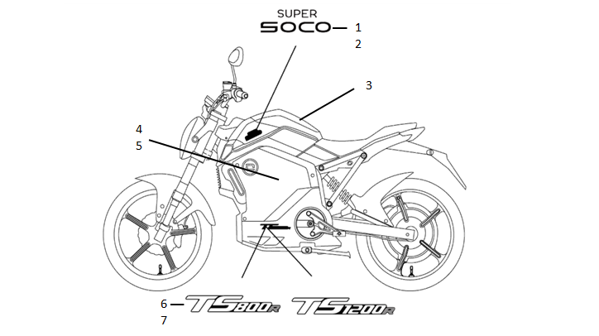
Sticker

Ref. No. | Part No. | Description(EN) | Reqd.QTY | Remarks
TS1200R
1 | 80136-QSM-A000-S1 | Storage Cover Left Garnish Sticker········SUPERSOCO Sticker | 1
2 | 80135-QSM-A000-S1 | Storage Cover Right Garnish Sticker······SUPERSOCO Sticker
6 | 83545-QSM-A300-S1 | Body Lower Left Shield Sticker··············TS1200R Sticker
7 | 83535-QSM-A300-S1 | Body Lower Right Shield Sticker············TS1200R Sticker

