TCmax-95km
F-1
TC Max Spare Parts Book-(95km/h Version)
Headlight
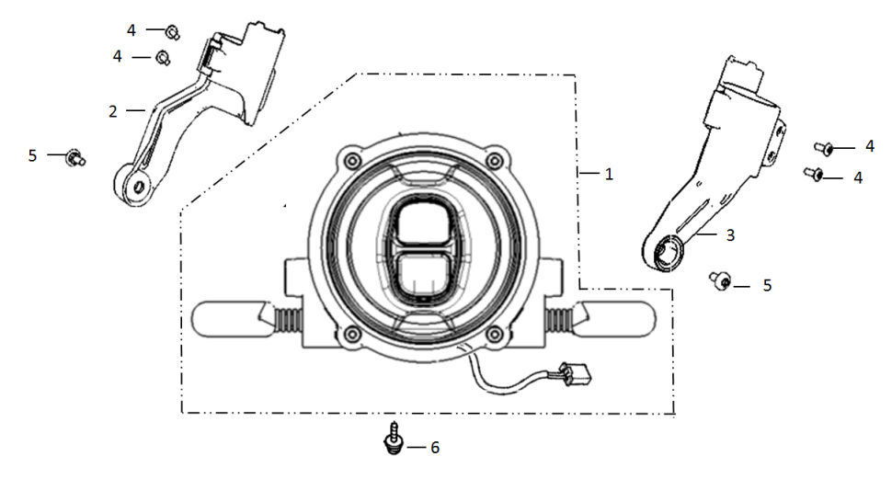
No | Item No | Description(EN) | Qty
1 | 33100-QSM-C011-M1 | Light Assy, RR. Combination | 1
2 | 53250-QSM-A001 | Holder Assy,Right Head Light | 1
3 | 53260-QSM-A001 | Holder Assy,Left Head Light | 1
4 | 96704-QSM-A000 | Socket Screw 4x12 | 4
5 | 95101-QSM-A000 | Socket Screw Special M6 | 2
6 | 95701-06012-08 | Flange Bolt 6X12 | 1

F-2
Speedometer
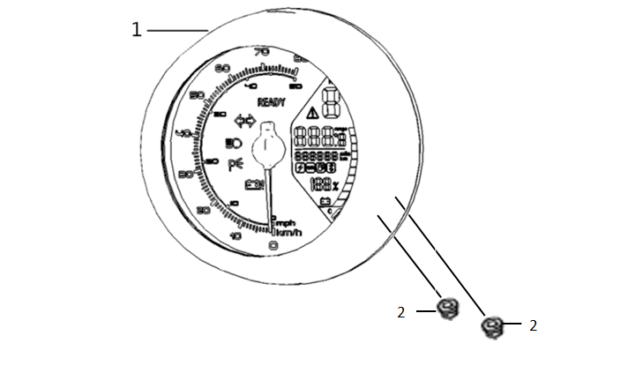
No | Item No | Description(EN) | Qty
1 | 37200-QSM-F010-M1 | Speedometer Assy | 1
2 | 94050-05080 | Flange Nut M5 | 2

F-3
Handle Lever/Switch/Back Mirror
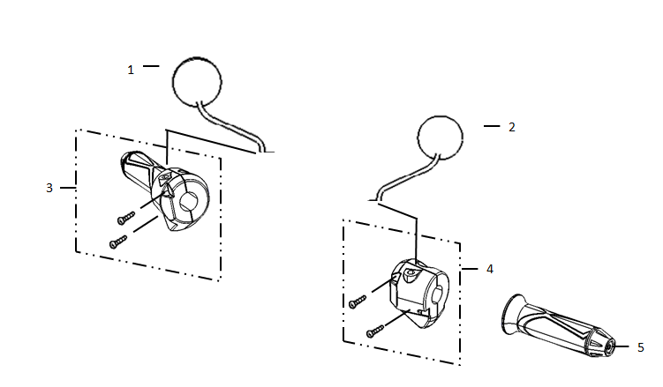
No | Item No | Description(EN) | Qty
1、2 | 88109-QSM-C000 | Rear Mirrow Assy. | 1
3 | 35150-QSM-A500 | Right Switch Assy | 1
4 | 35200-QSM-A700 | Left Switch Assy | 1
5 | 30400-QSM-A000 | Grip Left,Handle | 1

F-4
Brake
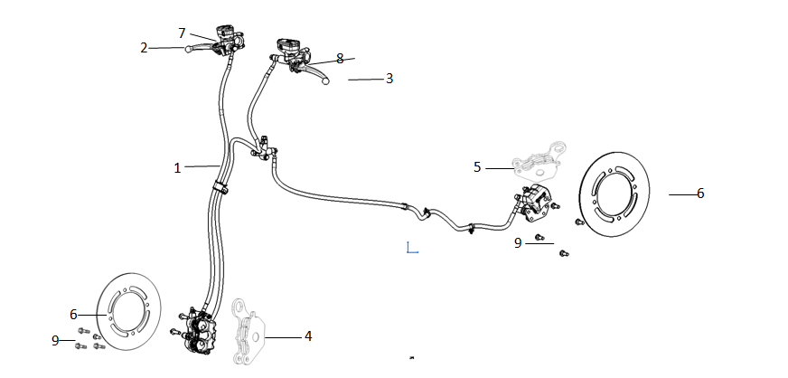
No | Item No | Description(EN) | Qty
1 | 46000-QSM-FA00-M1 | CBS Assy(Including Brake Ssystem, FR & RR) | 1
2 | 53175-QSM-F000 | Lever,FR. Steering Handle | 1
3 | 53176-QSM-F000 | Lever,RR. Steering Handle | 1
4 | 45310-QSM-F000 | Front Brake Pads(Set) | 1
5 | 43310-TAC-A000 | Rear Brake Pads(Set) | 1
6 | 45251-QSM-F010-M1 | Front Brake Disc | 2
7 | 35340-QSM-A000 | Front Brake Switch | 1
8 | 35345-QSM-A000 | Rear Brake Switch | 1
9 | 90105-QSM-A000 | Bolt Brake Disc 8X25 | 8

F-5
Handle Pipe/Top Bridge
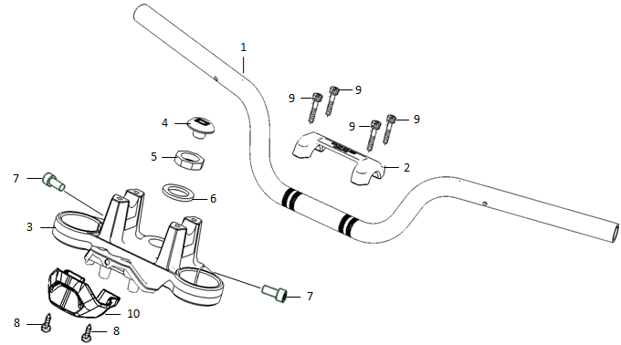
No | Item No | Description(EN) | Qty
1 | 53100-QSM-FA00 | Handlebar Pipe | 1
2 | 53131-QSM-C001 | Handlebar Pipe, Aluminum | 1
3 | 53230-QSM-A000 | Bridge,Fork Top | 1
4 | 53235-QSM-A000 | Cover,Stem | 1
5 | 53220-QSM-A000 | Nut,Steering Stem | 1
6 | 90503-QSM-A000 | Washer,Steering Stem | 1
7 | 96708-QSM-A000 | Socket Bolt 8X20 | 2
8 | 93500-06012-0H | Screw Pan 6X12 | 2
9 | 96700-06016-08 | Socket Bolt 6x16 | 4
10 | 53132-QSM-A000 | Under Cover,Top Bridge | 1

F-6
Steering Stem
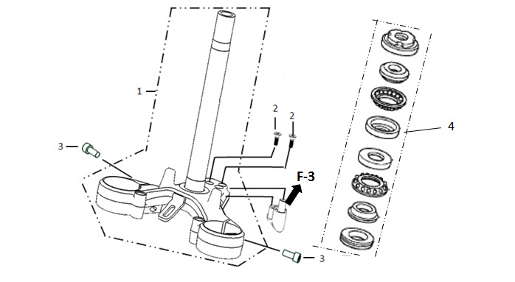
No | Item No | Description(EN) | Qty
1 | 53200-QSM-A001 | Stem Assy,STRG | 1
2 | 93600-05012-1H | Screw Flat 5X12 | 2
3 | 96708-QSM-A000 | Socket Bolt 8X20 | 2
4 | 53219-QSM-A000 | Suite For Eight Pieces of Steering Pressure Bearings | 1

F-7
Front Fender
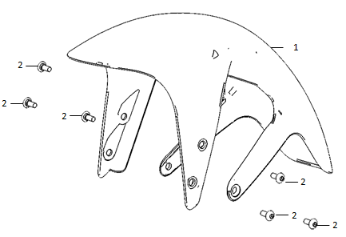
No | Item No | Description(EN) | Qty
1 | 61100-QSM-C000-S | Front Fender, Black-MB03P | 1
2 | 95101-QSM-A000 | Socket Screw Special M6 | 6

F-8
Front Shock
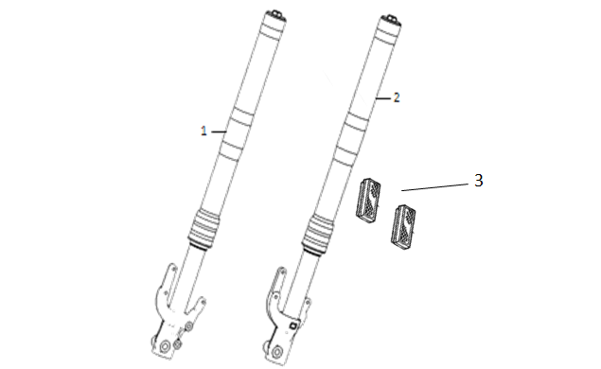
No | Item No | Description(EN) | Qty
1 | 51400-QSM-F010-M1 | Front Right Shock Absorber | 1
2 | 51500-QSM-F010-M1 | Front Left Shock Absorber | 1
3 | 33743-QSM-AE10 | Front Side Reflector--3C/Emark/DOT | 2

F-9
Rear Wheel-Aluminum

No | Item No | Description(EN) | Qty
1 | 42800-QSM-F010-M1 | Rear Motor Assy | 1
2 | 42701-QSM-F010-M1 | Rear Tyre(120/70-17, CY268, Tubeless) | 1
3 | 42301-QSM-F000 | Rear Wheel Axle | 1
4 | 42311-QSM-F000 | Left Bush for Axle | 1
5 | 42312-QSM-F000 | Right Bush for Axle | 1
6 | 90307-QSM-A000 | Flange Bolt M12 | 1
7 | 42702-QSM-A000 | Valve,Rim | 1

F-10
Rear Wheel-Spoke
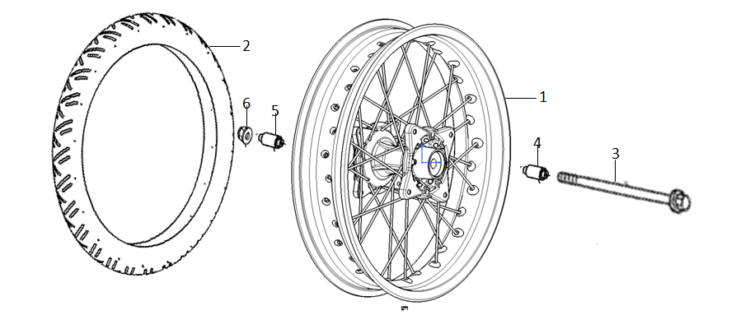
No | Item No | Description(EN) | Qty
1 | 42800-QSM-F100 | Rear Motor Assy | 1
2 | 42701-QSM-F110-M1 | Rear Tyre(120/70-17, CY268, Non-Tubeless) | 1
3 | 42301-QSM-F000 | Rear Wheel Axle | 1
4 | 42311-QSM-F000 | Left Bush for Axle | 1
5 | 42312-QSM-F000 | Right Bush for Axle | 1
6 | 90307-QSM-A000 | Flange Bolt M12 | 1

F-11
Rear Shock

No | Item No | Description(EN) | Qty
1 | 52400-QSM-F010-M1 | Rear Shock Absorber | 1
2 | 90109-QSM-A000 | Trox 10x40 | 2
3 | 90306-QSM-A000 | Nut,Flange M10x1.5(PT) | 1

F-12
Motor
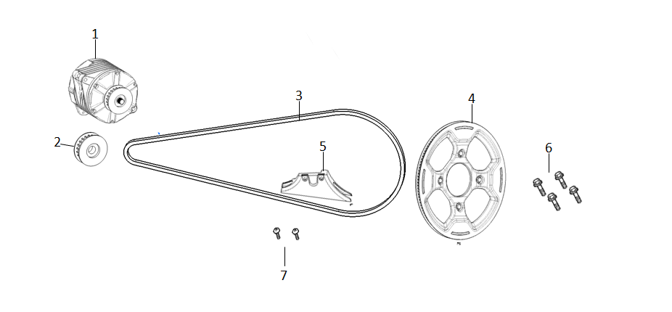
No | Item No | Description(EN) | Qty
1 | 31100-QSM-FA00 | Motor | 1
2 | 41150-QSM-F000 | Small Belt Pulley | 1
3 | 40530-QSM-F000 | Belt | 1
4 | 41100-QSM-F000-M1 | Rear Belt Pulley | 1
5 | 40515-QSM-F000 | Belt Pully Protection Cover | 1
6 | 96700-08030-08 | Socket Bolt 8X30 | 4
7 | 95701-06008-08 | Flange Bolt 6X8 | 2

F-13
Front Wheel-Aluminum
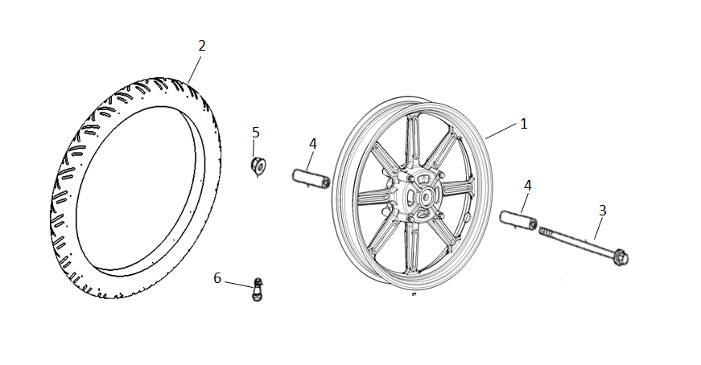
No | Item No | Description(EN) | Qty
1 | 44800-QSM-D010-M1 | Front Wheel Assy | 1
2 | 44701-QSM-C010-M1 | Front Tyre(90/80-17, CY268, Tubeless) | 1
3 | 44301-QSM-A000 | Front Wheel Axle | 1
4 | 44311-QSM-A000 | Axle Bush | 2
5 | 90307-QSM-A000 | Nut,Special Flange M12 | 1
6 | 42702-QSM-A000 | Valve,Rim | 1

F-14
Front Wheel-Spoke
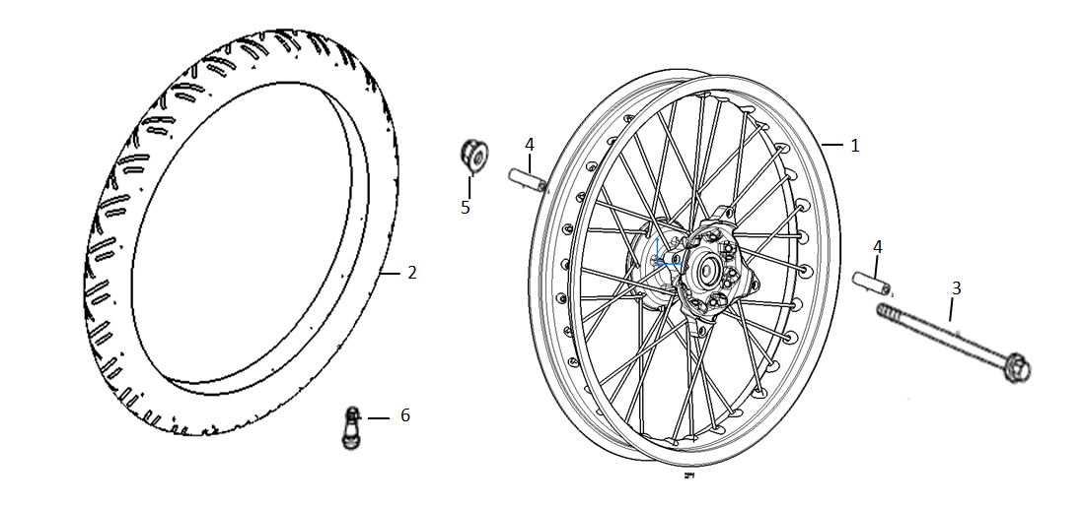
No | Item No | Description(EN) | Qty
1 | 44800-QSM-F100 | Front Wheel Assy | 1
2 | 44701-QSM-F110-M1 | Front Tyre(90/80-17, CY268, Non-Tubeless) | 1
3 | 44301-QSM-A000 | Front Wheel Axle | 1
4 | 44311-QSM-A000 | Axle Bush | 2
5 | 90307-QSM-A000 | Nut,Special Flange M12 | 2

F-15
Side Stand
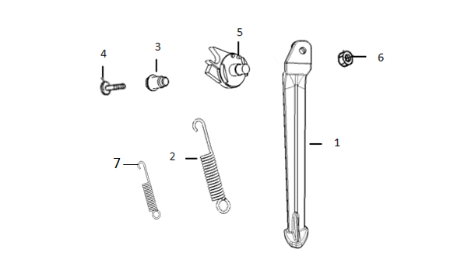
No | Item No | Description(EN) | Qty
1 | 50530-QSM-F000 | Side Stand | 1
2 | 95014-72102 | SPG.A,Side Stand | 1
3 | 90110-QSM-F000 | Pivot,Side Stand | 1
4 | 90101-QSM-A000 | Screw,Side Stand SW. | 1
5 | 35160-TAC-A000 | SW.Set,Side Stand | 1
6 | 94031-10080 | Nut Hex 10MM | 1
7 | 95014-72112 | Side Stand Side-Spring | 1

F-16
Frame Body
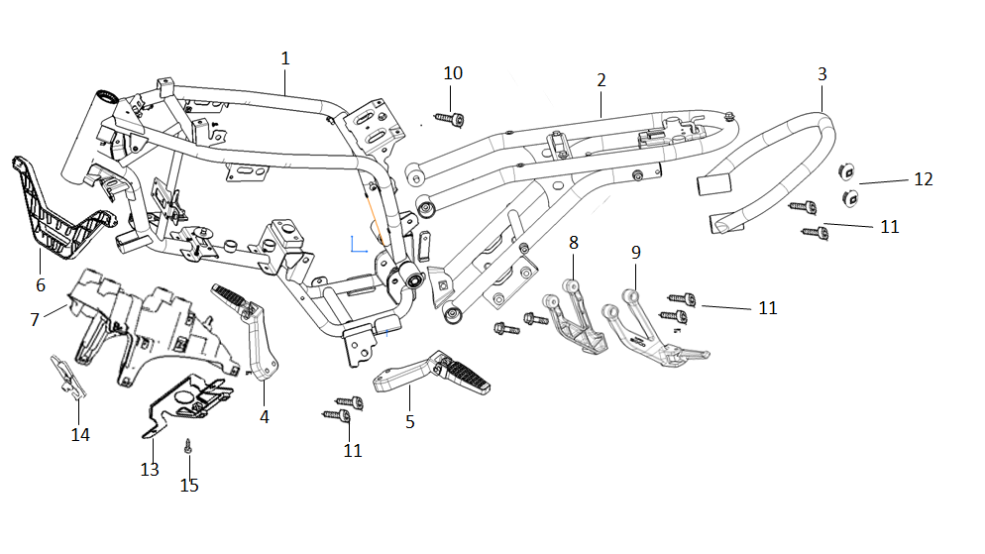
No | Item No | Description(EN) | Qty
1 | 50100-QSM-F000 | Main Frame Assy | 1
2 | 50200-QSM-F000 | Sub-Frame Assy | 1
3 | 50400-QSM-C000 | Rear Passanger Holder | 1
4 | 50610-QSM-F000 | Right Step | 1
5 | 50620-QSM-F000 | Left Step | 1
6 | 50500-QSM-A000 | Holder,Front Body Cover | 1
7 | 50501-QSM-A002 | Holder,Under Body Cover | 1
8 | 50650-QSM-F000 | Rear Passanger Step-Right | 1
9 | 50750-QSM-F000 | Rear Passanger Step-Left | 1
10 | 90108-QSM-A000 | Trox 8x25 | 4
11 | 96708-QSM-A000 | Socket Bolt 8X20 | 8
12 | 64312-TGC-A000 | Pedal Rubber Plug B | 2
13 | 50504-QSM-FA00 | Controller bracket assy. | 1
14 | 50505-QSM-FA00 | Front shield bracket assy. | 1
15 | 93500-06016-0G | Cross Recess Head Screw 6*16 | 4

F-17
Swingarm
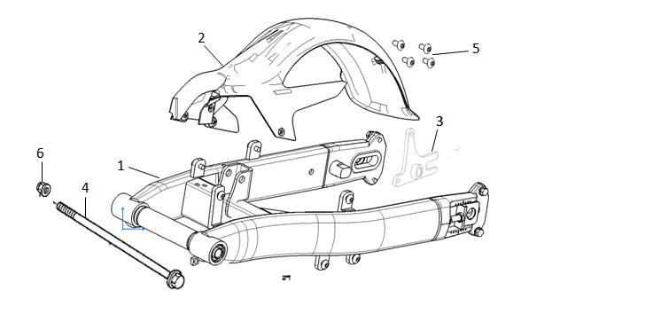
No | Item No | Description(EN) | Qty
1 | 52100-QSM-F000 | Rear Fork Assy | 1
2 | 80100-QSM-F000 | Rear Fork Fender | 1
3 | 43111-QSM-F000 | Holder, Rear Brake Bracket | 1
4 | 44301-QSM-A000 | Front Axle | 1
5 | 95101-QSM-A000 | Socket Screw Special M6 | 4
6 | 90307-QSM-A000 | Nut,Flange M12 | 1

F-18
Rear Winker Bracket
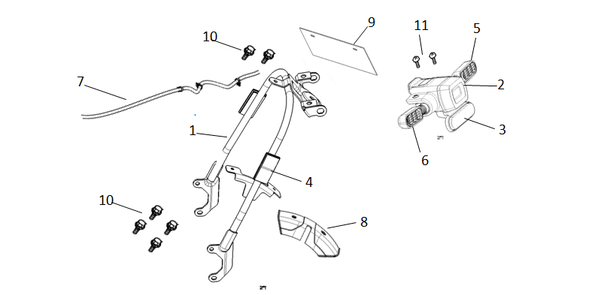
No | Item No | Description(EN) | Qty
1 | 52150-QSM-F001 | Rear Fork Fender Bracket | 1
2 | 33700-QSM-C012-M1 | Rear Taillight Assy | 1
3 | 33741-QSM-C010-M1 | Rear Reflector(Emark) | 1
4 | 33742-QSM-A002 | Side Reflector(Emark) | 2
 | 33742-QSM-AE10 | Side Reflector(3C/Emark/DOT) | 2
5 | 33400-QSM-C010-M1 | Rear Right Indicator | 1
6 | 33450-QSM-C010-M1 | Rear Left Indicator | 1
7 | 32200-QSM-C000 | Tailllight Connection Cable | 1
8 | 40516-QSM-F000 | Waterproof Cover for Belt | 1
9 | 80200-QSM-C000 | License Plate | 1
10 | 95701-06012-08 | Flange Bolt 6X12 | 6
11 | 93506-QSM-A000-0H | Cross Recess Head Screw 6*12 | 2

F-19
Battery
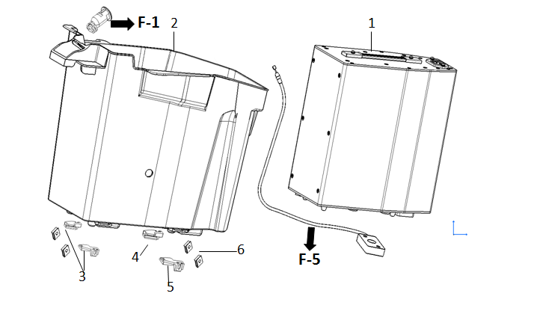
No | Item No | Description(EN) | Qty
1 | 31500-QSM-FA00 | Battery Assy (72V 45Ah) | 1
2 | 80150-QSM-F000 | Battery Cabin | 1
3 | 80151-QSM-F000 | Front Battery Cabin Hook | 2
4 | 80152-QSM-F000 | Rear Right Hook-Battery Cabin | 1
5 | 80153-QSM-F000 | Rear Left Hook-Battery Cabin | 1
6 | 90303-GCC-0002 | Nut Spring M4 | 4

F-20
Storage Box -1
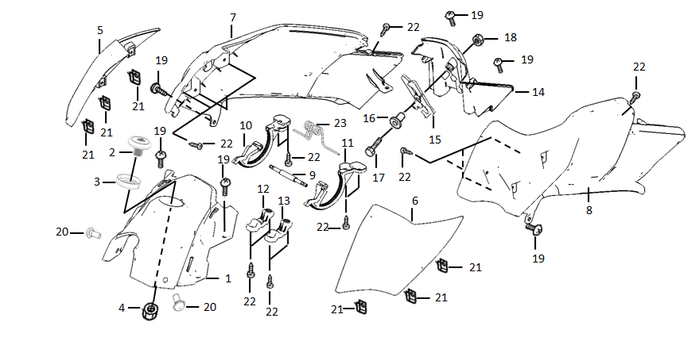
No | Item No | Description(EN) | Qty
1 | 80115-QSM-A002 | FR Cowl,Inner Box | 1
2 | 35040-QSM-A000 | Starter SW. Assy | 1
5 | 80135-QSM-F000-S | R Garnish Set,Inner Box Cover, MS01M/Silver | 1
6 | 80136-QSM-F000-S | L Garnish Set,Inner Box Cover, MS01M/Silver | 1
7 | 80155-QSM-A000 | R Cowl,Inner Box | 1
8 | 80165-QSM-A000 | L Cowl,Inner Box | 1
9 | 80127-QSM-A000 | Shaft,Inner Box Cover | 1
10 | 80128-QSM-A000 | R Gear,Inner Box Cover | 1
11 | 80129-QSM-A000 | L Gear,Inner Box Cover | 1
12 | 80124-QSM-A000 | Cover R,Inner Box Cover Shaft | 1
13 | 80125-QSM-A000 | Cover L,Inner Box Cover Shaft | 1
14 | 80175-QSM-A001 | RR Cowl,Inner Box | 1
15 | 77260-QSM-A000 | Catch Assy,Inner Box Cover | 1
17 | 93301-04025-0H | Bolt4X25 | 1
18 | 94001-QSM-A000 | Nut M4 | 1
19 | 93500-06012-0H | Screw Pan 6X12 | 6
20 | 91509-GE2-7605 | Screw Pan 5X11.5 | 2
21 | 90303-GCC-0002 | Nut Spring M4 | 6
22 | 93903-QSM-A000 | Tapping Screw 4X12 | 14
23 | 80140-QSM-A000 | Spring,Inner Box Cover | 1

F-21
Storage Box -2
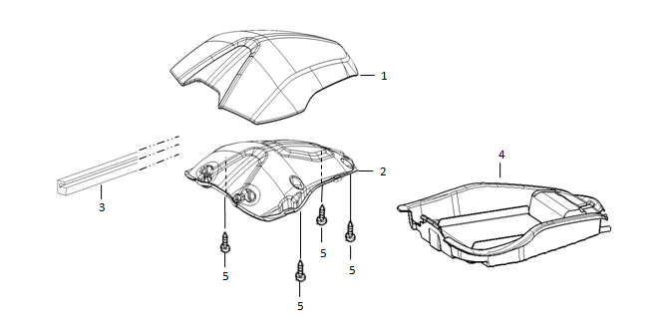
No | Item No | Description(EN) | Qty
1 | 80121-QSM-A000-S | Cover Set,Inner Box-ABS, MB02N/Black | 1
2 | 80126-QSM-A000 | Patch,Inner Box Cover-PP | 1
3 | 80122-QSM-A001 | Seal,Inner Box Cover | 1
4 | 80145-QSM-F001 | Box,Inner--PP | 1
5 | 93903-QSM-A100 | Tapping Screw 4X12 | 4

F-22
Front Body Cover
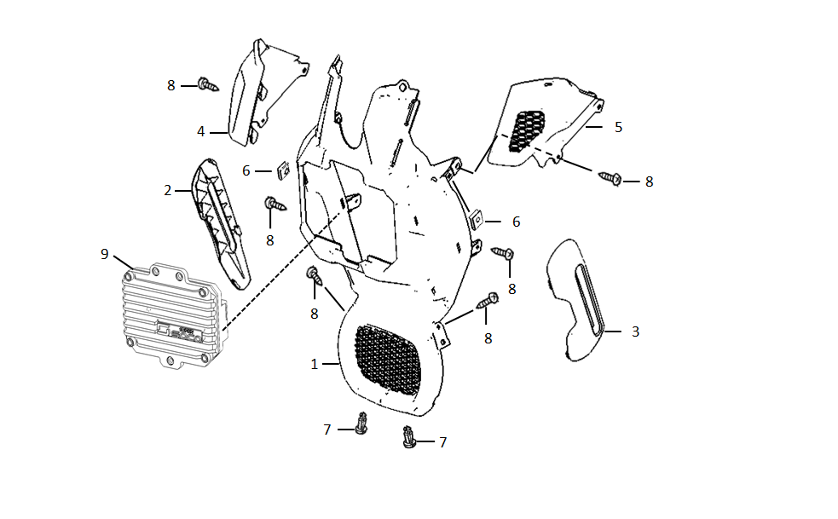
No | Item No | Description(EN) | Qty
1 | 83565-QSM-A000 | FR,Body Cover | 1
2 | 83575-QSM-A000-S | R Garnish Set,Body Cover--ABS | 1
3 | 83585-QSM-A000-S | L Garnish Set,Body Cover--ABS | 1
4 | 83400-QSM-A001 | Cover R,FR Body Cover Upper | 1
5 | 83405-QSM-A001 | Cover L,FR Body Cover Upper | 1
6 | 84601-QSM-A000 | Nut Spring M6 | 2
7 | 90683-GAZ-9802 | Clip,Trim | 2
8 | 93903-QSM-A000 | Tapping Screw 4X12 | 4
9 | 30101-QSM-C000 | Controller Aluminum Shell | 1

F-23
Lower Body Cover
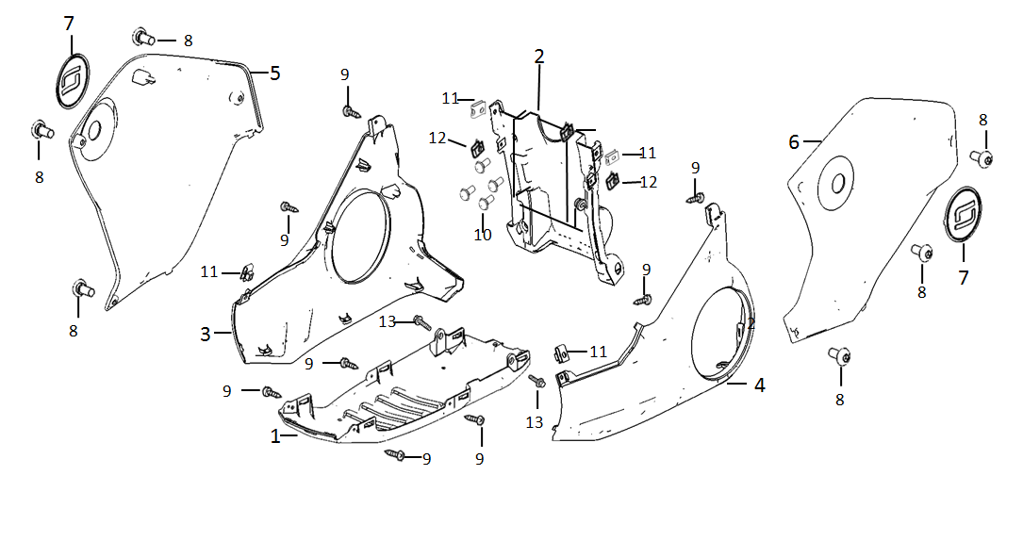
No | Item No | Description(EN) | Qty
1 | 83555-QSM-F000 | Under,Body Cover | 1
2 | 83595-QSM-F001 | RR Upper,Body Cover | 1
3 | 83535-QSM-F000-S | R Lower Set,Body Cover | 1
4 | 83545-QSM-F000-S | L Lower Set,Body Cover | 1
5 | 83515-QSM-F000-S | R Upper Set,Body Cover, MB02N/Black | 1
6 | 83525-QSM-F000-S | L Upper Set,Body Cover, MB02N/Black | 1
7 | 83516-QSM-A001 | Logo | 2
8 | 95101-QSM-A000 | Socket Screw Special M6 | 6
9 | 93903-QSM-A000 | Tapping Screw 4X12 | 8
10 | 91509-GE2-7605 | Screw Pan 5X11.5 | 4
11 | 84601-QSM-A000 | Socket Screw Special M6 | 2
12 | 90303-GCC-0002 | Nut Spring M4 | 2
13 | 93903-QSM-F000 | Tapping Screw 6*16 | 2

F-24
Cushion-1
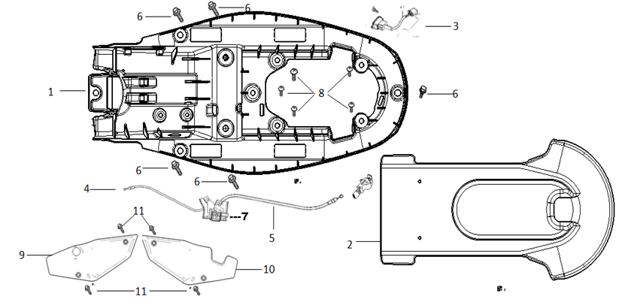
No | Item No | Description(EN) | Qty
1 | 80101-QSM-FA00 | Cushion Lower Shield | 1
2 | 80102-QSM-C000 | Cushion Lower Protection Cover | 1
3 | 35310-QSM-FA00 | Charging Socket | 1
4 | 77250-QSM-A000 | Cable,Inner Box Cover | 1
5 | 77240-QSM-A000 | Cushion Lock Cable | 1
6 | 93500-06012-0H | Screw Pan 6X12 | 5
7 | 77242-QSM-A003 | Cushion Lock Bracket | 1
8 | 93903-QSM-A100 | Tapping Screw 4X12 | 5
9 | 83640-QSM-C000-S | Left Shield(With Sticker) | 1
10 | 83540-QSM-C000-S | Right Shield(With Sticker) | 1
11 | 96708-QSM-A000 | Socket Bolt 8X20 | 4

F-25
Cushion-2
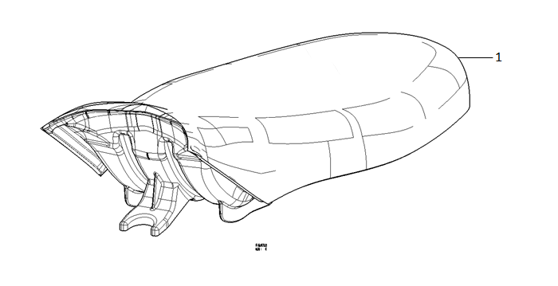
No | Item No | Description(EN) | Qty
1 | 77200-QSM-F000 | Cushion Assy | 1

F-26
Lock
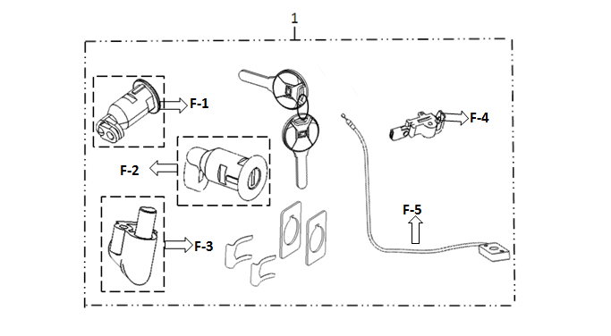
No | Item No | Description(EN) | Qty
1 | 77220-QSM-A000 | Lock,Kit | 1

F-27
Electronic Parts
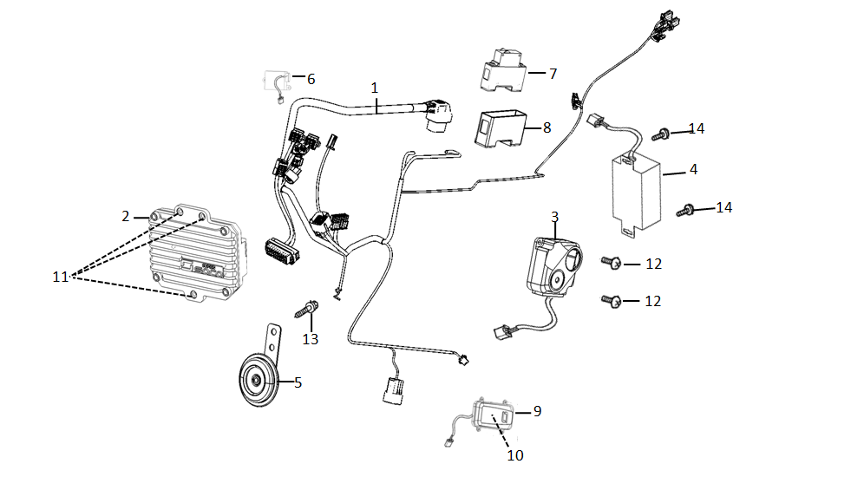
No | Item No | Description(EN) | Qty
1 | 32100-QSM-FA00 | Harness Wire | 1
2 | 30100-QSM-FA00 | Controller(3000W) | 1
3 | 35020-QSM-C000-K | Alarm(New Sound Effect,Including Two Remote Controllers) | 1
4 | 32300-QSM-F000 | 72v Adapter | 1
5 | 38110-QSM-A500 | Horn Assy,Emark | 1
6 | 38300-QSM-AF00 | Relay,Winker | 1
7 | 35050-QSM-FA00 | Circuit Protector--DC 80A | 1
8 | 81261-QSM-FA00 | Air switch cover | 3
9 | 95701-06008-08 | Flang Bolt 6X8 | 1
11 | 30200-QSM-F000 | ECU Assy(European 3G/OBD/ Waterproof Connector) | 1
 | 30200-QSM-F200 | ECU Assy(No European 3G/ OBD/Waterproof Connector) | 1
12 | 30210-TAC-A500 | European 3G Module(2 Year Free Using) | 1

F-28
Charger
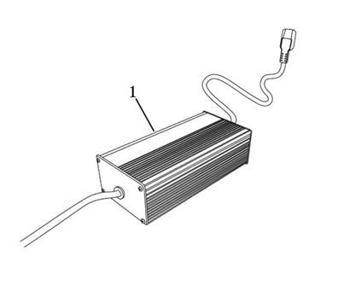
No | Item No | Description(EN) | Qty
1 | 35300-QSM-FA00 | Charger(72V5A, CE) | 1
 | 35300-QSM-FD00 | Charger(72V5A, UL) | 1

F-29
Sticker
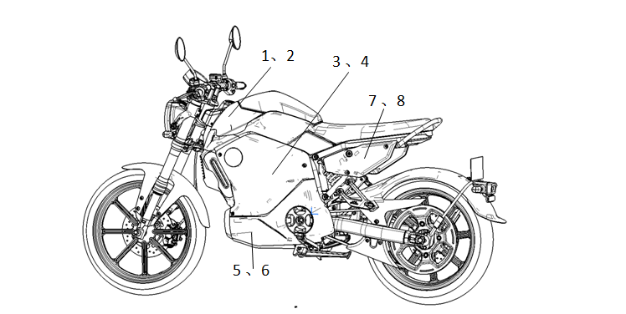
No | Item No | Description(EN) | Qty
1 | 80135-QSM-F000-S1 | Left Storage Box Cover Garnish Sticker | 1
2 | 80136-QSM-F000-S1 | Right Storage Box Cover Garnish Sticker | 1
3 | 83515-QSM-F000-S1 | Body Upper Right Shield Sticker | 1
4 | 83525-QSM-F000-S1 | Body Upper Left Shield Sticker | 1
5 | 83535-QSM-F000-S1 | Body Lower Right Shield Sticker | 1
6 | 83545-QSM-F000-S1 | Body Lower Left Shield Sticker | 1
7 | 83540-QSM-C000-S1 | Right Shield Sticker | 1
8 | 83640-QSM-C000-S1 | Left Shield Sticker | 1

