Spare Parts List
F-1
D1
8
8
 | Head Light
 | 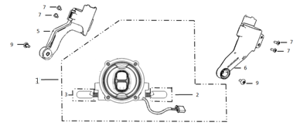
 | Ref. No. | Part No. | Description(EN) | Reqd.QTY
 | 1 | 33100-QSM-C010-M1 | Light Assy, RR. Combination | 1
 | 5 | 53250-QSM-A001 | Holder Assy,Right Head Light | 1
 | 6 | 53260-QSM-A001 | Holder Assy,Left Head Light | 1
 | 7 | 96704-QSM-A00 | Socket Screw 4x12 | 4
 | 8 | 95701-06012-08 | Flange Bolt 6X12 | 1
 | 9 | 95101-QSM-A00 | Socket Screw Special M6 | 2

F-2
F-2
D2
 | Speedometer
 | 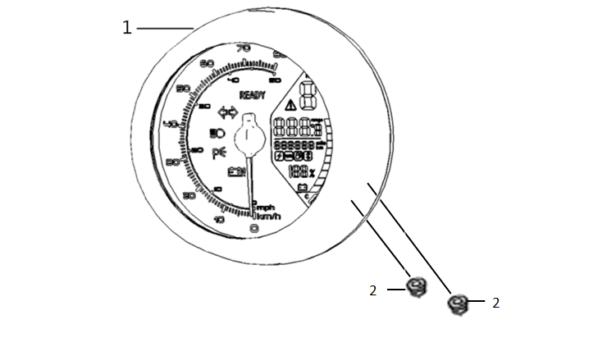
 | Ref. No. | Part No. | Description(EN) | Reqd.QTY | Remarks
 | 1 | 37200-QSM-C010-M1 | Speedometer Assy(BL White),Headlight Long Bright,EEC Version,Electronic Pointer on LCD Screen, With Light-Sensitive Resistor,Light-Sensitive Signal Cable,Waterproof Plug | 1
 | 2 | 94050-06080 | Flange Nut 6 | 2

F-3
D3
 | Handle Lever/Switch/Back Mirror
 | 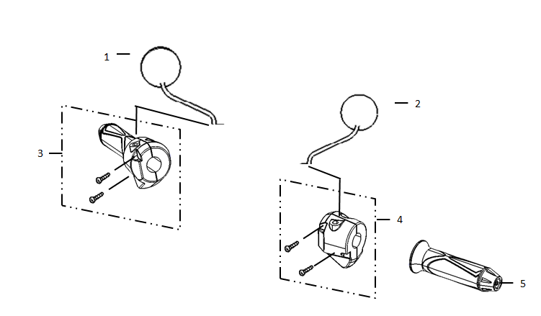
 | Ref. No. | Part No. | Description(EN) | Reqd.QTY | Remarks
 | 1 | 88109-QSM-C000 | Rear Mirror Assy,Black,Emark(No Gum Cover) | 1
 | 2
 | 3 | 35150-QSM-C000 | Right Switch Assy,Auto Headlight Bright | 1
 | 4 | 35200-QSM-A700 | Left Switch Assy | 1
F-4
 | 5 | 30400-QSM-C000 | Grip Left,Handle(Coffee Color) | 1

 | Brake Assembly
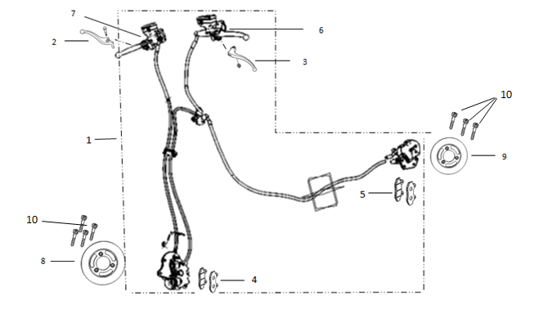
 | Ref. No. | Part No. | Description(EN) | Reqd.QTY | Remarks
 | 1 | 46000-QSM-C010-M1 | CBS Assy（Including Brake Ssystem, FR & RR） | 1
 | 2 | 53175-QSM-C000 | Lever,FR. Steering Handle | 1
 | 3 | 53176-QSM-C000 | Lever,RR. Steering Handle | 1
 | 4 | 45310-QSM-C000 | Front Brake Pads(Set) | 1
 | 5 | 43310-QSM-A000 | Rear Brake Pads(Set) | 1
 | 6 | 35345-QSM-A000 | Rear Brake Switch | 1
 | 7 | 35340-QSM-A000 | Front Brake Switch | 1
 | 8 | 45251-QSM-C010-M1 | Front Brake Disc(Diameter:240mm,Thickness:4mm) | 1
 | 9 | 41300-QSM-C010-M1 | Rear Brake Disc(Outer Diameter:180mm,Inner Diameter:85mm,Thickness:3.5mm) | 1
 | 10 | 90105-QSM-A00 | Bolt Brake Disc 8X22 | 7

F-6
D6
8
 | Handle Pipe/Top Bridge
 | 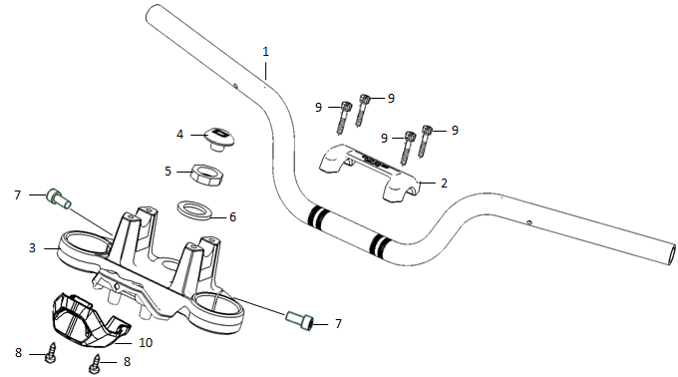
 | Ref. No. | Part No. | Description(EN) | Reqd.QTY | Remarks
 | 1 | 53100-QSM-C000 | Handlebar Pipe | 1
 | 2 | 53131-QSM-C000 | Handlebar Pipe Lock Block | 1
 | 3 | 53230-QSM-A00 | Bridge,Fork Top | 1
 | 4 | 53235-QSM-A00 | Cover,Stem | 1
 | 5 | 90304-QSM-A00 | Nut,Steering Stem | 1
 | 6 | 90503-QSM-A00 | Washer,Steering Stem | 1
 | 7 | 96708-QSM-A00 | Socket Bolt 8X20 | 2
 | 8 | 93500-06012-0H | Screw Pan 6X12 | 2
 | 9 | 96700-06016-08 | Socket Bolt 6x16 | 4
 | 10 | 53132-QSM-A00 | Under Cover,Top Bridge | 1
F-7
D7
 | Steering Stem
 | 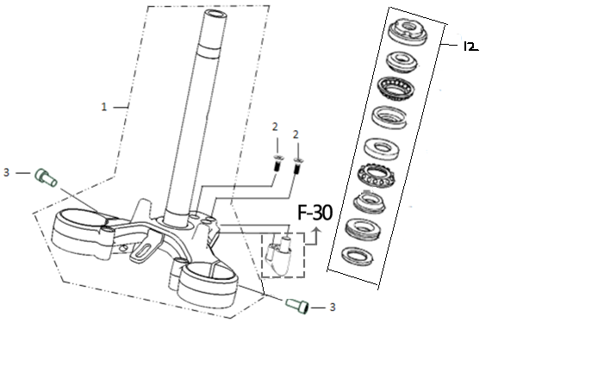
 | Ref. No. | Part No. | Description(EN) | Reqd.QTY | Remarks
 | 1 | 53200-QSM-A001 | Stem Assy,STRG | 1
 | 2 | 93600-05012-1H | Screw Flat 5X12 | 2
 | 3 | 96708-QSM-A00 | Socket Bolt 8X20 | 2
 | 12 | 53219-QSM-A000 | Suite For Eight Pieces of Steering Pressure Bearings | 1

F-8
F-8
D8
 | Front Fender
 | 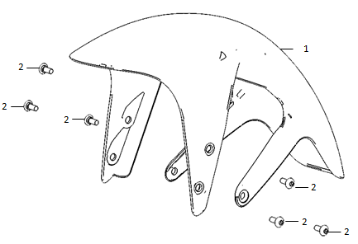
 | Ref. No. | Part No. | Description(EN) | Reqd.QTY | Remarks
 | 1 | 61100-QSM-C000-S | Black-MB03P | 1
 | 2 | 95101-QSM-A00 | Socket Screw Special M6 | 6

F-9
D9
 | Front Fork
 | 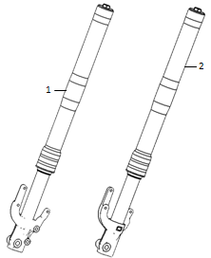
 | Ref. No. | Part No. | Description(EN) | Reqd.QTY | Remarks
 | 1 | 51400-QSM-C010-M1 | Front Right Shock Absorber(Assembly Line:256.5mm) | 1
 | 2 | 51500-QSM-C010-M1 | Front Left Shock Absorber(Front Fork Axle:35mm) | 1

F-10
D10
 | Front Wheel
 | 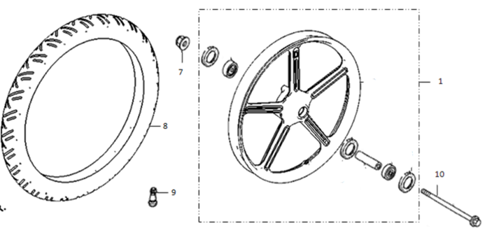
 | Ref. No. | Part No. | Description(EN) | Reqd.QTY | Remarks
 | 1 | 44800-QSM-C010-M1 | Front Wheel Assy | 1
 | 7 | 90307-QSM-A00 | Nut,Special Flange M12 | 1
 | 8 | 44701-QSM-C010-M1 | Front Tyre(90/80-17，TUBELESS) | 1
 | 9 | 42702-QSM-A00 | Valve,Rim | 1
 | 10 | 44301-QSM-A000 | Front Tyre Axle | 1

F-11
D11
 | Rear Wheel
 | 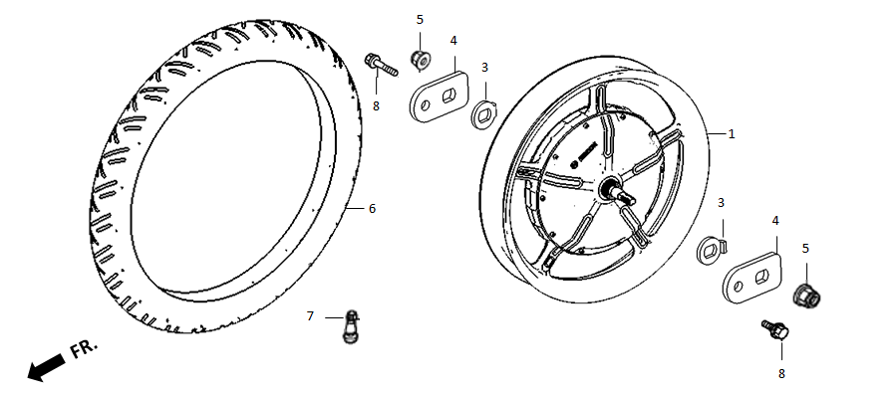
 | Ref. No. | Part No. | Description(EN) | Reqd.QTY | Remarks
 | 1 | 42800-QSM-C010-M1 | Rear Motor Assy(Motor: 1500W 60V，Rim: MT3.0-17，8 Spokes) | 1
 | 5 | 90305-QSM-A00 | Nut M16(Set) | 2
 | 6 | 42701-QSM-C010-M1 | Rear Tyre(110/70-17，Tubeless) | 1
 | 7 | 42702-QSM-A00 | Valve,Rim | 1
 | 8 | 95701-06012-08 | Flange Bolt 6X12 | 2

F-12
D12
 | Stand
 | 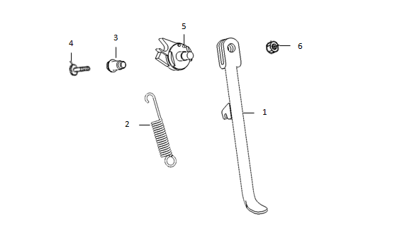
 | Ref. No. | Part No. | Description(EN) | Reqd.QTY | Remarks
 | 1 | 50530-QSM-A001 | Side Stand | 1
 | 2 | 95014-72102 | SPG.A,Side Stand | 1
 | 3 | 90110-QSM-A00 | Pivot,Side Stand | 1
 | 4 | 90101-QSM-A00 | Screw,Side Stand SW. | 1
 | 5 | 35160-QSM-C00 | SW.Set,Side Stand | 1
 | 6 | 94031-10080 | Nut Hex 10MM | 1
D13
F-13
 | Step
 | 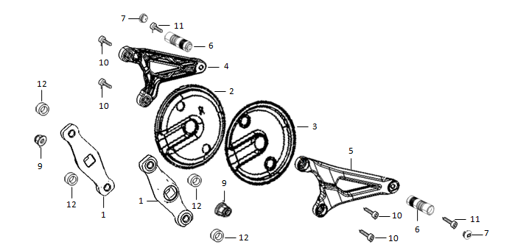
 | Ref. No. | Part No. | Description(EN) | Reqd.QTY | Remarks
 | 1 | 50600-QSM-A00 | Link Stay,Step | 2
 | 2 | 50615-QSM-A00 | Right Cover,Pivot | 1
 | 3 | 50625-QSM-A00 | Left Right Cover,Pivot | 1
 | 4 | 50701-QSM-A00 | Holder,Right Step | 1
 | 5 | 50751-QSM-A00 | Holder,Left Step | 1
 | 6 | 50702-QSM-A00 | Step | 2
 | 7 | 50703-QSM-A00 | Cover,Step | 2
 | 9 | 94050-10080 | Flange Nut 10 | 2
 | 10 | 96800-QSM-A00 | Socket Bolt Special 10x26 | 4
 | 11 | 96708-QSM-A00 | Socket Bolt8x20 | 2
 | 12 | 94104-QSM-A00 | Washer 10 | 2

F-14
D14
11
11
 | Frame Body
 | 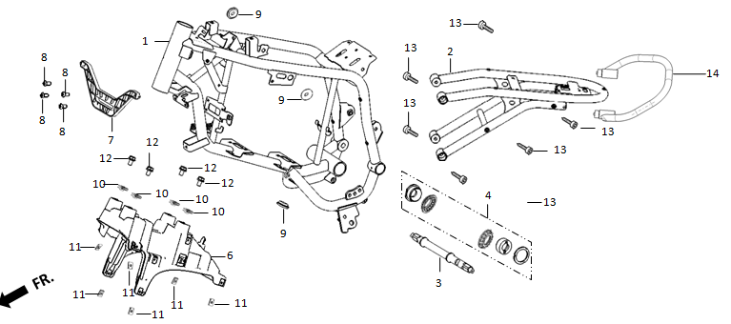
 | Ref. No. | Part No. | Description(EN) | Reqd.QTY | Remarks
 | 1 | 50100-QSM-C000 | Main Frame Assy | 1
 | 2 | 50200-QSM-C000 | Sub-Frame Assy | 1
 | 3 | 50300-QSM-A00 | Shaft,Pillion | 1
 | 4 | 50301-QSM-A00 | Set,Pillion Shaft | 1
 | 6 | 50501-QSM-A00 | Holder,Under Body Cover | 1
 | 7 | 50500-QSM-A00 | Holder,Front Body Cover | 1
 | 8 | 93500-05012-0H | Screw Pan 5X12 | 4
 | 10 | 84601-QSM-A000 | Nut Spring M6 | 4
 | 11 | 90303-GCC-000 | Nut Spring M4 | 6
 | 12 | 95701-06012-08 | Flange Bolt 6X12 | 4
 | 13 | 90108-QSM-A00 | Trox 8x25 | 6
 | 14 | 50400-QSM-C000 | Rear Handrail | 1

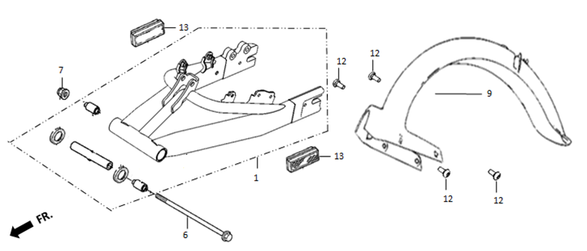
F-15
D15
 | Swingarm
6
 | Ref. No. | Part No. | Description(EN) | Reqd.QTY | Remarks
 | 1 | 52100-QSM-C000 | Rear Fork Assy | 1
 | 6 | 52101-QSM-A00 | Bolt,Swingarm Pivot | 1
 | 7 | 90307-QSM-A00 | Nut,Flange M12(PT) | 1
 | 9 | 80100-QSM-C000 | Rear Fork Fender | 1
 | 12 | 95101-QSM-A00 | Socket Screw Special M6 | 4
 | 13 | 33742-QSM-A001 | Reflector,Side,Emark | 2

F-16
D16
 | Rear Cushion
 | 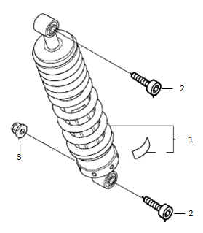
 | Ref. No. | Part No. | Description(EN) | Reqd.QTY | Remarks
 | 1 | 52400-QSM-A010-M1 | Rear Shock Absorber | 1
 | 2 | 90109-QSM-A00 | Trox 10x40 | 2
 | 3 | 90306-QSM-A00 | Nut,Flange M10x1.5(PT) | 1

F-17
D17
 | Seat
 | 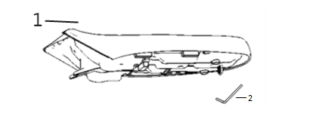
 | Ref. No. | Part No. | Description(EN) | Reqd.QTY | Remarks
 | 1 | 77200-QSM-C000 | Cushion Assy(QSMC Cushion) | 1
 | 2 | 89101-QSM-A00 | Socket Wrench(M10) | 1

F-18
D18
 | Battery
6、 | 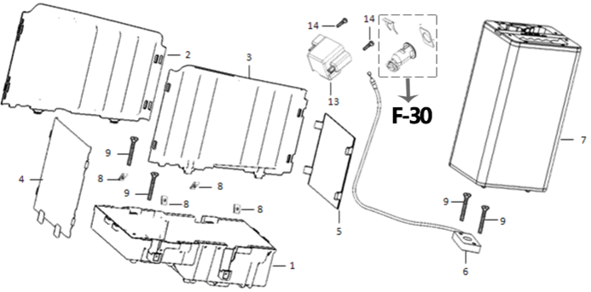
 | Ref. No. | Part No. | Description(EN) | Reqd.QTY | Remarks
 | 1 | 80150-QSM-A00 | Holder,Battery | 1
 | 2 | 80148-QSM-A00 | R PCS,Cabin Batt. | 1
 | 3 | 80149-QSM-A00 | L PCS,Cabin Batt. | 1
 | 4 | 80146-QSM-A00 | FR PCS,Cabin Batt. | 1
 | 5 | 80147-QSM-A00 | RR PCS,Cabin Batt. | 1
 | 7 | 31500-QSM-C010 | Battery Assy (Imported Cell,60V 30Ah) | 1
 | 8 | 90303-GCC-000 | Nut Spring M4 | 4
 | 9 | 93606-QSM-A00 | Screw Flat 6X25 | 4
 | 13 | 77272-QSM-A00 | Cover,Batt Lock | 1
 | 14 | 93903-QSM-A00 | Tapping Screw 4X12 | 2

F-19
D19
4
20
21
 | Inner Box Cover
 | 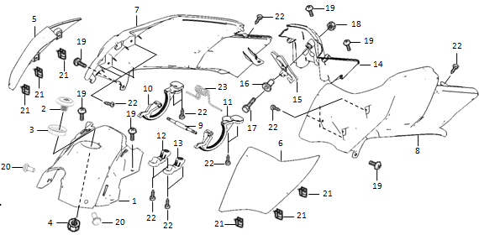
 | Ref. No. | Part No. | Description(EN) | Reqd.QTY | Remarks
 | 1 | 80115-QSM-A00 | FR Cowl,Inner Box | 1
 | 2 | 35040-QSM-A00 | Starter SW. Assy | 1
 | 5 | 80135-QSM-A000-S | R Garnish Set,Inner Box Cover | 1
 | 6 | 80136-QSM-A000-S | L Garnish Set,Inner Box Cover | 1
 | 7 | 80155-QSM-A00 | R Cowl,Inner Box | 1
 | 8 | 80165-QSM-A00 | L Cowl,Inner Box | 1
 | 9 | 80127-QSM-A00 | Shaft,Inner Box Cover | 1
 | 10 | 80128-QSM-A00 | R Gear,Inner Box Cover | 1
 | 11 | 80129-QSM-A00 | L Gear,Inner Box Cover | 1
 | 12 | 80124-QSM-A00 | Cover R,Inner Box Cover Shaft | 1
 | 13 | 80125-QSM-A00 | Cover L,Inner Box Cover Shaft | 1
 | 14 | 80175-QSM-A00 | RR Cowl,Inner Box | 1
 | 15 | 77260-QSM-A00 | Catch Assy,Inner Box Cover | 1
 | 17 | 93301-04025-0H | Bolt4X25 | 1
 | 18 | 94001-QSM-A00 | Nut M4 | 1
 | 19 | 93500-06012-0H | Screw Pan 6X12 | 6
 | 20 | 91509-GE2-760 | Screw Pan 5X11.5 | 2
 | 21 | 90303-GCC-000 | Nut Spring M4 | 6
 | 22 | 93903-QSM-A00 | Tapping Screw 4X12 | 14
 | 23 | 80140-QSM-A00 | Spring,Inner Box Cover | 1

F-20
D21
 | Inner Box
 | 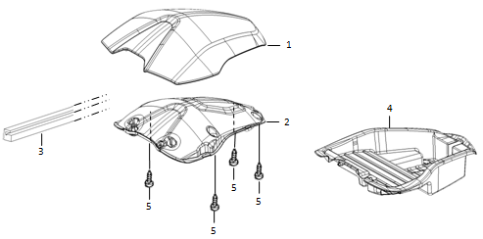
 | Ref. No. | Part No. | Description(EN) | Reqd.QTY | Remarks
 | 1 | 80121-QSM-C000-S | Cover Set,Inner Box | 1
 |  |  | CB01M (Blue)/CG01M (Green) /MB03P (Black) /WY03P (Khaki)
 | 2 | 80126-QSM-A000 | Patch,Inner Box Cover | 1
 | 3 | 80122-QSM-A00 | Seal,Inner Box Cover | 1
 | 4 | 80145-QSM-A001 | Box,Inner | 1
 | 5 | 93903-QSM-A10 | Tapping Screw 4X12 | 4

F-21
F-22
D22
7
 | Front Cover
 | 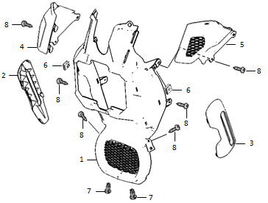
 | Ref. No. | Part No. | Description(EN) | Reqd.QTY | Remarks
 | 1 | 83565-QSM-A00 | FR,Body Cover | 1
 | 2 | 83575-QSM-A000-S | R Garnish Set,Body Cover *MS03M* | 1
 | 3 | 83585-QSM-A000-S | L Garnish Set,Body Cover *MS03M* | 1
 | 4 | 83400-QSM-A00 | Cover R,FR Body Cover Upper | 1
 | 5 | 83405-QSM-A00 | Cover L,FR Body Cover Upper | 1
 | 6 | 84601-QSM-A00 | Nut Spring M6 | 2
 | 7 | 90683-GAZ-980 | Clip,Trim | 2
 | 8 | 93903-QSM-A00 | Tapping Screw 4X12 | 4
D23
 | Body Cover
 | 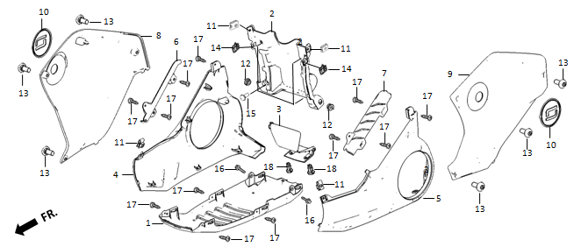
 | Ref. No. | Part No. | Description(EN) | Reqd.QTY | Remarks
 | 1 | 83555-QSM-A00 | Under,Body Cover | 1
 | 2 | 83595-QSM-A00 | RR Upper,Body Cover | 1
 | 3 | 83596-QSM-A00 | RR Lower,Body Cover | 1
 | 4 | 83535-QSM-C000-S | R Lower Set,Body Cover *MS02M* ………………Dark Silver | 1
 | 5 | 83545-QSM-C000-S | L Lower Set,Body Cover *MS02M* ………………Dark Silver | 1
 | 6 | 83536-QSM-A00 | R Lower Garnish,Body Cover | 1
 | 7 | 83546-QSM-A00 | L Lower Garnish,Body Cover | 1
 | 8 | 83515-QSM-C000-S | R Upper Set,Body Cover | 1
 | 9 | 83525-QSM-C000-S | L Upper Set,Body Cover | 1
 | 10 | 83516-QSM-A001 | Logo | 2
 | 11 | 84601-QSM-A00 | Nut Spring M6 | 4
 | 12 | 83542-KPN-900 | Grommet,Elongated | 2
 | 13 | 95101-QSM-A00 | Socket Screw Special M6 | 6
 | 14 | 90303-GCC-000 | Nut Spring M4 | 2
 | 15 | 91509-GE2-760 | Screw Pan 5X11.5 | 4
 | 16 | 95701-06012-08 | Flange Bolt 6X12 | 2
 | 17 | 93903-QSM-A00 | Tapping Screw 4X12 | 12
 | 18 | 90683-GAZ-980 | Riveting Clip | 2

F-23
D27
 | 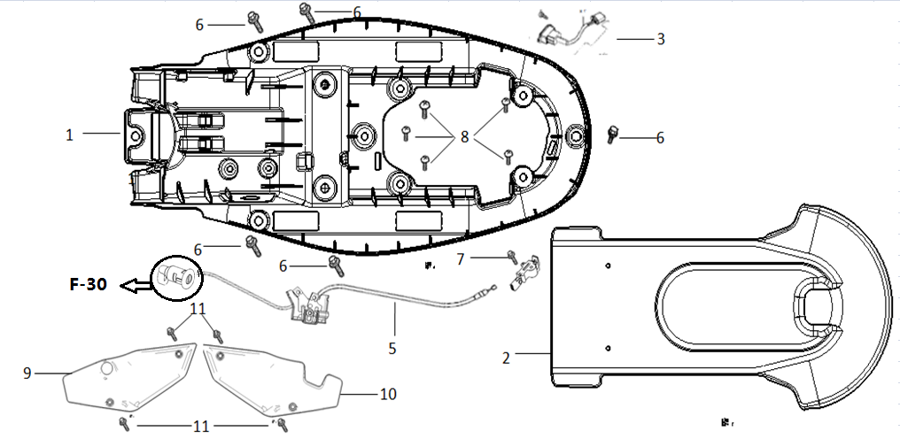
 | Ref. No. | Part No. | Description(EN) | Reqd.QTY | Remarks
 | 1 | 80101-QSM-C000 | Cushion Lower Shield | 1
 | 2 | 80102-QSM-C000 | Cushion Lower Protection Cover | 1
 | 3 | 35310-QSM-A700 | Charging Socket | 1
 | 5 | 77250-QSM-A00 | Cable,Inner Box Cover | 1
 | 6 | 93500-06012-0H | Screw Pan 6X12 | 5
 | 7 | 77232-QSM-A00 | Catch Comp,Seat | 1
 | 8 | 93903-QSM-A10 | Tapping Screw 4X12 | 5
 | 9 | 83640-QSM-C000-S | Left Shield(With Sticker) | 1
 | 10 | 83540-QSM-C000-S | Right Shield(With Sticker) | 1
 | 11 | 96708-QSM-A00 | Socket Bolt 8X20 | 4

F-26
D29
 | Rear Winker
 | 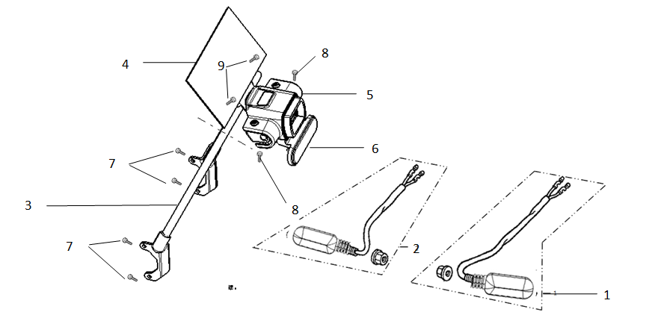
 | Ref. No. | Part No. | Description(EN) | Reqd.QTY | Remarks
 | 1 | 33400-QSM-C010-M1 | Rear Right Indicator | 1
 | 2 | 33450-QSM-C010-M1 | Rear Left Indicator | 1
 | 3 | 52150-QSM-C000 | Rear Fork Fender Bracket | 1
 | 4 | 80200-QSM-C000 | License Plate | 1
 | 5 | 33700-QSM-C010-M1 | Rear Taillight Assy(Including Positioning Light,Brake Light,License Plate Light) | 1
 | 6 | 33741-QSM-C010-M1 | Rear Reflector(Emark) | 1
 | 7 | 95701-06012-08 | Flang Bolt 6X12 | 4
 | 8 | 93500-06012-0H | Screw Pan 6X12 | 2
 | 9 | 93500-05012-0H | Screw Pan 5X12 | 2

F-27
D30
 | Controller/ECU
 | 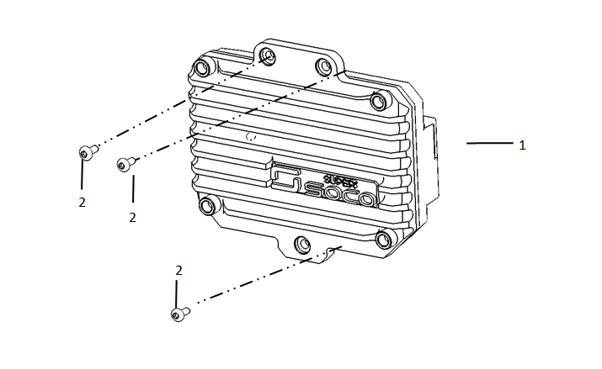
 | Ref. No. | Part No. | Description(EN) | Reqd.QTY | Remarks
 | 1 | 30100-QSM-C010-M1 | Controller(1500W) | 1
 | 2 | 90107-QSM-A00 | Special Trox 6x12 | 3

F-28
D31
 | Wire Harness
 | 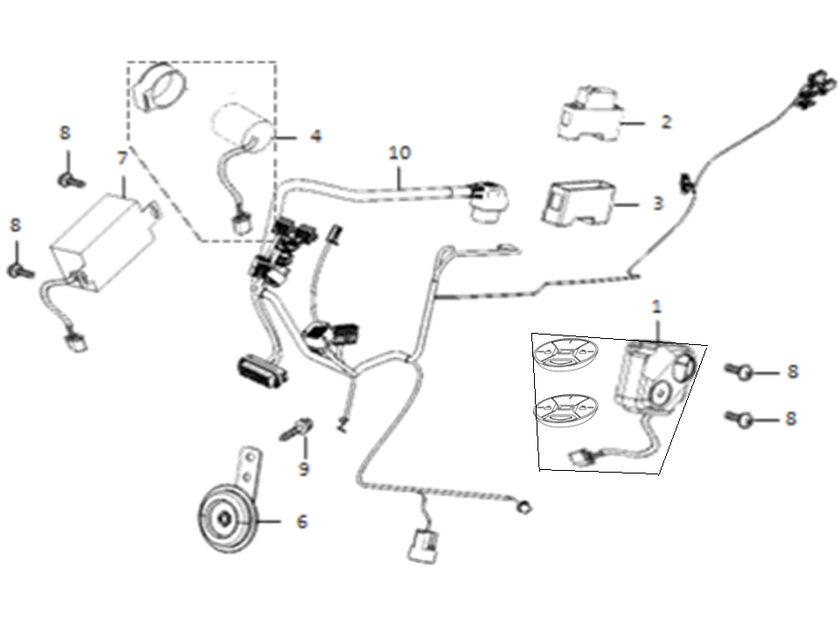
 | Ref. No. | Part No. | Description(EN) | Reqd.QTY | Remarks
 | 1 | 35020-QSM-C000 | Alarm(New Sound Effect,Including Two Remote Controllers) | 1
 | 2 | 35050-QSM-A00 | Circuit Protector | 1
 | 4 | 38300-QSM-A001 | Relay,Winker | 1
 | 6 | 38110-QSM-A50 | Horn Assy,Emark | 1
 | 7 | 32300-QSM-A00 | 12v Adapter | 1
 | 8 | 93500-05012-0H | Screw Pan 5X12 | 4
 | 9 | 95701-06012-08 | Flang Bolt 6X12 | 1
 | 10 | 32100-QSM-C000 | Harness Wire | 1

F-29
 | Charger
 | 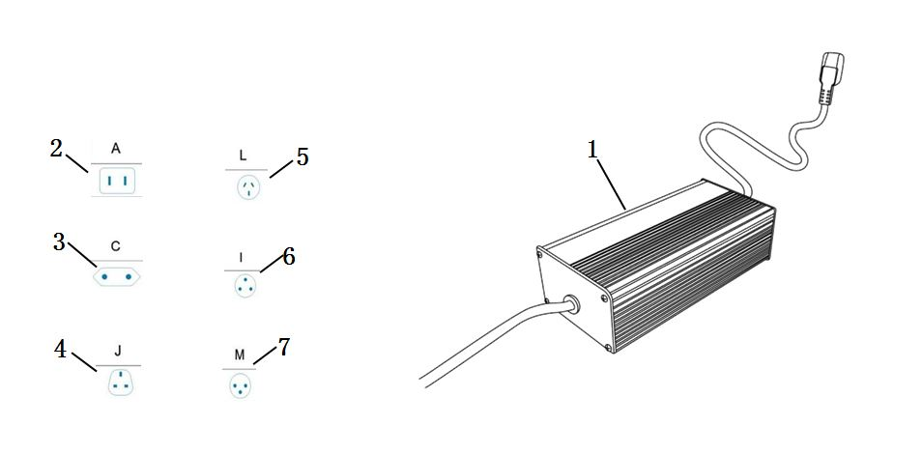
 | Ref. No. | Part No. | Description(EN) | Reqd.QTY | Remarks
 | 1 | 35300-QSM-A510-M2 | Charger(4A) EEC No PowerCord | 1
 | 2 | 35320-QSM-A500-T1 | Power Cord Type A | 1
 | 3 | 35320-QSM-A500-T2 | Power Cord Type C | 1
 | 4 | 35320-QSM-A500-T3 | Power Cord Type J | 1
 | 5 | 35320-QSM-A500-T4 | Power Cord Type L | 1
 | 6 | 35320-QSM-A500-T5 | Power Cord Type I | 1
 | 7 | 35320-QSM-A500-T6 | Power Cord Type M | 1

F-30
 | Key & Lock
 | 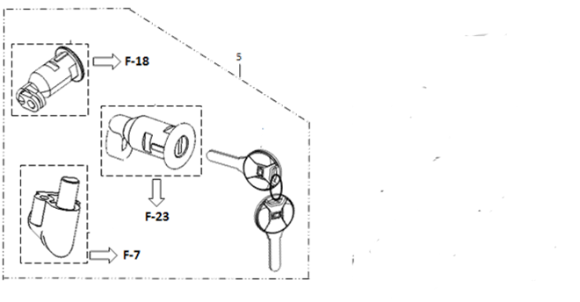
 | Ref. No. | Part No. | Description(EN) | Reqd.QTY | Remarks
 | 5 | 77220-QSM-A00 | Lock,Kit | 1
F-31
 | Foot Rest
 | 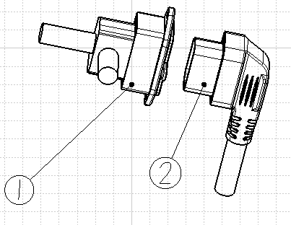 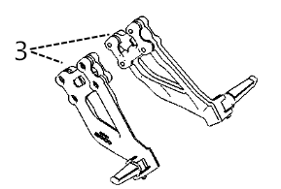
 | Ref. No. | Part No. | Description(EN) | Reqd.QTY | Remarks
 | 1 | 31514-QSM-A000 | Battery Charging/Discharging Socket | 1
 | 2 | 20170505001 | Baattery Connecting Cable | 1
 | 3 | 50720-QSM-A600-K | Rear Foot Rest Assy.(Including Bracket,Foot Rest,Screw) | 1

F-32
 | Lable
 | 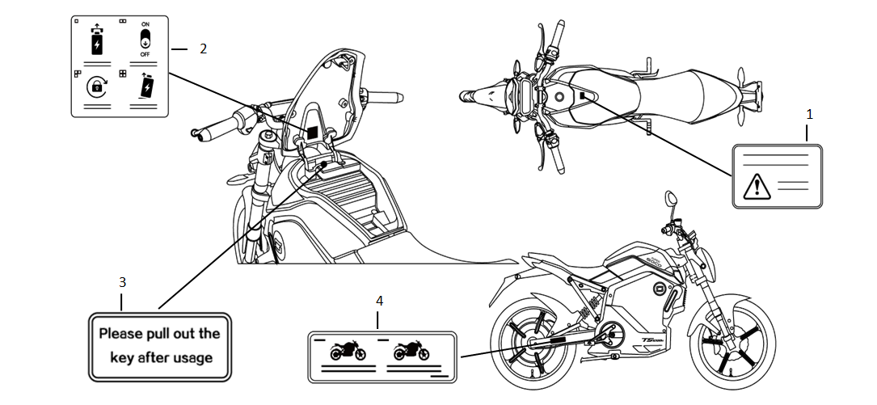
 | Ref. No. | Part No. | Description(EN) | Reqd.QTY | Remarks
 | 1 | 87560-QSM-A00 | Lable,Drive Caution | 1
 |  | 87560-QSM-A50 | ………………………… | 1
 | 2 | 87503-QSM-A00 | Lable,Battery Usage | 1
 |  | 87503-QSM-A50 | ………………………… | 1
 | 3 | 87504-QSM-A00 | Lable,Key Caution | 1
 |  | 87504-QSM-A50 | ………………………… | 1
 | 4 | 87505-QSM-A00 | Lable,Tire | 1
 |  | 87505-QSM-A50 | ………………………… | 1
 |  | 87505-QSM-A700 | Cineses Version,FR Tire:70/100-17,RR Tire:110/70-17,Max Loading Capacity:140kg
 |  | 87505-QSM-A800 | Cineses Version,FR Tire:70/100-17,RR Tire:100/70-17,Max Loading Capacity:150kg
 |  | 87505-QSM-A900 | English Version,FR Tire:70/100-17,RR Tire:100/70-17,Max Loading Capacity:150kg
 |  | 87505-QSM-C000 | Cineses Version,FR Tire:90/80-17,RR Tire:110/70-17,Max Loading Capacity:150kg
 |  | 87505-QSM-C200 | English Version,FR Tire:90/80-17,RR Tire:110/70-17,Max Loading Capacity:150kg

 | Sticker
 | 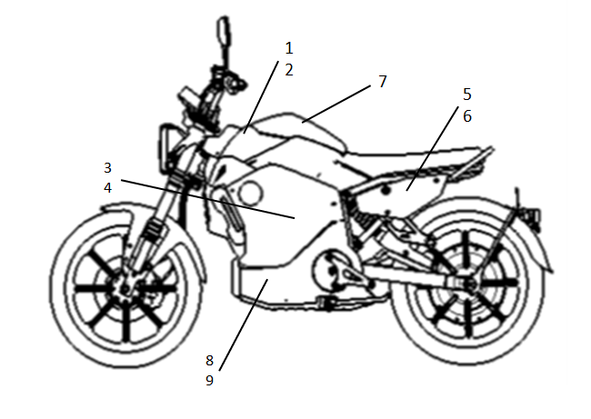
 | Ref. No. | Part No. | Description(EN) | Reqd.QTY | Remarks
 | TC Sticker（Sale In Set）
 | 1 | 80136-QSM-A000-S1 | Left Storage Box Cover Garnish Sticker | 1
 | 2 | 80135-QSM-A000-S1 | Right Storage Box Cover Garnish Sticker
 | 3 | 83515-QSM-C000-S1 | Body Upper Right Shield Sticker
 | 4 | 83525-QSM-C000-S1 | Body Upper Left Shield Sticker
 | 5 | 83640-QSM-C000-S1 | Left Shield Sticker
 | 6 | 83540-QSM-C000-S1 | Right Shield Sticker
 | 7 | 80121-QSM-C000-S1 | Storage Cover Sticker
 | 8 | 83545-QSM-C000-S1 | Body Lower Left Shield Sticker
 | 9 | 83535-QSM-C000-S1 | Body Lower Right Shield Sticker

