CPX
 | Headlight
 | 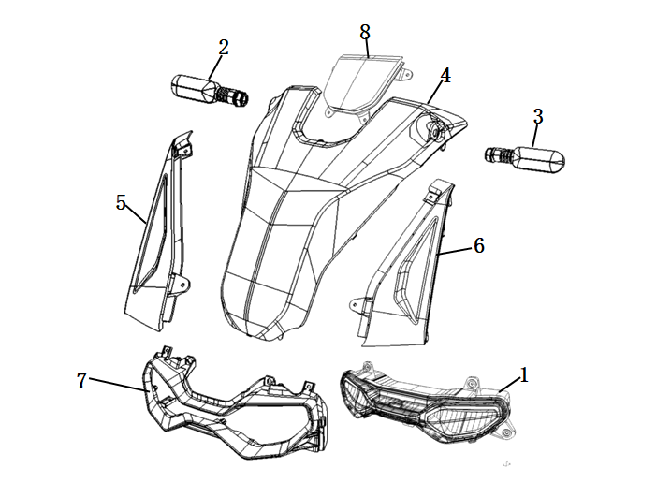
 | No. | Item No. | Name-EN | Qty
 | 1 | 33100-TBG-C000 | Light Assy,Head | 1
 | 2 | 33400-TBG-A100 | Winker,R Rr | 1
 | 3 | 33450-TBG-A100 | Winker,L Rr | 1
 | 4 | 64300-TBG-C000-S | Front Cover, MB02N/Black(Black Model) | 1
 |  |  | Front Cover, MB03P/Black(Silver Model) | 1
 |  |  | Front Cover, MB02N/Black(Grey Model) | 1
 | 5 | 64301-TBG-C000 | Garnish R,Fr Cover | 1
 | 6 | 64302-TBG-C000 | Garnish L,Fr Cover | 1
 | 7 | 64305-TBG-C000-P | Headlight Cover, MG07M/Grey | 1
 | 8 | 64303-TBG-C000 | Garnish Upper,Fr Cover | 1

 | Speedometer
 | 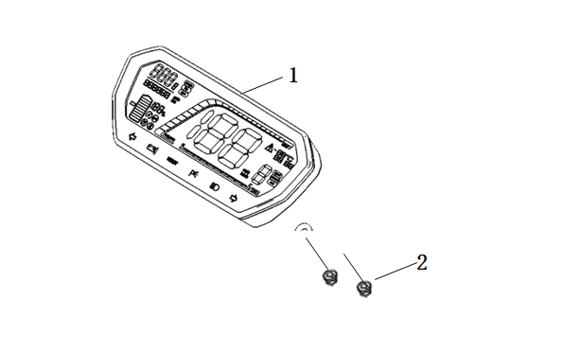
 | No. | Item No. | Name-EN | Qty
 | 1 | 37200-TBG-A000-M1 | Speedometer Assy | 1
 | 2 | 94050-06080 | Flange Nut 6 | 2

 | Switch Assy.
 | 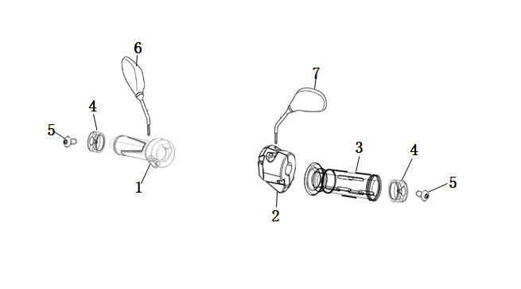
 | No. | Item No. | Name-EN | Qty
 | 1 | 35200-QSM-A700 | Switch Assy., L | 1
 | 2 | 35150-TBG-A000 | Switch Assy., R | 1
 | 3 | 30400-TAC-EC00 | Grip L,Handle | 1
 | 4 | 53105-TAC-EC01 | Weight,Handle | 2
 | 5 | 93500-05012-0H | Screw Pan 5X12 | 2
 | 6 | 88110-QSM-A500 | Mirror Assy,R Back | 1
 | 7 | 88120-QSM-A500 | Mirror Assy,L Back | 1

 | Front Windshield
 | 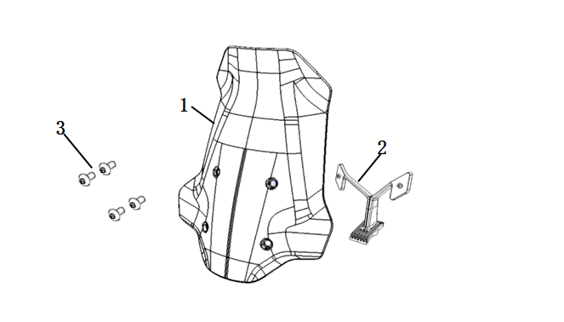

I

I | No. | Item No. | Name-EN | Qty
 | 1 | 64100-TBG-C000 | Front Windshield | 1
 | 2 | 64111-TBG-C000 | Bracket,Visor | 1
 | 3 | 95101-TBG-A000 | Socket Screw Special M6 | 4

 | Handlebar
 | 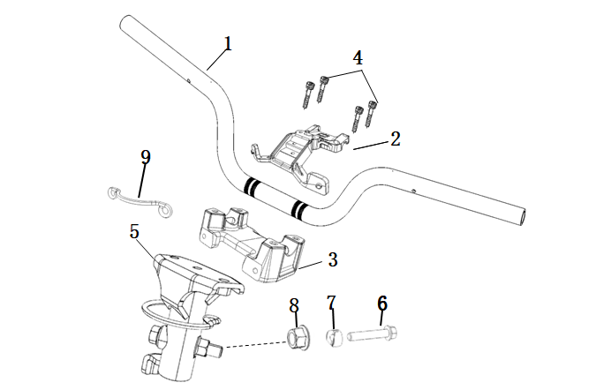
 | No. | Item No. | Name-EN | Qty
 | 1 | 53100-TBG-A000 | Pipe,Handle Comp | 1
 | 2 | 53131-TBG-C000 | Holder,Handle Upper | 1
 | 3 | 53230-TBG-A000 | Bridge,Top | 1
 | 4 | 96700-06016-07 | Socket Bolt 6X16 | 4
 | 5 | 53110-TBG-A000 | Post Comp,Handle | 1
 | 6 | 95801-TAC-A000 | Flange Bolt 10X45 | 1
 | 7 | 53124-TAC-A000 | Collar,Handle Setting | 1
 | 8 | 90306-TAC-A000 | Flange Nut U M10X1.25 | 1
 | 9 | 53133-TBG-C000 | Clip,Top Bridge | 1

 | Front Wheel
 | 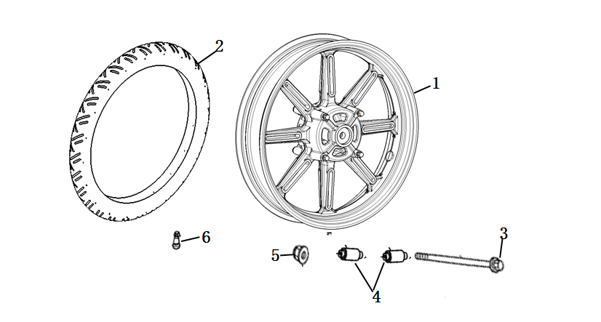
 | No. | Item No. | Name-EN | Qty
 | 1 | 44800-TBG-A000 | Wheel Assy.,Fr | 1
 | 2 | 44701-TBG-A000-M1 | Tire(100/80-16) | 1
 | 3 | 44301-QSM-A000 | Axle,Fr Wheel | 1
 | 4 | 44311-QSM-A000 | Collar,Fr Wheel Side | 2
 | 5 | 90307-QSM-A000 | Nut,Special Flange M12 | 1
 | 6 | 42702-QSM-A000 | Valve,Rim | 1

 | Front Suspension
 | 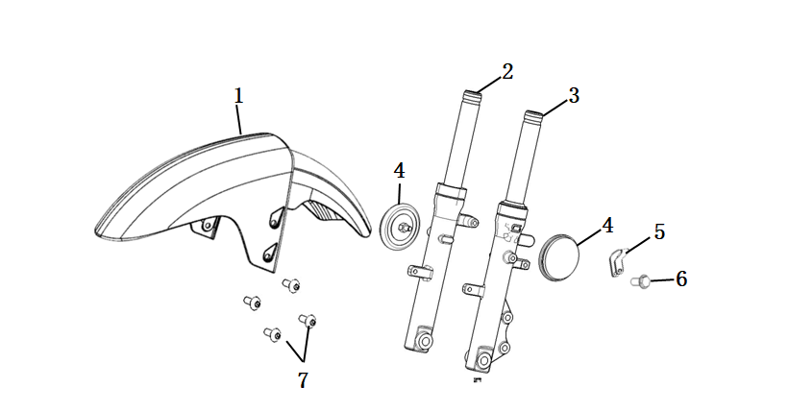
 | No. | Item No. | Name-EN | Qty
 | 1 | 61100-TBG-C000-S | Front Fender, MB02N/Black(Black Model) | 1
 |  |  | Front Fender, MB03P/Black(Silver Model) | 1
 |  |  | Front Fender, MB02N/Black(Grey Model) | 1
 | 2 | 51400-TBG-C000-M2 | Fork Assy,R Fr | 1
 | 3 | 51500-TBG-C000-M2 | Fork Assy,L Fr | 1
 | 4 | 33742-TAC-A010-M1 | Reflector,Side | 2
 | 5 | 53205-TBG-A000 | Clamper,Brake Hose | 1
 | 6 | 95701-06012-08 | Bolt,Flange 6X12 | 1
 | 7 | 95101-QSM-A000 | Socket Screw Special M6 | 4

 | CBS
 | 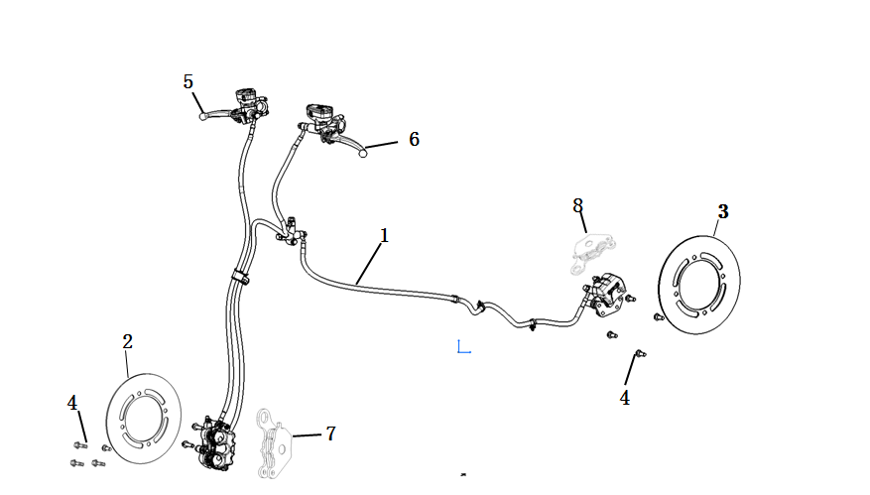
 | No. | Item No. | Name-EN | Qty
 | 1 | 46000-TBG-A000-M1 | Cbs Assy. | 1
 | 2 | 45251-QSM-F010-M1 | Disk,Fr Brake | 1
 | 3 | 41300-TAC-A010-M1 | Disk,Rr Brake | 1
 | 4 | 90105-QSM-A000 | Bolt Brk Disk 8X25 | 7
 | 5 | 53175-QSM-D000 | Front brake lever | 1
 | 6 | 53176-QSM-D000 | Rear brake lever | 1
 | 7 | 45310-TBG-A000-M1 | Front brake pads (set) | 1
 | 8 | 43310-TBG-A000-M1 | Rear brake pads (set) | 1

 | Side Stand
 | 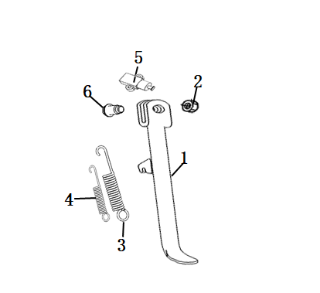
 | No. | Item No. | Name-EN | Qty
 | 1 | 50535-TBG-A000 | Stand Comp,L Side | 1
 | 2 | 94031-10080 | Nut Hex 10Mm | 1
 | 3 | 95014-72102 | Spring,Side Stand | 1
 | 4 | 95014-72112 | Sub Spring,Side Stand | 1
 | 5 | 35160-TBG-A000 | Sw.Set,Side Stand | 1
 | 6 | 90110-QSM-F000 | Pivot,Side Stand | 1

 | Main Stand
 | 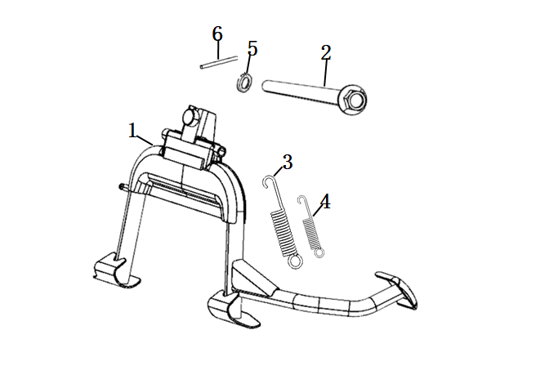
 | No. | Item No. | Name-EN | Qty
 | 1 | 50540-TBG-A000 | Stand Comp,Main | 1
 | 2 | 50550-TBG-A000 | Pivot,Main Stand | 1
 | 3 | 95014-TAC-A000 | Spring,Main Stand | 1
 | 4 | 95015-TAC-EC00 | Sub Spring,Main Stand | 1
 | 5 | 94102-10800 | Washer 10 | 1
 | 6 | 94201-30250 | Split 3X25 | 1

 | Frame
 | 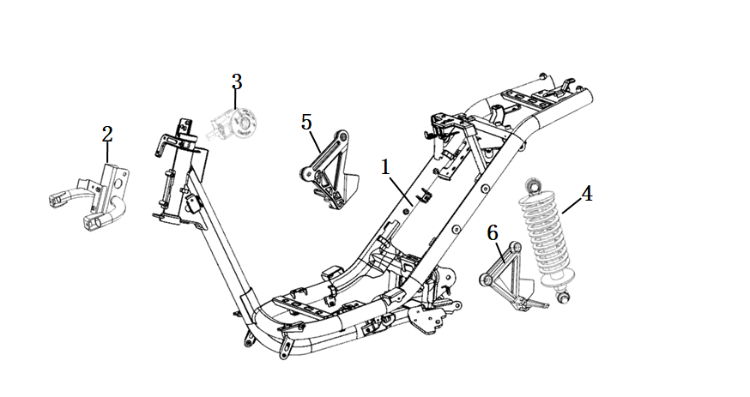
 | No. | Item No. | Name-EN | Qty
 | 1 | 50100-TBG-A000 | Frame Body Comp | 1
 | 2 | 50310-TBG-C000 | Stay Comp,Fr | 1
 | 3 | 35010-TAC-A000 | Head Lock Assy. | 1
 | 4 | 52400-TBG-C000-M2 | Cushion Assy,Rr | 1
 | 5 | 50650-TBG-C000 | Assy,R Pillion Step | 1
 | 6 | 50750-TBG-C000 | Assy,L Pillion Step | 1

 | Sub-Cushion
 | 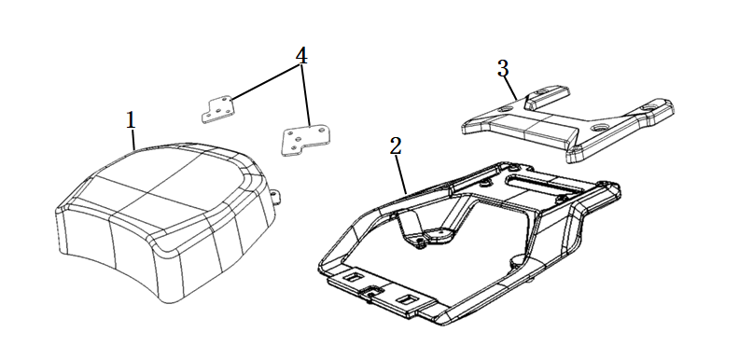

 | No. | Item No. | Name-EN | Qty
 | 1 | 77300-TBG-C000 | Sub-Cushion Assy. | 1
 | 2 | 50400-TBG-C000 | Carrier,Rr | 1
 | 3 | 50406-TBG-C000 | Cover,Rr Carrier | 1
 | 4 | 77301-TBG-C000 | Stay,Sub Seat | 1

 | Steering Stem
 | 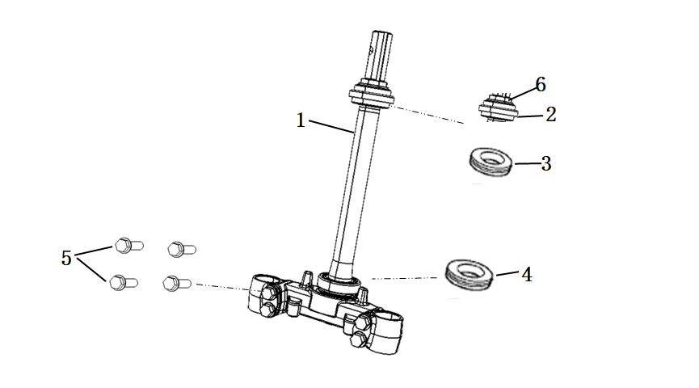
 | No. | Item No. | Name-EN | Qty
 | 1 | 53200-TBG-A000 | Stem Assy,Strg | 1
 | 2 | 53220-TBG-A000 | Thread Assy,Steering Head Top | 1
 | 3 | 53216-TBG-A000 | Bearing(Hr32005Xj) | 1
 | 4 | 53217-TBG-A000 | Bearing(Hr32006Xj) | 1
 | 5 | 95801-TAC-A100 | Bolt,Flange 10X45 | 4
 | 6 | 50306-TAC-A000 | Nut,Steering Stem Lock | 1

 | Front Cover
 | 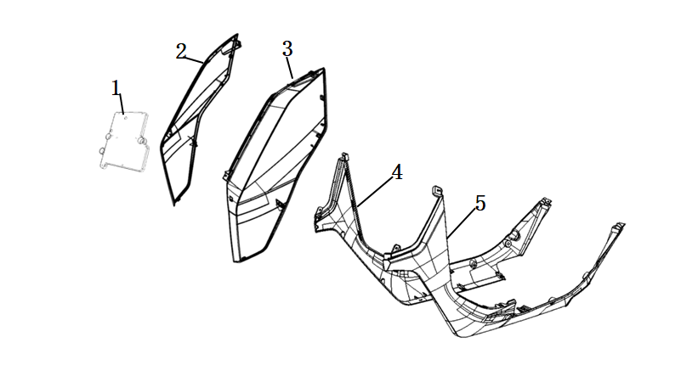

 | No. | Item No. | Name-EN | Qty
 | 1 | 50502-TBG-A000 | Plate,Elec. | 1
 | 2 | 64350-TBG-C000-P | Front Right Side Cover, MB01N/Black | 1
 |  |  | Front Right Side Cover, MS08M/Silver | 1
 |  |  | Front Right Side Cover, MG06N/Grey | 1
 | 3 | 64355-TBG-C000-P | Front Left Side Cover, MB01N/Black | 1
 |  |  | Front Left Side Cover, MS08M/Silver | 1
 |  |  | Front Left Side Cover, MG06N/Grey | 1
 | 4 | 83520-TBG-A000 | Side Cover,R | 1
 | 5 | 83620-TBG-A000 | Side Cover,L | 1

 | Main Girder Cover
 | 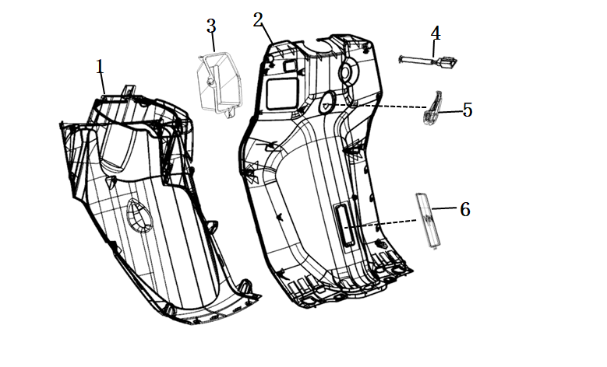
 | No. | Item No. | Name-EN | Qty
 | 1 | 61110-TBG-A000 | Cover,Fr Lower | 1
 | 2 | 81141-TBG-A000 | Cover,Main Pipe | 1
 | 3 | 64460-TBG-A000 | Pocket,Inner | 1
 | 4 | 35400-TAC-A000 | Usb Port | 1
 | 5 | 81132-TBG-A000 | Hook,Luggage | 1
 | 6 | 81133-TBG-A000 | Cover,Vin | 1

 | Footboard
 | 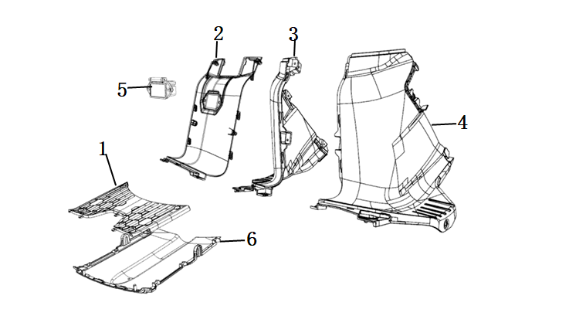
 | No. | Item No. | Name-EN | Qty
 | 1 | 64310-TBG-A000 | Step,Floor | 1
 | 2 | 83750-TBG-A000 | Cover,Center | 1
 | 3 | 83760-TBG-A000 | Cover,R Center | 1
 | 4 | 83765-TBG-A000 | Cover,L Center | 1
 | 5 | 35310-TBG-A000 | Socket,Frame Charger | 1
 | 6 | 50621-TBG-A000 | Cover,Under | 1

 | Rear Side Cover
 | 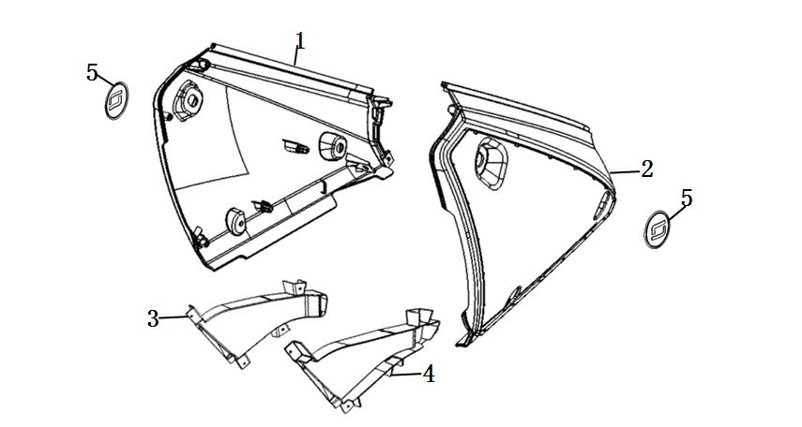
 | No. | Item No. | Name-EN | Qty
 | 1 | 83500-TBG-C000-P | Rear Right Side Cover, MB01N/Black | 1
 |  |  | Rear Right Side Cover, MS08M/Silver | 1
 |  |  | Rear Right Side Cover, MG06N/Grey | 1
 | 2 | 83600-TBG-C000-P | Rear Left Side Cover, MB01N/Black | 1
 |  |  | Rear Left Side Cover, MS08M/Silver | 1
 |  |  | Rear Left Side Cover, MG06N/Grey | 1
 | 3 | 83505-TBG-A000 | Cowl,R Guide | 1
 | 4 | 83605-TBG-A000 | Cowl,L Guide | 1
 | 5 | 83516-QSM-A001 | Logo | 2

 | Storage Box
 | 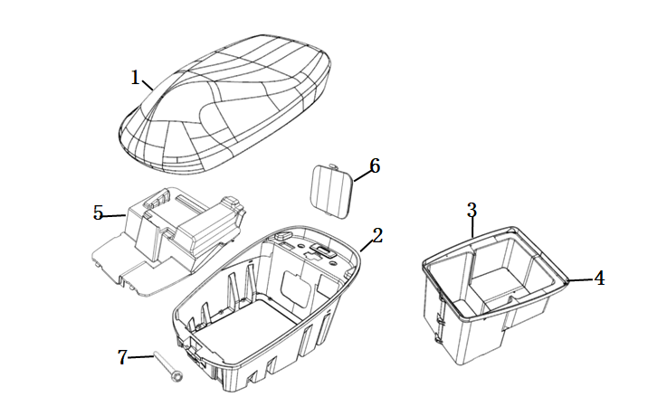
 | No. | Item No. | Name-EN | Qty
 | 1 | 77200-TBG-C000 | Seat Comp Double | 1
 | 2 | 81250-TBG-A000 | Box,Luggage | 1
 | 3 | 81255-TBG-A000 | R Dowm,Luggage Box | 1
 | 4 | 81256-TBG-A000 | L Dowm,Luggage Box | 1
 | 5 | 80101-TBG-A000 | Cover,Batt. | 1
 | 6 | 81252-TBG-A000 | Cover,Maint. | 1
 | 7 | 77211-TAC-A000 | Pivot,Seat | 1

 | Battery
 | 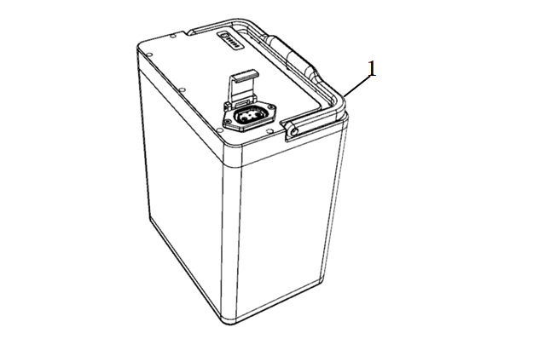
 | No. | Item No. | Name-EN | Qty
 | 1 | 31500-TBG-A000-M1 | Battery Assy(60V 45Ah) | 1

 | Motor
 | 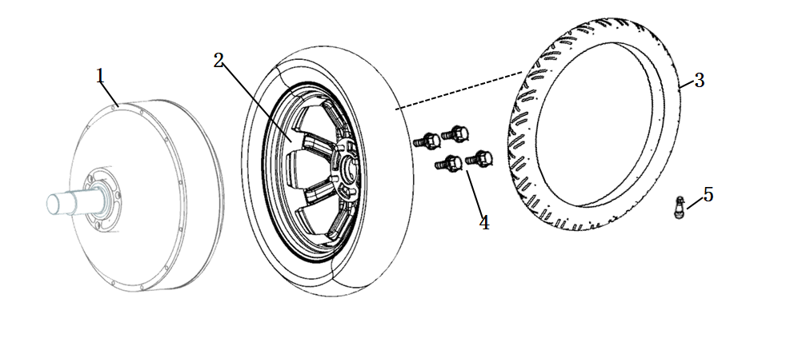
 | No. | Item No. | Name-EN | Qty
 | 1 | 31100-TBG-C100-M1 | Motor Assy(3000W), L1e Version(25&45km/h) | 1
 |  | 31100-TBG-C000-M1 | Motor Assy(4000W), L3e Version(90km/h) | 1
 | 2 | 42800-TBG-A000-M1 | Wheel Assy,Rr | 1
 | 3 | 42701-TBG-A000-M1 | Tire(110/80-14 Tl) | 1
 | 4 | 42702-TBG-A000 | Valve,Rim | 1
 | 5 | 97701-TBG-A000 | Bolt,Wheel | 4

 | Swingarm
 | 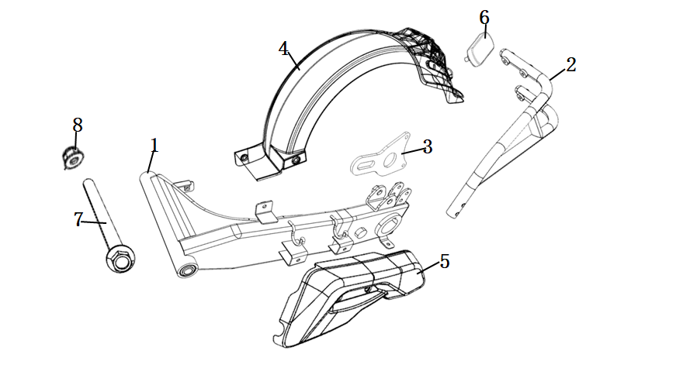

 | No. | Item No. | Name-EN | Qty
 | 1 | 52100-TBG-A000 | Swingarm Assy,Rr | 1
 | 2 | 52150-TBG-A000 | Stay Comp,Rr Fender | 1
 | 3 | 43111-TBG-A000 | Bracket,Rr Brake | 1
 | 4 | 80100-TBG-A000 | Fender,Rr | 1
 | 5 | 80104-TBG-A000 | Cover,Swingarm | 1
 | 6 | 33741-QSM-C010-M1 | Reflector,Rr | 1
 | 7 | 52101-TBG-A000 | Bolt,Swingarm Pivot | 1
 | 8 | 90307-QSM-A000 | Nut,Special Flange M12 | 1

 | Taillight
 | 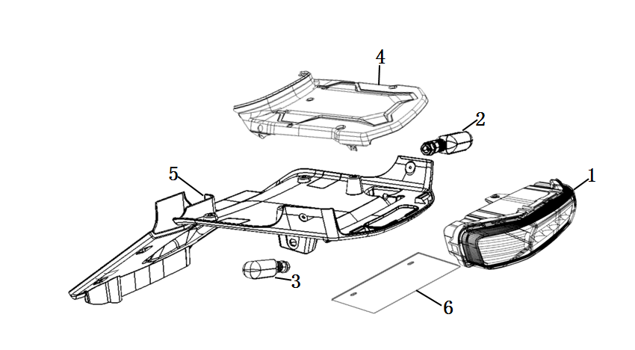

 | No. | Item No. | Name-EN | Qty
 | 1 | 33700-TBG-A000 | Light Assy,Tail | 1
 | 2 | 33400-TBG-A100 | Winker,R Rr | 1
 | 3 | 33450-TBG-A100 | Winker,L Rr | 1
 | 4 | 83700-TBG-A000 | Cover,Rr Center | 1
 | 5 | 50503-TBG-A000 | Cover,Rr Under | 1
 | 6 | 80200-TAC-A000 | Plate,Ad. | 1

 | Controller

 | No. | Item No. | Name-EN | Qty
 | 1 | 30100-TBG-C000-R20 | Controller(4000W No Ltd), L3e Version | 1
 | 2 | 30100-TBG-C100-R00 | Controller(3000W 25KM/H), L1e 45KM/H Version | 1
 |  | 30100-TBG-C100-R10 | Controller(3000W 45KM/H), L1e 45KM/H Version | 1
 | 3 | 50431-TBG-A000 | Adapter Plate,Controller | 1
 | 4 | 50431-TBG-C100 | Adapter Plate Right,Controller | 1
 | 5 | 50432-TBG-C100 | Adapter Plate Left,Controller | 1

 | Electrical Parts
 | 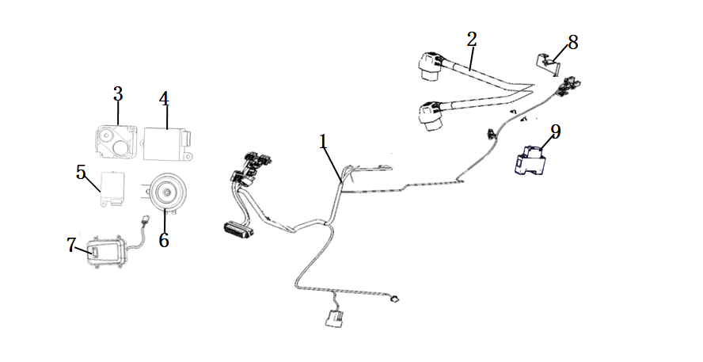

 | No. | Item No. | Name-EN | Qty
 | 1 | 32100-TBG-C100 | Main Harness Wire | 1
 | 2 | 32200-TBG-A000 | Sub Harness Wire | 1
 | 3 | 35020-TGC-A000-K | Alarm Assy. | 1
 | 4 | 32300-TAC-A000 | Dc-Dc | 1
 | 5 | 38300-QSM-AF00 | Relay,Winker | 1
 | 6 | 38110-TAC-A000 | Horn Assy | 1
 | 7 | 30200-TBG-A000 | Ecu Assy( Without 3G Module) | 1
 |  | 30200-TBG-C000 | Ecu Assy(With 3G Module) | 1
 | 8 | 77232-TAC-A000 | Electronic Cushion Lock | 1
 | 9 | 35050-QSM-FA00 | Circuit Protector | 1

 | Lock
 | 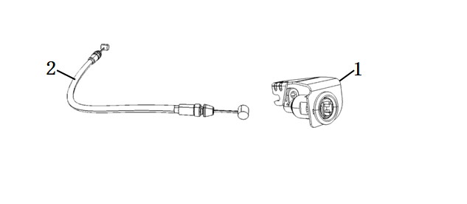

 | No. | Item No. | Name-EN | Qty
 | 1 | 77236-TBG-A000 | Stay,Seat Lock Cable(Including cushion lock) | 1
 | 2 | 77240-TBG-A000 | Cable,Seat Lock | 1

 | Charger
 | 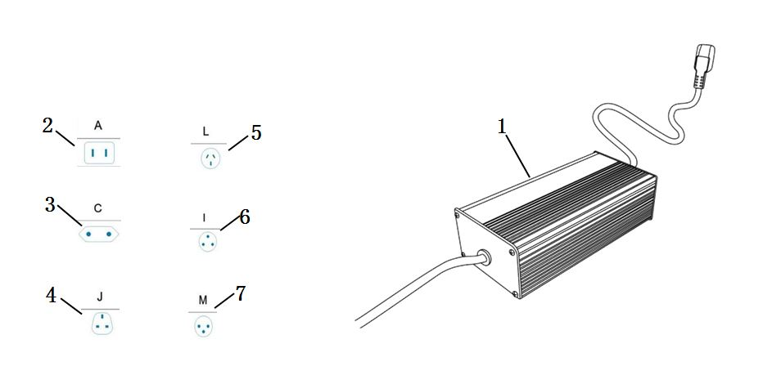

 | No. | Item No. | Name-EN | Qty
 | 1 | 35300-TBG-A20 | Charger(60V8A) - FCC Certification | 1
 | 2 | 35320-QSM-A500-T1 | Charging Cable Type A - China, Taiwai, Japan, Thailand, Philippines, USA | 1
 |  | 35320-QSM-A500-T2 | Charging Cable Type C - EU, Korea, Russia | 1
 |  | 35320-QSM-A500-T3 | Charging Cable Type J - UK, HK, India,Singapore, Vietnam, Malaysia | 1
 |  | 35320-QSM-A500-T4 | Charging Cable Type L - China, Australia, New Zealand, Argentina | 1
 |  | 35320-QSM-A500-T5 | Charging Cable Type I - South Africa, India | 1
 |  | 35320-QSM-A500-T6 | Charging Cable Type M - Israel | 1

 | Sticker
 | 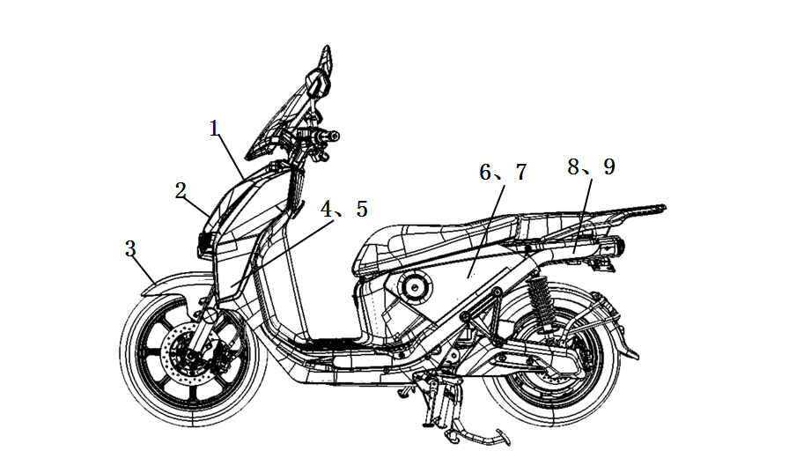

 | No. | Item No. | Name-EN | Qty
 | 8 | 50100-TBG-C000-S1 | Left Sticker, Frame, ST001/Silver | 1
 | 9 | 50100-TBG-C000-S2 | Right Sticker, Frame, ST001/Silver | 1
 | MB01N/Black Model
 | 1 | 64300-TBG-C000-S1 | Strip 1,Fr Cover, ST008/Red | 1
 | 2 | 64300-TBG-C000-S2 | Strip 2,Fr Cover, ST001/Silver | 1
 | 3 | 61100-TBG-C000-S1 | Strip,Fr Fender, ST008/Red | 1
 | 4 | 64350-TBG-C000-S1 | Strip,Fr R Side Cover, ST008/Red | 1
 | 5 | 64355-TBG-C000-S1 | Strip,Fr L Side Cover, ST008/Red | 1
 | 6 | 83500-TBG-C000-S1 | Strip,R Body Cover, ST008/Red | 1
 | 7 | 83600-TBG-C000-S1 | Strip,L Body Cover, ST008/Red | 1
 | MS08M/Silver Model
 | 1 | 64300-TBG-C000-S1 | Strip 1,Fr Cover, ST002/Dark Silver | 1
 | 2 | 64300-TBG-C000-S2 | Strip 2,Fr Cover, ST001/Silver | 1
 | 3 | 61100-TBG-C000-S1 | Strip,Fr Fender, ST001/Silver | 1
 | 4 | 64350-TBG-C000-S1 | Strip,Fr R Side Cover, ST002/Dark Silver | 1
 | 5 | 64355-TBG-C000-S1 | Strip,Fr L Side Cover, ST002/Dark Silver | 1
 | 6 | 83500-TBG-C000-S1 | Strip,R Body Cover, ST002/Dark Silver | 1
 | 7 | 83600-TBG-C000-S1 | Strip,L Body Cover, ST002/Dark Silver | 1
 | MG06N/Grey Model
 | 1 | 64300-TBG-C000-S1 | Strip 1,Fr Cover, ST015/Yellow | 1
 | 2 | 64300-TBG-C000-S2 | Strip 2,Fr Cover, ST001/Silver | 1
 | 3 | 61100-TBG-C000-S1 | Strip,Fr Fender, ST015/Yellow | 1
 | 4 | 64350-TBG-C000-S1 | Strip,Fr R Side Cover, ST015/Yellow | 1
 | 5 | 64355-TBG-C000-S1 | Strip,Fr L Side Cover, ST015/Yellow | 1
 | 6 | 83500-TBG-C000-S1 | Strip,R Body Cover, ST015/Yellow | 1
 | 7 | 83600-TBG-C000-S1 | Strip,L Body Cover, ST015/Yellow | 1

