QSMJ
TC WANDERER

F-1
Headlight Assy
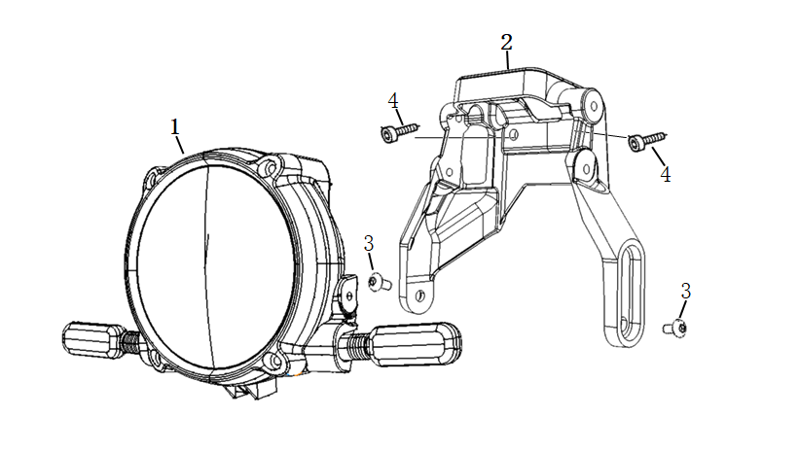

No. | Item No. | Name-EN | Qty | Model
1 | 33100-QSM-C01 | Headlight assy | 1
2 | 61311-QSM-J00 | Bracket,Headlight | 1
3 | 96700-08025-07 | Hexagon socket bolt 8X25 | 2
4 | 95101-QSM-A00 | Hexagon socket head step screw M6 | 2

F-2
Windshield Assy
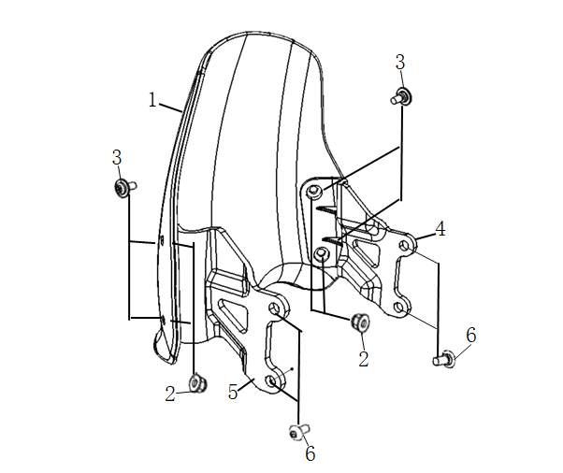

No. | Item No. | Name-EN | Qty | Model
1 | 64100-QSM-C10 | Windshield | 1
2 | 90111-KTJ-8703 | Mounting nut,Windshield | 4
3 | 93500-05016-1G | Cross recessed pan head screw 5X16 | 4
4 | 64111-QSM-C10 | Right bracket,Windshield | 1
5 | 64112-QSM-C10 | Left bracket,Windshield | 1
6 | 96700-06012-08 | Hexagon socket bolt 6X12 | 4

F-3
Speedometer Assy
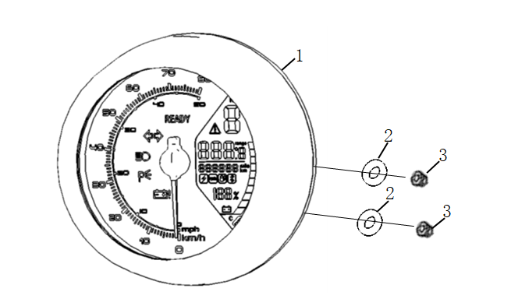

No. | Item No. | Name-EN | Qty | Model
1 | 37200-QSM-J00 | Speedometer assy | 1
2 | 37300-QSM-A00 | Rubber gasket | 2
3 | 94050-06080 | Flange nut M6 | 2

F-4
Left And Right Switch Set
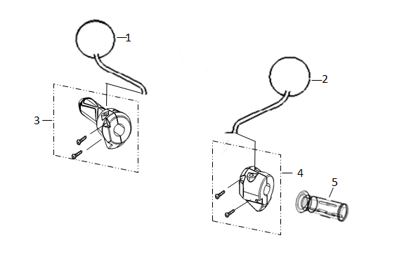

No. | Item No. | Name-EN | Qty | Model
1 | 88100-QSM-C00 | Right back mirror assy | 1
2 | 88120-QSM-C00 | Left back mirror assy | 1
3 | 35150-QSM-H00 | Right switch set assy | 1
4 | 35200-QSM-A70 | Left switch set assy | 1
5 | 30400-TAC-EC0 | Left grip,Handle | 1

F-5
Handlebar Pipe
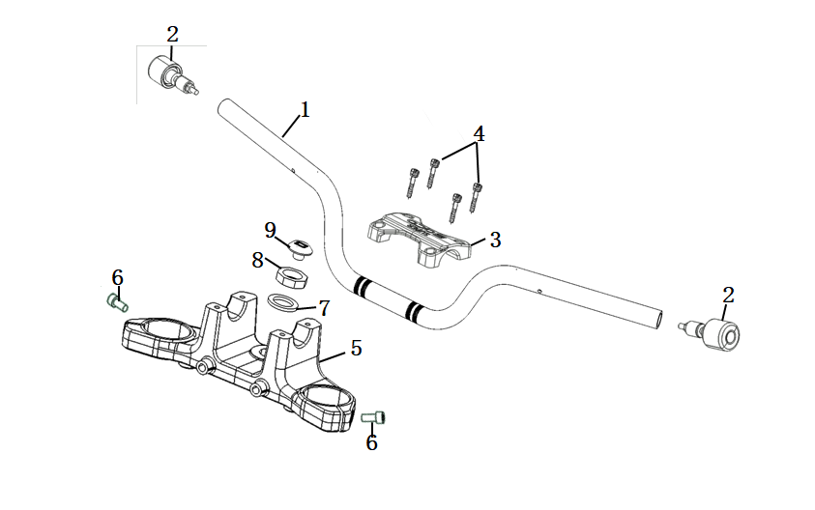

No. | Item No. | Name-EN | Qty | Model
1 | 53100-QSM-H00 | Pipe,Handlebar | 1
2 | 53105-QSM-H00 | Weight，Handlebar | 2
3 | 53131-QSM-H00 | Holder,Handlebar | 1
4 | 96700-06016-07 | Hexagon socket bolt 6X16 | 4
5 | 53230-QSM-H00 | Bridge,Top | 1
6 | 96600-08016-07 | Hexagon socket bolt 8X16 | 2
7 | 90503-QSM-A00 | Washer,Steering stem | 1
8 | 90304-QSM-A00 | Nut,Steering stem | 1
9 | 53235-QSM-A00 | Cover,Steering stem | 1

F-6
Steering Stem
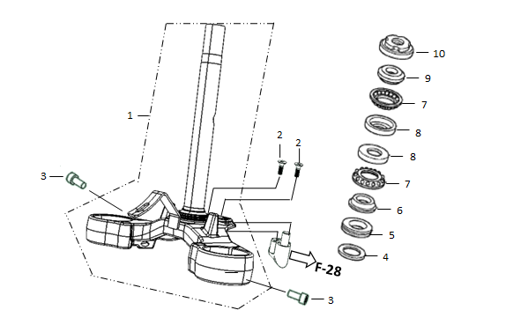

No. | Item No. | Name-EN | Qty | Model
1 | 53200-QSM-J00 | Steering stem assy | 1
2 | 93600-05012-1H | Cross recessed countersunk head screw 5X12 | 2
3 | 96600-08016-07 | Hexagon socket bolt 8X16 | 2
4 | 53215-QSM-A00 | Dustproof gasket | 1
5 | 53214-QSM-A00 | Dust ring | 1
6 | 53212-QSM-A00 | Lower bearing ring | 1
7 | 53210-QSM-A00 | Bearing retainer 3/16x14 | 2
8 | 50302-QSM-A00 | Upper Bearing Steel bowl,Steering stem | 2
9 | 53211-QSM-A00 | Upper bearing ring | 1
10 | 53220-QSM-A00 | Lock nut,Steering stem | 1

F-7
Front Wheel Assy
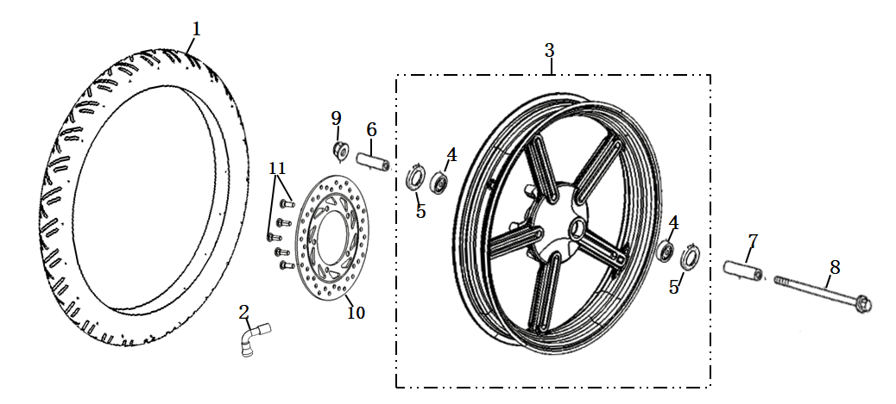

No. | Item No. | Name-EN | Qty | Model
1 | 44701-QSM-H00 | Front tyre(100/80-17,P99 Tubeless) | 1
2 | 42702-TAC-A00 | Valve rim | 1
3 | 44800-QSM-H00 | Front wheel hub assy | 1
4 | 96140-QSM-A00 | Bearing （6201-2RS) | 2
5 | 90755-QSM-A00 | Oil seal(φ20xφ32x5) | 2
6 | 44311-QSM-H00 | Axle sleeve,Fr Wheel Side | 1
7 | 44311-QSM-A00 | Axle sleeve,Fr Wheel Side | 1
8 | 44301-QSM-H00 | Axle,Fr Wheel | 1
9 | 90307-QSM-A00 | Flange Lock Nut M12 | 1
10 | 45251-QSM-H00 | Front brake disc | 1
11 | 90105-QSM-A00 | Mounting screw，Brake disc 8x25 | 5

F-8
Front Shock Absorber
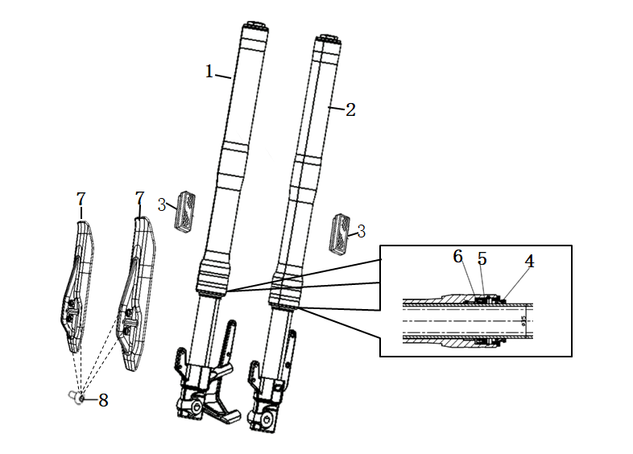

No. | Item No. | Name-EN | Qty | Model
1 | 51400-QSM-H00-MS05A | Right front shock absorber | 1
2 | 51500-QSM-H00-MS05A | Left front shock absorber | 1
3 | 33743-QSM-AE1 | Front side reflex reflector | 2
4 | 91254-QSM-A00 | Dust ring | 2
5 | 91255-QSM-A00 | Oil seal | 2
6 | 51490-QSM-A00 | Front suspension seal (set) | 2
7 | 61103-QSM-J00 | Front reduction baffle | 2
8 | 95101-QSM-A00 | Hexagon socket head step screw M6 | 4

F-9
CBS
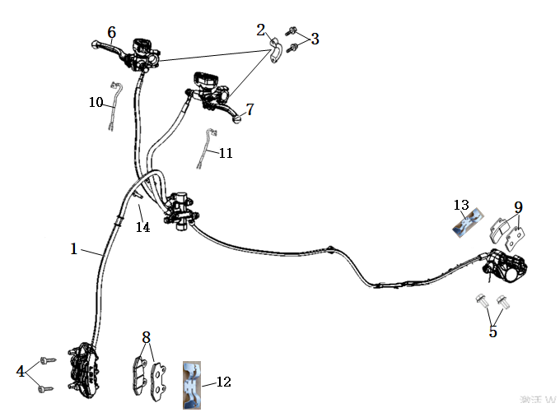

No. | Item No. | Name-EN | Qty | Model
1 | 46000-QSM-H00 | CBS assy | 1
2 | 45517-QSM-A00 | Holder,Main cylinder | 2
3 | 90102-QSM-A00 | Flange Bolt M6X22 | 4
4 | 90156-QSM-H00 | Gumming hexagon socket bolt 10X50X1.25 | 2
5 | 90155-QSM-H00 | Gumming flange bolt 8x18 | 2
6 | 53175-QSM-D00 | Front brake lever | 1
7 | 53176-QSM-D00 | Rear brake lever | 1
8 | 45310-QSM-H00 | Front brake pad(set) | 1
9 | 43310-QSM-H00 | Rear brake pad(set) | 1
10 | 35340-QSM-A00 | Front brake light switch | 1
11 | 35345-QSM-A00 | Rear brake light switch | 1
12 | 45108-QSM-H00 | Return spring，Front brake | 1
13 | 43108-QSM-H00 | Return spring，Rear brake | 1
14 | 95701-QSM-H00 | Flange Bolt M6X35 | 2

F-10
Side Stand
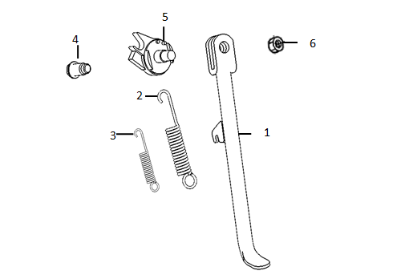

No. | Item No. | Name-EN | Qty | Model
1 | 50530-QSM-H00 | Side stand | 1
2 | 95014-72102 | Spring，Side stand | 1
3 | 95014-72112 | Sub spring，Side stand | 1
4 | 90110-TAC-A00 | Pivot,Side Stand | 1
5 | 35160-TAC-A00 | Sw.Set,Side Stand | 1
6 | 94031-10080 | Thin nut M10 | 1

F-11
Main Frame
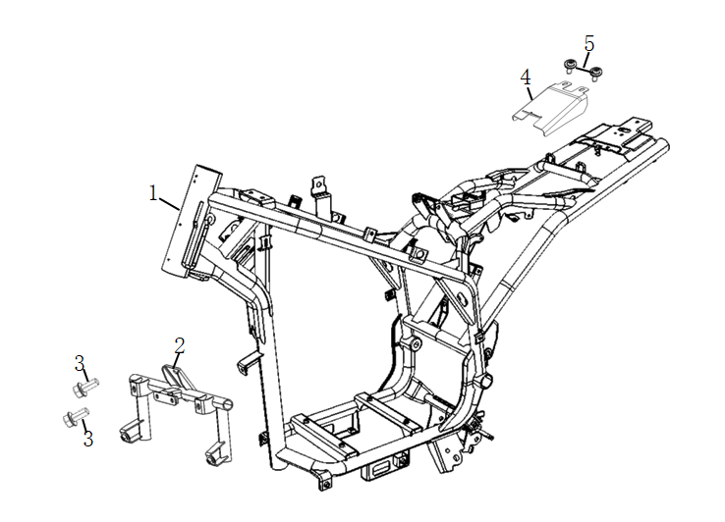

No. | Item No. | Name-EN | Qty | Model
1 | 50100-QSM-J00 | Main frame body assy | 1
2 | 50500-QSM-H00 | Bracket，Body front shield | 1
3 | 95701-06012-08 | Flange Bolt 6X12 | 2
4 | 77216-QSM-J000 | Anti-theft plate | 1
5 | 93500-06012-0H | Phillips Screw 6X12 | 2

F-12
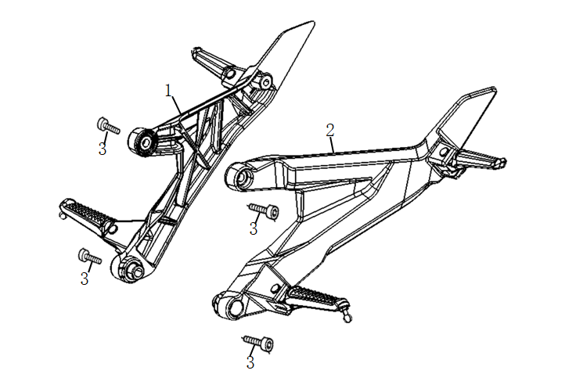

No. | Item No. | Name-EN | Qty | Model
1 | 50650-QSM-H00 | Front and rear passenger right footrest assy | 1
2 | 50750-QSM-H00 | Front and rear passenger left footrest assy | 1
3 | 96700-10030-08 | Hexagon socket bolt 10X30x1.25 | 4

F-13
Rear Shock Absorber
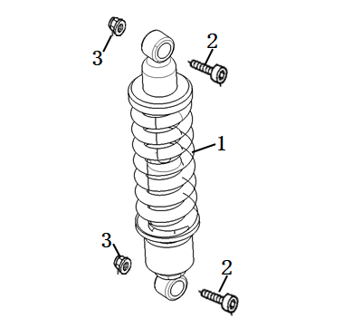

No. | Item No. | Name-EN | Qty | Model
1 | 52400-QSM-H00 | Rear shock absorber | 1
2 | 95801-10040-07 | Flange Bolt 10X40 | 2
3 | 94050-10070 | Flange nut M10 | 2

F-14
Rear Fork
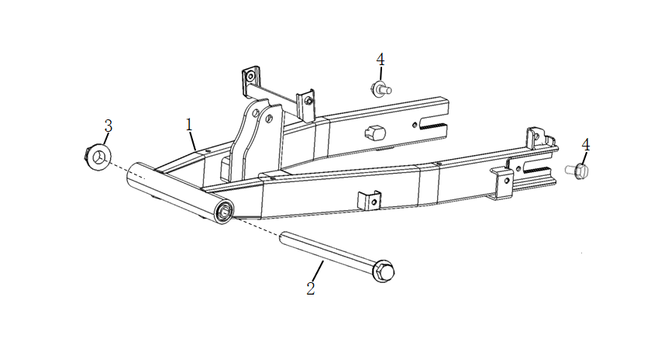

No. | Item No. | Name-EN | Qty | Model
1 | 52100-QSM-H00 | Rear fork assy | 1
2 | 52101-TAC-A00 | Axle，Rear fork | 1
3 | 90307-QSM-A00 | Flange Lock Nut M12 | 1
4 | 95701-06016-08 | Flange Bolt M6X16 | 2

F-15
Motor Assy
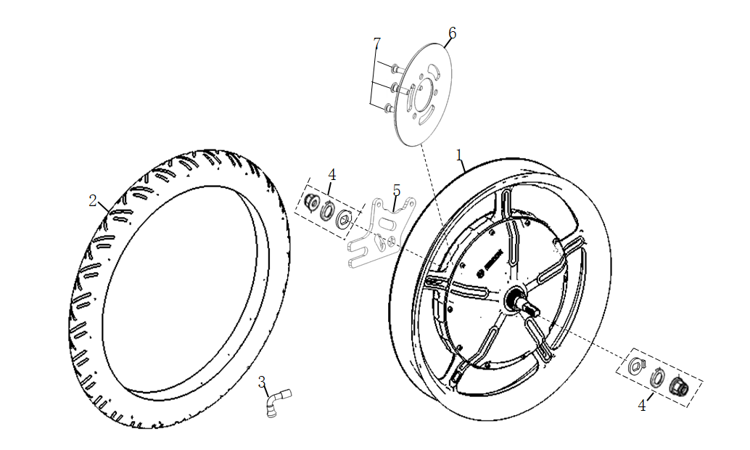

No. | Item No. | Name-EN | Qty | Model
1 | 42800-QSM-H00 | Rear motor （2000W） | 1
2 | 42701-QSM-J00-M1 | Rear Tyre(120/80-17 P277) | 1
3 | 42702-TAC-A00 | Valve Rim | 1
4 | 42890-QSM-H00 | Motor accessories bag | 1
5 | 43111-QSM-H00 | Bracket,Rear brake caliper | 1
6 | 41300-TAC-A01 | Rear brake disc | 1
7 | 90105-QSM-A00 | Mounting screw,Brake disc 8X25 | 3

F-16
Front Fender Assy
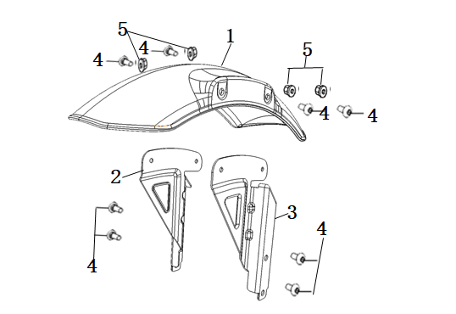

No. | Item No. | Name-EN | Qty | Model
1 | 61100-QSM-J00-P-MB01N | Front Fender (MB01N/Black) | 1
2 | 61101-QSM-J00 | Right bracket,Front Fender | 1
3 | 61102-QSM-J00 | Left bracket,Front Fender | 1
4 | 95101-QSM-A00 | Hexagon socket head step screw M6 | 8
5 | 94050-06080 | Flange nut M6 | 4

F-17
Storage Box Cover
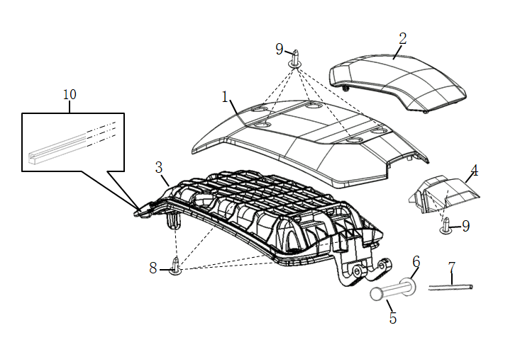

No. | Item No. | Name-EN | Qty | Model
1 | 80121-QSM-J00-P-CG01M | Storage box cover (CG01M/Green) | 1
 | 80121-QSM-J00-P-WY03P | Storage box cover (WY03P/Yellow) | 1
 | 80121-QSM-J00-P-CB10N | Storage box cover (CB10N/Blue) | 1
 | 80121-QSM-J00-P-MG06N | Storage box cover (MG06N/Grey) | 1
2 | 80131-QSM-H00 | Upper decorative cover,Storage box cover | 1
3 | 80126-QSM-H00 | Liner panel,Storage box cover | 1
4 | 80132-QSM-H00-P-MS04M | Rear decorative cover,Storage box cover (MS04M/Silver) | 1
5 | 77211-TAC-A00 | Pivot,Cushion | 1
6 | 94102-08800 | Washer 8mm | 1
7 | 94201-16180 | Split Pin 1.6x18 | 1
8 | 93903-QSM-A10 | Tapping Screw 4X12 | 4
9 | 93903-QSM-A00 | Tapping Screw 4X12 | 7
10 | 83902-QSM-H00 | Sealing strip,Storage box cover | 1

F-18
Storage Box Assy-1
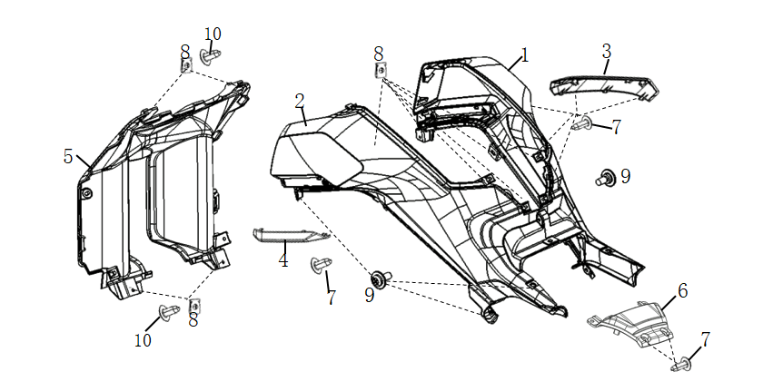

No. | Item No. | Name-EN | Qty | Model
1 | 80155-QSM-H00-S-WY10P | Right cover,Storage box(WY10P/Gold sticker) | 1
2 | 80165-QSM-H00-S-WY10P | Left cover,Storage box(WY10P/Gold sticker) | 1
3 | 80135-QSM-H00-P-MS03M | R Garnish Set,Storage box cover (MS04M/Silver) | 1
4 | 80136-QSM-H00-P-MS03M | L Garnish Set,Storage box cover (MS04M/Silver) | 1
5 | 80115-QSM-H00 | Front cover,Storage box | 1
6 | 80175-QSM-H00-P-MS04M | Rear cover,Storage box(MS04M/Silver) | 1
7 | 93903-QSM-A00 | Tapping Screw 4X12 | 14
8 | 90303-GCC-000 | Spring Clip M4 | 10
9 | 93500-QSM-C00 | Cross pan screw 5x12 | 6
10 | 93903-QSM-A10 | Tapping Screw 4X12 | 4

F-19
Storage Box Assy-2
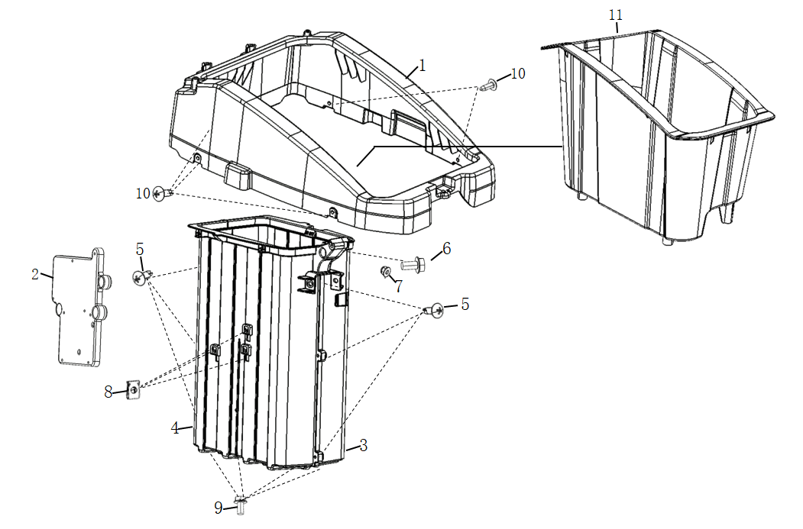

No. | Item No. | Name-EN | Qty | Model
1 | 81250-QSM-H00 | Top storage box | 1
2 | 50502-TBG-A00 | Plate,Elec. | 1
3 | 81255-QSM-H00 | Right storage box | 1
4 | 81256-QSM-H00 | Left storage box | 1
5 | 93903-25320 | Tapping Screw 5X16 | 6
6 | 95701-06016-08 | Flange Bolt 6X16 | 1
7 | 94001-06000-0S | Hexagon nut M6 | 1
8 | 84601-QSM-A00 | Spring Clip M6 | 3
9 | 95701-06012-08 | Flange Bolt 6X12 | 7
10 | 93903-QSM-A00 | Tapping Screw 4X12 | 5
11 | 80145-QSM-H00 | Storage box | 1

F-20
Left And Right Upper Shield
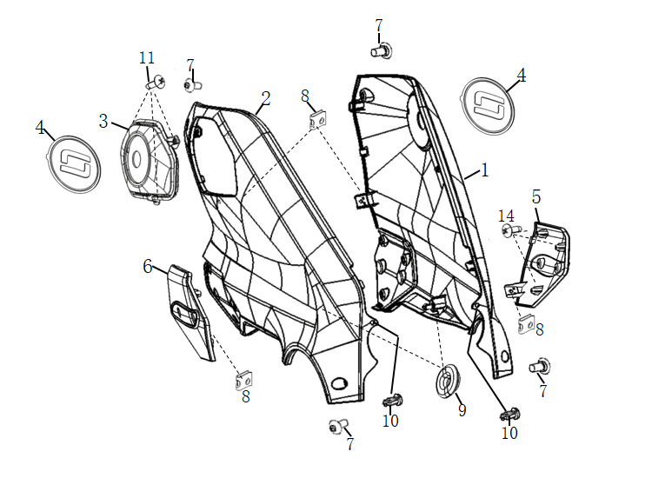

No. | Item No. | Name-EN | Qty | Model
1 | 83515-QSM-J00-S-CG01M | Right upper body shield(CG01M/Green Sticker) | 1
 | 83515-QSM-J00-S-WY03P | Right upper body shield(WY03P/Yellow Sticker) | 1
 | 83515-QSM-J00-S-CB10N | Right upper body shield(CB10N/Blue Sticker) | 1
 | 83515-QSM-J00-S-MG06N | Right upper body shield(MG06N/Grey Sticker) | 1
2 | 83525-QSM-J00-S-CG01M | Left upper body shield(CG01M/Green Sticker ) | 1
 | 83525-QSM-J00-S-WY03P | Left upper body shield(WY03P/Yellow Sticker) | 1
 | 83525-QSM-J00-S-CB10N | Left upper body shield(CB10N/Blue Sticker) | 1
 | 83525-QSM-J00-S-MG06N | Left upper body shield(MG06N/Grey Sticker) | 1
3 | 83522-QSM-J00-S-CG01M | Charge gun socket cover(CG01M/Green ） | 1
 | 83522-QSM-J00-S-WY03P | Charge gun socket cover(WY03P/Yellow) | 1
 | 83522-QSM-J00-S-CB10N | Charge gun socket cover(CB10N/Blue) | 1
 | 83522-QSM-J00-S-MG06N | Charge gun socket cover(MG06N/Grey Sticker) | 1
4 | 83516-QSM-A00 | Logo | 2
5 | 83517-QSM-J00-P-MS04M | R Diversion Garnish Set | 1
6 | 83527-QSM-J00-P-MS04M | L Diversion Garnish Set | 1
7 | 95101-QSM-A00 | Hexagon socket head step screw M6 | 4
8 | 90303-GCC-000 | Spring Clip M4 | 4
9 | 83542-KPN-900 | Circular I-shaped rubber | 2
10 | 90683-QSM-H00 | Rivet clamp | 2
11 | 93903-QSM-A00 | Tapping Screw 4X12 | 3

F-21
Left And Right Lower Shield
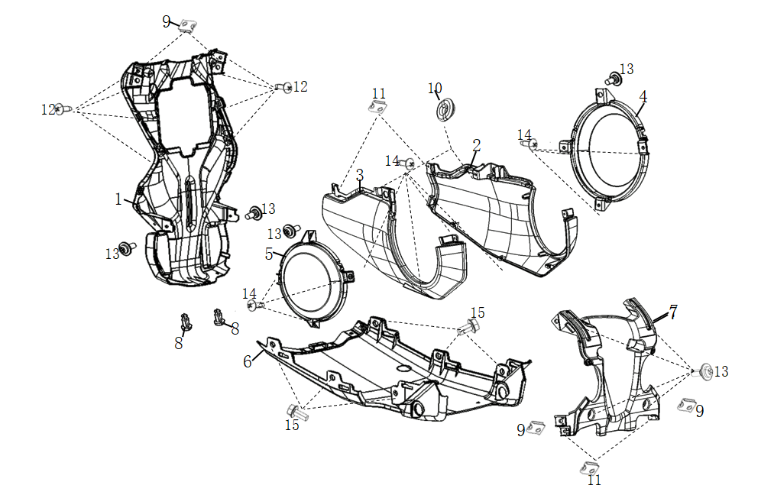

No. | Item No. | Name-EN | Qty | Model
1 | 83565-QSM-H00 | Front shield | 1
2 | 83535-QSM-J00-S | Right lower body shield(WY10P/Gold sticker) | 1
3 | 83545-QSM-J00-S | Left lower body shield(WY11P/Gold sticker) | 1
4 | 50615-QSM-J00-S | Right axle cover(WY11P/Gold sticker) | 1
5 | 50625-QSM-J00-S | Left axle cover(WY11P/Gold sticker) | 1
6 | 83555-QSM-H00 | Body bottom cover | 1
7 | 83595-QSM-H00 | Rear cover，Body shield | 1
8 | 90683-QSM-H00 | Rivet clamp | 2
9 | 84601-QSM-A00 | Spring Clip M4 | 4
10 | 83542-KPN-900 | Circular I-shaped rubber | 2
11 | 90303-GCC-000 | Spring Clip M6 | 4
12 | 93903-QSM-A10 | Tapping Screw 4X12 | 8
13 | 93500-QSM-C00 | Cross pan screw 5x12 | 8
14 | 93903-QSM-A00 | Tapping Screw 4X12 | 10
15 | 95701-06012-08 | Flange Bolt 6X12 | 6

F-22
Cushion Assy
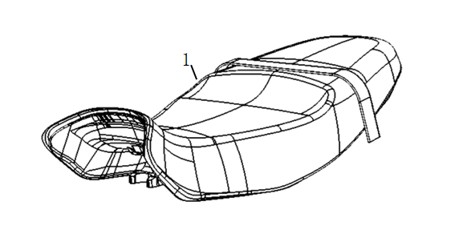

No. | Item No. | Name-EN | Qty | Model
1 | 77200-QSM-J00 | Cushion assy | 1

F-23
Rear Cover
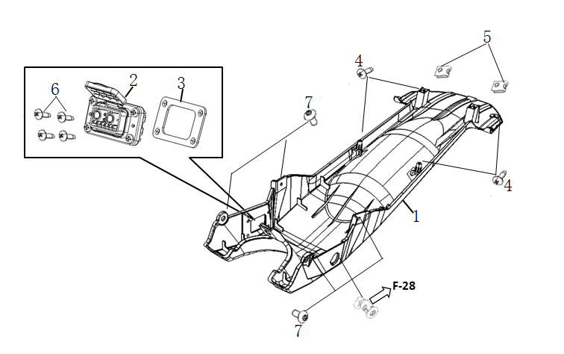

No. | Item No. | Name-EN | Qty | Model
1 | 77215-QSM-J00 | Rear cover | 1
2 | 35310-QSM-H00 | Charging socket | 1
3 | 77217-QSM-H00 | Mounting plate,Charging socket | 1
4 | 93903-QSM-A00 | Tapping Screw 4X12 | 4
5 | 90303-GCC-000 | Spring Clip M4 | 2
6 | 93500-04012-1G | Phillips Screw 4X12 | 4
7 | 93500-QSM-C00 | Cross pan screw 5X12 | 4

F-24
Tail Light Cover
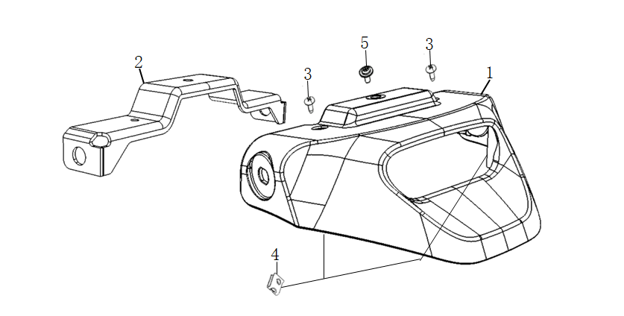

No. | Item No. | Name-EN | Qty | Model
1 | 83800-QSM-J00 | Tail light cover | 1
2 | 83801-QSM-J00 | Bracket，Tail light cover | 1
3 | 93903-QSM-A00 | Tapping Screw 4X12 | 2
4 | 90303-GCC-000 | Spring Clip M4 | 2
5 | 93500-QSM-C00 | Cross pan screw 5X12 | 1

F-25
Rear Lower Fender
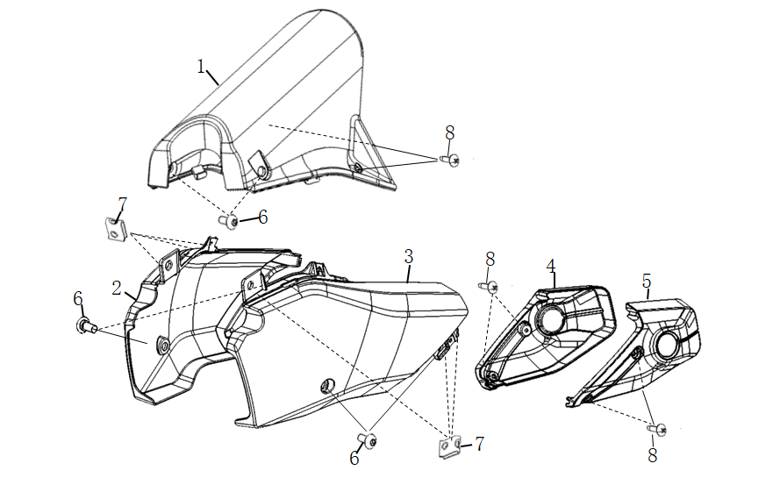

No. | Item No. | Name-EN | Qty | Model
1 | 80101-QSM-H00 | Rear lower fender | 1
2 | 80103-QSM-H00-P-WY10P | Cover,Right rear fork(WY10P/Gold) | 1
3 | 80104-QSM-H00-P-WY10P | Cover,Left rear fork(WY10P/Gold) | 1
4 | 80111-QSM-H00 | Shield,Right rear fork Cover | 1
5 | 80112-QSM-H00 | Shield,Left rear fork Cover | 1
6 | 95101-QSM-A00 | Hexagon socket head step screw M6 | 6
7 | 90303-GCC-000 | Spring Clip M4 | 6
8 | 93903-QSM-A10 | Tapping Screw 4X12 | 6

F-26
Rear Shield Assy
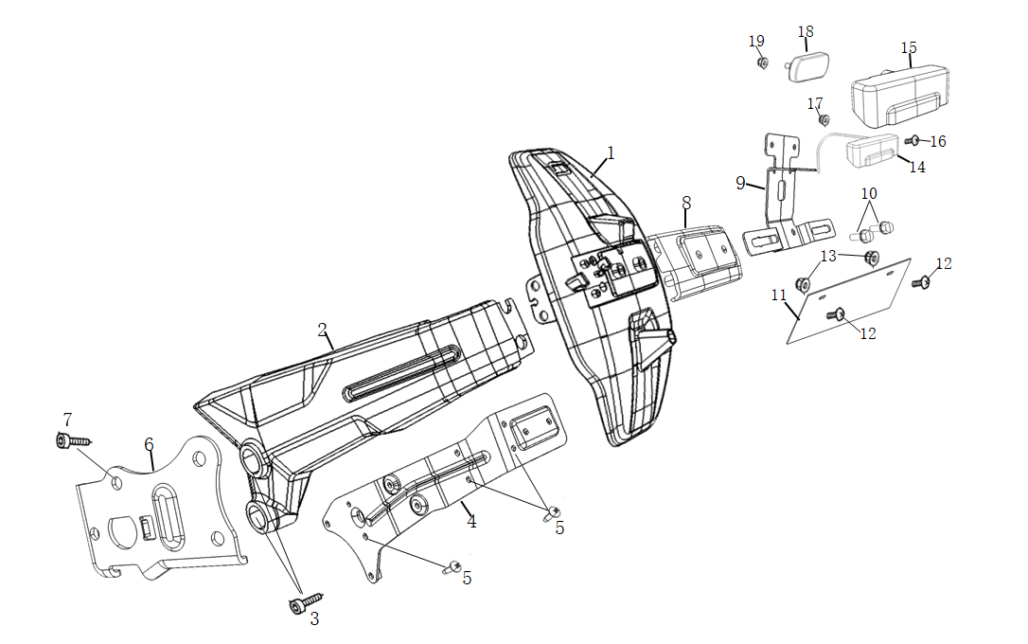

No. | Item No. | Name-EN | Qty | Model
1 | 80110-QSM-J00 | Rear shield | 1
2 | 80118-QSM-J00 | Side cover，Rear shield | 1
3 | 96700-08025-07 | Hexagon socket bolt 8X25 | 2
4 | 52150-QSM-J00 | Lining plate,Rear shield | 1
5 | 93903-25220 | Tapping Screw 5X12 | 7
6 | 52152-QSM-J00 | Adapter plate | 1
7 | 95701-08016-07 | Flange Bolt 8X16 | 1
8 | 80119-QSM-J00 | Rear cover，Rear shield | 1
9 | 80109-QSM-J00 | Bracket，Rear Reflector | 1
10 | 95701-TBG-A00 | Flange Bolt 6X30 | 2
11 | 80200-TAC-A00 | Rear license | 1
12 | 93500-QSM-C00 | Cross pan screw 5X12 | 2
13 | 94050-05080 | Flange nut M5 | 2
14 | 33720-QSM-H00 | Rear license light assy | 1
15 | 33721-TGF-AA0 | Rubber sleeve，Rear license light | 1
16 | 93500-TGF-AA0 | Phillips Screw 3X12 | 2
17 | 94001-TGF-AA0 | Nut M3 | 2
18 | 33741-QSM-C01 | Rear Reflex Reflector | 1
19 | 94050-06080 | Flange nut M6 | 2

F-27
Tail Light
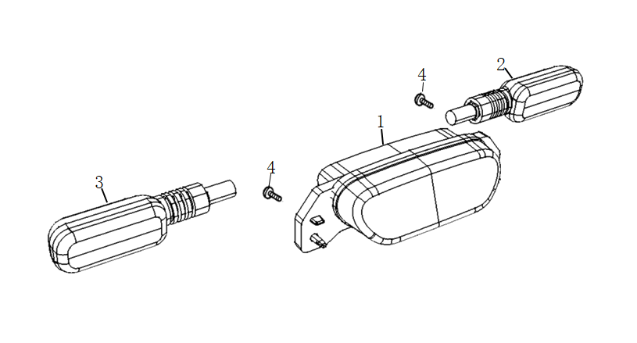

No. | Item No. | Name-EN | Qty | Model
1 | 33700-QSM-J00 | Tail light assy | 1
2 | 93903-QSM-A00 | Tapping Screw 4X12 | 2
3 | 33400-TBG-A00 | Right rear indicator assy | 1
4 | 33450-TBG-A00 | Left rear indicator assy | 1

F-28
Lockset
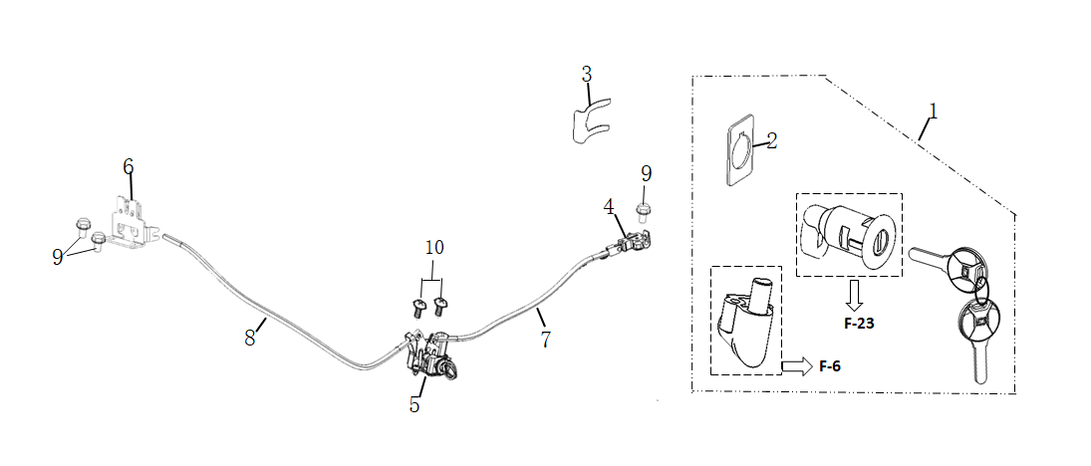

No. | Item No. | Name-EN | Qty | Model
1 | 35010-QSM-H00 | Lockset and key | 1
2 | 77236-QSM-A00 | Gasket,Lock | 1
3 | 75582-QSM-A00 | Mounting spring leaf,Lock | 1
4 | 77232-QSM-A00 | Latch hook,Cushion | 1
5 | 77242-QSM-A00 | Bracket,Cushion lock cable | 1
6 | 77233-QSM-H00 | Latch hook,Battery compartment | 1
7 | 77240-QSM-H00 | Cushion lock cable | 1
8 | 77250-QSM-H00 | Storage box cover lock cable | 1
9 | 95701-06012-08 | Flange Bolt 6X12 | 3
10 | 93500-05012-0H | Phillips Screw 5X12 | 2

F-29
Main Harness
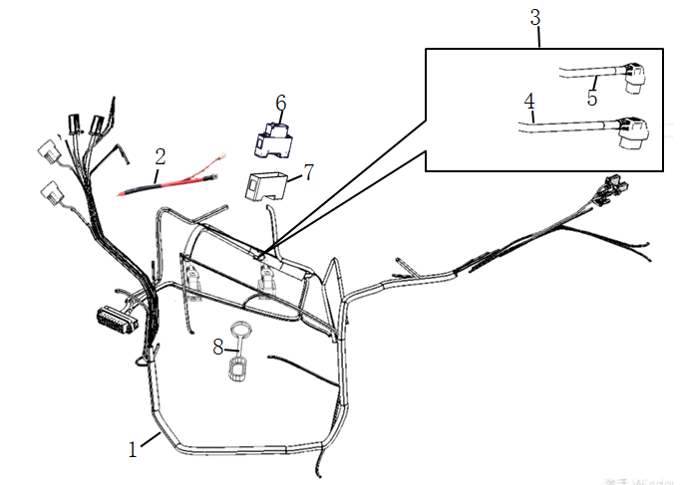

No. | Item No. | Name-EN | Qty | Model
1 | 32100-QSM-H00 | Main harness | 1
2 | 32120-QSM-H00 | connector wire,Circuit protector | 1
3 | 32200-QSM-H00 | Sub harness | 1
4 | 32200-QSM-H00-01 | Battery connection wire(long) | 1
5 | 32200-QSM-H00-02 | Battery connection wire(short) | 1
6 | 35050-QSM-F00 | Circuit protector | 1
7 | 35051-QSM-A00 | Rubber sleeve,Circuit protector | 1
8 | 32180-QSM-H00 | Cover,Battery socket | 1

F-30
Controller
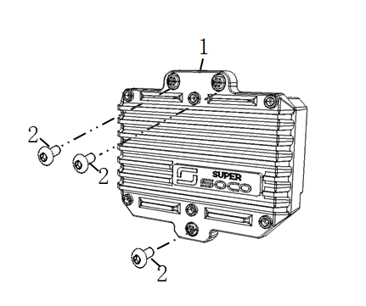

No. | Item No. | Name-EN | Qty | Model
1 | 30100-QSM-H00-R10 | Controller | 1 | L1E
 | 30100-QSM-H00-R20 | Controller | 1 | L3E
2 | 90107-QSM-A00 | Torx anti-theft bolts 6x16 | 3

F-31
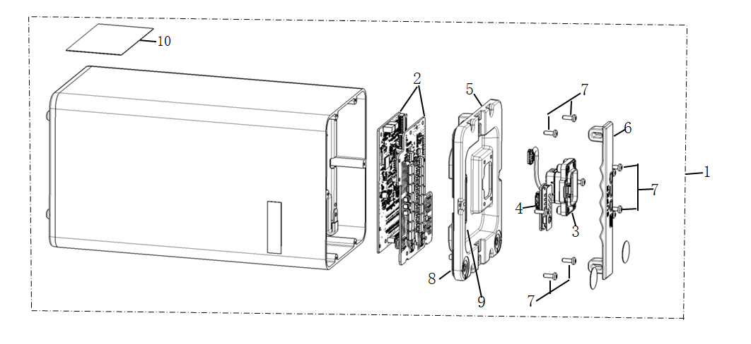
Battery Assy

No. | Item No. | Name-EN | Qty | Model
1 | 31500-QSM-H00 | Battery assy(60V32Ah) | 1
2 | 31530-QSM-H00-M1 | BMS | 1
3 | 31514-QSM-H00-M1 | Battery charging-dischrging socket | 1
4 | 31502-QSM-H00-M1 | Battery power indicator | 1
5 | 31511-QSM-H00-M1 | Battery upper cover (Including sealing ring, explosion-proof valve ) | 1
6 | 31512-QSM-H00-M1 | Handle,Battery | 1
7 | 93501-04012-1G | Torx screw 4x12 | 10
8 | 31517-QSM-H00-M1 | Sealing ring | 1
9 | 31500-QSM-H00-S2 | Battery specification label | 1
10 | 31500-QSM-H00-S1 | Battery maintenance label | 1

F-32
Electric parts
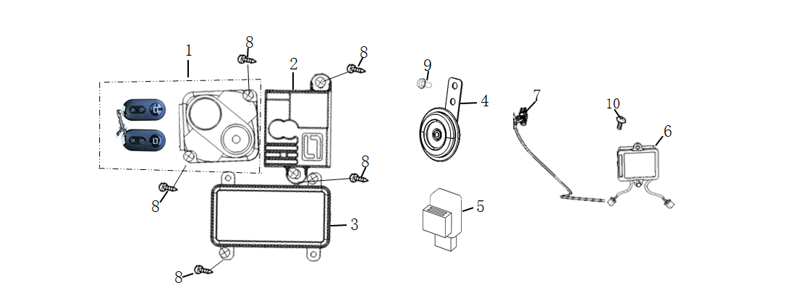

No. | Item No. | Name-EN | Qty | Model
1 | 35020-TGC-A00-K | Alarm assy(Dual remote control) | 1
2 | 32300-QSM-H00 | DC-DC | 1
3 | 30200-QSM-H00-4GEU | ECU Assy(European 4G) | 1
 | 30200-QSM-H00-NULL | ECU Assy | 1
4 | 38110-TAC-A00 | Horn | 1
5 | 38300-QSM-AF0 | Flash Relay | 1
6 | 35402-QSM-D00 | USB Converter | 1
7 | 35401-QSM-D00 | USB interface | 1
8 | 93903-QSM-A00 | Tapping Screw 4X12 | 5
9 | 95701-06012-08 | Flange Bolt 6X12 | 1
10 | 93500-06012-0H | Phillips Screw 6X12 | 1

F-33
Charger
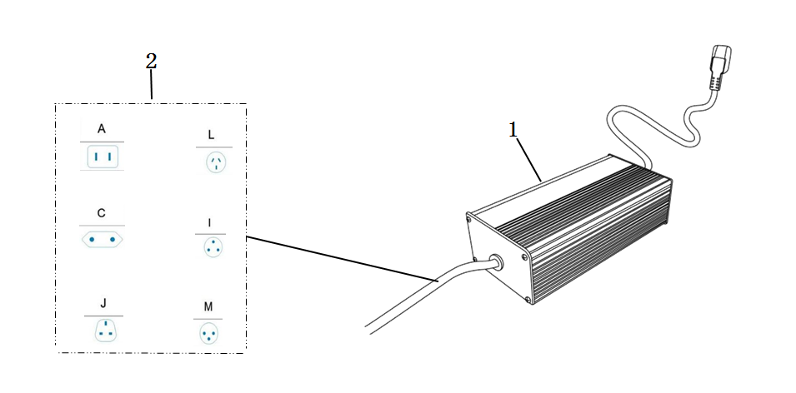

No. | Item No. | Name-EN | Qty | Model
1 | 35300-QSM-H00-CE | CE Charger(60V10A) | 1 | CE认证
 | 35300-QSM-H00-FCC | FCC Charger(60V8A) | 1 | FCC认证
 | 35300-QSM-H00-KC | KC Charger(60V10A) | 1 | KC认证
 | 35300-QSM-H00-PSE | PSE Charger(60V4A) | 1 | PSE认证
2 | 35320-QSM-A50-T1 | Charging Cable(National standard tripod) | 1
 | 35320-QSM-A50-T2 | Charging Cable(European standard) | 1
 | 35320-QSM-A50-T3 | Charging Cable(British Standard) | 1
 | 35320-QSM-A50-T4 | Charging Cable(Australian Standard) | 1
 | 35320-QSM-A50-T5 | Charging Cable(India) | 1
 | 35320-QSM-A50-T6 | Charging Cable(Israel) | 1
 | 35320-QSM-A50-T7 | Charging Cable(Switzerland) | 1
 | 35320-QSM-A50-T8 | Charging Cable(Italy) | 1
 | 35320-QSM-A50-T9 | Charging Cable(Argentina) | 1
 | 35320-QSM-A50-T10 | Charging Cable(American Standard) | 1
 | 35320-QSM-A50-T11 | Charging Cable(Brazil standard) | 1
 | 35320-QSM-A50-T12 | Charging Cable(Japanese standard) | 1
 | 35320-QSM-A50-T13 | Charging Cable(National standard two feet) | 1

F-34
Sticker
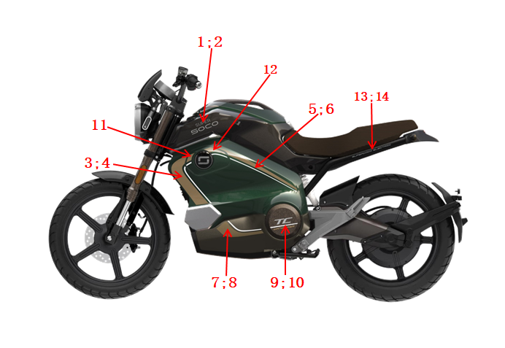

No. | Item No. | Name-EN | Qty | Model
CG01M/复古绿 Green；CB10N/陶瓷蓝 Blue
1 | 80155-QSM-H00-S1-ST001 | Right cover sticker,Storage box （ST001/Silver sticker） | 1
2 | 80165-QSM-H00-S1-ST001 | Left cover sticker,Storage box （ST001/Silver sticker） | 1
3 | 83515-QSM-J00-S1-ST012 | Sticker,Right upper body shield （ST012/Gold sticker） | 1 | 复古绿/陶瓷蓝
4 | 83525-QSM-J00-S1-ST012 | Sticker,Left upper body shield （ST012/Gold sticker） | 1 | 复古绿/陶瓷蓝
5 | 83515-QSM-J00-S2-ST012 | Sticker,Right upper body shield （ST012/Gold sticker） | 1 | 复古绿/陶瓷蓝
6 | 83525-QSM-J00-S2-ST012 | Sticker,Left upper body shield （ST012/Gold sticker） | 1 | 复古绿/陶瓷蓝
7 | 83535-QSM-J00-S1-ST012 | Sticker,Right lower body shield （ST012/Gold sticker） | 1 | 复古绿/陶瓷蓝
8 | 83545-QSM-J00-S1-ST012 | Sticker,Left lower body shield （ST012/Gold sticker） | 1 | 复古绿/陶瓷蓝
9 | 50615-QSM-J00-S1-ST012 | Sticker,Right axle cover （ST012/Gold sticker） | 1
10 | 50625-QSM-J00-S1-ST012 | Sticker,Left axle cover （ST012/Gold sticker） | 1
11 | 83522-QSM-J00-S1-ST012 | Sticker,Charge gun socket cover （ST012/Gold sticker） | 1 | 复古绿/陶瓷蓝
12 | 83522-QSM-J00-S2-ST012 | Sticker,Charge gun socket cover （ST012/Gold sticker） | 1 | 复古绿/陶瓷蓝
13 | 50100-TBG-C00-S1-ST001 | Left sticker，Vehicle body （ST001/Silver sticker） | 1
14 | 50100-TBG-C00-S2-ST001 | Right sticker，Vehicle body （ST001/Silver sticker） | 1
WY03P/卡其黄 Yellow
1 | 80155-QSM-H00-S1-ST001 | Right cover sticker,Storage box （ST001/Silver sticker） | 1
2 | 80165-QSM-H00-S1-ST001 | Left cover sticker,Storage box （ST001/Silver sticker） | 1
3 | 83515-QSM-J00-S1-ST003 | Sticker,Right upper body shield （ST003/Brown sticker） | 1 | 卡其黄
4 | 83525-QSM-J00-S1-ST003 | Sticker,Left upper body shield （ST003/Brown sticker） | 1 | 卡其黄
5 | 83515-QSM-J00-S2-ST003 | Sticker,Right upper body shield （ST003/Brown sticker） | 1 | 卡其黄
6 | 83525-QSM-J00-S2-ST003 | Sticker,Left upper body shield （ST003/Brown sticker） | 1 | 卡其黄
7 | 83535-QSM-J00-S1-ST003 | Sticker,Right lower body shield （ST003/Brown sticker） | 1 | 卡其黄
8 | 83545-QSM-J00-S1-ST003 | Sticker,Left lower body shield （ST003/Brown sticker） | 1 | 卡其黄
9 | 50615-QSM-J00-S1-ST012 | Sticker,Right axle cover （ST012/Gold sticker） | 1
10 | 50625-QSM-J00-S1-ST012 | Sticker,Left axle cover （ST012/Gold sticker） | 1
11 | 83522-QSM-J00-S1-ST003 | Sticker,Charge gun socket cover （ST003/Brown sticker） | 1 | 卡其黄
12 | 83522-QSM-J00-S2-ST003 | Sticker,Charge gun socket cover （ST003/Brown sticker） | 1 | 卡其黄
13 | 50100-TBG-C00-S1-ST001 | Left sticker，Vehicle body （ST001/Silver sticker） | 1
14 | 50100-TBG-C00-S2-ST001 | Right sticker，Vehicle body （ST001/Silver sticker） | 1
MG06N/纳多灰 Grey
1 | 80155-QSM-H00-S1-ST001 | Right cover sticker,Storage box （ST001/Silver sticker） | 1
2 | 80165-QSM-H00-S1-ST001 | Left cover sticker,Storage box （ST001/Silver sticker） | 1
3 | 83515-QSM-J00-S1-ST014 | Sticker,Right upper body shield （ST014/Red-Grey sticker） | 1 | 纳多灰
4 | 83525-QSM-J00-S1-ST014 | Sticker,Left upper body shield （ST014/Red-Grey sticker） | 1 | 纳多灰
5 | 83515-QSM-J00-S2-ST014 | Sticker,Right upper body shield （ST014/Red-Grey sticker） | 1 | 纳多灰
6 | 83525-QSM-J00-S2-ST014 | Sticker,Left upper body shield （ST014/Red-Grey sticker） | 1 | 纳多灰
7 | 83535-QSM-J00-S1-ST014 | Sticker,Right lower body shield （ST014/Red-Grey sticker） | 1 | 纳多灰
8 | 83545-QSM-J00-S1-ST014 | Sticker,Left lower body shield （ST014/Red-Grey sticker） | 1 | 纳多灰
9 | 50615-QSM-J00-S1-ST012 | Sticker,Right axle cover （ST012/Gold sticker） | 1
10 | 50625-QSM-J00-S1-ST012 | Sticker,Left axle cover （ST012/Gold sticker） | 1
11 | 83522-QSM-J00-S1-ST014 | Sticker,Charge gun socket cover （ST014/Red-Grey sticker） | 1 | 纳多灰
12 | 83522-QSM-J00-S2-ST014 | Sticker,Charge gun socket cover （ST014/Red-Grey sticker） | 1 | 纳多灰
13 | 50100-TBG-C00-S1-ST001 | Left sticker，Vehicle body （ST001/Silver sticker） | 1
14 | 50100-TBG-C00-S2-ST001 | Right sticker，Vehicle body （ST001/Silver sticker） | 1

F-35
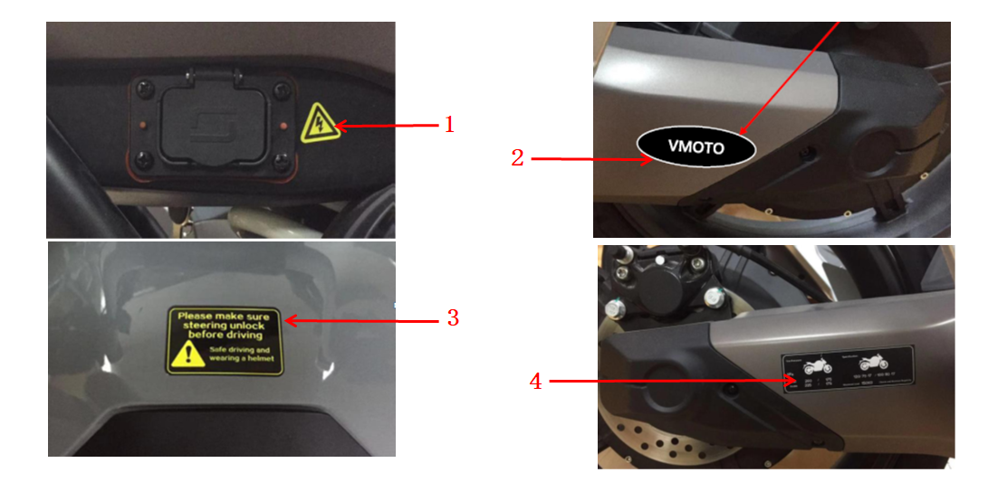

No. | Item No. | Name-EN | Qty | Model
1 | 87507-QSM-A00 | High voltage warning label | 1
2 | 87506-QSM-C50 | VMOTO label | 1
3 | 87560-QSM-A50 | Driving warning label | 1
4 | 87505-QSM-H00-EU | Tire pressure label | 1

